Mass balance
Mass balance
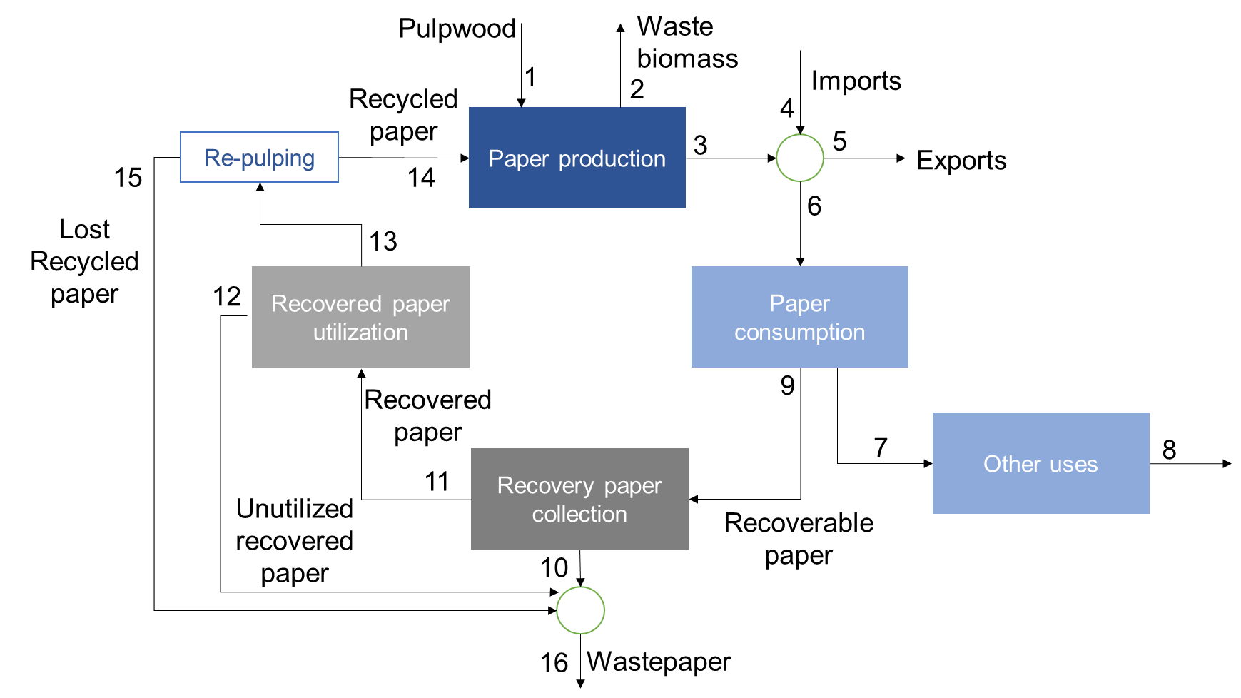

Descriptor | Pulpwood | Waste biomass | Paper production | Imports | Exports | Paper consumption | Unrecoverable paper | End of life | Total recoverable paper | Unrecovered waste paper | Recovered paper | Untilized recovered paper | Recyclable paper | Recycled paper | Lost recycled paper | Waste paper
Year | 1 | 2 | 3 | 4 | 5 | 6 | 7 | 8 | 9 | 10 | 11 | 12 | 13 | 14 | 15 | 16
2017 | 1465783 | 503699 | 2180000 | 715000 | 640000 | 2255000 | 441320 | 441320 | 1813680 | 525967 | 1287713 | 4576 | 1283137 | 1217916 | 65221 | 595764
2018 | 1619695 | 572852 | 2223000 | 786000 | 664000 | 2345000 | 551974 | 551974 | 1793026 | 507426 | 1285600 | 718 | 1284882 | 1176157 | 108725 | 616869
2019 | 2975453 | 1883659 | 2159000 | 707000 | 687000 | 2179000 | 425715.32847 | 425715.32847 | 1753285 | 552285 | 1201000 | 35140 | 1165860 | 1067207 | 98653 | 686078

Paper Prod | 2013 | Pulpwood + Recycled paper | Paper production (conversion) % | Waste biomass (%) |  |  |  |  | Breakdown
 |  | 2,986,968 | 78% | 22% |  |  |  |  | Waste biomass | 22% of pulp wood & recycled paper
 |  |  |  |  |  |  |  |  | Paper production | 78% of pulp wood & recycled paper
Paper cons | 2013 | Paper prod + imports | Exports + consumption | imports (%) production | exports (%) production | Difference
 |  | 3,142,812 | 3142812 | 26% | 19% | -7% |  |  | From the 78% of produced paper, 26% more is imported
 |  |  |  |  |  |  |  |  | From the imported and produced paper, 19% is exported
 | 2013 | Consumption | Unrecoverable paper | Recoverable paper |  |  |  |  | 81% of the paper is consumed of which 74% of that is recoverable, 26% unrecoverable
 |  | 2532244 | 26% | 74%
 |  |  |  |  |  |  |  |  | From the 74% recoverable paper, only 62% of that can be recovered, 38% is unrecoverable waste paper
Recovery collection | 2013 | Recoverable paper | recovered paper | Unrecovered waste paper
 |  | 1882480 | 62% | 38% |  |  |  |  | From the 74% of recoverable paper, only 96% is recyclable and 4% is unutilised

Recovered utilisation | 2013 | Recovered paper | Unutilized recovered paper | Recyclable paper |  |  |  |  | Of the 96% of recoverable paper, 1% of it cant be recycled, 99% is recyclable.
 |  | 1167138 | 4% | 96%

Recycled paper lost | 2013 | Recyclable paper | Lost recycled paper | Recycled paper
 |  | 1119394.0031 | 1% | 99%

Students report revision
Maximum recycled material usage |  |  |  |  |  |  |  |  |  |  | Revision of P&P Group 63
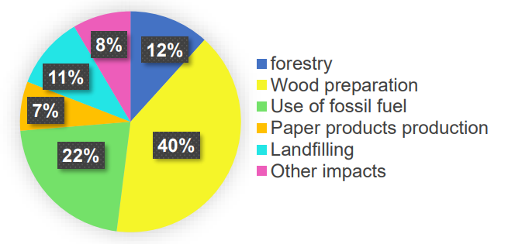
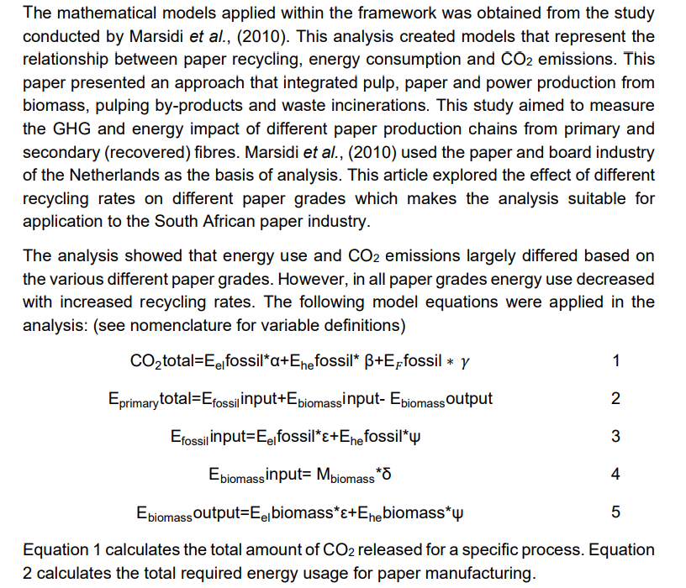
 |  |  |  |  |  |  |  |  |  |  | Decarbonisation
 | Students report - 4th year 2020 |  |  |  |  |  |  |  |  |  | CO2 emmissions from the paper and pulp process
 | Recovered paper can only be recycled 5 to 7 times
 |  |  | source is pamsa |  |  |  |  |  |  |  | Process | %
 |  |  |  |  |  |  |  |  |  |  | Wood preperation | 40
 |  |  |  |  |  |  |  |  |  |  | Forestry | 12
 |  |  |  |  |  |  |  |  |  |  | Fuel use | 22
 |  |  |  |  |  |  |  |  |  |  | Paper production | 7
 |  |  |  |  |  |  |  |  |  |  | Landfilling | 11
 |  |  |  |  |  |  |  |  |  |  | Other impacts | 8
 |  |  |  |  |  |  |  |  |  |  |  | 100

 |  |  |  |  |  |  |  |  |  |  | (Friedrich and Trois, 2013). production emissions

 |  |  |  |  |  |  |  |  |  |  | Production Material? | CO2 (kg/t paper)
 |  |  |  |  |  |  |  |  |  |  | Virgin raw materials (printing and writing paper) | 2370
 |  |  |  |  |  |  |  |  |  |  | Newsprint | 2660
 |  |  |  |  |  |  |  |  |  |  | Packaging | 2180

 |  |  |  |  |  |  |  |  |  |  | By substituting the virgin raw material with recycled paper, (a net GHG savings of 91.7 kg CO2 per tonne,)
 |  | Total recyclable amount | 1119000 | 1053000 | 1183000 | 1398000 | 1283000 | 1285000 | 1166000
 |  | Amount of recycled paper consumed | 1112000 | 1047000 | 1155000 | 1388000 | 1218000 | 1176000 | 1067000 |  | Tissue paper, newsprint and packaging | CO2 (kg/t paper)
 |  |  | 99% | 99% | 98% | 99% | 95% | 92% | 92% |  | After substitution of raw material with recycling | 1740
 |  |  |  |  |  |  |  |  |  |  | Raw material | 1640

 |  |  |  |  |  |  |  |  |  |  | Confirming that recycling has the most GHG savings.
 |  |  |  |  |  |  |  |  |  |  | This paper presented an approach that integrated pulp, paper and power production from biomass, pulping by-products and waste incinerations.
 |  |  |  |  |  |  |  |  |  |  | This study aimed to measure the GHG and energy impact of different paper production chains from primary and secondary (recovered) fibres
 |  |  |  |  |  |  |  |  |  |  | This study formulated three mathematical models to predict carbon emissions from different sources of pulp and paper production.

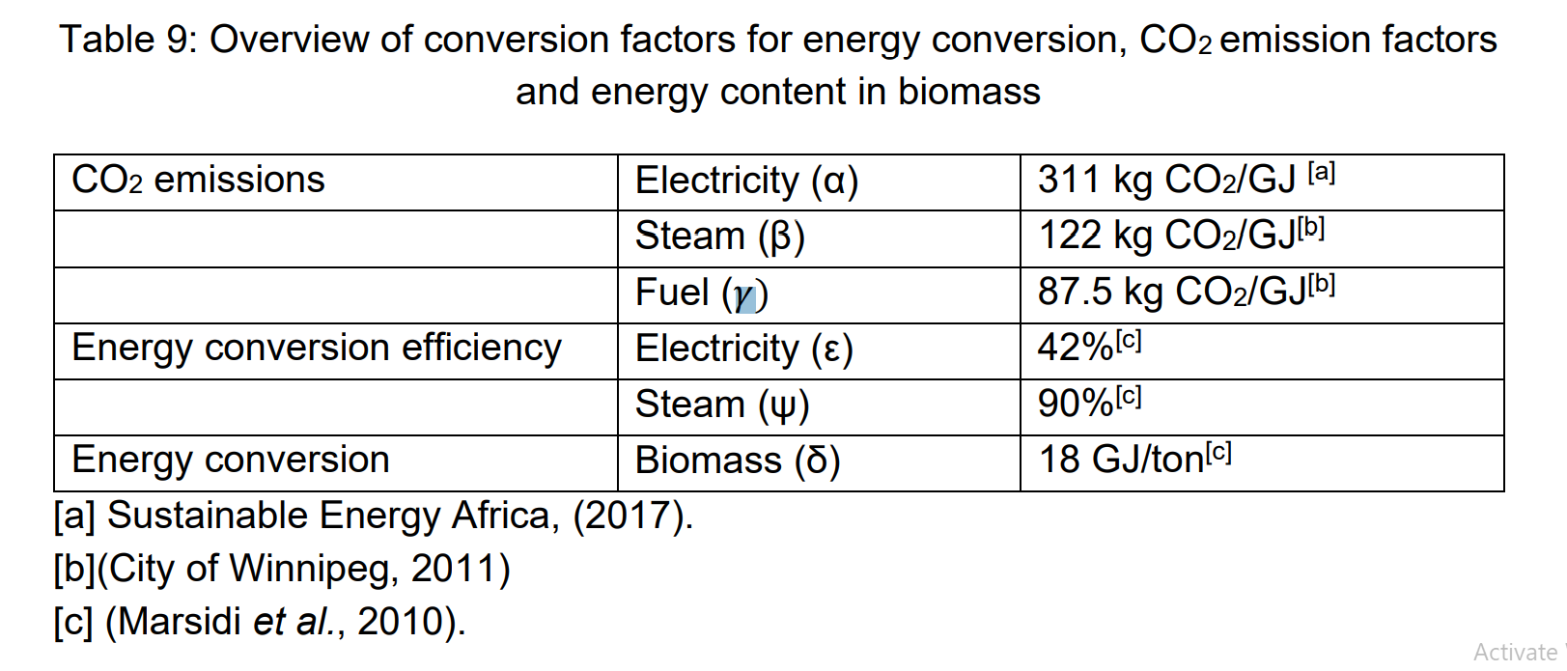
 |  |  |  |  |  |  |  |  |  |  | Equations modelled for Carbon emmissions qwere from:
 |  |  |  |  |  |  |  |  |  |  | [1] energy consumption,
 |  |  |  |  |  |  |  |  |  |  | [2] combustion of useless biomass from pre-treatment sector, and
 |  |  |  |  |  |  |  |  |  |  | [3] combustion of condensed black liquor respectively.

 |  |  |  |  |  |  |  |  |  |  | Pulping emmissions
 |  |  |  |  |  |  |  |  |  |  |  |  | Units | Mechanical Pulping | Chemical Pulping
 |  |  |  |  |  |  |  |  |  |  | Averaged annual (2020) share percentage |  | % | 80 | 20
 |  |  |  |  |  |  |  |  |  |  | CO2 emmissions |  | kg CO2/t paper | <1450 | >300

 |  |  |  |  |  |  |  |  |  |  | Conversion factors for energy conversion.
 |  |  |  |  |  |  |  |  |  |  |  |  | Units | Biomass | Steam | Electricity | Fuel
 |  |  |  |  |  |  |  |  |  |  | CO2 emmissions |  | kg CO2/GJ | - | 122 | 311 | 87.5
 |  |  |  |  |  |  |  |  |  |  | Conversion efficiency |  | % | - | 90 | 42 | -
 |  |  |  |  |  |  |  |  |  |  | Energy conversion |  |  | 18 | - | - | -

 |  |  |  |  |  |  |  |  |  |  | Marsidi et al., (2010)

 |  |  |  |  |  |  |  |  |  |  | Analysis on the net energy usage of various paper grades
 |  |  |  |  |  |  |  |  |  |  | Showed that by implementing optimisation techniques and increased recycle rates, a net zero energy production can be achieved.
 |  |  |  |  |  |  |  |  |  |  | Scenario conditions applied to printing and writing paper manufacturing:
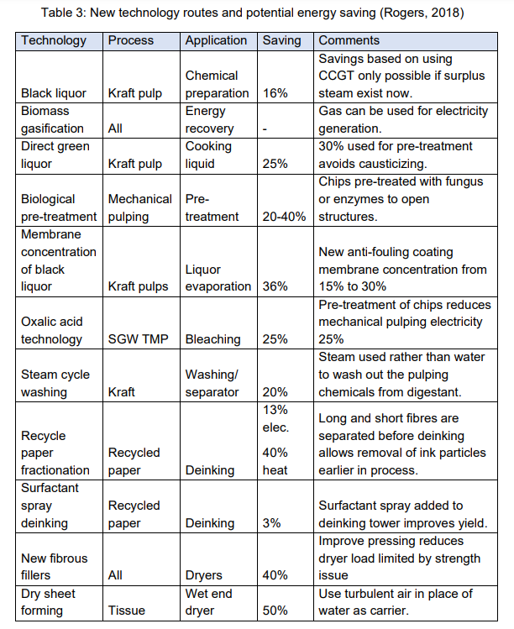
 |  |  |  |  |  |  |  |  |  |  | •Reduced heat consumption in papermaking by 30%
 |  |  |  |  |  |  |  |  |  |  | •Decreased filler percentages from 21% to 0%
 |  |  |  |  |  |  |  |  |  |  | •Increased recycled fibre input from 0% to 20%
 |  |  |  |  |  |  |  |  |  |  | •Increased recycling from 80% to 100%

 |  |  |  |  |  |  |  |  |  |  | Scenario condition | Percentage change (%)
 |  |  |  |  |  |  |  |  |  |  | Heat reduction in overall process | -30 | Figure out what the meaning of this and how to apply it?
 |  |  |  |  |  |  |  |  |  |  | Filler percentage decrease | 21-0 | Find out what exactly the filler is?
 |  |  |  |  |  |  |  |  |  |  | fibre recycling input increase | 0-20
 |  |  |  |  |  |  |  |  |  |  | Increased recycling | 80-100

 |  | Descriptor | Pulpwood | Waste biomass | Paper production | Imports | Exports | Paper consumption | Unrecoverable paper | End of life
 |  | Year | 1 | 2 | 3 | 4 | 5 | 6 | 7 | 8
 |  | 2017 | 1,466,000 | 503,700 | 2,180,000 | 715,000 | 640,000 | 2,255,000 | 441,300 | 441,300
 |  | 2018 | 1,620,000 | 572,900 | 2,223,000 | 786,000 | 664,000 | 2,345,000 | 552,000 | 552,000
 |  | 2019 | 2,975,000 | 1,884,000 | 2,159,000 | 707,000 | 687,000 | 2,179,000 | 425,700 | 425,700

 |  | Descriptor | Total recoverable paper | Unrecovered wastepaper | Recovered paper | Unutilized recovered paper | Recyclable paper | Recycled paper | Unutilised recyclable paper | Wastepaper
 |  | Year | 9 | 10 | 11 | 12 | 13 | 14 | 15 | 16
 |  | 2017 | 1,814,000 | 526,000 | 1,288,000 | 4,576 | 1,283,000 | 1,218,000 | 65,220 | 595,800
 |  | 2018 | 1,793,000 | 507,400 | 1,286,000 | 718 | 1,285,000 | 1,176,000 | 108,700 | 616,900
 |  | 2019 | 1,753,000 | 552,300 | 1,201,000 | 35,140 | 1,166,000 | 1,067,000 | 98,650 | 686,100

 |  |  |  |  |  |  | 1 | Pulpwood | 1,466,000
 |  |  |  |  |  |  | 2 | waste biomass | 503,700
 |  |  |  |  |  |  |  |  | 962,300 | net pulpwood and waste
 |  |  |  |  |  |  | 9 | total rec paper | 1,814,000
 |  |  |  |  |  |  | 14 | recy paper | 1,218,000
 |  |  |  |  |  |  |  |  | 2,180,300 | add together rec paper + pulp
 |  |  |  |  |  |  | 3 | paper prod. | 2,159,000

Carbon and energy data
Carbon emissions and Energy consumption
 |  |  |  |  |  | 2017 |  |  |  |  | 2018 |  |  |  |  | 2019
Segmented data
 | EnergyUse |  |  | Energy generation |  | EnergyUse |  |  | Energy generation |  | EnergyUse |  |  | Energy generation |  | EnergyUse |  |  | Energy generation
 | Electricity (KwH/t) | Steam (GJ/t) (Ehe fossil) | Fuel (GJ/t) | Electricity (Kwh/t) | Steam (GJ/t) | Electricity (KwH) | Steam (GJ) | Fuel (GJ/) | Electricity (Kwh) | Steam (GJ) | Electricity (KwH) | Steam (GJ) | Fuel (GJ/) | Electricity (Kwh) | Steam (GJ) | Electricity (KwH) | Steam (GJ) | Fuel (GJ/) | Electricity (Kwh) | Steam (GJ)
Resource extraction
Cutting |  |  | 0.713 |  |  |  |  | 6974596.5383 |  |  |  |  | 8,502,853 |  |  |  |  | 8,502,853
Chipping | 40 |  |  |  |  | 391281713.23 |  |  |  |  | 477,018,427 |  |  |  |  | 477,018,427

Pulping
Mechanical pulping | 2000 | 0.9 |  |  | 5.4 | 428214000 | 192696.3 |  |  | 5.4 | 630,000,000 | 283,500 |  |  | 5 | 630,000,000 | 283,500 |  |  | 5
Chemical pulping | 700 | 22.2 |  | 700 | 22.2 | 632450000 | 20057700 |  | 347847500 | 11031735 | 611,800,000 | 19,402,800 |  | 336,490,000 | 10,671,540 | 611,800,000 | 19,402,800 |  | 336,490,000 | 10,671,540
Bleaching (Mechanical) | 484 | 9.17 |  |  |  | 103627788 | 1963361.19 |  |  |  | 152,460,000 | 2,888,550 |  |  |  | 152,460,000 | 2,888,550
Bleaching (Chemical ) | 434 | 8.97 |  |  |  | 392119000 | 8104395 |  |  |  | 379,316,000 | 7,839,780 |  |  |  | 379,316,000 | 7,839,780
RP pulping for Paper | 330 | 3.267
RP pulping for newsprint | 330 | 3.2 |  |  |  | 48176172.751 | 543265.90233 |  |  |  | 40,620,256 | 393,893 |  |  |  | 30,778,704 | 298,460
RP pulping for Printing/writing paper | 330 | 3.4 |  |  |  | 56024296.177 | 577220.02122 |  |  |  | 67,855,757 | 699,120 |  |  |  | 61,557,408 | 634,228
RP pulping for other paper | 330 | 3.2 |  |  |  | 37565899.211 | 364275.38628 |  |  |  | 19,377,304 | 187,901 |  |  |  | 19,236,690 | 186,538

RP pulping for Packaging paper | 186.7 | 0.1 |  |  |  | 158287383.85 | 121542.09831 |  |  |  | 167,651,390 | 128,732 |  |  |  | 154,515,312 | 118,646
RP Pulping for corrugated board | 180 | 0.06
RP Pulping for grey board | 200 | 0.02
RP pulping for folding box board | 180 | 0.35

RP pulping for sanitary (Tissues) | 375 | 0.6 |  |  |  | - |  |  |  |  | - |  |  |  |  | -

Papermaking
Paper | 558.4 | 4.88 |  |  |  |  |  |  |  |  |  |  |  |  |  | 250,163,200 | 2,186,240
Newsprint | 558.4 | 4.88 |  |  |  | 100917956.8 | 881947.76 |  |  |  | 63,608,461 | 555,891
Printing/Writing | 558.4 | 4.88 |  |  |  | 191227988.8 | 1671190.16 |  |  |  | 201,715,299 | 1,762,841
Other paper | 558.4 | 4.88 |  |  |  | 78392100.8 | 685088.56 |  |  |  | 75,474,461 | 659,591

Packaging paper | 364.6 | 5.3 |  |  |  | 470164069.45 | 6852600.6867 |  |  |  | 500,783,998 | 7,298,883 |  |  |  | 533,341,527 | 7,773,407
Corrugated board | 427 | 4.7
Board | 333.33 | 4.8
Other wrapping material | 333.33 | 6.44

Sanitary | 744.6 | 4.44 |  |  |  | 170506698.6 | 1016720.04 |  |  |  | 184,660,800 | 1,101,120 |  |  |  | 184,660,800 | 1,101,120
Production of addiatives
Inorganic filler production | 192 | 1.5 |  |  |  |  |  |  |  |  | 1.17E+08 | 915,468 |  |  |  | 86,016,000 | 672,000

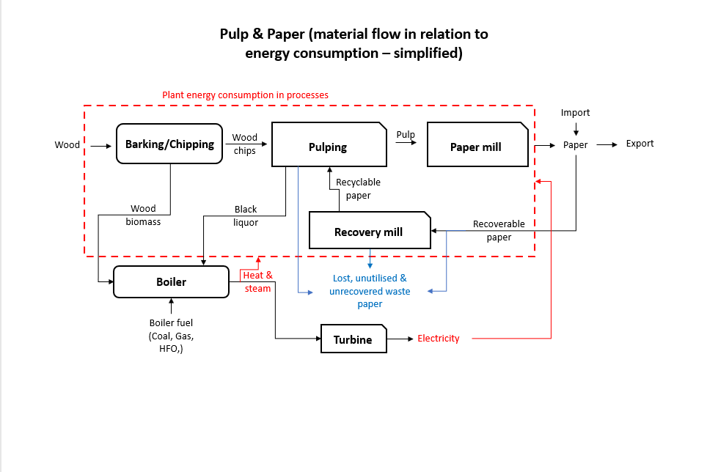
 | KWh to GJ conversion factor | 0.0036
Overall DATA SUMMARY

Year | Production | CO2 emissions (tons) | Energy use (GJ)
2013 | 2,318,183 | 10,817,895.63 | 46,033,205
2014 | 2,261,790 | 10981122.397 | 47,823,721.46
2015 | 2,289,109 | 10304054.469 | 44,230,167.78
2016 | 2,353,000 | 10389503.835 | 44,582,034.20
2017 | 2,180,000 | 10037093.617 | 43,572,428.93
2018 | 2,223,000 | 10,545,089 | 44,107,757
2019 | 2,159,000 | 10,313,729.69 | 43,268,823.89

These values were calculated using the equations from Marsidi et al (2010)

Process | Electricity consumption (GJ/t) | Steam consumption (GJ/t)
Resource extraction | 0.144
Pulping | 22 | 55
Papermaking | 16.0 | 45.2
Recovery mill | 0.6912 | 1.5

CHP & Boiler summary
Bryce Jul2020: this data is from T Napp and Alison's spreadsheets for P&P on just the CHP and boilers. |  |  |  |  |  |  |  |  | Numbers used for EB | EB index | Bryce: created a summary here

Summarise into one table
Sappi - Cape Kraft |  |  |  |  |  |  |  |  |  |  |  |  | Fuel used |  |  |  |  |  |  | Steam generated |  |  |  |  | Elec generated
 |  |  |  |  |  |  |  |  |  |  |  |  | coal | coalbiocoal | coalbiobio | coalhfocoal | coalhfohfo | gas | bl | coal s | coalbio s | coalhfo s | gas s | bl s | elec gen | elec steam
 |  |  |  |  |  |  |  |  |  |  |  | Boiler types | Coal | Coal | Biomass | Coal | HFO | Gas | Black liquor | coal | CoalBIO | CoalHFO | Gas | Black liquor | Electricity | Steam used
 | Electricity supply |  |  |  |  |  |  |  |  |  |  | Coal | 35,624,643 |  |  |  |  |  |  | 24,995,805
 |  | Summary | Unit | 2010 | 2011 | 2012 | 2013 |  |  |  |  | Recovery - Black liquor |  |  |  |  |  |  | 41,452,704 |  |  |  |  | 23,354,024
 |  | Purchased electricity | GJ/a | 121,217 | 129,339 | 117,716 | 122,728 |  |  |  |  | N Gas |  |  |  |  |  | 4,346,727 |  |  |  |  | 2,407,738
 |  | Generated onsite | GJ/a | 0 | 0 | 0 | 0 |  |  |  |  | Coal/HFO |  |  |  | 12,010,455 | 438,653 |  |  |  |  | 8,668,583
 |  | Electricity sold | GJ/a | 0 | 0 | 0 | 0 |  |  |  |  | Coal/Biomass |  | 4,267,225 | 3,357,941 |  |  |  |  |  | 5,492,304
 |  | Self-sufficiency ratio |  | - | - | - | - |  |  |  |  | CHP |  |  |  |  |  |  |  |  |  |  |  |  | 7,915,900 | 15,487,579
 |  |  |  |  |  |  |  |  |  |  |  | Totals: | 35,624,643 | 4,267,225 | 3,357,941 | 12,010,455 | 438,653 | 4,346,727 | 41,452,704 | 24,995,805 | 5,492,304 | 8,668,583 | 2,407,738 | 23,354,024 | 7,915,900 | 15,487,579
 | Steam supply |  |  |  |  |  |  |  |  |  |  |  | 45.42 |  | 5.1253 | 21.0498 | 0 | 4.7083 | 48.409 | 15 | 3.3579 | 10.1452 | 2.608 | 29.2396
 |  | Summary | Unit | 2010 | 2011 | 2012 | 2013 |  |  |  |  |  |  |  |  |  |  |  |  |  |  |  |  |  | 4.112 | STM to ELC
 |  | Purchased steam | GJ/a | 297,961 | 327,574 | 320,398 | 337,095 |  |  |  |  | Total Fossil count | 56,687,703 | 56% |  | 71.1781 | 57% |  |  |  |  |  |  |  | 3.2094 | Eskom
 |  | Generated onsite | GJ/a | 0 | 0 | 0 | 0 |  |  |  |  | Total RE count | 44,810,644 | 44% |  | 53.5343 | 43%
 |  | Steam sold | GJ/a | 0 | 0 | 0 | 0
 |  |  |  |  |  |  |  |  |  |  |  |  |  | Coal | Biomass | Gas | Black liquor | HFO | Steam | Elec
 |  |  |  |  |  |  |  |  |  |  |  | Total fuels | 101,498,348 | 51,902,323 | 3,357,941 | 4,346,727 | 41,452,704 | 438,653 |  |  |  | 64,918,454
 |  |  |  |  |  |  |  |  |  |  |  |  | 125 |  |  |  |  |  |  |  |  | 60.3507
Sappi - Enstra
 |  |  |  |  |  |  |  |  |  |  |  |  |  | Steam for CHP | Steam for process
 |  |  |  |  |  |  |  |  |  |  |  | Total steam | 64,918,454 | 15,487,579 | 49,430,875
 | Onsite steam generation
 |  |  |  |  |  | Availability | 0.8
 |  |  |  |  |  | Capacity (MW) | 98 |  |  |  |  |  |  | Coal | Biomass | Gas | Black liquor | HFO | Steam | Elec gen
 |  | Coal-fired boilers | Unit | 2010 | 2011 | 2012 | 2013 |  |  |  |  | IPPSTMBIO-E | Biomass |  | 3,357,941 |  |  |  | 2,418,679
 |  | Efficiency | - | 0.68 | 0.68 | 0.68 | 0.68 | Estimated |  |  |  | IPPSTMCOA-E | Coal | 39,891,868 |  |  |  |  | 28,069,429
 |  | Coal consumption | GJ/a | 4,461,455 | 4,205,966 | 3,003,272 | 2,936,329 | Assumes all coal is used in boilers | 2,936,329 | coal |  | IPPSTMCOAOIL | Coal/HFO | 12,010,455 |  |  |  | 438,653 | 8,668,583
 |  | Steam generated | GJ/a | 3,033,789 | 2,860,057 | 2,042,225 | 1,996,704 |  | 1,996,704 | coal s |  | IPPSTMGAS-E | Gas |  |  | 4,346,727 |  |  | 2,407,738
 |  |  |  |  |  |  |  |  |  |  |  | IPPSTMBLQ-E | Black liquor |  |  |  | 41,452,704 |  | 23,354,024
 |  |  |  |  |  | Availability | 0.8 |  |  |  |  | IPPCHPGAS01-N | gas CHP
 |  |  |  |  |  | Capacity (MW) | 3 |  |  |  |  | IPPELCSTM-E | Steam turbine |  |  |  |  |  | 15,487,579 | 7,915,900
 |  | Copeland recovery boiler | Unit | 2010 | 2011 | 2012 | 2013
 |  | Efficiency assumed | - | 0.65 | 0.65 | 0.65 | 0.65 | Estimated
 |  | Black liquor consumed | GJ/a | 121,630 | 152,717 | 62,705 | - |  | 62,705 | bl
 |  | Steam generated | GJ/a | 79,059 | 99,266 | 40,758 | - |  | 40,758 | bl s |  | Pulp_Paper323

 |  | Total steam generated onsite | GJ/a | 3,112,849 | 2,959,323 | 2,082,984 | 1,996,704 |  |  |  |  | Year | ESKOM Sales to the P&P industry (MWh)
 |  |  |  |  |  |  |  |  |  |  |  | 2006 | 1.74E+09
 |  |  |  |  |  |  |  |  |  |  |  | 2007 | 1.60E+09
 |  |  |  |  |  |  |  |  |  |  |  | 2008 | 1.63E+09
Sappi - Stanger |  |  |  |  |  |  |  |  |  |  |  | 2009 | 1.52E+09
 |  |  |  |  |  |  |  |  |  |  |  | 2010 | 1.43E+09
 | Onsite steam generation |  |  |  |  |  |  |  |  |  |  | 2011 | 1.58E+09
 |  |  |  |  |  | Availability | 0.8 |  |  |  |  | 2012 | 1.46E+09
 |  |  |  |  |  | Capacity (MW) | 52 |  |  |  |  | 2013 | 1.22E+09
 |  | Coal-fired boilers | Unit | 2010 | 2011 | 2012 | 2013 |  |  |  |  | 2014 | 1.23E+09
 |  | Efficiency | - | 0.66 | 0.62 | 0.69 | 0.66 | Estimated |  |  |  | 2015 | 1.25E+09
 |  | Coal consumption | GJ/a | 2,212,540 | 1,683,977 | 2,028,828 | 2,042,907 | Assumes all coal is used in boilers | 2,042,907 | coal |  | 2016 | 1.30E+09
 |  | Steam generated | GJ/a | 1,460,276 | 1,051,523 | 1,397,728 | 1,348,318 |  | 1,348,318 | coal s |  | 2017 | 1.11E+09
 |  |  |  |  |  |  |  |  |  |  |  | 2018 | 1.10E+09
 |  |  |  |  |  | Availability | 0.8 |  |  |  |  | 2019 | 1.13E+09
 |  |  |  |  |  | Capacity (MW) | 1 |  |  |  |  | 2020 | 7.20E+08
 |  | Copeland recovery boiler | Unit | 2010 | 2011 | 2012 | 2013
 |  | Efficiency assumed | - | 0.65 | 0.55 | 0.55 | 0.65 | Estimated
 |  | Black liquor consumed | GJ/a | 51,897 | 27,766 | 28,727 | 27,865 |  | 27,865 | bl
 |  | Steam generated | GJ/a | 33,733 | 15,271 | 15,800 | 18,113 |  | 18,113 | bl s

 |  | Total steam generated onsite | GJ/a | 1,494,010 | 1,066,794 | 1,413,528 | 1,366,431

Sappi - Tugela

 | Onsite steam generation
 |  |  |  |  |  | Availability | 0.8
 |  |  |  |  |  | Capacity (MW) | 95
 |  | Coal-fired boilers | Unit | 2010 | 2011 | 2012 | 2013
 |  | Efficiency | - | 0.76 | 0.76 | 0.76 | 0.76 | Estimated
 |  | Parasitic load |  | 0.09 | 0.09 | 0.09 | 0.09
 |  | Coal consumption | GJ/a | 3,402,443 | 4,056,044 | 3,523,075 | 2,870,224 | Subtracted coal used in lime kiln | 2,870,224 | coal
 |  | Steam generated | GJ/a | 2,353,129 | 2,805,160 | 2,436,559 | 1,985,047 |  | 1,985,047 | coal s

 |  |  |  |  |  | Availability | 0.8
 |  |  |  |  |  | Capacity (MW) | 41
 |  | Natural gas-fired boilers | Unit | 2010 | 2011 | 2012 | 2013
 |  | Efficiency | - | 0.87 | 0.87 | 0.87 | 0.87 | Estimated
 |  | Parasitic load |  | 0.03 | 0.03 | 0.03 | 0.03
 |  | Natural gas consumption | GJ/a | 1,598,054 | 1,570,979 | 930,469 | 758,046 | Assumes all nat gas is used in boilers | 758,046 | gas
 |  | Steam generated | GJ/a | 1,348,598 | 1,325,749 | 785,222 | 639,715 |  | 639,715 | gas s

 |  |  |  |  |  | Availability | 0.8
 |  |  |  |  |  | Capacity (MW) | 52
 |  | Recovery boilers | Unit | 2010 | 2011 | 2012 | 2013
 |  | Efficiency assumed | - | 0.64 | 0.64 | 0.64 | 0.64 | Estimated
 |  | Parasitic load |  | 0.12 | 0.12 | 0.12 | 0.12
 |  | Black liquor consumed | GJ/a | 3,289,236 | 3,621,636 | 1,286,280 | 1,047,923 |  | 1,047,923 | bl
 |  | Steam generated | GJ/a | 1,852,498 | 2,039,705 | 724,433 | 590,190 |  | 590,190 | bl s

 |  |  |  |  |  | Availability | 0.8
 |  |  |  |  |  | Capacity (MW) | 0
 |  | Copeland recovery boiler | Unit | 2010 | 2011 | 2012 | 2013
 |  | Efficiency assumed | - | 0.65 | 0.65 | 0.65 | 0.65 | Estimated
 |  | Parasitic load |  | 0.12 | 0.12 | 0.12 | 0.12
 |  | Black liquor consumed | GJ/a | 2,592 | - | - | - | Decomissioned |  | bl
 |  | Steam generated | GJ/a | 1,483 | - | - | - |  |  | bl s

 |  | Total steam generated onsite | GJ/a | 5,555,708 | 6,170,615 | 3,946,214 | 3,214,952

 | Onsite Electricity generation

 |  | Summary | Unit | 2010 | 2011 | 2012 | 2013
 |  | Purchased electricity | GJ/a | 1,401,720 | 1333671 | 1131103 | 862495
 |  | Generated onsite | GJ/a | 275430 | 282190 | 157926 | 2038 | Turbines not in operation in 2013 | 2038 | elec gen
 |  | Self-sufficiency ratio |  | 0.16 | 0.17 | 0.12 | 0.00

Sappi - Ngodwana

 | Onsite steam generation
 |  |  |  |  |  | Availability | 0.8
 |  |  |  |  |  | Capacity (MW) | 344
 |  | Coal-fired & coal-oil boilers | Unit | 2010 | 2011 | 2012 | 2013
 |  | Coal Efficiency | - | 0.76 | 0.76 | 0.76 | 0.76 | Estimated
 |  | Coal Parasitic load |  | 0.09 | 0.09 | 0.09 | 0.09 | Pulp and paper energy guide. Table 4.2 |  |  |  | https://ddscalorimeters.com/energy-from-biomass-in-pulp-paper-mills/#:~:text=In%20the%20pulp%20and%20paper%20industry%20energy%2Drich%20biomass%20is,important%20in%20a%20pulp%20mill.
 |  | Coal consumption | GJ/a | 11,272,133 | 12,636,798 | 12,007,845 | 12,010,455 | Subtracted coal used in lime kiln | 12010455.367 | coalhfocoal |  | Energy can represent up to 40% of manufacturing costs
 |  | Oil efficiency |  | 0.86 | 0.86 | 0.86 | 0.86 | Pulp and paper energy guide. Table 4.2 |  |  |  | 1 ton waste paper cobusted as fuel produces approx 9.8 GJ thermal energy
 |  | Oil parasitic load |  | 0.04 | 0.04 | 0.04 | 0.04 | Pulp and paper energy guide. Table 4.2
 |  | Oil consumption |  | 544,010 | 451,673 | 438,558 | 438,653 | Assumed all HFO used in boiler | 438653.03346 | coalhfohfo |  | https://www.sappi.com/biofuels
 |  | Steam generated | GJ/a | 8,244,942 | 9,112,510 | 8,666,699 | 8,668,583 |  | 8668582.8766 | coalhfo s |  | 65% of RE used is own black liquor, 53.9% energy (globally) derived fropm RE

 |  |  |  |  |  | Availability | 0.8 |  |  |  |  | https://cdn-s3.sappi.com/s3fs-public/2022-Sappi-Group-Sustainability-Report_Final-5.pdf
 |  |  |  |  |  | Capacity (MW) | 189
 |  | Recovery boilers | Unit | 2010 | 2011 | 2012 | 2013 |  |  |  |  |  | 2018 | 2019 | 2020 | 2021 | 2022
 |  | Efficiency assumed | - | 0.64 | 0.64 | 0.64 | 0.64 | Pulp and paper energy guide. Table 4.2 |  |  |  | Sappi group Direct GHG emmissions (Scope 1) (t CO2e/adt) | 0.69 | 0.66 | 0.7 | 0.68 | 0.61
 |  | Parasitic load |  | 0.12 | 0.12 | 0.12 | 0.12 | Pulp and paper energy guide. Table 4.2 |  |  |  | RE & clean energy (%) | 50.3 | 51.7 | 53.1 | 53.7 | 53.9
 |  | Black liquor consumed | GJ/a | 7,057,065 | 8,195,138 | 8,781,806 | 9,847,369 | Assumed all BL used in rec boiler | 9,847,369 | bl |  | Energy intensity GJ/adt (specific total energy) | 22.5 | 22.1 | 23.7 | 22.3 | 22.1
 |  | Steam generated | GJ/a | 3,974,539 | 4,615,502 | 4,945,913 | 5,546,038 |  | 5,546,038 | bl s |  | Reduction of specific energy consumption GJ/adt (specific total energy) | 22.82 | 0.27 | 0.43 | 1.56 | 0.22
 |  |  |  |  |  |  |  |  |  |  |  | % energy self-sufficiency | 42 | 42.5 | 45.2 | 43 | 43
 |  |  |  |  |  |  |  |  |  |  |  | RE & clean energy (%) | 50.3 | 51.7 | 53.1 | 53.7 | 53.9
 | Onsite electricity generation
 |  |  |  |  |  | Availability | 0.71
 |  |  |  |  |  | Capacity (MW) | 115
 |  | Turbine generators | Unit | 2010 | 2011 | 2012 | 2013 |  |  |  |  | RE & nuclear energy breakdown |  |  |  |  | %
 |  | Efficiency | GJ/a | 0.85 | 0.85 | 0.85 | 0.85 | Pulp and paper energy guide. Table 4.2 |  |  |  | Black liqour |  |  |  |  | 66.5
 |  | Steam consumed | GJ/a | 2820890 | 3048278 | 3198320 | 3005300 |  | 3005300 | elec steam |  | Biomass (mostly bark) |  |  |  |  | 9
 |  | Electricity generated | GJ/a | 2397756 | 2591036 | 2718572 | 2554505 |  | 2554505 | elec gen |  | Biogas |  |  |  |  | 0.6
 |  |  |  |  |  |  |  |  |  |  |  | Generated hydro (electricity) |  |  |  |  | 0.2
 |  |  |  |  |  |  |  |  |  |  |  | Combusted sludges |  |  |  |  | 0.7
 |  |  |  |  |  |  |  |  |  |  |  | Purchased biomass |  |  |  |  | 5.8
Sappi - Saiccor |  |  |  |  |  |  |  |  |  |  |  | RE & nuclear energy purchase power |  |  |  |  | 17.2
 |  |  |  |  |  |  |  |  |  |  |  | Liquid biofuel |  |  |  |  | 0.03

 | Onsite steam generation |  |  |  |  | Availability | 0.8 |  |  |  |  | Fuel sources |  |  |  |  | %
 |  |  |  |  |  | Capacity (MW) | 161 |  |  |  |  | Purchased coal |  |  |  |  | 15.8
 |  | Coal-fired boilers | Unit | 2010 | 2011 | 2012 | 2013 |  |  |  |  | Purchased natural gas |  |  |  |  | 13.9
 |  | Efficiency | - | 0.76 | 0.76 | 0.76 | 0.76 | Estimated |  |  |  | Fossil energy |  |  |  |  | 13
 |  | Parasitic load |  | 0.09 | 0.09 | 0.09 | 0.09 | Pulp and paper energy guide. Table 4.2 |  |  |  | Other fossil fuel |  |  |  |  | 2.7
 |  | Coal consumption | GJ/a | 5,818,300 | 6,030,824 | 5,756,220 | 5,848,139 | Assumed all coal used in boilers | 5848139.1402 | coal |  | Own black liquor |  |  |  |  | 36.3
 |  | Steam generated | GJ/a | 4,023,936 | 4,170,918 | 3,981,001 | 4,044,573 | Calculated | 4044573.0293 | coal s |  | Biomass (mostly bark) |  |  |  |  | 4.9
 |  |  |  |  |  |  |  |  |  |  |  | Purchased biomass |  |  |  |  | 3.2
 |  |  |  |  |  | Availability | 0.8 |  |  |  |  | RE and nuclear nergy in purchased power |  |  |  |  | 9.4
 |  |  |  |  |  | Capacity (MW) | 154 |  |  |  |  | Other RE |  |  |  |  | 0.8
 |  | Sulphite recovery boilers | Unit | 2010 | 2011 | 2012 | 2013 | http://www.andritz.com/products-and-services/pf-detail.htm?productid=13628
 |  | Efficiency assumed | - | 0.64 | 0.64 | 0.64 | 0.64 | Estimated
 |  | Parasitic load |  | 0.12 | 0.12 | 0.12 | 0.12
 |  | Red liquor consumed | GJ/a | 7,009,021 | 6,866,689 | 6,658,452 | 7,043,252 | Calculated | 7043252.142 | bl
 |  | Steam generated | GJ/a | 3,947,480 | 3,867,319 | 3,750,040 | 3,966,760 | Calculated from the difference | 3966759.6064 | bl s

 |  |  |  |  |  | Availability | 0.8
 |  |  |  |  |  | Capacity (MW) | 204
 |  | Recovery boilers | Unit | 2010 | 2011 | 2012 | 2013
 |  | Efficiency assumed | - | 0.64 | 0.64 | 0.64 | 0.64 | Pulp and paper energy guide. Table 4.2
 |  | Parasitic load |  | 0.12 | 0.12 | 0.12 | 0.12 | Pulp and paper energy guide. Table 4.2
 |  | Black liquor consumed | GJ/a | 7,798,547 | 9,565,292 | 9,552,440 | 9,704,981 | Assuming all BL is used in rec boilers | 9704980.5111 | bl
 |  | Steam generated | GJ/a | 4,392,142 | 5,387,172 | 5,379,934 | 5,465,845 | Calculated | 5465845.0239 | bl s

 | Onsite electricity generation |  |  |  |  | Availability | 0.95
 |  |  |  |  |  | Capacity (MW) | 46
 |  | Turbine generators | Unit | 2010 | 2011 | 2012 | 2013
 |  | Efficiency | GJ/a | 0.85 | 0.85 | 0.85 | 0.85 | Pulp and paper energy guide. Table 4.2
 |  | Steam consumed | GJ/a | 1358218 | 1474868 | 1621768 | 1724169 |  | 1724169.4118 | elec steam
 |  | Electricity generated | GJ/a | 1154485 | 1253638 | 1378503 | 1465544 |  | 1465544 | elec gen

Mondi - Richards Bay

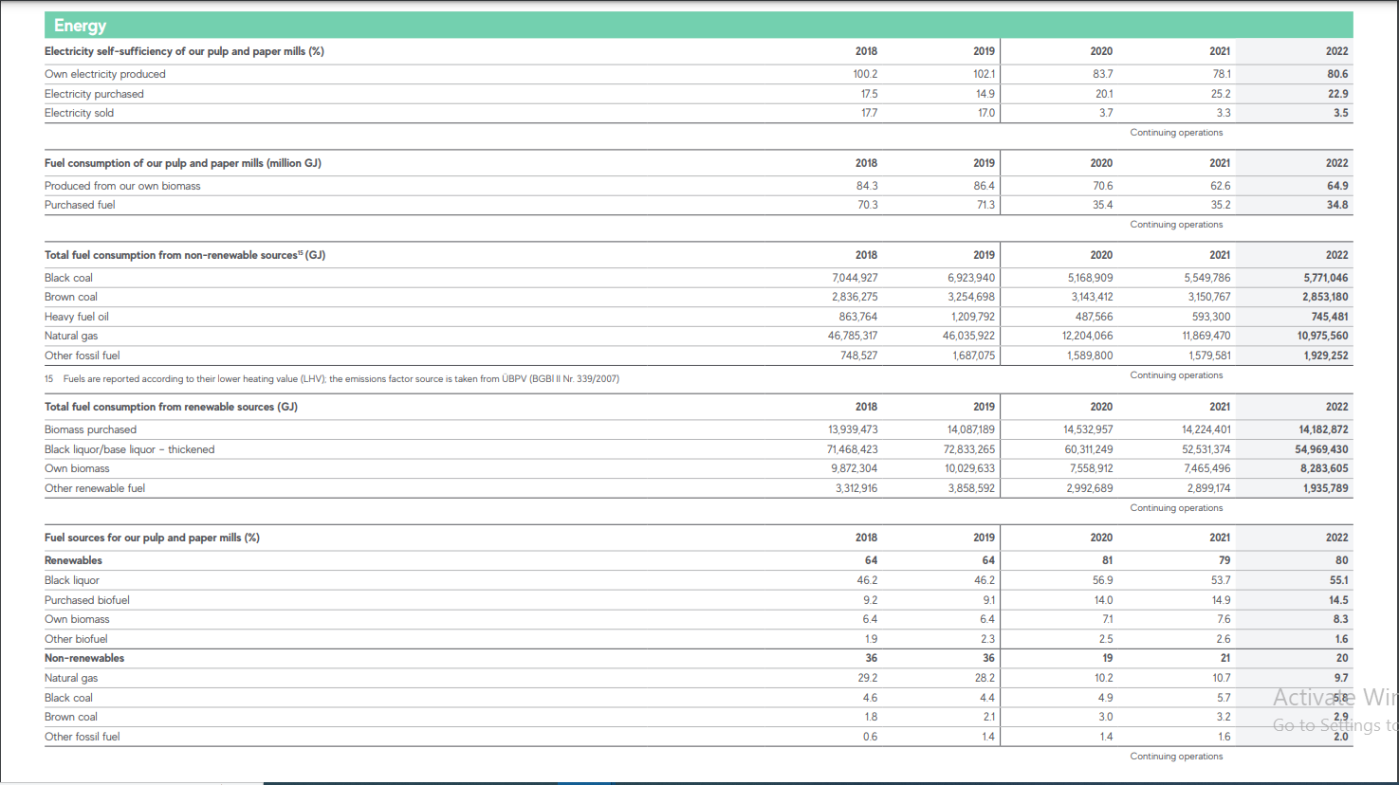
 | Steam Generation |  |  |  |  |  |  |  |  |  |  | https://www.mondigroup.com/media/16482/mondi-group-consolidated-sustainability-performance-2022.pdf
 |  |  |  |  | Availability | 0.8
 |  |  |  |  | Capacity (MW) | 174 |  |  |  |  |  | These are consolidated therefore the share of SA Mills to be verified.
 |  | Coal-fired boilers | Unit | 2006 | 2007 | 2010 | 2014 |  |  |  |  |  |  | 2018 | 2019 | 2020 | 2021 | 2022
 |  | Efficiency | - | 0.75 | 0.75 | 0.75 | 0.75 | Estimated
 |  | Parasitic load |  | 0.09 | 0.09 | 0.09 | 0.09 |  |  |  |  | Energy in paper mills | Units
 |  | Coal consumption | GJ/a | 5,719,426 | 6,434,513 | 6,434,513 | 6,434,513 | Assumes all coal is used in boilers | 6434512.5331 | coal |  | Electricity
 |  | Steam generated | GJ/a | 3,903,508 | 4,391,555 | 4,391,555 | 4,391,555 |  | 4391554.8038 | coal s |  | Own production | % | 100.2 | 102.1 | 83.7 | 78.1 | 80.6
 |  |  |  |  |  |  |  |  |  |  |  | Purchased | % | 17.5 | 14.9 | 20.1 | 25.2 | 2.9
 |  |  |  |  | Availability | 0.96 |  |  |  |  |  | Sold | % | 17.7 | 17 | 3.7 | 3.3 | 3.5
 |  |  |  |  | Capacity (MW) | 100
 |  | Bark-coal co-fired boiler | Unit | 2006 | 2007 | 2010 | 2014 |  |  |  |  | Own consumption
 |  | Efficiency | - | 0.77 | 0.77 | 0.77 | 0.77 |  |  |  |  | Produceed from own biomass | PJ | 84.3 | 86.4 | 70.6 | 62.6 | 64.9
 |  | Coal consumption | GJ/a | 2,157,406 | 2,157,406 | 2,157,406 | 2,157,406 |  | 2157406.3196 | coalbiocoal |  | Fuel purchsed | PJ | 70.3 | 71.3 | 35.4 | 35.2 | 34.8
 |  | Biomass consumption |  | 1,677,900 | 1,677,900 | 1,677,900 | 1,677,900 |  | 1677900 | coalbiobio
 |  | Steam generated | GJ/a | 2,952,707 | 2,952,707 | 2,952,707 | 2,952,707 |  | 2952707.104 | coalbio s |  | Total fuel consumption from non-RE sources
 |  |  |  |  |  |  |  |  |  |  |  | Black coal | PJ | 7.0 | 6.9 | 5.2 | 5.5 | 5.8
 |  |  |  |  | Availability | 0.7 |  | Estimated |  |  |  | Brown coal | PJ | 2.8 | 3.3 | 3.1 | 3.2 | 2.9
 |  |  |  |  | Capacity (MW) | 350 |  |  |  |  |  | Heavy fuel oil (HFO) | PJ | 0.9 | 1.2 | 0.5 | 0.6 | 0.7
 |  | Recovery boiler | Unit | 2006 | 2007 | 2010 | 2014 |  |  |  |  | Natural gas | PJ | 46.8 | 46.0 | 12.2 | 11.9 | 11.0
 |  | Efficiency assumed | - | 0.64 | 0.64 | 0.64 | 0.64 | Assumed |  |  |  | Other fossil fuel | PJ | 0.7 | 1.7 | 1.6 | 1.6 | 1.9
 |  | Parasitic load |  | 0.12 | 0.12 | 0.12 | 0.12
 |  | Black liquor consumed | GJ/a | 13,718,608 | 13,718,608 | 13,718,608 | 13,718,608 | Calculated from efficiency | 13718607.955 | bl |  | Total fuel from RE
 |  | Steam generated | GJ/a | 7,726,320 | 7,726,320 | 7,726,320 | 7,726,320 | Calculated from capacity | 7726320 | bl s |  | Biomass purchases | PJ | 13.9 | 14.1 | 14.5 | 14.2 | 14.2
 |  |  |  |  |  |  |  |  |  |  |  | Black liquor/base liqour - thickened | PJ | 71.5 | 72.8 | 60.3 | 52.5 | 55.0
 |  | Total black liquor produced | GJ/t pulp |  |  | 19.2 |  |  |  |  |  | Own biomass | PJ | 9.9 | 10.0 | 7.6 | 7.5 | 8.3
 |  |  |  |  |  |  |  |  |  |  |  | Other RE fuel | PJ | 3.3 | 3.9 | 3.0 | 2.9 | 1.9
 |  | Total steam generated onsite | GJ/a | 14,582,535 | 15,070,582 | 15,070,582 | 15,070,582
 |  |  |  |  |  |  |  |  |  |  |  | Fuel sources (%)
 |  |  |  |  |  |  |  |  |  |  |  | RE
 | Onsite electricity generation |  |  |  |  |  |  |  |  |  |  | Black liqour | % | 46.2 | 46.2 | 56.9 | 53.7 | 55.1
 |  |  |  |  |  | Availability | 0.8 |  |  |  |  | Purchased biofuel | % | 9.2 | 9.1 | 14 | 14.9 | 14.5
 |  |  |  |  |  | Capacity (MW) | 27 |  |  |  |  | Own biomass | % | 6.4 | 6.4 | 7.1 | 7.6 | 8.3
 |  | CCGT | Unit | 2006 | 2007 | 2010 | 2014 |  |  |  |  | Other biofuel | % | 1.9 | 2.3 | 2.5 | 2.6 | 1.6
 |  | Efficiency | GJ/a | 0.54 | 0.54 | 0.54 | 0.54 |  |  |  |  | TOTAL RE |  | 64 | 64 | 81 | 79 | 79
 |  | Natural gas consumed | GJ/a | 1261440 | 1261440 | 1261440 | 1,261,440.00 |  | 1261440 | gas
 |  | Electricity generated | GJ/a | 681,178 | 681,178 | 681,178 | 681,178 |  | 681177.6 | gas elec
 |  |  |  |  |  |  |  |  |  |  |  | Non-RE
 |  |  |  |  |  | Availability | 0.8 |  |  |  |  | Natural gas | % | 29.2 | 28.2 | 10.2 | 10.7 | 9.7
 |  |  |  |  |  | Capacity (MW) | 38 |  |  |  |  | Black coal | % | 4.6 | 4.4 | 4.9 | 5.7 | 5.8
 |  | Extraction back-pressure steam turbine (CHP) | Unit | 2006 | 2007 | 2010 | 2014 |  |  |  |  | Brown coal | % | 1.8 | 2.1 | 3 | 3.2 | 2.9
 |  | Efficiency | GJ/a | 0.9 | 0.9 | 0.9 | 0.9 |  |  |  |  | Other fossil fuel | % | 0.6 | 1.4 | 1.4 | 1.6 | 2
 |  | Steam consumed | GJ/a | 1065216 | 1065216 | 1065216 | 1065216 |  | 1065216 | elec steam |  | TOTAL NON-RE |  | 36 | 36 | 20 | 21 | 20
 |  | Electricity generated | GJ/a | 958,694 | 958,694 | 958,694 | 958,694 |  | 958694.4 | elec gen
 |  |  |  |  |  |  |  |  |  |  |  | Production-related specific energy (GJ/ton of saleable production)
 |  |  |  |  |  | Availability | 0.8 |  |  |  |  | Electricity consumption | GJ/t | 3.97 | 3.97 | 3.68 | 3.32 | 3.38
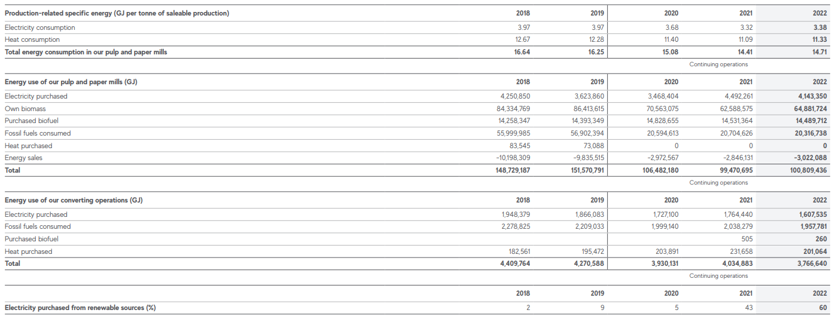
 |  |  |  |  |  | Capacity (MW) | 34 |  |  |  |  | Heat consumption | GJ/t | 12.67 | 12.28 | 11.4 | 11.09 | 11.33
 |  | Extraction condensing steam turbine (CHP) | Unit | 2006 | 2007 | 2010 | 2014 |  |  |  |  | Total energy consumption in P&P mills |  | 16.64 | 16.25 | 15.08 | 14.41 | 14.71
 |  | Efficiency | GJ/a | 0.9 | 0.9 | 0.9 | 0.9
 |  | Steam consumed | GJ/a | 961498 | 961498 | 961498 | 961498 |  | 961497.6 | elec steam |  | Energy use in P&P mills (GJ)
 |  | Electricity generated | GJ/a | 865,348 | 865,348 | 865,348 | 865,348 |  | 865347.84 | elec gen |  | Electricity purchased | PJ | 4.3 | 3.6 | 3.5 | 4.5 | 4.1
 |  |  |  |  |  |  |  |  |  |  |  | Own biomass | PJ | 84.3 | 86.4 | 70.6 | 62.6 | 64.9
 |  |  |  |  |  | Availability | 0.8 |  |  |  |  | Purchased biofuels | PJ | 14.3 | 14.4 | 14.8 | 14.5 | 14.5
 |  |  |  |  |  | Capacity (MW) | 47 |  |  |  |  | Fossil fuels consumed | PJ | 56.0 | 56.9 | 20.6 | 20.7 | 20.3
 |  | Multi-extraction condensing steam turbine | Unit |  |  | 2010 | 2014 |  |  |  |  | Heat purchased | PJ | 0.1 | 0.1 | 0.0 | 0.0 | 0.0
 |  | Efficiency | GJ/a |  |  |  | 0.3 |  |  |  |  | Energy sales | PJ | -10.2 | -9.8 | -3.0 | -2.8 | -3.0
 |  | Steam consumed | GJ/a |  |  |  | 3952512 |  | 3952512 | elec steam |  | TOTAL ENRGY USED IN P&P MILLS | PJ | 148.7 | 151.6 | 106.5 | 99.5 | 100.8
 |  | Electricity generated | GJ/a |  |  |  | 1,185,754 |  | 1185753.6 | elec gen
 |  |  |  |  |  |  |  |  |  |  |  | Energy use of our converting operations (GJ)
 |  |  |  |  |  |  |  |  |  |  |  | Electcity purchased | PJ | 1.9 | 1.9 | 1.7 | 1.8 | 1.6
Mondi - Merebank |  |  |  |  |  |  |  |  |  |  |  | Fossil fuels consumed | PJ | 2.3 | 2.2 | 2.0 | 2.0 | 2.0
 |  |  |  |  |  |  |  |  |  |  |  | Purchased biofuel | PJ |  |  |  | 0.0 | 260.0
 | Onsite steam generation |  |  |  |  |  |  |  |  |  |  | Heat purchased | PJ | 0.2 | 0.2 | 0.2 | 0.2 | 0.2
 |  |  |  |  |  | Availability | 0.96 |  |  |  |  | TOTAL Energy used from conversion operations | PJ | 4.4 | 4.3 | 3.9 | 4.0 | 263.8
 |  |  |  |  |  | Capacity (MW) | 158
 |  | Coal-fired boilers | Unit |  | 2006 | 2007 | 2010 | 2014 |  |  |  | Electricity purchased from RE sources (%) |  | 2 | 9 | 5 | 43 | 60
 |  | Efficiency | - |  | 0.75 | 0.75 | 0.75 | 0.75
 |  | Parasitic load |  |  | 0.09 | 0.09 | 0.09 | 0.09
 |  | Coal consumption | GJ/a |  | 7,028,595 | 7,028,595 | 7,028,595 | 7,028,595 | 7028594.5867 | coal |  | GHG emmissions from P&P mills
 |  | Steam generated | GJ/a |  | 4,797,016 | 4,797,016 | 4,797,016 | 4,797,016 | 4797015.8054 | coal s |  | Scope 1 (tonnes)
 |  |  |  |  |  |  |  |  |  |  |  | C | t
 |  |  |  |  |  |  |  |  |  |  |  | CH4 | t
 |  |  |  |  |  | Availability | 0.96 |  |  |  |  | N2O | t
 |  |  |  |  |  | Capacity (MW) | 84 |  |  |  |  | Other (Ozone depleting substances?) | t
 |  | Multifuel boiler | Unit | Shares | 2006 | 2007 | 2010 | 2014
 |  | Efficiency | - |  |  |  | 0.65 | 0.65 |  |  |  | Scope 2 (tonnes)
 |  | Coal consumption | GJ/a | 0.54 |  |  | 2,109,819 | 2,109,819 | 2,109,819 | coalbiocoal |  | Market based | t
 |  | Biomass (bark, sawdust) |  | 0.13 |  |  | 507,919 | 507,919 | 507,919 | coalbiobio |  | Location based | t
 |  | Waste (sludge, ash) |  | 0.3 |  |  | 1,172,122 | 1,172,122 | 1,172,122 | coalbiobio |  | Biogenic GHG emissions | t
 |  | Sasol gas |  | 0.03 |  |  | 117,212 | 117,212 | 117,212 | gas
 |  | Steam generated | GJ/a |  |  |  | 2,539,597 | 2,539,597 | 2,539,597 | coalbio s |  | GHG emissions not from P&P mills
 |  |  |  |  |  |  |  |  |  |  |  | Scope 3 (tonnes)
 | Steam for process use/electricity generation |  |  |  |  |  |  |  |  |  |  | Purchased goods & services | t
 |  |  |  |  |  |  | 2010 | 2014 |  |  |  | Fuel and energy-related activities | t
 |  | Total steam generated |  |  |  |  | 7,336,612 | 7,336,612 |  |  |  | Upstream transportation & distribution | t
 |  | Steam to elec gen |  |  |  |  | 4,778,884 | 4,778,884 |  |  |  | Downstream transportation & distribution | t
 |  | Steam for process use |  |  |  |  | 2,557,729 | 2,557,729 |  |  |  | Employee commuting | t
 |  |  |  |  |  |  |  |  |  |  |  | Business travel | t
 | Onsite electricity generation |  |  |  |  |  |  |  |  |  |  | Other | t
 |  |  |  |  |  |  | Availability | 0.8 |  |  |  | Total
 |  |  |  |  |  |  | Capacity (MW) | 9
 |  | Extraction back-pressure steam turbines (CHP) - Existing | Unit |  | 2006 | 2007 | 2010 | 2014
 |  | Efficiency | GJ/a |  | 0.9 | 0.9 | 0.9 | 0.9
 |  | Steam consumed | GJ/a |  | 252288 | 252288 | 252288 | 252288 | 252288 | elec steam
 |  | Electricity generated | GJ/a |  | 227,059 | 227,059 | 227,059 | 227,059 | 227059.2 | elec gen

 |  |  |  |  |  |  |  | 0.96
 |  |  |  |  |  |  |  | 22
 |  | Extraction back-pressure steam turbines (CHP) - New | Unit |  | 2006 | 2007 | 2010 | 2014
 |  | Efficiency | GJ/a |  | 0.15 | 0.15 | 0.15 | 0.15
 |  | Steam consumed | GJ/a |  | 4,526,596 | 4,526,596 | 4,526,596 | 4,526,596 | 4526595.7968 | elec steam
 |  | Electricity generated | GJ/a |  | 656,958 | 656,958 | 656,958 | 656,958 | 656957.952 | elec gen

Nampak

 |  |  | Rosslyn paper mill | New Rosslyn mill | Kliprivier | Riverview (Verulam) | Belville | total
 | Coal-fired boilers | Efficiency |  |  | 0.76 | 0.76 | 0.76 |  |  |  |  | https://www.nampak.com/content/documents/about/carbon-disclosure-project-2016.pdf
 |  | Coal consumption |  |  | 293,664 | 127,680 | 319,200 | 740,544 | 319199.92391 | coal
 |  | Steam generated |  |  | 223,185 | 97,037 | 242,592 | 562,813 | 242591.94217 | coal s

 | Gas-fired boiler | Efficiency | 0.8 | 0.8
 |  | Gas consumption | 461,850 | 1,293,179 |  |  |  | 1,755,029 | 1,755,029 | gas
 |  | Steam generated | 369,480 | 1,034,543 |  |  |  | 1,404,023 | 1,404,023 | gas s

Mpact & Kimberly clark

 |  |  |  |  |  |  |  |  |  |  |  | https://www.mpact.co.za/assets/investors-and-media/reports/IR21/downloads/mpact-sr-2021.pdf
 | Site |  | Springs | Piet Retief | Felixton | Enstra |  |  |  |  |  | https://www.mpact.co.za/assets/investors-and-media/reports/IR22/downloads/mpact-sdr-2022.pdf
 | Company |  | Mpact | Mpact | Mpact | Kimberley Clarke

 | Coal-fired boilers |  |  |  |  |  |  |  |  |  |  | Mpacts | Enbergy consumption | Scope 1 & 2 GHG Emmissions | Installed solar PV
 |  | Efficiency | 0.76 | 0.76 | 0.76 |  |  |  |  |  |  |  | GJ/ton | tCO2e/ton | MWp
 |  | Coal consumption | 1,315,789 | 4,763,158 | 2,065,789 |  |  | 8,144,737 | 8,144,737 | coal |  | 2020 | 6.38 | 0.906 | 4.6
 |  | Steam generated | 1,000,000 | 3,620,000 | 1,570,000 |  |  | 6,190,000 | 6,190,000 | coal s |  | 2021 | 6.1 | 0.867

 | Gas-fired boiler
 |  | Efficiency |  |  |  | 0.8 |  |  |  |  |  | In the medium term, there is potential to transition our coal and heavy fuel oil (HFO) boiler fleet to liquid natural gas (LNG) with the longer-term possibility of converting to Green hydrogen as a currently foreseeable option to achieving Net-Zero.
 |  | Gas consumption |  |  |  | 455,000 |  | 455,000 | 455,000 | gas |  | At present, however, LNG is not available in the quantities required or in the locations required, and Green hydrogen technology is still in development.
 |  | Steam generated |  |  |  | 364,000 |  | 364,000 | 364,000 | gas s |  | 3 solar PV projects completed in 2021 bringing total installed capacity to 4.6 MWp with another 4.6 MWp under construction. A further 4 MWp is in project development.
 |  |  |  |  |  |  |  |  |  |  |  | Mpact’s manufacturing operations consumed 5,224 TJ of energy in 2021 (2020: 4,765 TJ)
 |  |  |  |  |  |  |  |  |  |  |  | Group total energy consumption, including energy for non-manufacturing sites, increased 10% to 5,275 TJ (2020: 4,813 TJ)
 |  |  |  |  |  |  |  |  |  |  |  | Energy use per tonne of production increasing by 1% to 6.38 GJ per tonne (2020: 6.29 GJ/t
 |  |  |  |  |  |  |  |  |  |  |  | In addition to the already installed solar PV systems, an additional 5.3MWp of solar PV was rolled out at a further five plants in 2022, bringing the total to 9.4MWp at 10 operating sites, with approved plans for a further 6.7MWp at two sites in 2023. An additional 10.6MWp is in the pipeline for another two sites, pending approval. In 2021 we published our target to achieve 25MWp by 2027.
 |  |  |  |  |  |  |  |  |  |  |  | Energy use per tonne of production decreased by 4.5% to 6.097GJ per tonne (2021: 6.384GJ/t).

