Aviation Synfuel
Bryce, 28Sept 2023
I have modified this model input sheet for new VEDA model based on the older ANSWER input file compiled by Fadiel Ahjum.
Appears to be based on Marchese (2021), case 4: excluding DAC.
Updated to 2022 rands

CO2 from direct air capture as carbon feedstock for Fischer-Tropsch chemicals and fuels: Energy and economic analysis
Marchese (2021) | CASE 4: exc. DAC

Commodity Definitions

 | ~FI_Comm
 | CommName | CommDesc | CommUnit | Csets | CTSLvl
 | * Sectoral commodities
 | CO2CAPT | CO2 Captured | PJ | NRG | ANNUAL
 | OKG | Green Jet Kerosene | PJ | NRG | ANNUAL

Process Definitions

 | ~FI_Process
 | Sets | TechName | TechDesc | Tact | Tcap | Tslvl | PrimaryCG | Vintage
 | \I: Process Set Membership | Technology Name | Technology Description | Activity Unit | Capacity Unit | Timeslice Operational Level | Operational Commodity Group | Vintage Tracking
 | PRE | UFTHGNCO2-N | Synthetic Aviation Fuel from aircapture | PJ | PJa
 | PRE | XGOKE | Green Kerosene to kerosene market | PJ | PJa
 | EXP | PEXGOKE | Exports of green jet fuel | PJ | PJa

Parameters
 | ~FI_T
 | TechName | TechDesc | Comm-IN | Comm-OUT | START | AFA~LO | AFA~UP | Life | CAP2ACT | PRC_ACTFLO | NCAP_ILED
 | \I:Technology Name | Technology Description | Input Commodity | Output Commodity | Starting Year | Annual Availability Factor |  | Lifetime of Process | Capacity to Activity Factor
 | UFTHGNCO2-N | Synthetic Aviation Fuel from aircapture | CO2CAPT |  |  |  |  |  |  | 107.38
 |  |  | UPSELC |  |  |  |  |  |  | 0.215
 |  |  | HGN |  |  |  |  |  |  | 2.549
 |  |  |  | OAG
 |  |  |  | OKG | 2030 | 0.50 | 0.91 | 25 | 1 |  | -6
Fuel output mix

 | ~FI_T
 | TechName | attribute | Comm-OUT | 0 | 2020 | 2030 | 2035 | 2040 | 2050
 | UFTHGNCO2-N | SHARE~LO | OAG | 3 | 0.5118 | 0.5118 | 0.0000 | 0.0000 | 0.0000 |  |  |  | This probably should be revised. Not sure if this can be that flexible.
 | UFTHGNCO2-N | SHARE~LO | OKG | 3 | 0.4882 | 0.4882 | 0.0000 | 0.0000 | 0.0000

COSTS

 | ~FI_T
 | TechName | attribute | 2020 | 2030 | 2035 | 2040 | 2050 | 2060 | 2070
 | UFTHGNCO2-N | INVCOST | 655 | 562 | 508 | 454.38 | 390.64 | 335.85 | 288.74
 | UFTHGNCO2-N | FIXOM | 26.21 | 22.47 | 20.32 | 18.18 | 15.63 | 15.63 | 15.63 |  | 4%

Green fuel to local market

 | ~FI_T
 | TechName | Comm-IN | Comm-OUT | EFF | INVCOST
 | XGOKE | OKG | OKE | 1 | 1

Exports of green jet fuel
 |  |  | 2021 | 2030 | 2040 | 2050 | 2060 | 2070
 | Jet fuel import price R/GJ |  | 250.76740309 | 231.22467021 |  | 291.00244139 |  | 291.00 |  |  |  |  | Copied pasted the import jet fuel IMPOKE from SUP on 28Sept2023.
 | Premium on "green" jet fuel |  | 50% | 50% | 50% | 50% | 50% | 50%

 | ~FI_T
 | TechName | Comm-IN | EFF | INVCOST
 | PEXGOKE | OKG | 1 | 1

 | ~FI_T
 | TechName | attribute | 2021 | 2030 | 2040 | 2050 | 2060 | 2070
 | PEXGOKE | ACTCOST | -376.15110464 | -346.83700531 |  | -436.50366209 |  | -436.50366209

Literature and calculations for this technology

flofunc | input based: | 3.1606644855 |  |  |  | output based: | 0.31638916581
 |  |  | hr | annum |  |  |  | hr | annum
 | total | GJ | 2764.002989 |  |  | total | GJ | 874.5006
 | elc | GJ | 214.992 |  |  | oag | GJ | 447.5982 | 3920960.232
 | h2 | GJ | 2549 |  |  | oke | GJ | 426.9024 | 3739665.024
flo_shar
 | elc | % | 0.077782839185 |  | 0 | oag | % | 0.51183292499
 | h2 | % | 0.92221716082 |  | 0 | oke | % | 0.48816707501

flo emmis
 | co2 | t | 93.9
 |  | kt/PJ | 107.37556955

other product
 |  |  |  |  |  | oth | t | 6.94 | 60794.4
 |  |  |  |  |  |  | kt |  | 60.7944

Marchese (2021) | operation hours/year | 8000

Feedstock (t/hour) |  | CASE 4 (No NGAS) | CASE 5 (no CC and No Ngas)
H2O electrolysis | t/hr | 193.3 | 256.5
Condensed H2O | t/hr | 74.5 | 994.3
O2 electrolysis | t/hr | 103.4 | 137.2
CO2-> RWGS | t/hr | 93.9 | 142.4
Absorber Solvent | t/hr | 0 | 0
FT Products | t/hr | 114.5 | 163.14
Gas to Burner |  | 5.8 | 8.3
Gas Fraction Recirculated |  | 82.1 | 128.6
Liquid/Wax fraction
(C5-C11) |  | 9.94 | 9.75
(C11-C20) |  | 9.72 | 9.66
(C20+) |  | 6.94 | 6.83
Electricity | MW | 59.72 | 67.08
Auxiliaries |  | 0.63 | 0.83
FT compression |  | 59.09 | 66.25

(C5-C11) | Suitable for Aviation gasoline
(C11-C20) | Suitable for Jet fuel | jetfuel C chain length C12-18
(C20+) | Other

H2O-> H2 | kg/kg | 9.1
H2 | t.hr | 21.2418 | 28.1868
H2 | GJ.hr | 2549
H2 | t.t | 1.080

Jetfuel per annum @ 8000 hrs
77760 | t
3.42 | PJ

Net Efficiency Calc.
 |  | input:
Electricity | MWh | 59.72
Electricity | GJ.hr | 214.992
Electricity | GJ/t | 10.94
Hydrogen | GJ/t | 130
CO2 | kt/t | 0.00478

Aviation Fuel Product |  | output:
Total | t | 19.66
(C5-C11) | t | 9.94
(C11-C20) | t | 9.72
Other Product
Total | t | 6.94
(C20+) | t | 6.94

share:
Aviation Fuel Product
(C5-C11) |  | 0.51
(C11-C20) |  | 0.49
Other Product
(C20+) |  | 100%

ZAR 2020->2015 | 0.8333 | https://inflationcalc.co.za/
EUR2019->ZAR2019 | 15.7000 | https://www1.oanda.com/currency/converter/
USD->EUR | 1.1450 | Marchese (2021)
USD2017->USD2019 IEA(2019) | 1.0400 | https://www.inflationtool.com/us-dollar?amount=1&year1=2017&year2=2019
EUR2019->USD2019 | 1.1200 | https://www1.oanda.com/currency/converter/
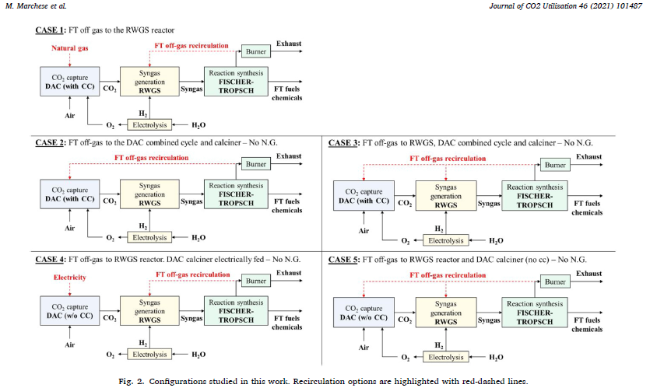
ZAR 2019->2022 | 1.1525 | Using deflator to adjust to 2022 Rands
USD2019->ZAR2019 | 15.5000 | https://www1.oanda.com/currency/converter/

CAPACT | 8000 | Marchese (2021) | installed cost = purchase price x installation factor
31536000 | J | Marchese (2021) | 1,060 | EUR/kW | 2
28800000 | J | Marchese (2021) | 37 | mEUR/PJ
 |  | Marchese (2021) | 578 | ZAR2020
 |  | Marchese (2021) | 482 | ZAR2015

 |  | learning rate: | 1.5% | per annum
 | Marchese (2021) |  | 482 | 413.99 | 355.92
 |  |  | 2020 | 2030 | 2040
 | Marchese (2021) | INVcost 2019 EUR/kW | 1,060 | 911 | 783
 | Marchese (2021) | INVcost 2019 USD/kW | 1,187 | 1,021 | 878
 | IEA (2019) -annex | INVcost 2019 USD/kW | 926 | 790 | 588
 | IEA (2019) -annex | INVcost 2017 USD/kW | 890 | 760 | 565
 | average | INVcost 2019 USD/kW | 1,056 | 906 | 733
 | mR/PJ | ZAR2015 | 655.25 | 561.68 | 454.38

 |  | 39.93585 | M.EUR
 |  | 1.97 | 1.97 | MEUR
 |  | 0.49 | 0.49 | MEUR
 |  | 0.83585 | 0.73 | M$
 |  | 36.64 | 32 | M$ |  |  |  |  |  |  |  |  |  |  |  |  |  | H2 Calorific Value | MJ/kg | 120
Marchese (2021)
Decker et al. [63] provided a linear cost function for the FT system, with a specific capital cost of 530 €/kW and an installation factor equal to 2.
The sum of the capital costs after contingencies and installation
factors of the different sections represented the plant CAPEX, assuming a
confidence range of the investment costs as ± 30 % [64].
8,000 operating hours per year;
• plant lifetime of 25 years;
• 2019 as the year for cost estimations (Chemical Engineering Plant
Cost Index, CEPCI: 619 [55]);
• Costs in euros, at an exchange rate $/€ of 1.145 when applied;
• no remuneration of invested capital;
• nor depreciation nor taxes, to be as more site-independent as possible.
 |  |  |  |  |  |  |  |  |  |  |  |  |  |  |  |  |  | H2 HHV: low temp processess | MJ/kg | 140
 |  |  |  |  |  |  |  |  |  |  |  |  |  |  |  |  |  | H2 LHV: high temp processes | MJ/kg | 120

 |  |  |  |  |  |  |  |  |  |  |  | IEA Stats Manual Table A3.8 Typical Calorific Values for Selected Petroleum Products

Hydrogen, Fuel Cells and Fuel Cell Vehicles
Ronald M. Dell, ... David A.J. Rand, in Towards Sustainable Road Transport, 2014
Fuel cell efficiency is a topic that has given rise to much confusion in the literature. One measure of efficiency is simply the practical cell-output voltage divided by the thermodynamically reversible voltage at the stated temperature and pressure of operation. This indicates how much free energy is lost by inefficiencies in operating the fuel cell stack, without regard to how much of the enthalpy of the reaction is liberated as heat (the TΔS term). For purposes of calculating overall energy efficiencies, it is necessary to compare the electrical output of the cell stack (in joules) with the enthalpy of the cell reaction, which for hydrogen fuel equates to the heat of formation of water. There are two values of this function: (i) a higher heating value (HHV), which corresponds to the product water being present as liquid; (ii) a lower heating value (LHV), which applies when the product water is present as uncondensed vapour or steam. The difference between the two values represents the latent heat of evaporation of water. For hydrogen, the HHV is approximately 18% greater than the LHV. In a low-temperature fuel cell, where the product is liquid water, the HHV should be employed in efficiency calculations, while for high-temperature fuel cells it may be permissible to use the LHV if the product steam is put to good use. Alternatively, the work done by the steam, for instance in driving a turbine, might be added to the electrical output and the combined figure compared with the HHV to calculate the overall efficiency. The resulting value will be 18% lower than that obtained when using the LHV for hydrogen.
 |  |  |  |  |  |  |  |  |  |  |  | Product | Density kg/m3 | Litres per tonne | Gross calorific value (GJ/t) | Net calorific value (GJ/t)(1) | Net calorific value (MJ/litre)(1)
 |  |  |  |  |  |  |  |  |  |  |  | Ethane | 366.3 | 2730 | 51.90 | 47.51 | 17.40
 |  |  |  |  |  |  |  |  |  |  |  | Propane | 507.6 | 1970 | 50.32 | 46.33 | 23.52
 |  |  |  |  |  |  |  |  |  |  |  | Butane | 572.7 | 1746 | 49.51 | 45.72 | 26.19
 |  |  |  |  |  |  |  |  |  |  |  | LPG(2) | 522.2 | 1915 | 50.08 | 46.15 | 24.10
 |  |  |  |  |  |  |  |  |  |  |  | Naphtha | 690.6 | 1448 | 47.73 | 45.34 | 31.31
 |  |  |  |  |  |  |  |  |  |  |  | Aviation gasoline | 716.8 | 1395 | 47.40 | 45.03 | 32.28
 |  |  |  |  |  |  |  |  |  |  |  | Aviation turbine fuel | 802.6 | 1246 | 46.23 | 43.92 | 35.25
 |  |  |  |  |  |  |  |  |  |  |  | Motor gasoline(3) | 740.7 | 1350 | 47.10 | 44.75 | 33.15
 |  |  |  |  |  |  |  |  |  |  |  | Other kerosene | 802.6 | 1246 | 46.23 | 43.92 | 35.25
 |  |  |  |  |  |  |  |  |  |  |  | Gas/diesel oil | 843.9 | 1185 | 45.66 | 43.38 | 36.61
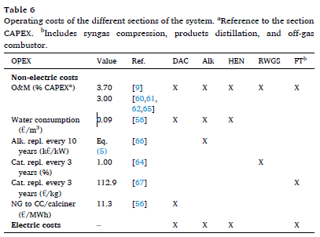
 |  |  |  |  |  |  |  |  |  |  |  | Fuel oil, low-sulphur | 925.1 | 1081 | 44.40 | 42.18 | 39.02
 |  |  |  |  |  |  |  |  |  |  |  | Fuel oil, high-sulphur | 963.4 | 1038 | 43.76 | 41.57 | 40.05
 |  |  |  |  |  |  |  |  |  |  |  | Ethanol |  | 1267 |  |  | 23.40
 |  |  |  |  |  |  |  |  |  |  |  | E85 |  |  |  |  | 23.00
 |  |  |  |  |  |  |  |  |  |  |  |  | (1) For naphtha and heavier oils, the net calorific value is assumed to be 95% of gross.
 |  |  |  |  |  |  |  |  |  |  |  |  | (2) Assumes a mixture of 70% propane and 30% butane by mass.
 |  |  |  |  |  |  |  |  |  |  |  |  | (3) An average for motor gasolines with RON between 91 and 95.

References:
1989_Bookmatter_ChemicalEngineeringEconomics
Marchese et al 2021 CO2 from direct air capture as carbon feedstock for Fischer-Tropsch chemicals and fuels: Energy and economic analysis
Campanario et al (2017) Techno-economic assessment of bio-oil aqueous phase-to-liquids via Fischer-Tropsch synthesis and based on supercritical water reforming
Ronald M. Dell, ... David A.J. Rand, 2014, Hydrogen, Fuel Cells and Fuel Cell Vehicles in Towards Sustainable Road Transport

