Aviation Synfuel Data
CO2 from direct air capture as carbon feedstock for Fischer-Tropsch chemicals and fuels: Energy and economic analysis
Marchese (2021) | CASE 4: exc. DAC
process |  | parameter |  |  |  | 2020 | 2030 | 2035 | 2040 | 2050 | 2060 | 2070 |  | 2030 | 2035 | 2040 | 2050
UFTHGNCO2-N | start year | NCAP_START |  |  |  | 2030
UFTHGNCO2-N | CO2 feed | PRC_ACTFLO | CO2CAPT |  |  | 107.38 | 107.38 | 107.38 | 107.38 | 107.38 | 107.38 | 107.38
UFTHGNCO2-N-I | electricity feed | TOP-IN | UPSELC
UFTHGNCO2-N-I | hydrogen feed | TOP-IN | HGN
UFTHGNCO2-N-O | aviation gasoline | TOP-OUT | OAG
UFTHGNCO2-N-O | kerosene: jetfuel | TOP-OUT | OKG
UFTHGNCO2-N | conversion efficiency | FLO_FUNC | - |  |  | 0.3164 | 0.3164 | 0.3164 | 0.3164 | 0.3164 | 0.3164 | 0.3164
UFTHGNCO2-N | electricity feed | FLO_SHAR | UPSELC | TOP-IN |  | 0.0778 | 0.0778 | 0.0778 | 0.0778 | 0.0778 | 0.0778 | 0.0778
UFTHGNCO2-N | hydrogen feed | FLO_SHAR | HGN | TOP-IN |  | 0.9222 | 0.9222 | 0.9222 | 0.9222 | 0.9222 | 0.9222 | 0.9222
UFTHGNCO2-N | aviation gasoline | FLO_SHAR | OAG | TOP-OUT |  | 0.5118 | 0.050 | 0.0500 | 0.0500 | 0.0500 | 0.0500 | 0.0500
UFTHGNCO2-N | kerosene: jetfuel | FLO_SHAR | OKG | TOP-OUT |  | 0.4882 | 0.000 | 0.0000 | 0.0000 | 0.0000 | 0.0000 | 0.0000
UFTHGNCO2-N | INVcost (2015 mR/PJa) | NCAP_COST | - |  |  | 478 | 410 | 370 | 331.31 | 284.83 | 284.83 | 284.83 |  | 85.719% | 0.77531587342 | 0.69344129765 | 0.59617259351
UFTHGNCO2-N | fixed costs | NCAP_FOM | - | 4% |  | 19.11 | 16.38 | 14.82 | 13.25 | 11.39 | 11.39 | 11.39
UFTHGNCO2-N | running costs | ACT_COST | -
UFTHGNCO2-N | annual availibility max | NCAP_AFA | UP |  |  | 0.91 | 0.91 | 0.91 | 0.91 | 0.91 | 0.91 | 0.91
UFTHGNCO2-N | annual availibility min | NCAP_AFA | LO |  |  | 0.50 | 0.50 | 0.50 | 0.50 | 0.50 | 0.50 | 0.50
UFTHGNCO2-N | technical life of plant | NCAP_TLIFE | - |  |  | 25 | 25.00 | 25.00 | 25.00 | 25.00 | 25.00 | 25.00
UFTHGNCO2-N | Construction time | NCAP_ILED | - |  |  | -6 | -6.00 | -6.00 | -6.00 | -6.00 | -6.00 | -6.00

 | Premium on "green" jet fuel relative to normal |  |  |  |  | 50%

flofunc | input based: | 3.1606644855 |  |  |  | output based: | 0.31638916581
 |  |  | hr | annum |  |  |  | hr | annum
 | total | GJ | 2764.002989 |  |  | total | GJ | 874.5006
 | elc | GJ | 214.992 |  |  | oag | GJ | 447.5982 | 3920960.232
 | h2 | GJ | 2549 |  |  | oke | GJ | 426.9024 | 3739665.024
flo_shar
 | elc | % | 0.077782839185 |  | 0 | oag | % | 0.51183292499
 | h2 | % | 0.92221716082 |  | 0 | oke | % | 0.48816707501

flo emmis
 | co2 | t | 93.9
 |  | kt/PJ | 107.37556955

other product
 |  |  |  |  |  | oth | t | 6.94 | 60794.4
 |  |  |  |  |  |  | kt |  | 60.7944

Marchese (2021) | operation hours/year | 8000

Feedstock (t/hour) |  | CASE 4 (No NGAS) | CASE 5 (no CC and No Ngas)
H2O electrolysis | t/hr | 193.3 | 256.5
Condensed H2O | t/hr | 74.5 | 994.3
O2 electrolysis | t/hr | 103.4 | 137.2
CO2-> RWGS | t/hr | 93.9 | 142.4
Absorber Solvent | t/hr | 0 | 0
FT Products | t/hr | 114.5 | 163.14
Gas to Burner |  | 5.8 | 8.3
Gas Fraction Recirculated |  | 82.1 | 128.6
Liquid/Wax fraction
(C5-C11) |  | 9.94 | 9.75
(C11-C20) |  | 9.72 | 9.66
(C20+) |  | 6.94 | 6.83
Electricity | MW | 59.72 | 67.08
Auxiliaries |  | 0.63 | 0.83
FT compression |  | 59.09 | 66.25

(C5-C11) | Suitable for Aviation gasoline
(C11-C20) | Suitable for Jet fuel | jetfuel C chain length C12-18
(C20+) | Other

H2O-> H2 | kg/kg | 9.1
H2 | t.hr | 21.2418 | 28.1868
H2 | GJ.hr | 2549
H2 | t.t | 1.080

Jetfuel per annum @ 8000 hrs
77760 | t
3.42 | PJ

Net Efficiency Calc.
 |  | input:
Electricity | MWh | 59.72
Electricity | GJ.hr | 214.992
Electricity | GJ/t | 10.94
Hydrogen | GJ/t | 130
CO2 | kt/t | 0.00478

Aviation Fuel Product |  | output:
Total | t | 19.66
(C5-C11) | t | 9.94
(C11-C20) | t | 9.72
Other Product
Total | t | 6.94
(C20+) | t | 6.94

share:
Aviation Fuel Product
(C5-C11) |  | 0.51
(C11-C20) |  | 0.49
Other Product
(C20+) |  | 100%

ZAR 2020->2015 | 0.8333 | https://inflationcalc.co.za/
EUR2019->ZAR2019 | 15.7000 | https://www1.oanda.com/currency/converter/
USD->EUR | 1.1450 | Marchese (2021)
USD2017->USD2019 IEA(2019) | 1.0400 | https://www.inflationtool.com/us-dollar?amount=1&year1=2017&year2=2019
EUR2019->USD2019 | 1.1200 | https://www1.oanda.com/currency/converter/
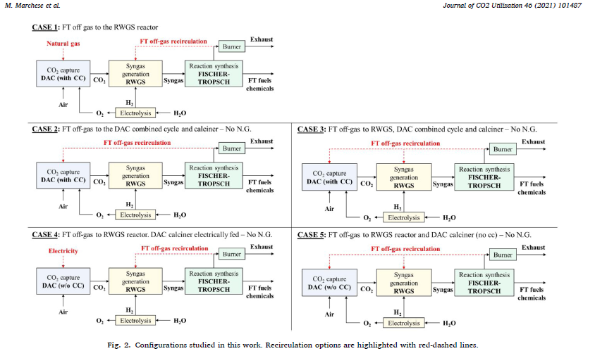
ZAR 2019->2015 | 0.8403
USD2019->ZAR2019 | 15.5000 | https://www1.oanda.com/currency/converter/

CAPACT | 8000 | Marchese (2021) | installed cost = purchase price x installation factor
31536000 | J | Marchese (2021) | 1,060 | EUR/kW | 2
28800000 | J | Marchese (2021) | 37 | mEUR/PJ
 |  | Marchese (2021) | 578 | ZAR2020
 |  | Marchese (2021) | 482 | ZAR2015

 |  | learning rate: | 1.5% | per annum
 | Marchese (2021) |  | 482 | 413.99 | 355.92
 |  |  | 2020 | 2030 | 2040
 | Marchese (2021) | INVcost 2019 EUR/kW | 1,060 | 911 | 783
 | Marchese (2021) | INVcost 2019 USD/kW | 1,187 | 1,021 | 878
 | IEA (2019) -annex | INVcost 2019 USD/kW | 926 | 790 | 588
 | IEA (2019) -annex | INVcost 2017 USD/kW | 890 | 760 | 565
 | average | INVcost 2019 USD/kW | 1,056 | 906 | 733
 | mR/PJ | ZAR2015 | 477.77 | 409.54 | 331.31

 |  | 39.93585 | M.EUR
 |  | 1.97 | 1.97 | MEUR
 |  | 0.49 | 0.49 | MEUR
 |  | 0.83585 | 0.73 | M$
 |  | 36.64 | 32 | M$ |  |  |  |  |  |  |  |  |  |  |  |  |  | H2 Calorific Value | MJ/kg | 120
Marchese (2021)
Decker et al. [63] provided a linear cost function for the FT system, with a specific capital cost of 530 €/kW and an installation factor equal to 2.
The sum of the capital costs after contingencies and installation
factors of the different sections represented the plant CAPEX, assuming a
confidence range of the investment costs as ± 30 % [64].
8,000 operating hours per year;
• plant lifetime of 25 years;
• 2019 as the year for cost estimations (Chemical Engineering Plant
Cost Index, CEPCI: 619 [55]);
• Costs in euros, at an exchange rate $/€ of 1.145 when applied;
• no remuneration of invested capital;
• nor depreciation nor taxes, to be as more site-independent as possible.
 |  |  |  |  |  |  |  |  |  |  |  |  |  |  |  |  |  | H2 HHV: low temp processess | MJ/kg | 140
 |  |  |  |  |  |  |  |  |  |  |  |  |  |  |  |  |  | H2 LHV: high temp processes | MJ/kg | 120

 |  |  |  |  |  |  |  |  |  |  |  | IEA Stats Manual Table A3.8 Typical Calorific Values for Selected Petroleum Products

Hydrogen, Fuel Cells and Fuel Cell Vehicles
Ronald M. Dell, ... David A.J. Rand, in Towards Sustainable Road Transport, 2014
Fuel cell efficiency is a topic that has given rise to much confusion in the literature. One measure of efficiency is simply the practical cell-output voltage divided by the thermodynamically reversible voltage at the stated temperature and pressure of operation. This indicates how much free energy is lost by inefficiencies in operating the fuel cell stack, without regard to how much of the enthalpy of the reaction is liberated as heat (the TΔS term). For purposes of calculating overall energy efficiencies, it is necessary to compare the electrical output of the cell stack (in joules) with the enthalpy of the cell reaction, which for hydrogen fuel equates to the heat of formation of water. There are two values of this function: (i) a higher heating value (HHV), which corresponds to the product water being present as liquid; (ii) a lower heating value (LHV), which applies when the product water is present as uncondensed vapour or steam. The difference between the two values represents the latent heat of evaporation of water. For hydrogen, the HHV is approximately 18% greater than the LHV. In a low-temperature fuel cell, where the product is liquid water, the HHV should be employed in efficiency calculations, while for high-temperature fuel cells it may be permissible to use the LHV if the product steam is put to good use. Alternatively, the work done by the steam, for instance in driving a turbine, might be added to the electrical output and the combined figure compared with the HHV to calculate the overall efficiency. The resulting value will be 18% lower than that obtained when using the LHV for hydrogen.
 |  |  |  |  |  |  |  |  |  |  |  | Product | Density kg/m3 | Litres per tonne | Gross calorific value (GJ/t) | Net calorific value (GJ/t)(1) | Net calorific value (MJ/litre)(1)
 |  |  |  |  |  |  |  |  |  |  |  | Ethane | 366.3 | 2730 | 51.90 | 47.51 | 17.40
 |  |  |  |  |  |  |  |  |  |  |  | Propane | 507.6 | 1970 | 50.32 | 46.33 | 23.52
 |  |  |  |  |  |  |  |  |  |  |  | Butane | 572.7 | 1746 | 49.51 | 45.72 | 26.19
 |  |  |  |  |  |  |  |  |  |  |  | LPG(2) | 522.2 | 1915 | 50.08 | 46.15 | 24.10
 |  |  |  |  |  |  |  |  |  |  |  | Naphtha | 690.6 | 1448 | 47.73 | 45.34 | 31.31
 |  |  |  |  |  |  |  |  |  |  |  | Aviation gasoline | 716.8 | 1395 | 47.40 | 45.03 | 32.28
 |  |  |  |  |  |  |  |  |  |  |  | Aviation turbine fuel | 802.6 | 1246 | 46.23 | 43.92 | 35.25
 |  |  |  |  |  |  |  |  |  |  |  | Motor gasoline(3) | 740.7 | 1350 | 47.10 | 44.75 | 33.15
 |  |  |  |  |  |  |  |  |  |  |  | Other kerosene | 802.6 | 1246 | 46.23 | 43.92 | 35.25
 |  |  |  |  |  |  |  |  |  |  |  | Gas/diesel oil | 843.9 | 1185 | 45.66 | 43.38 | 36.61
 |  |  |  |  |  |  |  |  |  |  |  | Fuel oil, low-sulphur | 925.1 | 1081 | 44.40 | 42.18 | 39.02
 |  |  |  |  |  |  |  |  |  |  |  | Fuel oil, high-sulphur | 963.4 | 1038 | 43.76 | 41.57 | 40.05
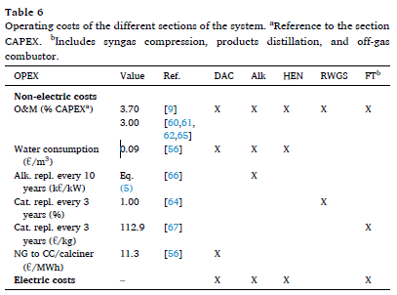
 |  |  |  |  |  |  |  |  |  |  |  | Ethanol |  | 1267 |  |  | 23.40
 |  |  |  |  |  |  |  |  |  |  |  | E85 |  |  |  |  | 23.00
 |  |  |  |  |  |  |  |  |  |  |  |  | (1) For naphtha and heavier oils, the net calorific value is assumed to be 95% of gross.
 |  |  |  |  |  |  |  |  |  |  |  |  | (2) Assumes a mixture of 70% propane and 30% butane by mass.
 |  |  |  |  |  |  |  |  |  |  |  |  | (3) An average for motor gasolines with RON between 91 and 95.

References:
1989_Bookmatter_ChemicalEngineeringEconomics
Marchese et al 2021 CO2 from direct air capture as carbon feedstock for Fischer-Tropsch chemicals and fuels: Energy and economic analysis
Campanario et al (2017) Techno-economic assessment of bio-oil aqueous phase-to-liquids via Fischer-Tropsch synthesis and based on supercritical water reforming
Ronald M. Dell, ... David A.J. Rand, 2014, Hydrogen, Fuel Cells and Fuel Cell Vehicles in Towards Sustainable Road Transport

Hydrogen-Other
Contents |  |  |  |  |  |  | UK SHEC PROJECT MARKAL MODEL HYDROGEN SUPPLY TECHNOLOGY TABLES |  |  |  |  |  |  |  |  |  |  |  |  |  | CONSTANTS
 |  |  |  |  |  |  | http://www.wholesem.ac.uk/bartlett/energy/research/themes/energy-systems/hydrogen/ |  |  |  | http://www.psi.org.uk/pdf/2008/HydrogenMARKAL_report.pdf
General Notes |  |  |  |  |  |  | Table 3. Recommended UK MARKAL investment cost and energy efficiency data for hydrogen production technologies |  |  |  |  |  |  |  |  |  |  |  |  |  | Hydrogen
UK SHEC PROJECT MARKAL MODEL HYDROGEN SUPPLY TECHNOLOGY TABLES |  |  |  |  |  |  | for the period 2000–2050, for use in energy systems models. Technologies with CCS should reduce the energy efficiencies by 0.05. Investment costs have units £(2000) GJ-1 y-1, except for those denoted by * that have units |  |  |  |  |  |  |  |  |  |  |  |  |  | Ideal Gas Constant R | 4.124 | kJ/(kg.K)
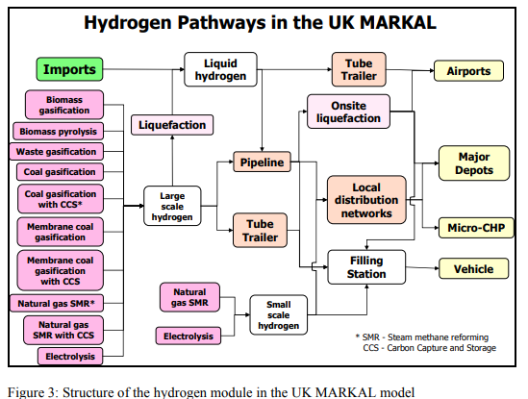
Steam Methane Reforming (SMR) |  |  |  |  |  |  | £m(2000) GW-1. See the text for a description of the data source. |  |  |  |  |  |  |  |  |  |  |  |  |  | Molar Mass | 2.016 | kg/kmol
Water Electrolysis |  |  |  |  |  |  | Technology | Size | First year | Investment costs |  |  | Energy efficiency |  |  |  |  |  |  |  | Boiling Point | -252.8 | deg. C
 |  |  |  |  |  |  |  |  |  | 2000 | 2025 | 2050 | 2000 | 2025 | 2050 |  |  |  |  |  | density at standard conditions | 0.084 | kg/m3
General Notes |  |  |  |  |  |  | Coal gasification | Large | 2000 | 18 | 16 | 14 | 65% | 65% | 65% |  |  |  |  |  | density of liquid hydrogen | 70.8 | g/litre
There are many laboratory proven hydrogen production processes ranging from large scale gasification of coal similar to the SASOL process to photosynthesis by specially bio-engineered algae. Commercially proven technologies however fall into one of the following 3 families of processes: |  |  |  |  |  |  | IGCC generation (after coal gasification) | Large | 2020 | 126* | 126* | 126* | 60% | 60% | 60% |  |  |  |  |  | HHV | 142 | MJ/kg
 |  |  |  |  |  |  | SMR | Large | 2000 | 5 | 4 | 3 | 80% | 85% | 85% |  |  |  |  |  | LHV | 120 | MJ/kg
Reforming is the technology of choice for converting gaseous and light liquid hydrocarbons |  |  |  |  |  |  | SMR | Medium | 2000 | 12 | 10 | 8 | 75% | 80% | 80% |  |  |  |  |  | Octane Rating | 120 - 140
Gasification or partial oxidation (PO) is more flexible than reforming - it could process a range of gaseous, liquid and solid feedstocks such as coal, residual oils, ethanol or solid biomass |  |  |  |  |  |  | SMR | Small | 2020 | 45 | 10 | 8 | 65% | 80% | 80%
Electrolysis to split hydrogen and water |  |  |  |  |  |  | Biomass gasification | Large | 2020 | 15 | 15 | 15 | 50% | 50% | 50% |  |  |  |  |  | WATER CONSUMPTION CALCS - INLAND ELECTROLYSIS
 |  |  |  |  |  |  | Biomass gasification | Medium | 2020 | 30 | 20 | 20 | 50% | 50% | 50% |  |  |  |  |  | Molar Mass H: | 1.00794 | https://www.webqc.org/molecular-weight-of-h.html
(Adapted from NREL (2002), "Hydrogen Supply: Cost Estimate for Hydrogen Pathways Scoping Analysis") |  |  |  |  |  |  | Biomass gasification | Small | 2020 | 45 | 25 | 25 | 50% | 50% | 50% |  |  |  |  |  | Molar Mass O: | 15.9994 | https://www.webqc.org/molecular-weight-of-o.html
 |  |  |  |  |  |  | Biomass oil pyrolysis | Medium | 2020 | 30 | 20 | 20 | 50% | 50% | 50%
Steam Methane Reforming (SMR) |  |  |  |  |  |  | Waste gasification | Medium | 2020 | 30 | 20 | 20 | 50% | 50% | 50% |  |  |  |  |  | Water Use:H2 | 8.9366827391 | kg H2O/kg H2
 |  |  |  |  |  |  | Nuclear | Large | 2030 |  | 40 | 40 |  | 75% | 75% |  |  |  |  |  |  | 0.062934385486 | kg H2O/MJ (HHV)
Source | Ram B.Gupta, 2009. Hydrogen Fuel: Production, Transport and Storage.ISBN 978-1-4200-4575-8 |  |  |  |  |  | Electrolysis | Medium | 2000 | 18 | 10 | 10 | 75% | 85% | 90% |  |  |  |  |  |  | 0.074472356159 | kg H2O/MJ (LHV)
Steam methane reforming (SMR), the most widely used being Catalytic steam reforming - it is the least expensive |  |  |  |  |  |  | Electrolysis | Small | 2000 | 65 | 16 | 10 | 75% | 85% | 90%
used to produce 40% of world hydrogen |  |  |  |  |  |  |  |  |  |  |  |  |  |  |  |  |  |  |  |  |  | 36.03056 | 4.03176 | H2
Capacity range (100 t/h of H2<H<1t/h of H2. 100 t/h for ammonia manufacturing plants and <1 t/h for small decentralised systems |  |  |  |  |  |  | Table 4. Recommended TIAM-UCL investment cost and energy efficiency data for hydrogen production technologies for |  |  |  |  |  |  |  |  |  |  |  |  |  |  |  | 31.9988 | O2
95% of hydrogen produced in the world comes from fossil fuels. |  |  |  |  |  |  | the period 2000–2050, for use in energy systems models. Technologies with CCS should reduce the energy efficiencies |  |  |  |  |  |  |  |  |  |  |  |  |  | Water Use:O2 | 1.1259972249 | kg H2O/kg O2
Hydrogen produced by SMR at distributed scale is assumed to be more economical than central SMR production |  |  |  |  |  |  | by 0.05. Investment costs have units $(2005) GJ-1 y-1, except for those denoted by * that have units $m(2005) GW-1. See the text for a description of the data source. |  |  |  |  |  |  |  |  |  |  |  |  |  |  | 7.9366827391 | kgO2/kgH2
The cost is estimated at $5/gasoline gallon equivalent (gge) 2003 US dollar |  |  |  |  |  |  | SMRLarge |  | Conversion to compare with IEA (2019) $2017/kWhH2 [USD 2005->2017] | 11.4 | 8.9 | 6.4
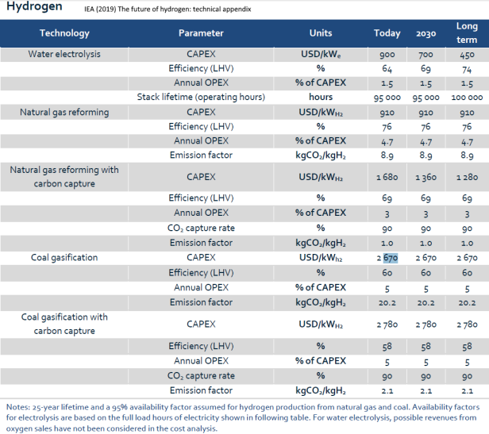
1 gge is equivalent to 1 kg of hydrogen |  |  |  |  |  |  | Technology | Size | First year | Investment costs ( $(2005) GJ-1 y-1) |  |  | Energy efficiency |  |  | Investment costs ( million ZAR(2010) PJ-1 y-1) |  |  | Learning Rate
 |  |  |  |  | Note: The SMR processes both uses and produces steam |  |  |  |  | 2000 | 2025 | 2050 | 2000 | 2025 | 2050 | 2000 | 2025 | 2050 | 2000 - 2025 | 2025 - 2050
hydrogen plant efficiency |  |  |  |  |  |  | Coal gasification | Large | 2000 | 31 | 27 | 24 | 65% | 65% | 65% | 443 | 386 | 343 | 0.55% | 0.47%
 |  |  |  |  |  |  | IGCC generation (after coal gasification) | Large | 2020 | 217 | 217 | 217 | 60% | 60% | 60% | 3103 | 3103 | 3103 | 0.00% | 0.00% |  |  |  |  | IEA (2019) |  |  | 2020 | 2030 | 2035
 |  |  |  |  |  |  | SMR | Large | 2000 | 9 | 7 | 5 | 80% | 85% | 85% | 129 | 100 | 71 | 1.01% | 1.35% |  |  |  |  | Coal gasification | CAPEX | $2017/kW.H2 | 2670 | 2670 | 2670
Efficiency | Volume | Volume Units | Comments |  |  |  | SMR | Medium | 2000 | 21 | 17 | 14 | 75% | 80% | 80% | 300 | 243 | 200 | 0.85% | 0.78% |  |  |  |  | SMR | CAPEX | $2017/kW.H2 | 910 | 910 | 910
89.00% | 1.50E+06 | Nm3/day | HHV basis - steam inputs and outputs included. Exothermic reaction to oxidsise CO can produce steam for input internally |  |  |  | SMR | Small | 2020 | 77 | 17 | 14 | 65% | 80% | 80% | 1101 | 243 | 200 | 6.23% | 0.78% |  |  |  |  | Coal gasification | CAPEX | M$/PJ; $/GJ | 94.1 | 94.1 | 94.1
79.20% | 1.50E+06 | Nm3/day | HHV basis (steam output can't be used) |  |  |  | Biomass gasification | Large | 2020 | 26 | 26 | 26 | 50% | 50% | 50% | 372 | 372 | 372 | 0.00% | 0.00% |  |  |  |  | SMR | CAPEX | M$/PJ; $/GJ | 32.1 | 32.1 | 32.1
69.10% | 1.50E+06 | Nm3/day | HHV basis (steam input requires energy in) |  |  |  | Biomass gasification | Medium | 2020 | 52 | 34 | 34 | 50% | 50% | 50% | 743 | 486 | 486 | 1.71% | 0.00% |  |  |  |  | Coal gasification | AFA | % | 0.9 | 0.9 | 0.9
 |  |  |  |  |  |  | Biomass gasification | Small | 2020 | 77 | 43 | 43 | 50% | 50% | 50% | 1101 | 615 | 615 | 2.36% | 0.00% |  |  |  |  | SMR | AFA | % | 0.9 | 0.9 | 0.9
 |  |  |  | Calculations |  |  | Biomass oil pyrolysis | Medium | 2020 | 52 | 34 | 34 | 50% | 50% | 50% | 743 | 486 | 486 | 1.71% | 0.00% |  |  |  |  | Coal gasification | efficiency | % | 0.6 | 0.6 | 0.6
GHG Emissions |  |  |  | Emission Factor | 0.1142 | kg/MJ (LHV) | Waste gasification | Medium | 2020 | 52 | 34 | 34 | 50% | 50% | 50% | 743 | 486 | 486 | 1.71% | 0.00% |  |  |  |  | SMR | efficiency | % | 0.76 | 0.76 | 0.76
Spath & Mann in Gupta: |  |  |  |  | 114.2 | kton CO2 eq/PJ out | Nuclear | Large | 2030 |  | 69 | 69 |  | 75% | 75% |  | 987 | 987 |  | 0.00%
GHG Emissions of SMR = | 13.7 | kg CO2 eq/kg net H2 Produced |  | CO2 | 88.6 | kton CO2/PJ out | Electrolysis | Medium | 2000 | 31 | 17 | 17 | 75% | 85% | 90% | 443 | 243 | 243 | 2.43% | 0.00%
CO2 emissions(77.65% of GHG): | 0.44 | Nm3/Nm3 H2 produced |  | CH4 | 25.6 | kton CO2 eq/PJ out | Electrolysis | Small | 2000 | 112 | 27 | 17 | 75% | 85% | 90% | 1601 | 386 | 243 | 5.86% | 1.87%
 |  |  |  | CH4 | 1.22 | kton CH4/PJ out |  |  |  |  | Units of $m(2005) GW-1 |  |  |  |  |  | Units of R/kW
 |  |  |  | CO2 | 66.445 | kton CO2/PJ IN
 |  |  |  | CH4 | 19.18 | kton CO2/PJ IN | Table 5. Recommended UK MARKAL annual fixed O&M cost data for hydrogen production technologies for the period
 |  |  |  | CH4 | 0.91333333333 | kton CH4/PJ IN | 2000–2050, for use in energy systems models. O&M costs have units £(2000) GJ-1 y-1, except for those denoted by * that have units £m(2000) GW-1. See the text for a description of the data source.

 |  |  |  |  |  |  | Technology | Size | Fixed O&M (% of investment costs) | Fixed O&M costs |  |  |  |  |  | convert 2005$ to 2015 $
Source: Rand & Dell (2008), "Hydrogen Energy Challenges and Prospects" |  |  |  |  |  |  |  |  |  | 2000 | 2025 | 2050 |  |  |  | 1.2
 |  |  |  |  |  |  | Coal gasification | Large | 5% | 0.9 | 0.8 | 0.7
The overall thermal efficiencies of steam reformer plants are, at best, only 75-80% and thus, in the absence of CCS the conversion of methane to hydrogen releases significantly more CO2 than burning the methane. |  |  |  |  |  |  | IGCC generation (after | Large | 5% | 6.3* | 6.3* | 6.3*
 |  |  |  |  |  |  | coal gasification)
Type | Volume Production (m3 H2) |  |  |  |  |  | SMR | Large | 4% | 0.2 | 0.2 | 0.1
micro | 50 - 3000 |  |  |  |  |  | SMR | Medium | 4% | 0.5 | 0.4 | 0.3
medium scale for distributed production | 3000 - 30000 |  |  |  |  |  | SMR | Small | 4% | 1.8 | 0.4 | 0.3
 |  |  |  |  |  |  | Biomass gasification | Large | 7% | 1.1 | 1.1 | 1.1
Summary |  |  |  |  |  |  | Biomass gasification | Medium | 7% | 2.1 | 1.4 | 1.4
 |  |  |  |  |  |  | Biomass gasification | Small | 7% | 3.2 | 1.8 | 1.8
Efficiency | Lower | Upper | Volume | Volume Units | Source | Comments | Biomass oil pyrolysis | Medium | 7% | 2.1 | 1.4 | 1.4
89.00% |  |  | 1.50E+06 | Nm3/day | Gupta (2009) | HHV basis - steam inputs and outputs included. Exothermic reaction to oxidsise CO can produce steam for input internally | Waste gasification | Medium | 7% | 2.1 | 1.4 | 1.4
79.20% |  |  | 1.50E+06 | Nm3/day | Gupta (2009) | HHV basis (Case when steam output can't be used) | Nuclear | Large | 6% |  | 2.4 | 2.4
69.10% |  |  | 1.50E+06 | Nm3/day | Gupta (2009) | HHV basis (Case when steam input requires energy in) | Electrolysis | Medium | 5% | 0.9 | 0.5 | 0.5
81.20% |  |  |  |  | Scholz in Gupta(2009) |  | Electrolysis | Small | 5% | 3.3 | 0.8 | 0.5
75-80% | 75% | 80% |  |  | Rand & Dell (2008)
67-73% | 67% | 73% |  |  | EIA (2008) |  | Table 6. Recommended TIAM-UCL annual fixed O&M cost data for hydrogen production technologies for the period
80% |  |  |  |  | UK_SHEC II (2012) | Large SMR Plant | 2000–2050, for use in energy systems models. O&M costs have units $(2005) GJ-1 y-1, except for those denoted by * that
75% |  |  |  |  | UK_SHEC II (2012) | Medium SMR Plant | have units $m(2005) GW-1. See the text for a description of the data source.
65% |  |  |  |  | UK_SHEC II (2012) | Small SMR Plant
Nm3/day = normal m3/day ie: assuming gas at standard temperature and pressure |  |  |  |  |  |  | Technology | Size | Fixed O&M (% of investment costs) | Fixed O&M costs ($(2005) GJ-1 y-1) |  |  | Fixed O&M costs (million ZAR(2010) PJ-1 y-1) |  |  | Learning Rate
 |  |  |  |  |  |  |  |  |  | 2000 | 2025 | 2050 | 2000 | 2025 | 2050 | 2000 - 2025 | 2025 - 2050
 |  |  |  |  |  |  | Coal gasification | Large | 5% | 1.5 | 1.4 | 1.2 | 21.4 | 20.0 | 17.2 | 0.28% | 0.62%
Water Electrolysis |  |  |  |  |  |  | IGCC generation (after coal gasification) | Large | 5% | 10.8 | 10.8 | 10.8 | 154.4 | 154.4 | 154.4 | 0.00% | 0.00%
 |  |  |  |  |  |  | SMR | Large | 4% | 0.3 | 0.3 | 0.2 | 4.3 | 4.3 | 2.9 | 0.00% | 1.64%
Source | Ram B.Gupta, 2009. Hydrogen Fuel: Production, Transport and Storage.ISBN 978-1-4200-4575-8 |  |  |  |  |  | SMR | Medium | 4% | 0.8 | 0.7 | 0.5 | 11.4 | 10.0 | 7.1 | 0.54% | 1.35%
 |  |  |  |  |  |  | SMR | Small | 4% | 3.1 | 0.7 | 0.5 | 44.3 | 10.0 | 7.1 | 6.13% | 1.35%
The efficiency of water electrolyzers lies in the range 58-87% |  |  |  |  |  |  | Biomass gasification | Large | 7% | 1.8 | 1.8 | 1.8 | 25.7 | 25.7 | 25.7 | 0.00% | 0.00%
 |  |  |  |  |  |  | Biomass gasification | Medium | 7% | 3.6 | 2.4 | 2.4 | 51.5 | 34.3 | 34.3 | 1.64% | 0.00%
Summary |  |  |  |  |  |  | Biomass gasification | Small | 7% | 5.4 | 3.0 | 3.0 | 77.2 | 42.9 | 42.9 | 2.38% | 0.00%
 |  |  |  |  |  |  | Biomass oil pyrolysis | Medium | 7% | 3.6 | 2.4 | 2.4 | 51.5 | 34.3 | 34.3 | 1.64% | 0.00%
Efficiency | Lower | Upper | Volume | Volume Units | Source | Comments | Waste gasification | Medium | 7% | 3.6 | 2.4 | 2.4 | 51.5 | 34.3 | 34.3 | 1.64% | 0.00%
75% |  |  |  |  | UK_SHEC II (2012) | Medium Plant | Nuclear | Large | 6% |  | 4.1 | 4.1 |  | 58.6 | 58.6 |  | 0.00%
75% |  |  |  |  | UK_SHEC II (2012) | Small Plant | Electrolysis | Medium | 5% | 1.5 | 0.9 | 0.9 | 21.4 | 12.9 | 12.9 | 2.06% | 0.00%
 | 58% | 87% |  |  | Gupta (2009) |  | Electrolysis | Small | 5% | 5.6 | 1.4 | 0.9 | 80.1 | 20.0 | 12.9 | 5.70% | 1.78%
 |  |  |  |  |  |  |  |  |  |  | Units of $m(2005) GW-1 |  |  | Units of R/kW

Coal Gasification |  |  |  |  |  |  | Table 7. Recommended energy source input and output data for hydrogen production technologies for use in energy
 |  |  |  |  |  |  | systems models. Technologies with CCS should increase the electricity input and reduce the feedstock by 4%. See the
Source: | D. Simbeck and E. Chang (2002) "Hydrogen Supply: Cost Estimate for Hydrogen Pathways Scoping Analysis", NREL, NREL/SR-540-32525 |  |  |  |  |  | text for a description of the data source.
 |  |  |  |  |  |  | Technology | Energy input |  | Energy output
Efficiency | 64% | overall effic coal to H2 |  | (Pg 53) |  |  |  | Feedstock | Electricity | GH2 | Electricity
CO2 out from WSG Unit: | 21.7 | kg CO2/kg H2 |  | (Pg 53) |  |  | Coal gasification | 100% | 0% | 100% | 0%
 | 0.153 | kg CO2/MJ (H2 HHV) |  |  |  |  | IGCC generation (after coal gasification) | 100% | 0% | 0% | 100%
 | 0.181 | kg CO2/MJ (H2 LHV) |  |  |  |  | SMR | 100% | 0% | 100% | 0%
 | 152.8 | kton CO2/PJ (H2 HHV) |  |  |  |  | Biomass and waste | 97% | 3% | 100% | 0%
 | 180.8 | kton CO2/PJ (H2 LHV) |  |  |  |  | Nuclear | 100% | 0% | 70% | 30%
 |  |  |  |  |  |  | Electrolysis | 0% | 100% | 100% | 0%

 |  |  |  |  |  |  | 4.2.1 Liquid hydrogen delivery

 |  |  |  |  |  |  | Table 10. Recommended UK MARKAL investment cost and energy efficiency data for LH2 delivery technologies for the
 |  |  |  |  |  |  | period 2000–2050, for use in energy systems models. Investment costs have units GB£(2000) GJ-1 y-1. See the text for a
 |  |  |  |  |  |  | description of the data source. * Ship and road tanker investment costs and efficiencies are influenced by the delivery distance.
 |  |  |  |  |  |  | Technology | Size | First year | INVCOST |  |  | EFF
 |  |  |  |  |  |  |  |  |  | 2000 | 2025 | 2050 | 2000 | 2025 | 2050
 |  |  |  |  |  |  | Liquefaction | Large | 2000 | 15 | 6 | 6 | 0.82 | 0.85 | 0.85
 |  |  |  |  |  |  | Liquefaction | Medium | 2020 | 15 | 10 | 10 | 0.75 | 0.80 | 0.80
 |  |  |  |  |  |  | Ship* | Large | 2020 | 8 | 4 | 3 | 0.95 | 0.95 | 0.95
 |  |  |  |  |  |  | Road tanker* | Small | 2020 | 4 | 4 | 4 | 0.98 | 0.98 | 0.98
 |  |  |  |  |  |  | 22
 |  |  |  |  |  |  | Table 11. Recommended TIAM-UCL investment cost and energy efficiency data for LH2 delivery technologies for the
 |  |  |  |  |  |  | period 2000–2050, for use in energy systems models. Investment costs have units US$(2005) GJ-1 y-1. See the text for a
 |  |  |  |  |  |  | description of the data source. * Ship and road tanker investment costs and efficiencies are influenced by the delivery
 |  |  |  |  |  |  | distance.
 |  |  |  |  |  |  | Technology | Size | First year | INVCOST |  |  | EFF
 |  |  |  |  |  |  |  |  |  | 2000 | 2025 | 2050 | 2000 | 2025 | 2050
 |  |  |  |  |  |  | Liquefaction | Large | 2000 | 31 | 12 | 12 | 0.82 | 0.85 | 0.85
 |  |  |  |  |  |  | Liquefaction | Medium | 2020 | 31 | 21 | 21 | 0.75 | 0.80 | 0.80
 |  |  |  |  |  |  | Ship* | Large | 2020 | 16 | 8 | 6 | 0.95 | 0.95 | 0.95
 |  |  |  |  |  |  | Road tanker* | Small | 2020 | 8 | 8 | 8 | 0.98 | 0.98 | 0.98

 |  |  |  |  |  |  | 4.2.2 Tube trailer delivery
 |  |  |  |  |  |  | Table 12. Recommended energy system model investment cost and energy efficiency data for tube trailers for the period
 |  |  |  |  |  |  | 2000–2050. These costs and efficiencies are only valid for short delivery distances (i.e. approximately 100 km). See the text for a description of the data source.
 |  |  |  |  |  |  | Technology | First | INVCOST |  |  | EFF
 |  |  |  |  |  |  |  | year | 2000 | 2025 | 2050 | 2000 | 2025 | 2050
 |  |  |  |  |  |  | UK MARKAL (UK£(2000) GJ-1 y-1) | 2000 | 16 | 10 | 6 | 0.95 | 0.95 | 0.95
 |  |  |  |  |  |  | TIAM-UCL (US$(2005) GJ-1 y-1) | 2000 | 33 | 20 | 12 | 0.95 | 0.95 | 0.95

 |  |  |  |  |  |  | The UK MARKAL model does not directly account for the road tanker investment cost. For transmission, it assumes an energy efficiency of 98%. The investment costs are simulated as a variable O&M distribution cost of £1.17 GJ-1, which is an output of the transmission model of Yang and Ogden (2007). The US9R MARKAL model has an optimistically-low investment cost (£0.6 GJ-1 y-1) but pessimistically assumes an energy efficiency of 90%.

 |  |  |  |  |  |  | Table 13. UK MARKAL hydrogen fuelling station best-estimate costs (GB£(2000) GJ-1 y-1).
 |  |  |  |  |  |  | Year | LH2-LH2 tanker | LH2-GH2 tanker | GH2-GH2 pipeline (1) | GH2-GH2 pipeline (2) | GH2-GH2 on- site
 |  |  |  |  |  |  | 2000 | 10 | 15 | 12 | 19 | 29
 |  |  |  |  |  |  | 2010 | 9 | 14 | 11 | 16 | 25
 |  |  |  |  |  |  | 2020 | 8 | 12 | 10 | 14 | 21
 |  |  |  |  |  |  | 2030 | 7 | 11 | 9 | 12 | 18
 |  |  |  |  |  |  | 2040 | 7 | 10 | 8 | 11 | 15
 |  |  |  |  |  |  | 2050 | 6 | 9 | 7 | 10 | 13
 |  |  |  |  |  |  | Table 14. TIAM-UCL hydrogen fuelling station best-estimate costs (US$(2005) GJ-1 y-1).
 |  |  |  |  |  |  | Year | LH2-LH2 tanker | LH2-GH2 tanker | GH2-GH2 pipeline (1) | GH2-GH2 pipeline (2) | GH2-GH2 on- site
 |  |  |  |  |  |  | 2000 | 20 | 31 | 25 | 39 | 59
 |  |  |  |  |  |  | 2010 | 18 | 28 | 23 | 34 | 50
 |  |  |  |  |  |  | 2020 | 16 | 25 | 20 | 29 | 43
 |  |  |  |  |  |  | 2030 | 15 | 23 | 18 | 26 | 37
 |  |  |  |  |  |  | 2040 | 13 | 20 | 16 | 22 | 31
 |  |  |  |  |  |  | 2050 | 12 | 18 | 15 | 20 | 27

Hydrogen-ELT
NCAP_COST
Electrolysis
UELEP1 | Production Plant Hydrogen Electrolysis PEM
UELEA1 | Production Plant Hydrogen Electrolysis Alkaline
 |  |  |  |  |  |  |  | Projected from IEA (2019) data
process | parameter |  |  |  | 2020 | 2030 | 2035 | 2040 | 2050
UELEP1HGN | NCAP_COST | INVcost (2015 R/kW) |  |  | 19642 | 13546 | 7450 | 6271 | 5092
UELEA1HGN | NCAP_COST | INVcost (2015 R/kW) |  |  | 12869 | 9482 | 6096 | 4857 | 3618
UELEP1HGN | NCAP_FOM | FOM | 1.5% |  | 295 | 203 | 112 | 94 | 76
UELEA1HGN | NCAP_FOM | FOM | 1.5% |  | 193 | 142 | 91 | 73 | 54
UELEP1HGN | NCAP_TLIFE | Tlife |  |  | 8 | 10 | 16 | 16 | 16
UELEA1HGN | NCAP_TLIFE | Tlife |  |  | 10 | 12 | 16 | 16 | 16
UELEP1HGN | NCAP_AFA | AFA |  |  | 0.90 | 0.90 | 0.90 | 0.90 | 0.90
UELEA1HGN | NCAP_AFA | AFA |  |  | 0.90 | 0.90 | 0.90 | 0.90 | 0.90
UELEP1HGN | FLO_FUNC | Electrical Efficiency (LHV) |  |  | 0.58 | 0.66 | 0.71 | 0.71 | 0.80
UELEA1HGN | FLO_FUNC | Electrical Efficiency (LHV) |  |  | 0.67 | 0.68 | 0.75 | 0.82 | 0.82
UELEP1HGN | NCAP_ILED | Construction time |  |  | -2.00 | -2.00 | -2.00 | -2.00 | -2.00
UELEA1HGN | NCAP_ILED | Construction time |  |  | -2.00 | -2.00 | -2.00 | -2.00 | -2.00

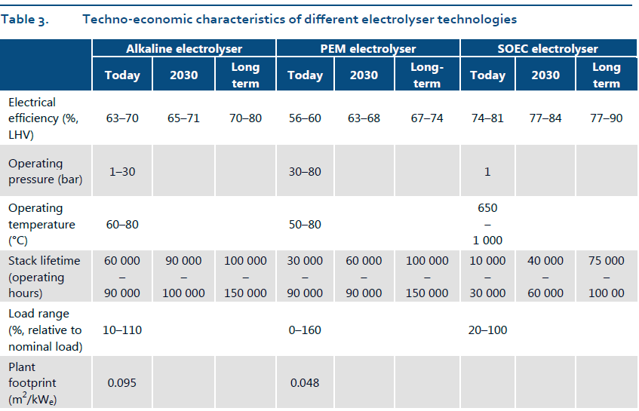
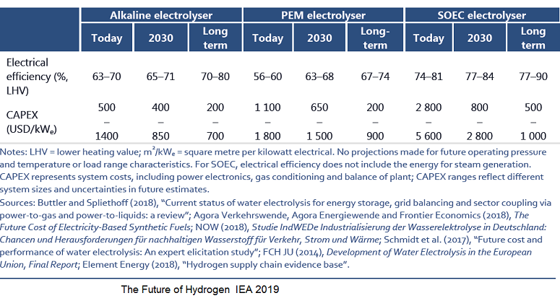
 |  | USD2017->ZAR2015 | 13.55
 |  | ZAR 2019->2015 | 0.8403
 |  | USD2019->ZAR2019 | 15.5000 | https://www1.oanda.com/currency/converter/
 |  | ZAR2019->ZAR2010 | 0.6410
 |  | USD2017->USD2019 IEA(2019) | 1.0400 | https://www.inflationtool.com/us-dollar?amount=1&year1=2017&year2=2019

 |  |  | 19642.016807

Electrical Efficiency (LHV)
Tlife
 |  | LHV-H2 | 120.1 | MJ/kg | For comparison, the lower heating value (LHV) of hydrogen is 33.3 kWh/kg H2.
 |  |  |  |  | 2020 | 2030 | 2035 | 2040 | 2050 | OR | IEA long term lower bound |  | 0.0082 | -16.015
 |  | PEM | CAPEX | 2019USD/kWe | 1508 | 1118 | 572 | 481.455 | 390.909 |  | 200 | 390.90909091
 |  | Alkaline | CAPEX | 2019USD/kWe | 988 | 650 | 468 | 372.889 | 277.778 |  | 200 | 277.77777778
 |  |  |  |  |  |  |  |  | 2 |  | 1 | 2
 |  |  |  |  |  |  |  |  |  |  | optimistic | conservative
 |  | $Mil.PJ | 1,000,000,000 | UNITS
 |  |  |  | Joules | 31536000000 | 31536000000 | 31536000000 | 31536000000 | 31536000000
 |  | PEM | CAPEX | $/J | 4.78E-08 | 3.55E-08 | 1.81E-08 | 1.53E-08 | 1.24E-08
 |  | Alk | CAPEX | $/J | 3.13E-08 | 2.06E-08 | 1.48E-08 | 1.18E-08 | 8.81E-09
 |  | PEM | CAPEX | M$/PJ | 47.82 | 35.45 | 18.14 | 15.27 | 12.40
 |  | Alk | CAPEX | M$/PJ | 31.33 | 20.61 | 14.84 | 11.82 | 8.81
 |  | PEM | CAPEX | ZAR 2019 R/kW | 23374 | 17329 | 8866 | 7463 | 6059
 |  | Alk | CAPEX | ZAR 2019 R/kW | 15314 | 10075 | 7254 | 5780 | 4306
 |  | PEM | CAPEX | ZAR 2019 mR/PJ | 741.18 | 549.50 | 281.14 | 236.64 | 192.13
 |  | Alk | CAPEX | ZAR 2019 mR/PJ | 485.60 | 319.48 | 230.02 | 183.28 | 136.53

 |  | Stack lifetime |  |  | 2020 | 2030 | 2035
 |  | PEM |  | life (hr) | 60000 | 75000 | 125000
 |  | Alk |  | life (hr) | 75000 | 95000 | 125000 |  |  |  |  |  | 0.0051 | -9.5882
Electrical Efficiency (LHV)
 |  | PEM |  | tlife.hrs | 66667 | 83333 | 138889
 |  | Alk |  | tlife.hrs | 83333 | 105556 | 138889

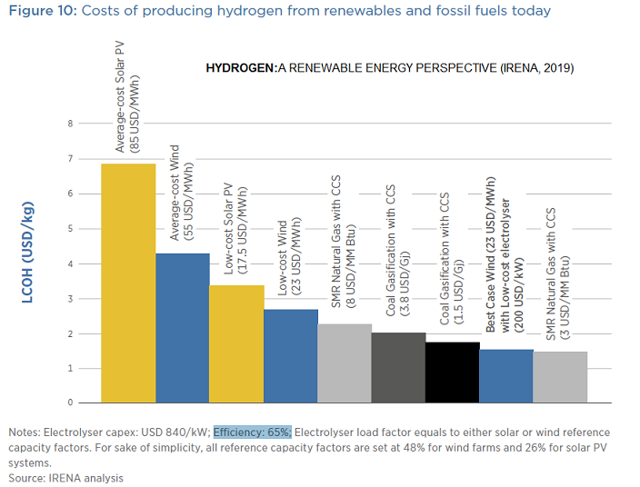
2019
h2_storage (include elec for compression: e.g. a further 15 kilowatt-hours (54 MJ) if the hydrogen is compressed)
Efficiency of modern hydrogen generators is measured by energy consumed per standard volume of hydrogen (MJ/m3), assuming standard temperature and pressure of the H2. The lower the energy used by a generator, the higher would be its efficiency; a 100%-efficient electrolyser would consume 39.4 kilowatt-hours per kilogram (142 MJ/kg) of hydrogen,[35] 12,749 joules per litre (12.75 MJ/m3). Practical electrolysis (using a rotating electrolyser at 15 bar pressure) may consume 50 kilowatt-hours per kilogram (180 MJ/kg), and a further 15 kilowatt-hours (54 MJ) if the hydrogen is compressed for use in hydrogen cars.[36]
https://en.wikipedia.org/wiki/Hydrogen_production
?check units in supply chain: mass or energy units for H2 in supply chain?
Presently available storage options typically require large-volume systems that store hydrogen in gaseous form. ... On a mass basis, hydrogen has nearly three times the energy content of gasoline—120 MJ/kg for hydrogen versus 44 MJ/kg for gasoline
https://www.energy.gov/eere/fuelcells/hydrogen-storage

H2Storage
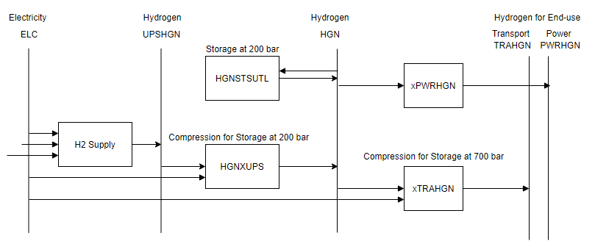
Storage
process | parameter | CH2 |  |  | 2020 | 2030 | 2035 | 2040 | 2050
HGNSTSUTL | NCAP_COST | 2015 mR/PJ |  |  | 46896 | 43674.48 | 32512.02 | 28142 | 28141.94
HGNSTSUTL | NCAP_FOM | 2015 mR/PJa | 3% | estimate | 1406.88 | 1310.23 | 975.36 | 844.26 | 844.26
HGNSTSUTL | NCAP_TLIFE | yrs |  | estimate | 10 | 10 | 10 | 15 | 15
HGNSTSUTL | NCAP_AFA | % |  | estimate | 0.90 | 0.90 | 0.90 | 0.90 | 0.90
HGNSTSUTL | STG_EFF | % | daynite | estimate | 0.98 | 0.98 | 0.98 | 0.98 | 0.98
HGNSTSUTL
HGNSTSUTL | START |  |  |  | 2025
Compression
n/a | Efficiency | PJ/PJ | turbine | ELC | 52% | 52% | 52% | 52% | 52%
n/a | Efficiency | PJ/PJ | pipeline | ELC | 52% | 52% | 52% | 52% | 52%
n/a | Efficiency | PJ/PJ | vehicle | ELC | 52% | 52% | 52% | 52% | 52%
HGNXUPS | PRC_ACTFLO | PJ/PJ | turbine | 30->200 | 0.0303 | 0.0303 | 0.0303 | 0.0303 | 0.0303
n/a | PRC_ACTFLO | PJ/PJ | pipeline | 30->75 | 0.0147 | 0.0147 | 0.0147 | 0.0147 | 0.0147
XTRAHGN | PRC_ACTFLO | PJ/PJ | vehicle | 30->700 | 0.0504 | 0.0504 | 0.0504 | 0.0504 | 0.0504

 |  | scaling factor | MJ | PJ
 | 9 | 10Ex | 6 | 15
 | 3 | 10Ex | ZAR | mR
NCAP_COST
 |  |  | 2020 | DoE target | DoE target-2020
 | CAPEX | USD-2020/kg | 480.33 | 333.00 | 288.24
 |  | ZAR2015/kg | 5632.2246334 | 3904.6935484 | 3379.8464516
 | 1.1552872606 | 2015 mR/PJ | 46,896 | 32,512 | 28,142
 |  |  |  | 0.693 | 0.600

 | Currency
 | 4/8/21
 | USD 2020 -> ZAR 2020 | 14.54 | https://www.resbank.co.za/en/home
 | ZAR 2020 -> ZAR 2015 | 0.8064516129 | https://inflationcalc.co.za/
 | USD2016->2020 | 1.08 | https://www.in2013dollars.com/us/inflation/2016?endYear=2020&amount=1
CH2
 | Large scale | CH2 | pressure (bar) | application | time period
 | H2 pressure from electrolyser | 1.110799 | 30
 | Compressor efficiency | 52%
 | Compression (kWh/kg) | 2.12272 | 200 | turbine | seasonal
 |  | 1.59955 | 75 | pipeline | daynite
 |  | 2.79095 | 700 | vehicle | daynite

 | Storage | Capex | Capacity | Pressure (Bar)
 | Units | USD (2020) | kg | bar
 | Tube Trailer x4 | 422688 | 880 | 300-950

 |  |  |  |  |  |  | Chart | a1 | a2
 |  |  |  |  |  |  | linear-trend | 0.0047 | 0
 |  |  |  |  |  |  | logarithmic | 0.5334 | -0.7034

 | Houchins C. and James B.D. (2020) 2020 DOE Hydrogen and Fuel Cells Program Review: Hydrogen Storage Cost Analysis (ST100) |  |  |  |  |  |  |  |  | Images taken from https://hdsam.es.anl.gov/

 | https://www.hydrogen.energy.gov/storage.html |  |  | https://www.energy.gov/eere/fuelcells/doe-technical-targets-hydrogen-delivery
 |  |  |  |  |  |  |  |  |  |  | Houchins C. and James B.D. (2020) 2020 DOE Hydrogen and Fuel Cells Program Review: Hydrogen Storage Cost Analysis (ST100) |  |  |  | Analyzed 700 bar LDV System Cost Reduction Strategies & Identified Path to Near Ultimate DOE $/kWh target
 | https://www.hydrogen.energy.gov/pdfs/9013_energy_requirements_for_hydrogen_gas_compression.pdf
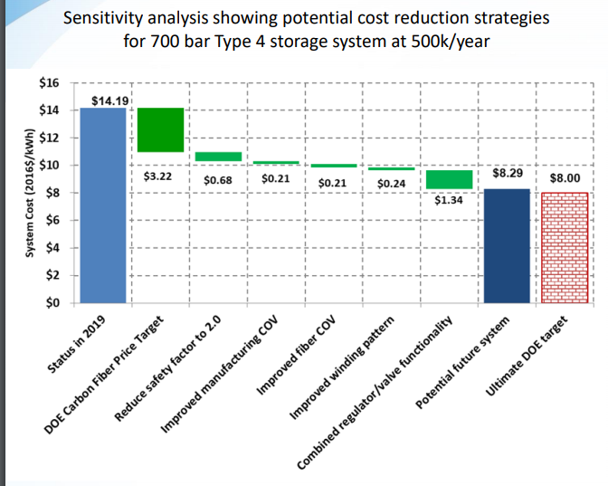
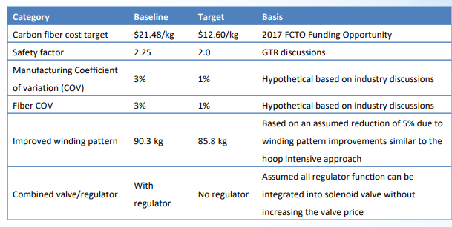
 | DOE Hydrogen and Fuel Cells Program Record
 | Record #: 9013 |  |  |  |  |  |  |  |  |  | Parameter | GH2 | LH2 | Notes/Design Basis
 | Date: July 7th, 2009 |  |  |  |  |  |  |  |  |  | Bulk Storage Method Assumption | Tube Trailer | Dewer | HRSAM
 | Title: Energy requirements for hydrogen gas compression and liquefaction as related to vehicle storage needs |  |  |  |  |  |  |  |  |  | Station Max Daily Dispensing Capacity (kgH2/day) | 1,000 | 1,000 | HRSAM
 | Originator: Monterey Gardiner |  |  |  |  |  |  |  |  |  | Number of refueling modules | 4 | 4 | ANL/Linde design
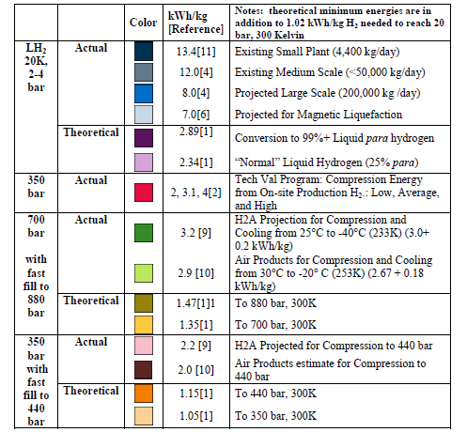
 | Approved by: Sunita Satyapal |  |  |  |  |  |  |  |  |  | Module Dispensing Capacity (kgH2/day/module) | 250 | 250 | ANL assumption based on Linde design
 | Date: October 26th, 2009 |  |  |  |  |  |  |  |  |  | Target Vehicle Pressure (bar) | 700 | 700 | Max dispensed pressure is higher 875 bar
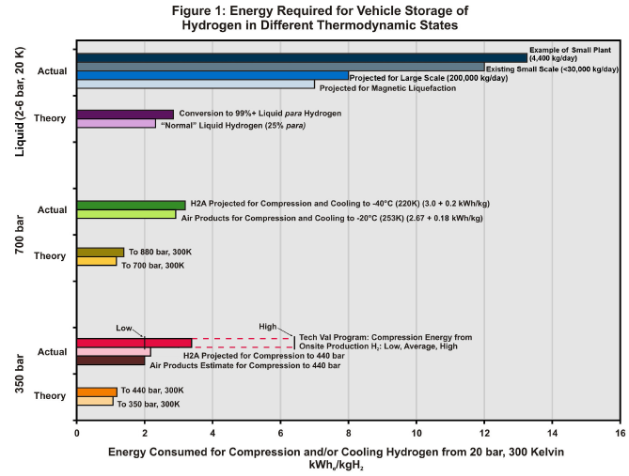
 |  |  |  |  |  |  |  |  |  |  | No. of Tanks per Module in Cascade Storage Bank | 5 | 5 | ANL optimization parameter
 |  |  |  |  |  |  |  |  |  |  | Cascade Vessel Type | Type 2 | Type 2 | Based on Linde and FIBA Tech design
 |  |  |  |  |  |  |  |  |  |  | Cascade Storage Pressure (bar) | 300-950 | 300-950 | ANL optimization parameter
 |  |  |  |  |  |  |  |  |  |  | Tube Trailer Vessel Type | Type 4 | Type 4 | Hexagon Titan XL
 |  |  |  |  |  |  |  |  |  |  | Tube Trailer Capacity (kgH2) | 885 | NA | Hexagon Titan XL
 |  |  |  |  |  |  |  |  |  |  | Tube Trailer Pressure (bar) | 250 | NA | Hexagon Titan XL
 |  |  |  |  |  |  |  |  |  |  | Cascade and Tube Trailer Storage Composite | T700S/ Vinyl Ester | T700S/ Vinyl Ester | Adams (2019)
 |  |  |  |  |  |  |  |  |  |  | Carbon fiber volume fraction | 65% | 65% | Gotthold (2015 AMR)

 |  |  |  |  |  |  |  |  |  |  | Unit | Quantity Per System | Cost per Unit @100 Trailers per Year | Cost per Trailer @100 Trailers per Year
 |  |  |  |  |  |  |  |  |  |  | Type 4 220 kgH2 capacity Pressure Vessel | 4 | $76,851/vessel | 307403
 |  |  |  |  |  |  |  |  |  |  | 40’ Trailer | 1 | $40,000/trailer | 40000
 |  |  |  |  |  |  |  |  |  |  | Steel Containment Structure | 1 | $50,000/structure | 50000
 |  |  |  |  |  |  |  |  |  |  | Balance of System
 |  |  |  |  |  |  |  |  |  |  | Pressure Relief Device (PRD) | 4 | $3,000 each | 12000
 |  |  |  |  |  |  |  |  |  |  | Manual Shutoff Valves | 9 | $270 each | 2430
 |  |  |  |  |  |  |  |  |  |  | Valve Box./Common Manifold | 1 | $300 each | 300
 |  |  |  |  |  |  |  |  |  |  | Block & Bleed Valve | 1 | $1,250 each | 1250
 |  |  |  |  |  |  |  |  |  |  | Pressure Gauges (analog) | 5 | $156 each | 780
 |  |  |  |  |  |  |  |  |  |  | Tubing | 35 ft. | $15/ft | 525
 |  |  |  |  |  |  |  |  |  |  | Assembly | 1 | 8000 | 8000
 | DoE (2009) |  |  |  |  |  |  |  |  |  | Total USD (2020) |  |  | 422688
 | Bar | 20 | 350 | 350 | 700 | 700
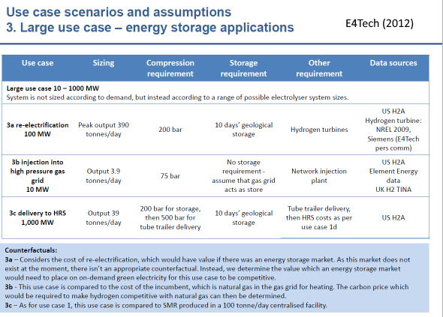
 | Compression energy | 1.02 | 2 | 2.2 | 2.9 | 3.2

 | [1] NIST Web book site:
 | http://webbook.nist.gov/chemistry/
 | [2] NREL Composite Data Products from the DOE Tech Validation Program http://www.nrel.gov/hydrogen/proj_learning_demo.html
 | Refueling Station Compressor Efficiency, CDP #61, 3/2/09 http://www.nrel.gov/hydrogen/docs/cdp/cdp_61.ppt
 | Reported average efficiency of 3.1 kWh/kg for 1 quarter reported data for on site hydrogen generation with a range of 7 to 16 MJ/kg (2 to 4 kWh/kg) excluding outliers
 | [3] Next Energy 70MPa Specification Documents:
 | http://www.nextenergy.org/Modules/Document/upload_documents/Fueling Specification for 70 MPa Compressed Hydrogen Vehicles Release Version A.pdf
 | [4] Technical Assessment of Compressed Hydrogen Storage for Automotive Applications
 | TIAX LLC, Argonne National Laboratory, 2009
 | http://www.eere.energy.gov/hydrogenandfuelcells/hydrogen_publications.html#h2_storage
 | [5] Report: “H2A Hydrogen Delivery Infrastructure Analysis Models and Conventional Pathway Options Analysis Results”, May 2008, http://www.hydrogen.energy.gov/h2a_delivery.html
 | [6] Peschka, W. (1992). “Liquid Hydrogen.” Springer-Verlag, New York.
 | [7] Active Magnetic Regenerative Liquefier, John Barclay, Prometheus Energy DOE Annual Merit Review, May 2009
 | http://www.hydrogen.energy.gov/pdfs/review09/pd_37_barclay.pdf
 | [8] DOE, Website on Tank Safety.
 | http://www.eere.energy.gov/hydrogenandfuelcells/storage/hydrogen_storage_testing.html
 | DOT 2.25 Factor of Safety, Table 4: Hydrogen Cylinder Test Matrix P. 6
 | http://www-nrd.nhtsa.dot.gov/pdf/nrd-01/esv/esv20/07-0046-O.pdf
 | EU 2.35 Factor of Safety Table 7A.5: Minimum Burst Pressure Ratios P. 59-60,
 | http://www.eihp.org/unece/drafts/cgh2/GRPE_12a-b/CGH2R-12b.pdf
 | [9] DOE Hydrogen Delivery Website and Model http://www.hydrogen.energy.gov/h2a_delivery.html (HDSAM V2.0.6)
 | [10] Personal communication with Joseph P. Cohen at APCI. Assuming a normal compressor, and typical ambient temperature conditions compression energy is: 2.05kWh/kg for 350(440) bar, 2.36 for 500(630) bar, and 2.67 for 700(880) bar. Cooling energy ranges from 0.1 to .45 kWh/kg. Cooling energy from 30º C ambient to -40º C and -20º C is 0.45, 0.18 kWh/kg. Cooling energy from 15º C ambient to -40º C and -20º C is 0.33, 0.1 kWh/kg. Typically no cooling is needed for 350 bar. The APCI, hydrogen liquefier in New Orleans is sized for approximately 55,000 kg/day.
 | [11] M Bracha, et al., “Large-Scale Hydrogen Liquefaction in Germany” International Journal of Hydrogen Energy 19 (Jan 1994) pp. 53-59.

 | E4Tech (2012) Electrolysis in the EU APPENDIX 2B FCHJU ElectrolysisStudy (ID 1329459)
 | Houchins C. and James B.D. (2020) 2020 DOE Hydrogen and Fuel Cells Program Review: Hydrogen Storage Cost Analysis (ST100)

