Legend
TIMES-GEO model


Document type: | Base Scenario Template
Region: | Global
Sector: | Transport | TRA
Base-year | 2018
Original developer: | E4SMA S.r.l.
 | University College Cork
Document description: | This template holds the structure of the Final Energy Consumption in the Transport sector
Part of TIMES-GEO version: | 1.0
Model repository: | https://github.com/MaREI-EPMG/TIMES-GEO
Licence: | CC BY-NC-SA 4.0 (unless specified otherwise)
 | https://creativecommons.org/licenses/by-nc-sa/4.0/

Conventions
Cell colour legend
aaa | Model input
aaa | Model input based on own assumptions
 | Calculated value (not recommended to directly modify)

Tab colour legend
 | VEDA-TIMES data input tables
 | Energy balance breakdown and other elaborations
 | External data sources

Table of contents
Sheet | Description
Key Inputs 1_BY EB | Base-year energy balance breakdown for the sector
Key Inputs 2_BY Road | List of key input assumption and calculations for base-year vechile stock
Key Inputs 3_NT Road | List of key input assumption and calculations for new technology options for Road
Key Inputs 4_Non-Road | List of key input assumption and calculations for non-road technology options
Commodities | Veda inputs: Definition of sector commodities
Fuel Techs | Veda inputs: Description of the sectoral infrastructure technologies (fuel techs)
Road_BY Techs | Veda inputs: Characterization of Road base-year technologies
Road New Tech | Veda inputs: Characterization of new road technology options
Non-Road_Techs | Veda inputs: Characterization of non-road technologies
Demands | Veda inputs: Base-year demands

Conversion factors
Conversion ktoe to PJ | 0.041868
Conversion GWh to PJ | 0.0036
Conversion miles to km | 1.61
EUR2015 | 1.14 | USD2021

Codes for processes and commodities names
Dimension | Code | Notes
Sub-sectors
Road | ROA
Light-duty vehicles | LDV
Cars | CAR | sub-group of LDVs
Light commercial vehicles | LCV | sub-group of LDVs
Trucks | TRK
Medium-duty trucks | MDT | sub-group of Road Freight
Heavy-duty trucks | HDT | sub-group of Road Freight
Other modes
Motorbikes | MOT | sub-group of Others
Buses | BUS | sub-group of Others
Rail | RAI
Passenger | RAP
Freight | RAF
Navigation | NAV
Domestic | NAD
Bunkers | NAB
Aviation | AVI
Domestic | AVD
Bunkers | AVB
Others non-specified | OTH
Technology types
Internal Combustion Engine | ICE | Conventional (internal combustion) engine
Hybrid | HYB
Plug-in Hybrid | PIH
Battery Electric | BEV | BEV: Battery Electric Vehicle
Fuel Cell | FC
Fuel types
Biodiesel | TRABDL
Biogasoline | TRABGL
Biogas | TRABGS
Biomass | TRABIO
Biokerosene | TRABKR
Coal | TRACOA | Solid fossil fuels
Diesel | TRADSL | Pure diesel
Electricity | TRAELC
Natural gas | TRAGAS | Compressed natural gas
Gasoline | TRAGSL | Pure gasoline
Heavy fuel oil | TRAHFO
Kerosene | TRAKER | Incl. jet kerosene
Liquefied petroleum gas | TRALPG
Others | TRAOTH | mainly petroleum products
Gaseous hydrogen | TRAH2G
Liquid hydrogen | TRAH2L
Ammonia | TRAAMM
Synfuel (H2 derived) | TRAH2F
Emissions
CO2eq | TRACO2e | CO2 equivalent: includes all GHG (e.g. CO2, CH4, N2O)
CO2 | TRACO2 | Carbon dioxide
CH4 | TRACH4 | Methane
N2O | TRAN2O | Nitrous oxide

Sources
Component | Source n. | Source | Access
Transport energy balance | S1 | UNSD Energy Balance and statistics | Public
LDVs stocks & vkm | S4 | OICA | Public
New technologies | S11 | EU Reference scenario 2020 - technology assumptions | Public

Sector structure (high-level Reference Energy System)
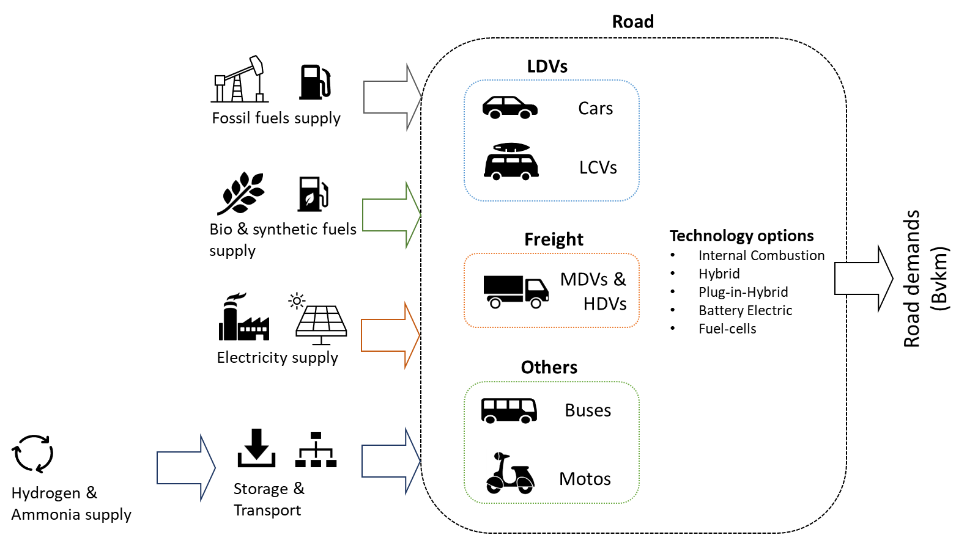

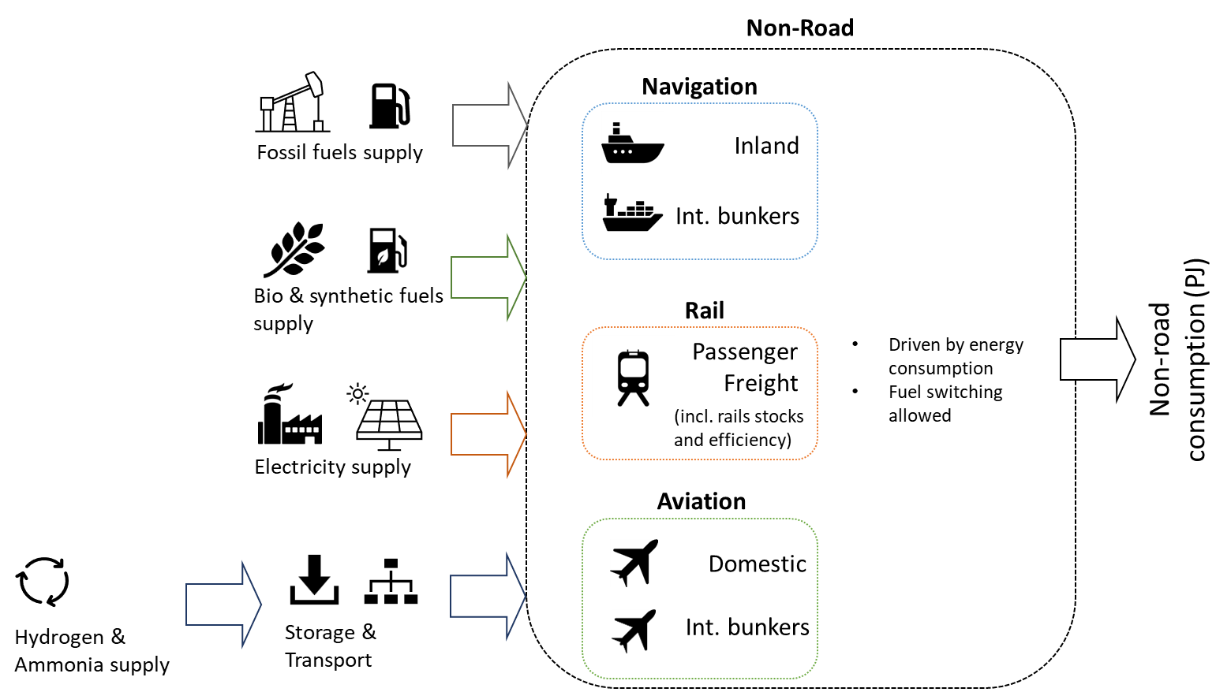

Model regions
Model regions | Description | List of countries
AFE | Eastern Africa | Ethiopia,Kenya,Sudan,Mauritius,Eritrea,South Sudan,Burundi,Comoros,Djibouti,Madagascar,Réunion,Rwanda,Somalia,Uganda
AFN | Northern Africa | Egypt,Algeria,Morocco,Libya,Tunisia
AFZ | Southern Africa | Tanzania,Angola,Mozambique,Zimbabwe,Zambia,Botswana,Namibia
AFW | Western Africa | Nigeria,Democratic Republic of the Congo,Cote dIvoire,Ghana,Cameroon,Gabon,Benin,Senegal,Togo,Niger,The Republic of Congo,Burkina Faso,Cape Verde,Central African Republic,Chad,Equatorial Guinea,Gambia,Guinea,Guinea-Bissau,Lesotho,Liberia,Malawi,Mali,Mauritania,Sao Tome and Principe,Seychelles,Sierra Leone,Swaziland
ANZ | Australia and New Zealand | Australia,New Zealand
ARG | Argentina | Argentina
ASC | Central Asia | Pakistan,Kazakhstan,Uzbekistan,Turkmenistan,Azerbaijan,Mongolia,Georgia,Kyrgyzstan,Armenia,Tajikistan
ASE | Southeast Asia | Thailand,Malaysia,Viet Nam,Philippines,Singapore,Myanmar,Cambodia,Brunei Darussalam
ASO | South Asia | Bangladesh,Nepal,Sri Lanka
ASR | Asia Region | Taiwan,Hong Kong (China),Democratic People's Republic of Korea,Afghanistan,Bhutan,Cook Islands,East Timor,Fiji,French Polynesia,Kiribati,Lao People’s Democratic Republic,Macau,Maldives,New Caledonia,Palau,Papua New Guinea,Samoa,Solomon Islands,Tonga,Vanuatu
BRA | Brazil | Brazil
CAN | Canada | Canada
CHN | China Mainland | People's Republic of China
ENE | Non-EU Eastern Europe | Ukraine,Belarus,Serbia,Bosnia and Herzegovina,Moldova,Former Yugoslav Republic of Macedonia,Kosovo,Albania,Montenegro
ENW | Non-EU Western Europe | Norway,Switzerland,Iceland
EUE | Eastern Europe Union | Poland,Czech Republic,Romania,Hungary,Bulgaria,Slovak Republic,Croatia,Lithuania,Slovenia,Estonia,Latvia,Cyprus,Malta
EUW | Western Europe Union | Germany,France,Italy,Spain,Netherlands,Belgium,Sweden,Austria,Finland,Greece,Portugal,Denmark,Ireland,Luxembourg
GBR | United Kingdom | United Kingdom,Gibraltar
IDN | Indonesia | Indonesia
IND | India | India
IRN | Islamic Republic of Iran | Islamic Republic of Iran
JPN | Japan | Japan
KOR | Korea | Korea
LAM | Latin America | Venezuela,Chile,Colombia,Peru,Trinidad and Tobago,Ecuador,Guatemala,Cuba,Bolivia,Dominican Republic,Honduras,Paraguay,Uruguay,Costa Rica,El Salvador,Haiti,Panama,Nicaragua,Jamaica,Curacao,Suriname,Antigua and Barbuda,Aruba,Bahamas,Barbados,Belize,Bermuda,British Virgin Islands,Cayman Islands,Dominica,Falkland Islands (Malvinas),French Guiana,Grenada,Guadeloupe,Cooperative Republic of Guyana,Martinique,Montserrat,Puerto Rico,Saba,Saint Eustatius,Saint Kitts and Nevis,Saint Lucia,Saint Pierre and Miquelon,Saint Vincent and the Grenadines,Sint Maarten,the Turks and Caicos Islands
MEA | Middle East | United Arab Emirates,Iraq,Qatar,Kuwait,Oman,Israel,Bahrain,Syrian Arab Republic,Jordan,Lebanon,Yemen
MEX | Mexico | Mexico
RUS | Russian Federation | Russian Federation
SAU | Saudi Arabia | Saudi Arabia
TUR | Turkey | Turkey
USA | United States | United States
ZAF | South Africa | South Africa

