reporting options
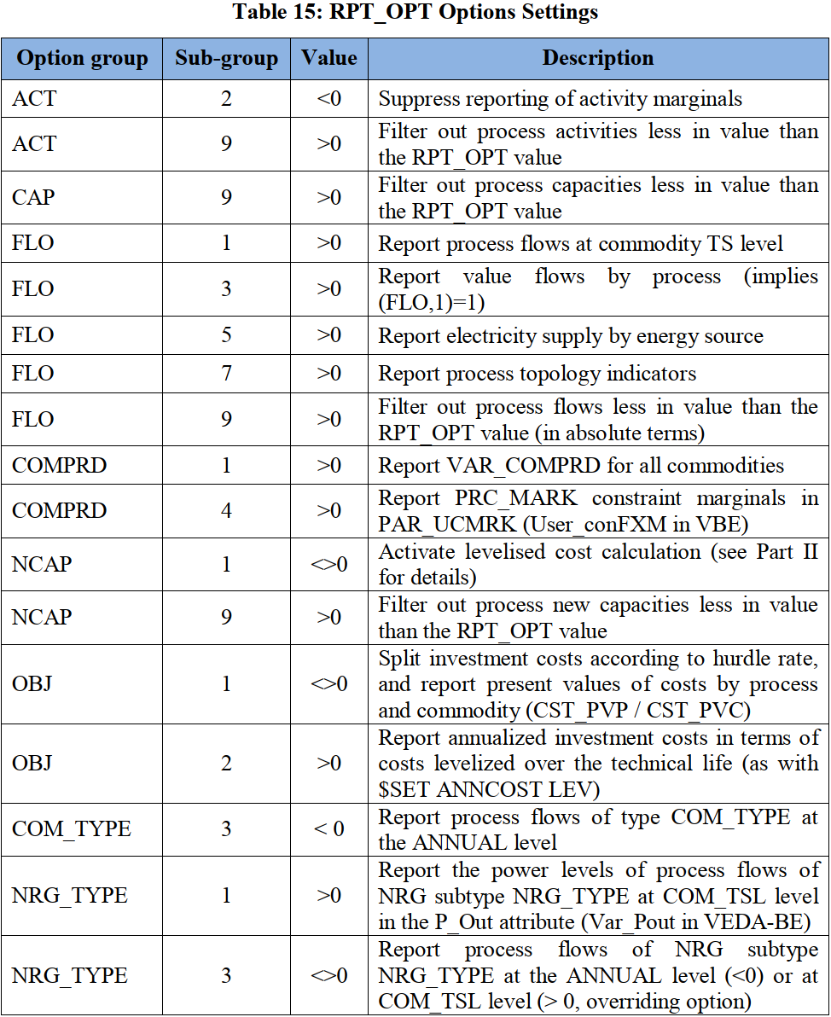
~TFM_INS
Attribute | Other_Indexes | AllRegions
RPT_OPT | ACT~2 | -1
RPT_OPT | NCAP~1 | 1
RPT_OPT | FLO~3 | 1
RPT_OPT | FLO~5 | 1
RPT_OPT | FLO~1 | 1
RPT_OPT | COMPRD~1 | 1
RPT_OPT | OBJ~1 | 1
RPT_OPT | NCAP~1 | 1
RPT_OPT | ELC~1 | 1
RPT_OPT | ELC~3 | 2
RPT_OPT | COMPRD~4 | 1

~UnitConversion
from_unit | to_unit | multiplier
QBtu | PJ | 1055.55
Billion Kwh | PJ | 3.6
Mt | Kt | 1000
B$ | m$ | 1000
TBtu | PJ | 1.05555
ktoe | PJ | 0.041868
mtoe | PJ | 41.868
Gwh | PJ | 0.0036
Gt | Kt | 1000000
bEur | mEur | 1000
$/GJ | $/bbl | 5.86152
$/ton | m$/kt | 0.001
EJ | PJ | 1000
bcm | PJ | 37.68
mbpd | PJ | 2139.4548
Cents per Kwh | $ per GJ | 2.78
Twh | PJ | 3.6
PJ | PJ | 1
GWp | PJ | 31.536
mt H2 | PJ | 120
mboe | PJ | 5.86152
mt LNG | PJ | 54

