Cover


TIMES-Ireland Model

Document type: | System Settings
Sector(s): | All sectors
Purpose: | Specifies various settings, including regions, timeslices and periods

Original developer(s): | James Glynn (UCC, james.glynn@ucc.ie)

Current maintainer(s): | Olexandr Balyk (UCC, olexandr.balyk@ucc.ie)

Part of TIM version: | 1.0
Model repository: | https://github.com/MaREI-EPMG/TIMES-Ireland-model
Licence: | CC BY-NC-SA 4.0 (unless specified otherwise)
 | https://creativecommons.org/licenses/by-nc-sa/4.0/

Region-Time Slices
~BookRegions_Map |  | ~TimeSlices
BookName | Region | Season | Weekly | DayNite | Month | Season | Day | Type | Hour | Type
IE | IE | A | A | A | 0 | A | 0 | A | 0 | A
 | National |  |  |  | 1 | A | 1 | A | 1 | A
 | IE-CW |  |  |  | 2 | A | 2 | A | 2 | A
 | IE-D |  |  |  | 3 | A | 3 | A | 3 | A
 | IE-KE |  |  |  | 4 | A | 4 | A | 4 | A
 | IE-KK |  |  |  | 5 | A | 5 | A | 5 | A
 | IE-LS |  |  |  | 6 | A | 6 | A | 6 | A
~TimeSlices is used to define:
- the time-slices resolution for the model, by declaring the elements of each time-slice. In the column-SEASON, WEEKLY and DAYNITE.
 | IE-LD |  |  |  | 7 | A |  |  | 7 | A
 | IE-LH |  |  |  | 8 | A |  |  | 8 | A
 | IE-MH |  |  |  | 9 | A |  |  | 9 | A
 | IE-OY |  |  |  | 10 | A |  |  | 10 | A
 | IE-WH |  |  |  | 11 | A |  |  | 11 | A
 | IE-WX |  |  |  |  |  |  |  | 12 | A
~BookRegions_Map is used to define:
- the workbook name (cells B5 and B6); the name must be the same for each base year template workbook VT_REG1_<sector>_<version> (for REG1);
- the list of region names (cell E5,6,,...) maps the names used in the B-Y templates to the model regions: in this case REG1 and REG2.
 | IE-WW |  |  |  |  |  |  |  | 13 | A
 | IE-CE |  |  |  |  |  |  |  | 14 | A
 | IE-CO |  |  |  |  |  |  |  | 15 | A
 | IE-KY |  |  |  |  |  |  |  | 16 | A
 | IE-LK |  |  |  |  |  |  |  | 17 | A
 | IE-TA |  |  |  |  |  |  |  | 18 | A
 | IE-WD |  |  |  |  |  |  |  | 19 | A
 | IE-G |  |  |  |  |  |  |  | 20 | A
 | IE-LM |  |  |  |  |  |  |  | 21 | A
 | IE-MO |  |  |  |  |  |  |  | 22 | A
 | IE-RN |  |  |  |  |  |  |  | 23 | A
 | IE-SO
 | IE-CN
 | IE-DL
 | IE-MN

TimePeriods
~StartYear is used to define:
- the start year of the model (2005);
~ActivePDef is used to define:
- the set of active periods. Alternate period definitions can be made and the active one is declared under the tag ~ActiveDef.
~TimePeriods is used to define:
- the time horizon of the model for the ActivePdef. In this example two period definitions (Pdef-1 and Pdef-5)
- For Pdef-1 the number of years for the start year (first period is 1 year long), the second period has 2 years.

~StartYear
2018

~ActivePDef
P15

~TimePeriods
P5 | P9 | P12 | P13 | P15 | P22 | P23 | P33 | P39
1 | 1 | 1 | 1 | 1 | 2 | 1 | 1 | 1
1 | 1 | 4 | 3 | 1 | 1 | 1 | 1 | 1
1 | 1 | 5 | 1 | 1 | 1 | 1 | 1 | 1
20 | 1 | 5 | 5 | 1 | 1 | 1 | 1 | 1
20 | 1 | 5 | 5 | 1 | 1 | 1 | 1 | 1
 | 5 | 5 | 5 | 5 | 1 | 1 | 1 | 1
 | 45 | 5 | 5 | 5 | 1 | 1 | 1 | 1
 | 25 | 5 | 5 | 5 | 1 | 1 | 1 | 1
 | 5 | 5 | 5 | 5 | 1 | 1 | 1 | 1
 |  | 5 | 5 | 5 | 1 | 1 | 1 | 1
 |  | 5 | 5 | 5 | 1 | 1 | 1 | 1
 |  | 5 | 5 | 5 | 1 | 1 | 1 | 1
 |  |  | 5 | 5 | 1 | 1 | 1 | 1
 |  |  |  | 5 | 1 | 1 | 1 | 1
 |  |  |  | 5 | 5 | 1 | 1 | 1
 |  |  |  |  | 5 | 5 | 1 | 1
 |  |  |  |  | 5 | 5 | 1 | 1
 |  |  |  |  | 5 | 5 | 1 | 1
 |  |  |  |  | 5 | 5 | 1 | 1
 |  |  |  |  | 5 | 5 | 1 | 1
 |  |  |  |  | 5 | 5 | 1 | 1
 |  |  |  |  | 5 | 5 | 1 | 1
 |  |  |  |  |  | 5 | 1 | 1
 |  |  |  |  |  |  | 1 | 1
 |  |  |  |  |  |  | 1 | 1
 |  |  |  |  |  |  | 1 | 1
 |  |  |  |  |  |  | 1 | 1
 |  |  |  |  |  |  | 1 | 1
 |  |  |  |  |  |  | 1 | 1
 |  |  |  |  |  |  | 1 | 1
 |  |  |  |  |  |  | 1 | 1
 |  |  |  |  |  |  | 1 | 1
 |  |  |  |  |  |  | 1 | 1
 |  |  |  |  |  |  |  | 1
 |  |  |  |  |  |  |  | 1
 |  |  |  |  |  |  |  | 5
 |  |  |  |  |  |  |  | 5
 |  |  |  |  |  |  |  | 5
 |  |  |  |  |  |  |  | 5

Import Settings
~ImpSettings
Option | Value
Check #DIV/0 and #REF errors in Templates | 1
Create Dummy Imports for Energy and Material Commodities | 1
Create Dummy Imports for Demands | 1
Generate Vintage Bounds | 0
DumVarforUC | 0

~ImpSettings is used to define some settings for the synchronization process
- Dummy Imports: one can control the creation of dummy imports in the table shown above. These backstop dummy processes are introduced in the model in order to avoid infeasibilities that may arise if not enough energy carrier or demand can be supplied.
- Vintage Bounds: VEDA can automatically generate bounds to prohibit investments in processes when a newer vintage becomes available, assuming that the last two characters of the process name are used for the first year of availability .

Interpol_Extrapol_Defaults
~TFM_UPD is used to declare a table in SysSetting (and/or scenario file and/or _Trans files) which is a simple transformation to pre-existing data in a rule-based manner.
The 2nd block sets default prices (ACTCOST) for the “backstop” options for fuels (dummy IMPort technologies ending with “Z”) and demands (a dummy IMPDEMZ process that can feed any demand).
For more details see www.kanors-emr.com/vedasupport in "templates basic"or the getting started with VEDA-TIMES from pag.22

Dummy Imp Prices
~TFM_UPD
TimeSlice | LimType | Attribute | Year | Other_Indexes | AllRegions | REG1 | REG2 | Pset_Set | Pset_PN | Pset_PD | Pset_CI | Pset_CO | Cset_Set | Cset_CN | Cset_CD
 |  | ACTCOST |  |  | 2222 |  |  | IRE | IMP*Z
 |  | ACTCOST |  |  | 8888 |  |  | IRE | IMPDEMZ

Constants
* Discount rates, Timeslices, Exchange rates

~TFM_INS (transformation insert table) is used to assign an absolute value for parameters that are based on rules.
ATTRIBUTE, a reserved word indicating that a VEDA-TIMES parameter names appear in this column; in this example these parameters are G_DYEAR (discounting year), DISCOUNT (overall discount rate) and YRFR (fraction of year for season and dayniote level. There are four timeslice because it is the combination of the seasonal timeslice with the daynite timeslice)
TIMESLICE indicating the particular time-slice for which data is provided.
For more information see Transformation tables, Insert Value section at www.kanors.com/vedasupport.
The full description of the time-slices is given in paragraph 3.2.1.1.
For more details see www.kanors-emr.com/vedasupport in "templates basic"or the getting started with VEDA-TIMES from pag.22
~TFM_INS
TimeSlice | CURR | Attribute | Year | Other_Indexes | AllRegions
 |  | G_DYEAR |  |  | 2018
 |  | G_DRATE |  |  | 0.04
 | EUR00 | G_CUREX |  | EUR18 | 1.39
 | EUR01 | G_CUREX |  | EUR18 | 1.36
 | EUR02 | G_CUREX |  | EUR18 | 1.33
 | EUR03 | G_CUREX |  | EUR18 | 1.31
 | EUR04 | G_CUREX |  | EUR18 | 1.28
 | EUR05 | G_CUREX |  | EUR18 | 1.26
 | EUR06 | G_CUREX |  | EUR18 | 1.23
 | EUR07 | G_CUREX |  | EUR18 | 1.20
 | EUR08 | G_CUREX |  | EUR18 | 1.16
 | EUR09 | G_CUREX |  | EUR18 | 1.15
 | EUR10 | G_CUREX |  | EUR18 | 1.12
 | EUR11 | G_CUREX |  | EUR18 | 1.09
 | EUR12 | G_CUREX |  | EUR18 | 1.06
 | EUR13 | G_CUREX |  | EUR18 | 1.05
 | EUR14 | G_CUREX |  | EUR18 | 1.04
 | EUR15 | G_CUREX |  | EUR18 | 1.04
 | EUR16 | G_CUREX |  | EUR18 | 1.04
 | EUR17 | G_CUREX |  | EUR18 | 1.02
 | EUR19 | G_CUREX |  | EUR18 | 0.99
 | EUR20 | G_CUREX |  | EUR18 | 0.98

Defaults
~Currencies | DefUnits |  |  |  |  |  |  |  | ~UnitConversion
Currency | Option | SUP | AGR | IND | PWR | TRA | SRV | RSD | from_unit | to_unit | multiplier
EUR18 | Process_ActUnit | PJ | PJ |  | PJ |  | PJ |  | Billion Kwh | PJ | 3.6
EUR00 | Process_CapUnit | PJa | PJa |  | GW |  | GW |  | Mt | Kt | 1000
EUR01 | Commodity_Unit | PJ | PJ |  | PJ |  | PJ |  | BEuro | MEuro | 1000
EUR02 |  |  |  |  |  |  |  |  | ktoe | PJ | 0.04
EUR03 |  |  |  |  |  |  |  |  | mtoe | PJ | 41.87
~Currencies is used :
- to define a default currency for the whole model
~DefUnits is used :
- to define default units by activity, capacity and commodity for each sector in the model
EUR04 |  |  |  |  |  |  |  |  | Gwh | PJ | 0.0036
EUR05 |  |  |  |  |  |  |  |  | Gt | Kt | 1000000
EUR06 |  |  |  |  |  |  |  |  | EJ | PJ | 1000
EUR07 |  |  |  |  |  |  |  |  | Twh | PJ | 3.6
EUR08 |  |  |  |  |  |  |  |  | PJ | PJ | 1
EUR09 |  |  |  |  |  |  |  |  | Kt | Kt | 1
EUR10 |  |  |  |  |  |  |  |  | MEuro | MEuro | 1
EUR11
EUR12
EUR13
EUR14
EUR15
EUR16
EUR17
EUR19
EUR20

reporting opt
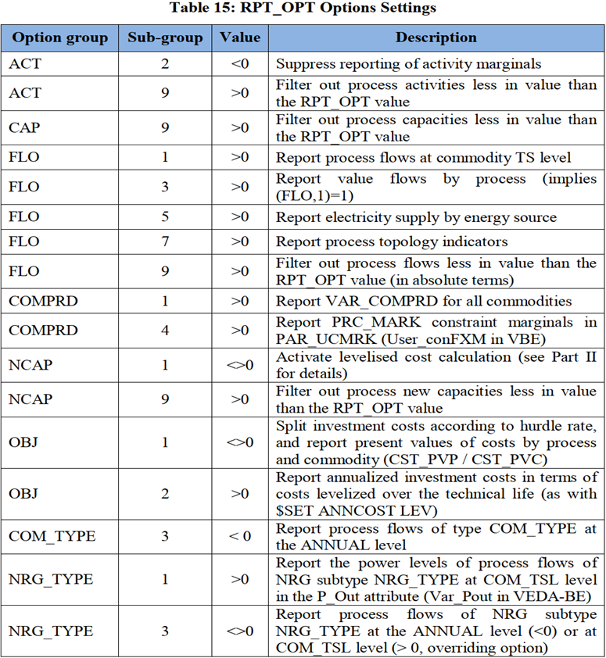

~TFM_INS
Attribute | Other_Indexes | AllRegions
RPT_OPT | ACT~2 | -1
RPT_OPT | NCAP~1 | 1
RPT_OPT | FLO~3 | 1
RPT_OPT | FLO~5 | 1
RPT_OPT | FLO~1 | 1
RPT_OPT | COMPRD~1 | 1
RPT_OPT | OBJ~1 | 1
RPT_OPT | NCAP~1 | 1
RPT_OPT | ELC~1 | 1

