reporting options
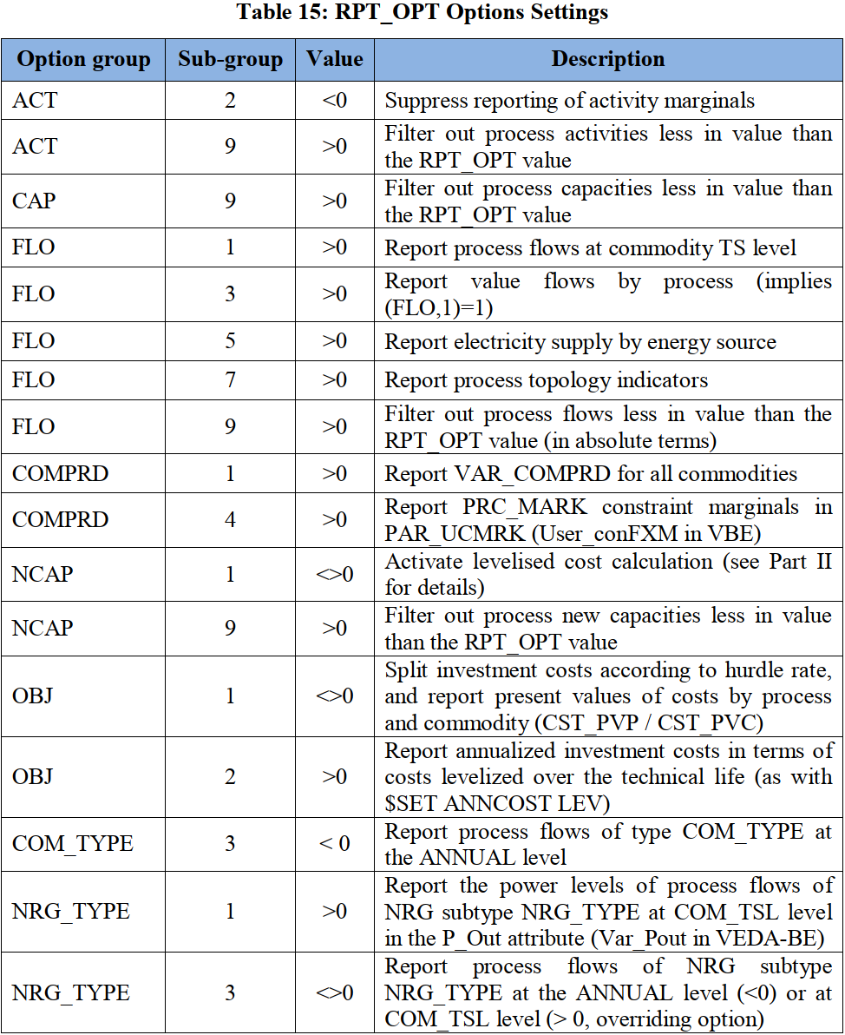
~TFM_INS
Attribute | Other_Indexes | AllRegions
RPT_OPT | ACT~2 | -1
RPT_OPT | NCAP~1 | 1
RPT_OPT | FLO~3 | 1
RPT_OPT | FLO~5 | 1
RPT_OPT | FLO~1 | 1
RPT_OPT | COMPRD~1 | 1
RPT_OPT | OBJ~1 | 1
RPT_OPT | NCAP~1 | 1
RPT_OPT | ELC~1 | 1
RPT_OPT | ELC~3 | 2
RPT_OPT | COMPRD~4 | 1
RPT_OPT | ACT~9 | 1.00E-05
RPT_OPT | CAP~9 | 1.00E-05
RPT_OPT | FLO~9 | 1.00E-05
RPT_OPT | NCAP~9 | 1.00E-05
RFCmd_FLAGS | $ SET DATAGDXI YES | 1

This will enable metadata tags

~md_dimensions
name | overwrite
date | Y
version | Y
source | Y
year | Y
URL | Y
comment
author | Y

