reporting options
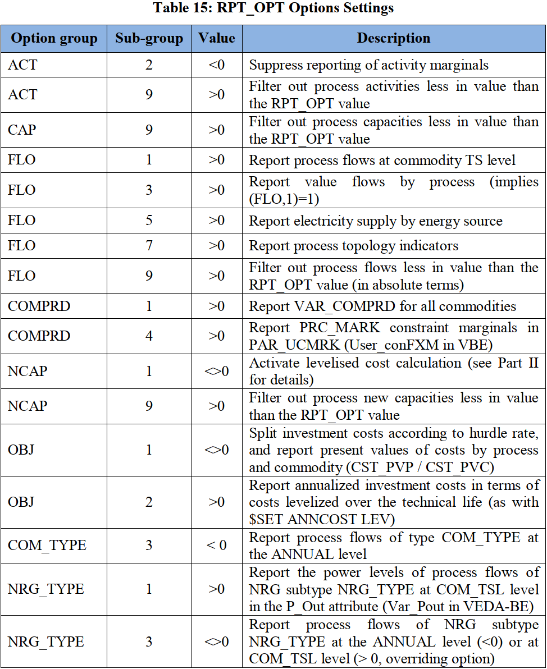
 | ~TFM_INS
 | Attribute | Other_Indexes | AllRegions
 | RPT_OPT | ACT~2 | -1
 | RPT_OPT | NCAP~1 | 1
 | RPT_OPT | FLO~3 | 1
 | RPT_OPT | FLO~5 | 1
 | RPT_OPT | FLO~1 | 1
 | RPT_OPT | COMPRD~1 | 1
 | RPT_OPT | OBJ~1 | 1
 | RPT_OPT | NCAP~1 | 1
 | RPT_OPT | ELC~1 | 1
 | RPT_OPT | ELC~3 | 2
 | RPT_OPT | COMPRD~4 | 1
 | RPT_OPT | ACT~9 | 1.00E-05
 | RPT_OPT | CAP~9 | 1.00E-05
 | RPT_OPT | FLO~9 | 1.00E-05
 | RPT_OPT | NCAP~9 | 1.00E-05
 | RFCmd_FLAGS | $ SET DATAGDXI YES | 1

This will enable metadata tags

 | ~md_dimensions
 | name | overwrite
 | date | Y
 | version | Y
 | source | Y
 | year | Y
 | URL | Y
 | comment
 | author | Y

