Plush lever

Item number | 031285.53.0B.00
Name | Plush lever
Operation | 10

Item number | Product name | Tool life | Qty. | Item Number2 | Item Name | Operation
1221049122 | REAMER MC Ø4.99 (0/+0.004)X23X60X86 Z=6 | 5000 | 1 | 031285.53.0B.00 | Plush lever | 10
1042004209 | ENDMILL MC Ø4X11X75 MM. | 5000 | 1 | 031285.53.0B.00 | Plush lever | 10
1021048120 | DRILL MC Ø4.8X62, Z=2 | 5000 | 1 | 031285.53.0B.00 | Plush lever | 10
1221050123 | REAMER MC Ø5 H7X23XØ5X86 Z=6 | 2000 | 1 | 031285.53.0B.00 | Plush lever | 10
1221040120 | REAMER MC Ø4.005X75 Z=6 | 2000 | 1 | 031285.53.0B.00 | Plush lever | 10
1221019151 | REAMER HSS Ø1.98X11X24XØ2X49, Z=4 | 5000 | 1 | 031285.53.0B.00 | Plush lever | 10
1042006207 | ENDMILL CARBIDE Ø6X6X17X60, Z=3 | 4000 | 1 | 031285.53.0B.00 | Plush lever | 10
1021038122 | DRILL MC Ø3.8X25X40XØ4X90, Z=2 | 4000 | 1 | 031285.53.0B.00 | Plush lever | 10
1026030120 | SPOTTING DRILL 90° MC Ø3X9X38,Z=2HM | 5000 | 1 | 031285.53.0B.00 | Plush lever | 10
1025040121 | CENTERDRILL MC 90° Ø4X10X50,Z=2HM | 5000 | 1 | 031285.53.0B.00 | Plush lever | 10
1029018120 | DRILL MC Ø1.8X48 | 4000 | 1 | 031285.53.0B.00 | Plush lever | 10

Lever

Item number | 0340885.0O.00
Name | Lever
Operation | 10

Item number | Product name | Tool life | Qty. | Item Number2 | Item Name | Operation
1026050121 | SPOTTING DRILL 90° MC Ø5X13X50,Z=2 | 3000 | 1 | 0340885.0O.00 | Lever | 10
1042006404 | ENDMILL MC Ø6X16X50 Z=6 ALTIN | 450 | 1 | 0340885.0O.00 | Lever | 10
1024033120 | DRILL MC Ø3.3X27X30XØ4X66 MM. | 550 | 1 | 0340885.0O.00 | Lever | 10
1031040120 | TAP M4-6H HSS-E DIN371 | 550 | 1 | 0340885.0O.00 | Lever | 10
1042010401 | ENDMILL MC Ø10X6.5X22X72X40° Z4 TiALN | 900 | 1 | 0340885.0O.00 | Lever | 10
1042010401 | ENDMILL MC Ø10X6.5X22X72X40° Z4 TiALN | 900 | 1 | 0340885.0O.00 | Lever | 10

Y-BELT TENSIONER
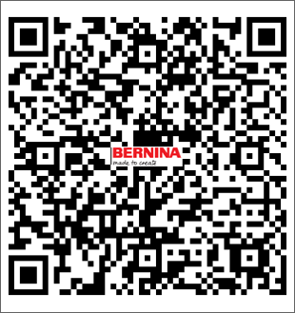
Item number | 0324715.0.00
Name | Y-BELT TENSIONER
Operation | 40

Item number | Product name | Tool life | Qty. | Item Number2 | Item Name | Operation
1023048120 | DRILL MC Ø4.8X62, Z=3HM | 6000 | 1 | 0324715.0.00 | Y-BELT TENSIONER | 10
1021042160 | TWIST DRILL MC Ø4.2X24XØ6X36X66 TiAlN-TiN | 7000 | 1 | 0324715.0.00 | Y-BELT TENSIONER | 10
1042005206 | CHAMFERING ENDMILL Ø5X2.3X15XØ6X40X100 MM. | 8000 | 1 | 0324715.0.00 | Y-BELT TENSIONER | 10
1031040120 | TAP M4-6H HSS-E DIN371 | 3000 | 1 | 0324715.0.00 | Y-BELT TENSIONER | 10
1221050125 | REAMER MC Ø5.01 (0/+0.004)X21X44XØ6X36X80 Z=6 | 6000 | 1 | 0324715.0.00 | Y-BELT TENSIONER | 10
1024033120 | DRILL MC Ø3.3X27X30XØ4X66 MM. | 3000 | 1 | 0324715.0.00 | Y-BELT TENSIONER | 10
1026060120 | SPOTTING DRILL 90° MC Ø6X13X57,Z=2HM | 8000 | 1 | 0324715.0.00 | Y-BELT TENSIONER | 10

Knife Support
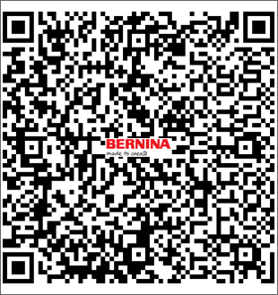
Item number | 036185.51.0C.00
Name | Knife Support
Operation | 20

Item number | Product name | Tool life | Qty. | Item Number2 | Item Name | Operation
1026060120 | SPOTTING DRILL 90° MC Ø6X13X57,Z=2HM | 1850 | 1 | 036185.51.0C.00 | Knife Support | 20
1024033120 | DRILL MC Ø3.3X27X30XØ4X66 MM. | 900 | 1 | 036185.51.0C.00 | Knife Support | 20
1031040120 | TAP M4-6H HSS-E DIN371 | 450 | 1 | 036185.51.0C.00 | Knife Support | 20
1026050121 | SPOTTING DRILL 90° MC Ø5X13X50,Z=2 | 2000 | 1 | 036185.51.0C.00 | Knife Support | 20
1042006404 | ENDMILL MC Ø6X16X50 Z=6 ALTIN | 300 | 1 | 036185.51.0C.00 | Knife Support | 20
1042006404 | ENDMILL MC Ø6X16X50 Z=6 ALTIN | 300 | 1 | 036185.51.0C.00 | Knife Support | 20
1028029126 | STEP DRILL MC Ø2.9X15X28XØ4X65 TiALN | 650 | 1 | 036185.51.0C.00 | Knife Support | 20
1021025122 | DRILL MC Ø2.5X20XØ4X60, Z=2 | 900 | 1 | 036185.51.0C.00 | Knife Support | 20
1031030113 | TAP M3-6H HSS-E DIN371 | 350 | 1 | 036185.51.0C.00 | Knife Support | 20
1221030120 | REAMER MC Ø3.01 (0/+0.004)X18X38X57 MM. | 1000 | 1 | 036185.51.0C.00 | Knife Support | 20
1221030120 | REAMER MC Ø3.01 (0/+0.004)X18X38X57 MM. | 1000 | 1 | 036185.51.0C.00 | Knife Support | 20
1043020204 | CUTTER MC Ø20X0.4XØ5 Z=64 | 2000 | 1 | 036185.51.0C.00 | Knife Support | 20

Feed dog fork 1052235.1.00
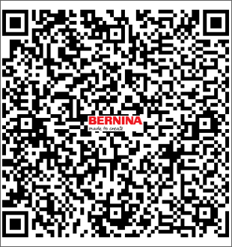
Item number | 1052235.1.00
Name | Feed dog fork
Operation | 10

Item number | Product name | Tool life | Qty. | Item Number2 | Item Name | Operation
1025080120 | CENTERDRILL 90° MC Ø8X27X63 MM.,Z=2HM | 100000 | 1 | 1052235.1.00 | Feed dog fork | 10
1026050121 | SPOTTING DRILL 90° MC Ø5X13X50,Z=2 | 10000 | 1 | 1052235.1.00 | Feed dog fork | 10
1021025122 | DRILL MC Ø2.5X20XØ4X60, Z=2 | 5000 | 1 | 1052235.1.00 | Feed dog fork | 10
1031030113 | TAP M3-6H HSS-E DIN371 | 3000 | 1 | 1052235.1.00 | Feed dog fork | 10
1024033120 | DRILL MC Ø3.3X27X30XØ4X66 MM. | 10000 | 1 | 1052235.1.00 | Feed dog fork | 10
1042006404 | ENDMILL MC Ø6X16X50 Z=6 ALTIN | 10000 | 1 | 1052235.1.00 | Feed dog fork | 10
1031040120 | TAP M4-6H HSS-E DIN371 | 3000 | 1 | 1052235.1.00 | Feed dog fork | 10
1021038122 | DRILL MC Ø3.8X25X40XØ4X90, Z=2 | 5000 | 1 | 1052235.1.00 | Feed dog fork | 10
1221050123 | REAMER MC Ø5 H7X23XØ5X86 Z=6 | 5000 | 1 | 1052235.1.00 | Feed dog fork | 10
1221040163 | REAMER MC Ø4.015 (0/+0.002)X19XØ4X28X75 Z=6 | 5000 | 1 | 1052235.1.00 | Feed dog fork | 10
1023048120 | DRILL MC Ø4.8X62, Z=3HM | 5000 | 1 | 1052235.1.00 | Feed dog fork | 10
1021068120 | DRILL MC Ø6.8X20XØ6.8X100 | 1800 | 1 | 1052235.1.00 | Feed dog fork | 10

Feed dog fork 031728.50.00
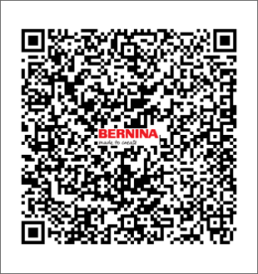
Item number | 031728.50.00
Name | Feed dog fork
Operation | 10

Item number | Product name | Tool life | Qty. | Item Number2 | Item Name | Operation
1026050121 | SPOTTING DRILL 90° MC Ø5X13X50,Z=2 | 5000 | 1 | 031728.50.00 | Feed dog fork | 10
60213025 | DRILL MC Q2.5X57,Z=2 | 5000 | 1 | 031728.50.00 | Feed dog fork | 10
60829006 | TAP M3-6H HSS (N360-3) | 1000 | 1 | 031728.50.00 | Feed dog fork | 10
1024033120 | DRILL MC Ø3.3X27X30XØ4X66 MM. | 1000 | 1 | 031728.50.00 | Feed dog fork | 10
60829008 | TAP M4-6H HSSE (N360-3) | 1000 | 1 | 031728.50.00 | Feed dog fork | 10
1021048140 | DRILL MC Ø4.8X66 | 1000 | 1 | 031728.50.00 | Feed dog fork | 10
1025040121 | CENTERDRILL MC 90° Ø4X10X50,Z=2HM | 5000 | 1 | 031728.50.00 | Feed dog fork | 10
1021068120 | DRILL MC Ø6.8X20XØ6.8X100 | 1000 | 1 | 031728.50.00 | Feed dog fork | 10
1021037120 | TWIST DRILL MC Ø3.75X24.4X49XØ6X79 Z=2 | 1000 | 1 | 031728.50.00 | Feed dog fork | 10
1221070120 | REAMER MC Ø7 G7X110 Z=6 | 1000 | 1 | 031728.50.00 | Feed dog fork | 10
1221040115 | REAMER HSS Ø4.02X19X47XØ4X75, Z=6 | 1000 | 1 | 031728.50.00 | Feed dog fork | 10
1042006200 | ENDMILL MC Ø6.0X13XØ6X57,Z=4 | 5000 | 1 | 031728.50.00 | Feed dog fork | 10

