Stitch Plate Carrier
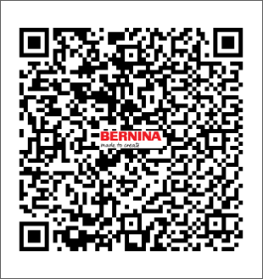
Item number | 1040995.0.00
Name | Stitch Plate Carrier
Operation | 10

Item number | Product name | Tool life | Qty. | Item Number2 | Item Name | Operation
1042006203 | ENDMILL MC Ø6X16XØ6X50, Z=4 ALTiN | 1200 | 1 | 1040995.0.00 | Stitch Plate Carrier | 10
1042002213 | ENDMILL MC Ø2X6X6X50,Z4 | 400 | 1 | 1040995.0.00 | Stitch Plate Carrier | 10
1042004602 | ENDMILL MC Ø4.0X11XØ6X50, Z=4 ALTiN | 400 | 1 | 1040995.0.00 | Stitch Plate Carrier | 10
1025040121 | CENTERDRILL MC 90° Ø4X10X50,Z=2HM | 1000 | 1 | 1040995.0.00 | Stitch Plate Carrier | 10
1042002213 | ENDMILL MC Ø2X6X6X50,Z4 | 400 | 1 | 1040995.0.00 | Stitch Plate Carrier | 10
1031025106 | TAP M2.5X0.45-6G HSS-E COMBO DIN371 SPIRAL FLUTE TAP | 420 | 1 | 1040995.0.00 | Stitch Plate Carrier | 10
1021023120 | TWIST DRILL MC Ø2.3X27X53, Z=2 | 1000 | 1 | 1040995.0.00 | Stitch Plate Carrier | 10
1221025121 | REAMER MC Ø2.51 (0/+0.004)X16X32XØ3X28X60 Z=4 | 2000 | 1 | 1040995.0.00 | Stitch Plate Carrier | 10
1221024120 | REAMER MC Ø2.48 (0/+0.003) X18XØ2.48X57 Z=6 | 2000 | 1 | 1040995.0.00 | Stitch Plate Carrier | 10

Stitch Length

Item number | 1040995.0.00
Name | Stitch Length
Operation | 10

Item number | Product name | Tool life | Qty. | Item Number2 | Item Name | Operation
1028036120 | STEP DRILL MC Ø3.63X10XØ4.4X64 Z=2 | 100 | 1 | 1040995.0.00 | Stitch Length | 10
1025040121 | CENTERDRILL MC 90° Ø4X10X50,Z=2HM | 300 | 1 | 1040995.0.00 | Stitch Length | 10

