Connecting rod
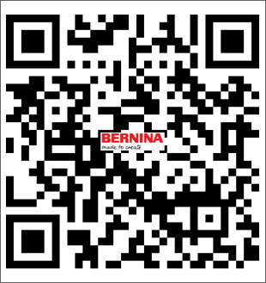
Item number | 0340375.00C.00
Name | Connecting rod
Operation | 10

Item number | Product name | Tool life | Qty. | Item Number2 | Item Name | Operation
1043100101 | CIRCULAR SAW Ø100X2.0X22 MM. Z=28 | 500 | 1 | 0340375.00C.00 | Connecting rod | 10
1043080201 | SLITTING SAW MC Ø80X4XØ22 Z=64 | 5000 | 1 | 0340375.00C.00 | Connecting rod | 10

Upper shaft 0370105.0.00
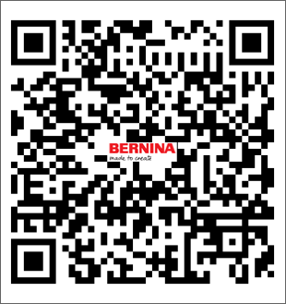
Item number | 0370105.0.00
Name | Upper shaft
Operation | 80

Item number | Product name | Tool life | Qty. | Item Number2 | Item Name | Operation
1042003400 | ENDMILL TC COATED Ø3X38,Z=5 | 4000 | 1 | 0370105.0.00 | Upper shaft | 80
1025040121 | CENTERDRILL MC 90° Ø4X10X50,Z=2HM | 4000 | 1 | 0370105.0.01 | Upper shaft | 80
1221030160 | REAMER MC Ø3 (±0.002)X10X25XØ3X70 MM. Z=6 | 640 | 1 | 0370105.0.02 | Upper shaft | 80
1028029125 | STEP DRILL MC Ø2.9X8.7XØ4X13X45 MM. | 640 | 1 | 0370105.0.03 | Upper shaft | 80

Plate needle
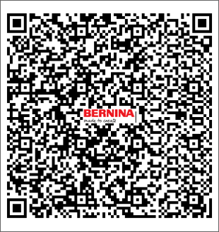
Item number | M35134/C
Name | Plate needle
Operation | 10

Item number | Product name | Tool life | Qty. | Item Number2 | Item Name | Operation
1026040120 | SPOTTING DRILL MC 120° Ø4X10X50, Z=2 | 1200 | 1 | M35134/C | Plate needle | 10
1026050121 | SPOTTING DRILL 90° MC Ø5X13X50,Z=2 | 2000 | 1 | M35134/C | Plate needle | 10
1042001209 | ENDMILL MC Ø1.5,Z=4 | 500 | 1 | M35134/C | Plate needle | 10
1042005205 | RADIUS MILL CUTTER R0.5XØ0.5 | 1500 | 1 | M35134/C | Plate needle | 10
1042002202 | ENDMILL MC Ø2.5X8XØ6X50, Z=4 ALTiN | 600 | 1 | M35134/C | Plate needle | 10
1023019100 | DRILL MC Ø1.9X16X38,Z=2 | 1800 | 1 | M35134/C | Plate needle | 10
1026030120 | SPOTTING DRILL 90° MC Ø3X9X38,Z=2HM | 1400 | 1 | M35134/C | Plate needle | 10
1042006404 | ENDMILL MC Ø6X16X50 Z=6 ALTIN | 60 | 1 | M35134/C | Plate needle | 10
1042006206 | ENDMILL MC Ø6XR0.5X12XØ6X50, Z=4 ALTIN | 80 | 1 | M35134/C | Plate needle | 10
1029020122 | DRILL MC Ø2.05X15XØ3X38,Z=2 | 1200 | 1 | M35134/C | Plate needle | 10
1021025122 | DRILL MC Ø2.5X20XØ4X60, Z=2 | 1700 | 1 | M35134/C | Plate needle | 10
1042002213 | ENDMILL MC Ø2X6X6X50,Z4 | 650 | 1 | M35134/C | Plate needle | 10
1042004602 | ENDMILL MC Ø4.0X11XØ6X50, Z=4 ALTiN | 200 | 1 | M35134/C | Plate needle | 10
1031025106 | TAP M2.5X0.45-6G HSS-E COMBO DIN371 SPIRAL FLUTE TAP | 50 | 1 | M35134/C | Plate needle | 10
1031030125 | TAP M3-7G HSS-E DIN371 SPIRAL | 100 | 1 | M35134/C | Plate needle | 10
1042004602 | ENDMILL MC Ø4.0X11XØ6X50, Z=4 ALTiN | 200 | 1 | M35134/C | Plate needle | 10

Stitch Length
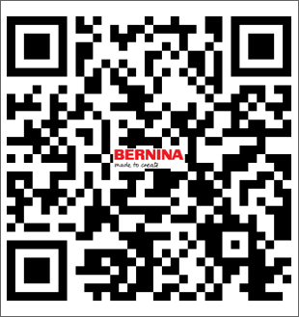
Item number | 007803.53.00
Name | Stitch Length
Operation | 10

Item number | Product name | Tool life | Qty. | Item Number2 | Item Name | Operation
1028036120 | STEP DRILL MC Ø3.63X10XØ4.4X64 Z=2 | 100 | 1 | 007803.53.00 | Stitch Length | 10
1025040121 | CENTERDRILL MC 90° Ø4X10X50,Z=2HM | 300 | 1 | 007803.53.00 | Stitch Length | 10

Stitch Plate Carrier
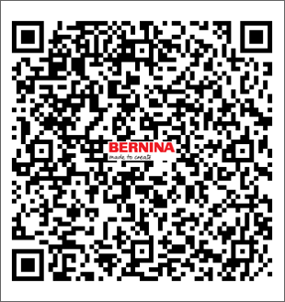
Item number | 1040995.0.00
Name | Stitch Plate Carrier
Operation | 10

Item number | Product name | Tool life | Qty. | Item Number2 | Item Name | Operation
1042006203 | ENDMILL MC Ø6X16XØ6X50, Z=4 ALTiN | 1200 | 1 | 1040995.0.00 | Stitch Plate Carrier | 10
1042002213 | ENDMILL MC Ø2X6X6X50,Z4 | 400 | 1 | 1040995.0.00 | Stitch Plate Carrier | 10
1042004602 | ENDMILL MC Ø4.0X11XØ6X50, Z=4 ALTiN | 1000 | 1 | 1040995.0.00 | Stitch Plate Carrier | 10
1025040121 | CENTERDRILL MC 90° Ø4X10X50,Z=2HM | 1000 | 1 | 1040995.0.00 | Stitch Plate Carrier | 10
1042002213 | ENDMILL MC Ø2X6X6X50,Z4 | 400 | 1 | 1040995.0.00 | Stitch Plate Carrier | 10
1031025106 | TAP M2.5X0.45-6G HSS-E COMBO DIN371 SPIRAL FLUTE TAP | 420 | 1 | 1040995.0.00 | Stitch Plate Carrier | 10
1021023120 | TWIST DRILL MC Ø2.3X27X53, Z=2 | 1000 | 1 | 1040995.0.00 | Stitch Plate Carrier | 10
1221025121 | REAMER MC Ø2.51 (0/+0.004)X16X32XØ3X28X60 Z=4 | 2000 | 1 | 1040995.0.00 | Stitch Plate Carrier | 10
1221024120 | REAMER MC Ø2.48 (0/+0.003) X18XØ2.48X57 Z=6 | 2000 | 1 | 1040995.0.00 | Stitch Plate Carrier | 10

H.G.W0334915.60B.00
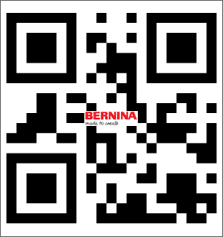
Item number | 0334915.60B.00
Name | H.G.W
Operation | 10

Item number | Product name | Tool life | Qty. | Item Number2 | Item Name | Operation
1042006404 | ENDMILL MC Ø6X16X50 Z=6 ALTIN | 5000 | 1 | 0334915.60B.00 | H.G.W | 10

