Sole Zip Foot #4
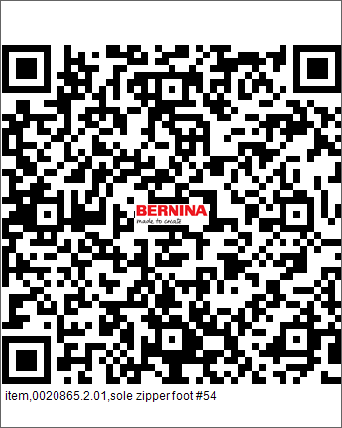
Item number | 0020865.2.01
Name | sole zipper foot #54
Operation | 20

Item number | Product name | Tool life | Qty. | Item Number2 | Item Name | Operation
1025040121 | CENTERDRILL MC 90° Ø4X10X50,Z=2HM | 10000 | 1 | 002086.52.01 | Sole Zip Foot #4 | 20
1021014120 | TWIST DRILL MC Ø1.4X11.2XØ3X38, Z=2 | 10000 | 1 | 002086.52.01 | Sole Zip Foot #5 | 20
1221015124 | REAMER MC Ø1.58(0/+0.003)X7X15XØ3X50 Z=3 | 10000 | 1 | 002086.52.01 | Sole Zip Foot #6 | 20
1021027121 | DRILL MC Ø2.7X16X46 MM. | 10000 | 1 | 002086.52.01 | Sole Zip Foot #7 | 20
1026030120 | SPOTTING DRILL 90° MC Ø3X9X38,Z=2HM | 10000 | 1 | 002086.52.01 | Sole Zip Foot #8 | 20

Sole0016635.4.00
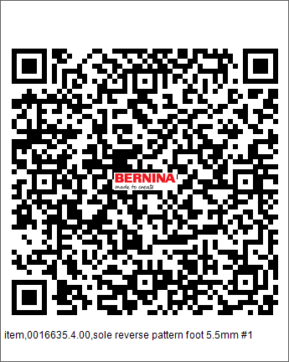
Item number | 0016635.4.00
Name | sole reverse pattern foot 5.5mm #1
Operation | 10

Item number | Product name | Tool life | Qty. | Item Number2 | Item Name | Operation
7305205000 | T-FRASER | 5000 | 1 | 0016635.4.00 | Sole | 10
1043040200 | SLITTING SAW MC Ø40X0.4XØ8 Z=100 | 2000 | 1 | 0016635.4.00 | Sole | 10
1042005402 | BALLNOSE ENDMILL Ø5XR2.5X5X57 | 10000 | 1 | 0016635.4.00 | Sole | 10

Sole0016905.0.00
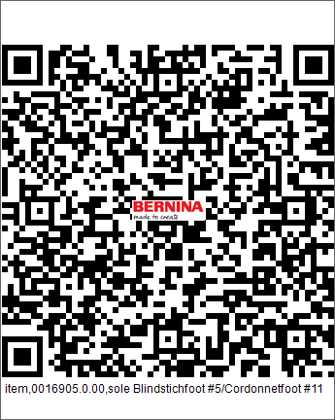
Item number | 0016905.0.00
Name | sole Blindstichfoot #5/Cordonnetfoot #11
Operation | 10

Item number | Product name | Tool life | Qty. | Item Number2 | Item Name | Operation
7305205000 | T-FRASER | 10000 | 1 | 0016905.0.00 | Sole | 10
1043015203 | SLITTING SAW MC Ø15X0.8XØ5, Z=40 | 10000 | 1 | 0016905.0.00 | Sole | 10
1042004601 | BALLNOSE ENDMILL MC Ø4X43 Z=3 | 10000 | 1 | 0016905.0.00 | Sole | 10

Sole0016905.2.00
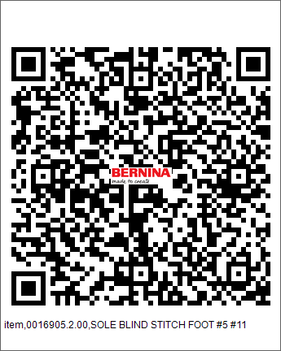
Item number | 0016905.2.00
Name | SOLE BLIND STITCH FOOT #5 #11
Operation | 10

Item number | Product name | Tool life | Qty. | Item Number2 | Item Name | Operation
7305205000 | T-FRASER | 10000 | 1 | 0016905.2.00 | Sole | 10

Sole overlock0016965.0.00
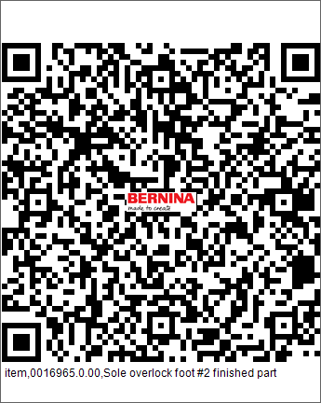
Item number | 0016965.0.00
Name | Sole overlock foot #2 finished part
Operation | 10

Item number | Product name | Tool life | Qty. | Item Number2 | Item Name | Operation
1021014120 | TWIST DRILL MC Ø1.4X11.2XØ3X38, Z=2 | 5000 | 1 | 0016965.0.00 | Sole overlock | 10
1221015124 | REAMER MC Ø1.58(0/+0.003)X7X15XØ3X50 Z=3 | 3500 | 1 | 0016965.0.00 | Sole overlock | 10
1021016124 | TWIST DRILL MC Ø1.6X12XØ3X38 Z=2 | 5000 | 1 | 0016965.0.00 | Sole overlock | 10
1031020100 | TAP M2-6G HSS (N320-3) | 2000 | 1 | 0016965.0.00 | Sole overlock | 10
1025040121 | CENTERDRILL MC 90° Ø4X10X50,Z=2HM | 6500 | 1 | 0016965.0.00 | Sole overlock | 10

Sole overlock0016965.10A.01
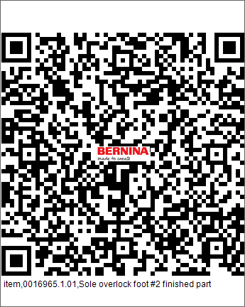
Item number | 0016965.1.01
Name | Sole overlock foot #2 finished part
Operation | 10

Item number | Product name | Tool life | Qty. | Item Number2 | Item Name | Operation
1021014120 | TWIST DRILL MC Ø1.4X11.2XØ3X38, Z=2 | 5000 | 1 | 0016965.10A.01 | Sole overlock | 10
1221015124 | REAMER MC Ø1.58(0/+0.003)X7X15XØ3X50 Z=3 | 5000 | 1 | 0016965.10A.01 | Sole overlock | 10
1021016124 | TWIST DRILL MC Ø1.6X12XØ3X38 Z=2 | 5000 | 1 | 0016965.10A.01 | Sole overlock | 10
1031020100 | TAP M2-6G HSS (N320-3) | 5000 | 1 | 0016965.10A.01 | Sole overlock | 10
1025040121 | CENTERDRILL MC 90° Ø4X10X50,Z=2HM | 10000 | 1 | 0016965.10A.01 | Sole overlock | 10

Sole Small Square
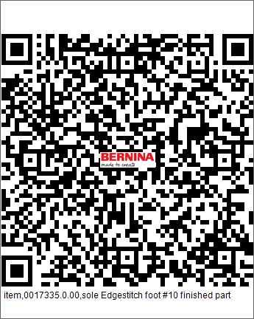
Item number | 0017335.0.00
Name | sole Edgestitch foot #10 finished part
Operation | 10

Item number | Product name | Tool life | Qty. | Item Number2 | Item Name | Operation
7305205000 | T-FRASER | 3000 | 1 | 0017335.0.00 | Sole Small Square | 10
1025040121 | CENTERDRILL MC 90° Ø4X10X50,Z=2HM | 3000 | 1 | 0017335.0.00 | Sole Small Square | 10
1021016124 | TWIST DRILL MC Ø1.6X12XØ3X38 Z=2 | 3000 | 1 | 0017335.0.00 | Sole Small Square | 10
1031020100 | TAP M2-6G HSS (N320-3) | 3000 | 1 | 0017335.0.00 | Sole Small Square | 10

Sole open
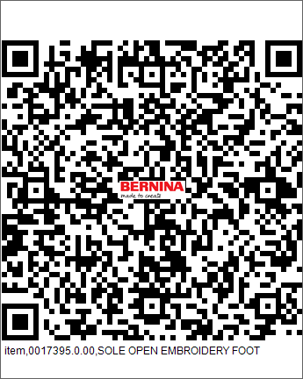
Item number | 0017395.0.00
Name | SOLE OPEN EMBROIDERY FOOT
Operation | 10

Item number | Product name | Tool life | Qty. | Item Number2 | Item Name | Operation
7305205000 | T-FRASER | 5000 | 1 | 0017395.0.00 | Sole open | 10
1042002204 | ENDMILL MC Ø2.5X6X57,Z=3 | 5000 | 1 | 0017395.0.00 | Sole open | 10
1042004601 | BALLNOSE ENDMILL MC Ø4X43 Z=3 | 10000 | 1 | 0017395.0.00 | Sole open | 10

Sole To Hemmer 6mm.
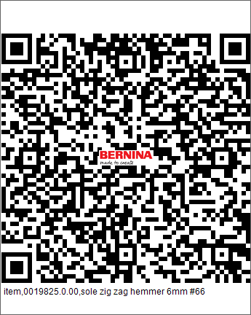
Item number | 0019825.0.00
Name | sole zig zag hemmer 6mm #66
Operation | 10

Item number | Product name | Tool life | Qty. | Item Number2 | Item Name | Operation
7305205000 | T-FRASER | 3000 | 1 | 0019825.0.00 | Sole To Hemmer 6mm. | 10
1025040121 | CENTERDRILL MC 90° Ø4X10X50,Z=2HM | 3000 | 1 | 0019825.0.00 | Sole To Hemmer 6mm. | 10
1021016124 | TWIST DRILL MC Ø1.6X12XØ3X38 Z=2 | 3000 | 1 | 0019825.0.00 | Sole To Hemmer 6mm. | 10
1031020100 | TAP M2-6G HSS (N320-3) | 3000 | 1 | 0019825.0.00 | Sole To Hemmer 6mm. | 10

Sole #38
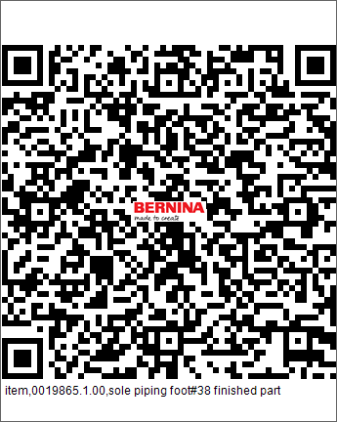
Item number | 0019865.1.00
Name | sole piping foot#38 finished part
Operation | 10

Item number | Product name | Tool life | Qty. | Item Number2 | Item Name | Operation
1024014140 | TWIST DRILL MC Ø1.48X15X43XØ3X62, Z=2 TIALN | 5000 | 1 | 0019865.1.00 | Sole #38 | 10
1221015124 | REAMER MC Ø1.58(0/+0.003)X7X15XØ3X50 Z=3 | 5000 | 1 | 0019865.1.00 | Sole #38 | 10
1026030120 | SPOTTING DRILL 90° MC Ø3X9X38,Z=2HM | 10000 | 1 | 0019865.1.00 | Sole #38 | 10

sole jeans foot
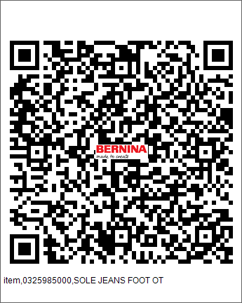
Item number | 0325985000
Name | SOLE JEANS FOOT OT
Operation | 10

Item number | Product name | Tool life | Qty. | Item Number2 | Item Name | Operation
7305205000 | DRILL HSS Q1.80 ( NEW ITEM ) | 5000 | 1 | 032598.50.00 | Sole | 10
1042003403 | BALLNOSE END MILL Ø3X5X30XØ6X102 Z=2 TiALN | 12000 | 1 | 032598.50.00 | Sole | 10

sole0358265.1.00
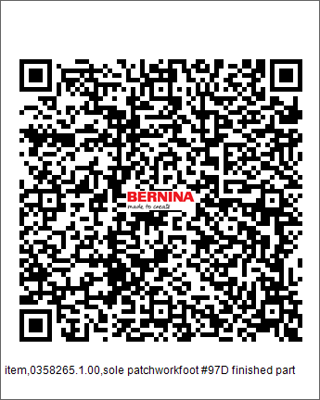
Item number | 0358265.1.00
Name | sole patchworkfoot #97D finished part
Operation | 10

Item number | Product name | Tool life | Qty. | Item Number2 | Item Name | Operation
7305205000 | T-FRASER | 5000 | 1 | 0358265.1.00 | Sole | 10
1042004601 | BALLNOSE ENDMILL MC Ø4X43 Z=3 | 10000 | 1 | 0358265.1.00 | Sole | 10

sole to patchwork foot finished
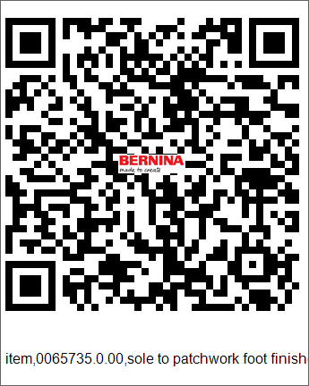
Item number | 0065735.0.00
Name | sole to patchwork foot finished part
Operation | 20

Item number | Product name | Tool life | Qty. | Item Number2 | Item Name | Operation
1026040140 | SPOTTING DRILL MC Ø4X10X150 | 5000 | 1 | 0065735.0.00 | Sole | 20
1021014120 | TWIST DRILL MC Ø1.4X11.2XØ3X38, Z=2 | 4000 | 1 | 0065735.0.00 | Sole | 20
1221015124 | REAMER MC Ø1.58(0/+0.003)X7X15XØ3X50 Z=3 | 3500 | 1 | 0065735.0.00 | Sole | 20
1021027121 | DRILL MC Ø2.7X16X46 MM. | 4000 | 1 | 0065735.0.00 | Sole | 20
1026030120 | SPOTTING DRILL 90° MC Ø3X9X38,Z=2HM | 5000 | 1 | 0065735.0.00 | Sole | 20

Sole revers pattern foot
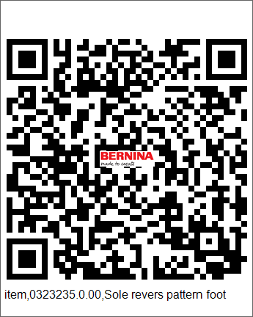
Item number | 0323235.0.00
Name | Sole revers pattern foot
Operation | 10

Item number | Product name | Tool life | Qty. | Item Number2 | Item Name | Operation
7305205000 | DRILL HSS Q1.80 ( NEW ITEM ) | 5000 | 1 | 0323235.0.00 | Sole | 10
1043015203 | SLITTING SAW MC Ø15X0.8XØ5, Z=40 | 5000 | 1 | 0323235.0.00 | Sole | 10
1042004601 | BALLNOSE ENDMILL MC Ø4X43 Z=3 | 5000 | 1 | 0323235.0.00 | Sole | 10

Sole embroidering foot
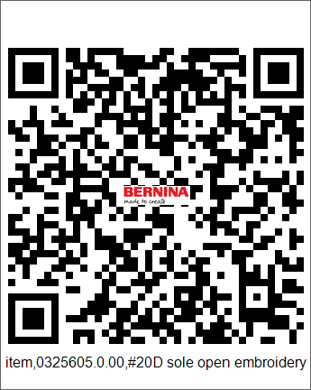
Item number | 0325605.0.00
Name | #20D sole open embroidery foot OT
Operation | 10

Item number | Product name | Tool life | Qty. | Item Number2 | Item Name | Operation
7305205000 | T-FRASER | 5000 | 1 | 0325605.0.00 | Sole Embroidering Foot | 10

Feed dog 9mm
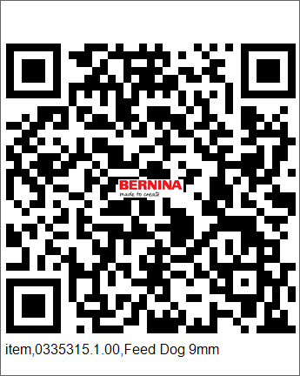
Item number | 0335315.1.00
Name | Feed Dog 9mm
Operation | 60 | @5113

Item number | Product name | Tool life | Qty. | Item Number2 | Item Name | Operation
1042004602 | ENDMILL MC Ø4.0X11XØ6X50, Z=4 ALTiN | 500 | 1 | 0335315.1.00 | Feed dog 9mm | 60
1042004602 | ENDMILL MC Ø4.0X11XØ6X50, Z=4 ALTiN | 500 | 1 | 0335315.1.00 | Feed dog 9mm | 60

Sole0358255.1.00
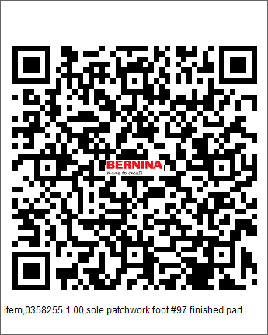
Item number | 0358255.1.00
Name | sole patchwork foot #97 finished part
Operation | 10

Item number | Product name | Tool life | Qty. | Item Number2 | Item Name | Operation
7305205000 | T-FRASER | 500 | 1 | 0358255.1.00 | Sole | 10

Sole knopfloch foot
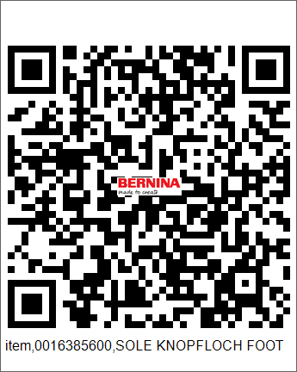
Item number | 0016385600
Name | SOLE KNOPFLOCH FOOT
Operation | 10

Item number | Product name | Tool life | Qty. | Item Number2 | Item Name | Operation
7305205000 | T-FRASER | 500 | 1 | 0016385600 | Sole knopfloch foot | 10
1042004601 | BALLNOSE ENDMILL MC Ø4X43 Z=3 | 1000 | 1 | 0016385600 | Sole knopfloch foot | 10

SOLE JEANS FOOT #8
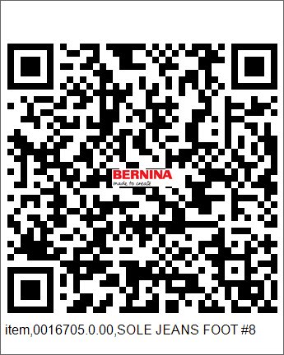
Item number | 0016705.0.00
Name | SOLE JEANS FOOT #8
Operation | 10

Item number | Product name | Tool life | Qty. | Item Number2 | Item Name | Operation
1042005402 | BALLNOSE ENDMILL Ø5XR2.5X5X57 | 5000 | 1 | 0016705.0.00 | SOLE JEANS FOOT #8 | 10
7305205000 | T-FRASER | 5000 | 1 | 0016705.0.00 | SOLE JEANS FOOT #8 | 10

SOLE QUERTRANSP FOOT
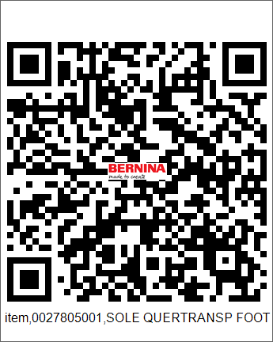
Item number | 0027805001
Name | SOLE QUERTRANSP FOOT
Operation | 10

Item number | Product name | Tool life | Qty. | Item Number2 | Item Name | Operation
7305205000 | T-FRASER | 10000 | 1 | 002780.50.01 | SOLE QUERTRANSP FOOT | 10
1042004601 | BALLNOSE ENDMILL MC Ø4X43 Z=3 | 10000 | 1 | 002780.50.01 | SOLE QUERTRANSP FOOT | 10

Sole #35
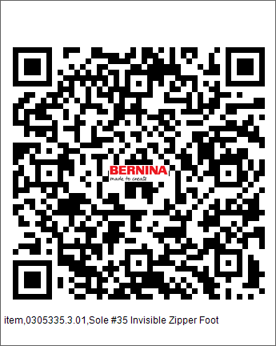
Item number | 0305335.3.01
Name | Sole #35 Invisible Zipper Foot
Operation | 10

Item number | Product name | Tool life | Qty. | Item Number2 | Item Name | Operation
7305205000 | T-FRASER | 5000 | 1 | 0305335.3.01 | Sole #35 | 10
1042001209 | ENDMILL MC Ø1.5,Z=4 | 5000 | 1 | 0305335.3.01 | Sole #35 | 10
1042001217 | BALLNOSE ENDMILL MC Ø1.6X2.5XØ3X38 Z=2 | 5000 | 1 | 0305335.3.01 | Sole #35 | 10
1042004601 | BALLNOSE ENDMILL MC Ø4X43 Z=3 | 5000 | 1 | 0305335.3.01 | Sole #35 | 10
1026030120 | SPOTTING DRILL 90° MC Ø3X9X38,Z=2HM | 5000 | 1 | 0305335.3.01 | Sole #35 | 10

SOLE REVRS PATTERN FOOT
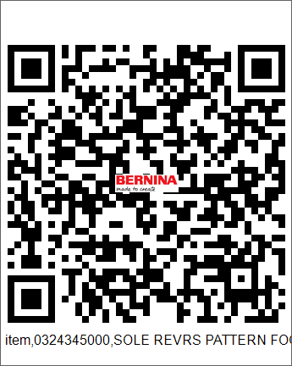
Item number | 0324345000
Name | SOLE REVRS PATTERN FOOT
Operation | 10

Item number | Product name | Tool life | Qty. | Item Number2 | Item Name | Operation
7305205000 | T-FRASER | 10000 | 1 | 0324345000 | Sole | 10
1042004601 | BALLNOSE ENDMILL MC Ø4X43 Z=3 | 10000 | 1 | 0324345000 | Sole | 10

SOLE ZIPPER FOOT OT
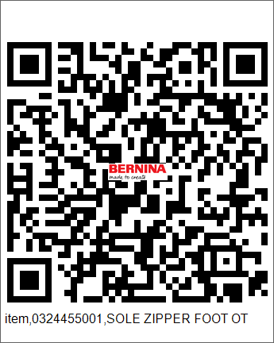
Item number | 0324455001
Name | SOLE ZIPPER FOOT OT
Operation | 10

Item number | Product name | Tool life | Qty. | Item Number2 | Item Name | Operation
7305205000 | T-FRASER | 5000 | 1 | 0324455001 | Sole | 10
1042003403 | BALLNOSE END MILL Ø3X5X30XØ6X102 Z=2 TiALN | 5000 | 1 | 0324455001 | Sole | 10

Sole lap-seam
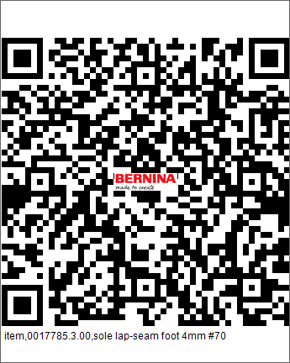
Item number | 0017785.3.00
Name | sole lap-seam foot 4mm #70
Operation | 10

Item number | Product name | Tool life | Qty. | Item Number2 | Item Name | Operation
7305205000 | T-FRASER | 5000 | 1 | 0017785.3.00 | Sole lap-seam | 10
1042005402 | BALLNOSE ENDMILL Ø5XR2.5X5X57 | 10000 | 1 | 0017785.3.00 | Sole lap-seam | 10

