EDA Q 1
What are the purchasing patterns of new customers versus repeat customers?
 |  |  |  |  | Analysis of the repeated customers.
analysis of the new customer
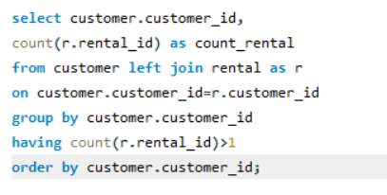
 |  |  | customer_id | count_rental
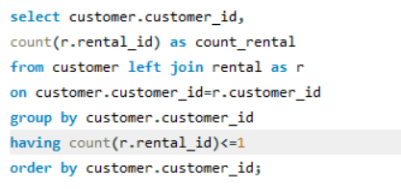
 |  |  | 1 | 32
 |  |  | 2 | 27
 |  |  | 3 | 26
 |  |  | 4 | 22
 |  |  | 5 | 38
 |  |  | 6 | 28
 |  |  | 7 | 33
 |  |  | 8 | 24
 |  |  | 9 | 23
Here after anaalysis of new and repeated customer , i find that there is no relation and no pattern in new and repeated one .
all the customers are repeated because there count of rental is always more than 1 .Hence the result.
 |  |  | 10 | 25
 | customer_id | count_rental | 11 | 24
 |  |  | 12 | 28
 |  |  | 13 | 27
 |  |  | 14 | 28
 |  |  | 15 | 32
 |  |  | 16 | 28
 |  |  | 17 | 21
 |  |  | 18 | 22
 |  |  | 19 | 24
 |  |  | 20 | 30
 |  |  | 21 | 35
So i can analysis the customer pattern , that how much they order or rent the dvd in a month.
there are only repeated customers so how much they rent in a month, we can analysis this with the data.
 |  |  | 22 | 22
 |  |  | 23 | 30
 |  |  | 24 | 25
 |  |  | 25 | 29
 |  |  | 26 | 34
 |  |  | 27 | 31
 |  |  | 28 | 32
 |  |  | 29 | 36
 |  |  | 30 | 34
 |  |  | 31 | 26 |  |  |  | there are total 158 customers who rent dvd in 30 days
 |  |  | 32 | 29
 |  |  | 33 | 21 |  | customer_id | , count(rental_id)
 |  |  | 34 | 24 |  | 5 | 1
 |  |  | 35 | 32 |  | 9 | 1
 |  |  | 36 | 27 |  | 11 | 1
 |  |  | 37 | 23 |  | 14 | 1
 |  |  | 38 | 34 |  | 15 | 2
 |  |  | 39 | 29 |  | 21 | 1
 |  |  | 40 | 27 |  | 22 | 1 | there are total 441 customers who didn’t rent dvd in 30 days
 |  |  | 41 | 25 |  | 23 | 1
 |  |  | 42 | 30 |  | 28 | 1
 |  |  | 43 | 24 |  | 29 | 1
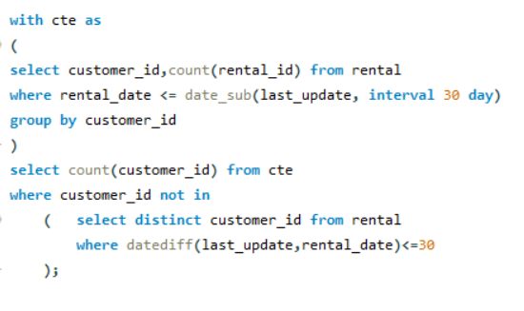
 |  |  | 44 | 26 |  | 33 | 1
 |  |  | 45 | 27 |  | 41 | 1
 |  |  | 46 | 34 |  | 42 | 2
 |  |  | 47 | 22 |  | 43 | 2
 |  |  | 48 | 17 |  | 44 | 1
 |  |  | 49 | 28 |  | 52 | 1
 |  |  | 50 | 35 |  | 53 | 2
 |  |  | 51 | 33 |  | 56 | 1
 |  |  | 52 | 29 |  | 58 | 1
 |  |  | 53 | 30 |  | 60 | 2
 |  |  | 54 | 29 |  | 64 | 1
 |  |  | 55 | 22 |  | 69 | 1
 |  |  | 56 | 30 |  | 73 | 1
 |  |  | 57 | 28 |  | 75 | 3
 |  |  | 58 | 27 |  | 80 | 1
 |  |  | 59 | 27 |  | 83 | 1
 |  |  | 60 | 25 |  | 87 | 1
 |  |  | 61 | 14 |  | 91 | 1
 |  |  | 62 | 23 |  | 94 | 1
 |  |  | 63 | 25 |  | 99 | 1
 |  |  | 64 | 33 |  | 100 | 1
 |  |  | 65 | 22 |  | 101 | 1
 |  |  | 66 | 34 |  | 107 | 2
 |  |  | 67 | 22 |  | 108 | 1
 |  |  | 68 | 22 |  | 111 | 1
 |  |  | 69 | 25 |  | 114 | 1
 |  |  | 70 | 18 |  | 115 | 1
 |  |  | 71 | 30 |  | 120 | 1
 |  |  | 72 | 30 |  | 135 | 1
 |  |  | 73 | 24 |  | 142 | 1
 |  |  | 74 | 27 |  | 152 | 1
 |  |  | 75 | 41 |  | 155 | 2
 |  |  | 76 | 23 |  | 162 | 1
 |  |  | 77 | 28 |  | 163 | 2
 |  |  | 78 | 31 |  | 168 | 1
 |  |  | 79 | 22 |  | 175 | 2
 |  |  | 80 | 30 |  | 178 | 1
 |  |  | 81 | 22 |  | 180 | 1
 |  |  | 82 | 26 |  | 181 | 1
 |  |  | 83 | 25 |  | 186 | 1
 |  |  | 84 | 33 |  | 188 | 1
 |  |  | 85 | 23 |  | 190 | 1
 |  |  | 86 | 33 |  | 191 | 1
 |  |  | 87 | 30 |  | 192 | 1
 |  |  | 88 | 21 |  | 193 | 1
 |  |  | 89 | 32 |  | 199 | 1
 |  |  | 90 | 28 |  | 200 | 1
 |  |  | 91 | 35 |  | 208 | 2
 |  |  | 92 | 28 |  | 211 | 1
 |  |  | 93 | 23 |  | 213 | 1
 |  |  | 94 | 21 |  | 214 | 1
 |  |  | 95 | 18 |  | 215 | 1
 |  |  | 96 | 27 |  | 216 | 2
 |  |  | 97 | 18 |  | 219 | 1
 |  |  | 98 | 25 |  | 227 | 1
 |  |  | 99 | 24 |  | 228 | 2
 |  |  | 100 | 24 |  | 229 | 1
 |  |  | 101 | 24 |  | 234 | 1
 |  |  | 102 | 33 |  | 236 | 1
 |  |  | 103 | 31 |  | 244 | 1
 |  |  | 104 | 24 |  | 245 | 1
 |  |  | 105 | 26 |  | 251 | 1
 |  |  | 106 | 23 |  | 252 | 1
 |  |  | 107 | 30 |  | 263 | 1
 |  |  | 108 | 30 |  | 264 | 1
 |  |  | 109 | 26 |  | 267 | 2
 |  |  | 110 | 14 |  | 269 | 2
 |  |  | 111 | 26 |  | 274 | 1
 |  |  | 112 | 30 |  | 279 | 1
 |  |  | 113 | 29 |  | 282 | 1
 |  |  | 114 | 33 |  | 284 | 2
 |  |  | 115 | 30 |  | 287 | 1
 |  |  | 116 | 27 |  | 295 | 1
 |  |  | 117 | 19 |  | 296 | 1
 |  |  | 118 | 21 |  | 300 | 1
 |  |  | 119 | 34 |  | 315 | 1
 |  |  | 120 | 32 |  | 317 | 1
 |  |  | 121 | 26 |  | 324 | 1
 |  |  | 122 | 32 |  | 327 | 1
 |  |  | 123 | 24 |  | 330 | 1
 |  |  | 124 | 18 |  | 334 | 1
 |  |  | 125 | 32 |  | 335 | 1
 |  |  | 126 | 28 |  | 336 | 1
 |  |  | 127 | 24 |  | 337 | 1
 |  |  | 128 | 32 |  | 349 | 1
 |  |  | 129 | 34 |  | 352 | 1
 |  |  | 130 | 24 |  | 354 | 2
 |  |  | 131 | 30 |  | 355 | 1
 |  |  | 132 | 28 |  | 359 | 1
 |  |  | 133 | 27 |  | 361 | 2
 |  |  | 134 | 23 |  | 366 | 1
 |  |  | 135 | 30 |  | 369 | 1
 |  |  | 136 | 15 |  | 373 | 1
 |  |  | 137 | 39 |  | 374 | 1
 |  |  | 138 | 34 |  | 388 | 1
 |  |  | 139 | 27 |  | 394 | 1
 |  |  | 140 | 18 |  | 405 | 1
 |  |  | 141 | 32 |  | 410 | 1
 |  |  | 142 | 26 |  | 411 | 1
 |  |  | 143 | 22 |  | 412 | 1
 |  |  | 144 | 42 |  | 417 | 1
 |  |  | 145 | 28 |  | 421 | 1
 |  |  | 146 | 29 |  | 422 | 1
 |  |  | 147 | 34 |  | 424 | 1
 |  |  | 148 | 46 |  | 431 | 1
 |  |  | 149 | 26 |  | 438 | 1
 |  |  | 150 | 25 |  | 440 | 1
 |  |  | 151 | 27 |  | 441 | 1
 |  |  | 152 | 21 |  | 448 | 2
 |  |  | 153 | 24 |  | 450 | 1
 |  |  | 154 | 30 |  | 452 | 1
 |  |  | 155 | 25 |  | 457 | 2
 |  |  | 156 | 25 |  | 472 | 1
 |  |  | 157 | 31 |  | 474 | 1
 |  |  | 158 | 32 |  | 476 | 1
 |  |  | 159 | 21 |  | 479 | 1
 |  |  | 160 | 27 |  | 493 | 1
 |  |  | 161 | 30 |  | 495 | 1
 |  |  | 162 | 20 |  | 496 | 1
 |  |  | 163 | 29 |  | 497 | 1
 |  |  | 164 | 16 |  | 505 | 1
 |  |  | 165 | 21 |  | 508 | 1
 |  |  | 166 | 28 |  | 512 | 1
 |  |  | 167 | 32 |  | 516 | 2
 |  |  | 168 | 34 |  | 521 | 1
 |  |  | 169 | 22 |  | 525 | 1
 |  |  | 170 | 26 |  | 527 | 1
 |  |  | 171 | 26 |  | 530 | 1
 |  |  | 172 | 33 |  | 532 | 1
 |  |  | 173 | 29 |  | 533 | 1
 |  |  | 174 | 21 |  | 534 | 1
 |  |  | 175 | 24 |  | 537 | 1
 |  |  | 176 | 37 |  | 548 | 1
 |  |  | 177 | 23 |  | 550 | 1
 |  |  | 178 | 39 |  | 557 | 1
 |  |  | 179 | 29 |  | 560 | 2
 |  |  | 180 | 23 |  | 561 | 1
 |  |  | 181 | 34 |  | 568 | 1
 |  |  | 182 | 26 |  | 570 | 1
 |  |  | 183 | 23 |  | 576 | 2
 |  |  | 184 | 23 |  | 579 | 1
 |  |  | 185 | 23 |  | 582 | 1
 |  |  | 186 | 31 |  | 585 | 1
 |  |  | 187 | 28 |  | 587 | 1
 |  |  | 188 | 25 |  | 590 | 1
 |  |  | 189 | 22 |  | 592 | 1
 |  |  | 190 | 27 |  | 596 | 1
 |  |  | 191 | 20 |  | 597 | 1
 |  |  | 192 | 23
 |  |  | 193 | 25
 |  |  | 194 | 18
 |  |  | 195 | 19
 |  |  | 196 | 35
 |  |  | 197 | 40
 |  |  | 198 | 37
 |  |  | 199 | 25
 |  |  | 200 | 27
 |  |  | 201 | 25
 |  |  | 202 | 26
 |  |  | 203 | 20
 |  |  | 204 | 35
 |  |  | 205 | 18
 |  |  | 206 | 27
 |  |  | 207 | 34
 |  |  | 208 | 26
 |  |  | 209 | 32
 |  |  | 210 | 31
 |  |  | 211 | 34
 |  |  | 212 | 20
 |  |  | 213 | 28
 |  |  | 214 | 31
 |  |  | 215 | 26
 |  |  | 216 | 23
 |  |  | 217 | 23
 |  |  | 218 | 18
 |  |  | 219 | 26
 |  |  | 220 | 27
 |  |  | 221 | 28
 |  |  | 222 | 21
 |  |  | 223 | 17
 |  |  | 224 | 22
 |  |  | 225 | 26
 |  |  | 226 | 21
 |  |  | 227 | 24
 |  |  | 228 | 27
 |  |  | 229 | 25
 |  |  | 230 | 33
 |  |  | 231 | 26
 |  |  | 232 | 25
 |  |  | 233 | 23
 |  |  | 234 | 26
 |  |  | 235 | 25
 |  |  | 236 | 42
 |  |  | 237 | 33
 |  |  | 238 | 21
 |  |  | 239 | 34
 |  |  | 240 | 26
 |  |  | 241 | 34
 |  |  | 242 | 32
 |  |  | 243 | 24
 |  |  | 244 | 32
 |  |  | 245 | 32
 |  |  | 246 | 23
 |  |  | 247 | 22
 |  |  | 248 | 15
 |  |  | 249 | 23
 |  |  | 250 | 20
 |  |  | 251 | 31
 |  |  | 252 | 22
 |  |  | 253 | 29
 |  |  | 254 | 32
 |  |  | 255 | 18
 |  |  | 256 | 30
 |  |  | 257 | 37
 |  |  | 258 | 24
 |  |  | 259 | 32
 |  |  | 260 | 31
 |  |  | 261 | 26
 |  |  | 262 | 28
 |  |  | 263 | 29
 |  |  | 264 | 25
 |  |  | 265 | 29
 |  |  | 266 | 28
 |  |  | 267 | 36
 |  |  | 268 | 29
 |  |  | 269 | 30
 |  |  | 270 | 25
 |  |  | 271 | 18
 |  |  | 272 | 20
 |  |  | 273 | 35
 |  |  | 274 | 35
 |  |  | 275 | 30
 |  |  | 276 | 28
 |  |  | 277 | 32
 |  |  | 278 | 26
 |  |  | 279 | 31
 |  |  | 280 | 27
 |  |  | 281 | 14
 |  |  | 282 | 27
 |  |  | 283 | 28
 |  |  | 284 | 28
 |  |  | 285 | 26
 |  |  | 286 | 27
 |  |  | 287 | 29
 |  |  | 288 | 24
 |  |  | 289 | 30
 |  |  | 290 | 28
 |  |  | 291 | 23
 |  |  | 292 | 27
 |  |  | 293 | 31
 |  |  | 294 | 26
 |  |  | 295 | 38
 |  |  | 296 | 30
 |  |  | 297 | 33
 |  |  | 298 | 26
 |  |  | 299 | 30
 |  |  | 300 | 31
 |  |  | 301 | 21
 |  |  | 302 | 29
 |  |  | 303 | 26
 |  |  | 304 | 26
 |  |  | 305 | 25
 |  |  | 306 | 32
 |  |  | 307 | 30
 |  |  | 308 | 25
 |  |  | 309 | 31
 |  |  | 310 | 20
 |  |  | 311 | 23
 |  |  | 312 | 26
 |  |  | 313 | 23
 |  |  | 314 | 33
 |  |  | 315 | 17
 |  |  | 316 | 29
 |  |  | 317 | 28
 |  |  | 318 | 12
 |  |  | 319 | 30
 |  |  | 320 | 20
 |  |  | 321 | 22
 |  |  | 322 | 28
 |  |  | 323 | 31
 |  |  | 324 | 25
 |  |  | 325 | 22
 |  |  | 326 | 25
 |  |  | 327 | 26
 |  |  | 328 | 23
 |  |  | 329 | 32
 |  |  | 330 | 25
 |  |  | 331 | 27
 |  |  | 332 | 28
 |  |  | 333 | 27
 |  |  | 334 | 30
 |  |  | 335 | 23
 |  |  | 336 | 30
 |  |  | 337 | 29
 |  |  | 338 | 28
 |  |  | 339 | 30
 |  |  | 340 | 31
 |  |  | 341 | 23
 |  |  | 342 | 32
 |  |  | 343 | 25
 |  |  | 344 | 18
 |  |  | 345 | 23
 |  |  | 346 | 32
 |  |  | 347 | 30
 |  |  | 348 | 36
 |  |  | 349 | 29
 |  |  | 350 | 23
 |  |  | 351 | 24
 |  |  | 352 | 23
 |  |  | 353 | 18
 |  |  | 354 | 36
 |  |  | 355 | 20
 |  |  | 356 | 30
 |  |  | 357 | 26
 |  |  | 358 | 21
 |  |  | 359 | 25
 |  |  | 360 | 34
 |  |  | 361 | 31
 |  |  | 362 | 32
 |  |  | 363 | 29
 |  |  | 364 | 23
 |  |  | 365 | 23
 |  |  | 366 | 37
 |  |  | 367 | 22
 |  |  | 368 | 35
 |  |  | 369 | 25
 |  |  | 370 | 19
 |  |  | 371 | 35
 |  |  | 372 | 34
 |  |  | 373 | 35
 |  |  | 374 | 28
 |  |  | 375 | 24
 |  |  | 376 | 28
 |  |  | 377 | 26
 |  |  | 378 | 19
 |  |  | 379 | 23
 |  |  | 380 | 36
 |  |  | 381 | 35
 |  |  | 382 | 24
 |  |  | 383 | 27
 |  |  | 384 | 25
 |  |  | 385 | 26
 |  |  | 386 | 29
 |  |  | 387 | 26
 |  |  | 388 | 30
 |  |  | 389 | 26
 |  |  | 390 | 33
 |  |  | 391 | 30
 |  |  | 392 | 23
 |  |  | 393 | 31
 |  |  | 394 | 22
 |  |  | 395 | 19
 |  |  | 396 | 27
 |  |  | 397 | 29
 |  |  | 398 | 16
 |  |  | 399 | 21
 |  |  | 400 | 28
 |  |  | 401 | 21
 |  |  | 402 | 20
 |  |  | 403 | 35
 |  |  | 404 | 30
 |  |  | 405 | 32
 |  |  | 406 | 32
 |  |  | 407 | 27
 |  |  | 408 | 30
 |  |  | 409 | 23
 |  |  | 410 | 38
 |  |  | 411 | 26
 |  |  | 412 | 21
 |  |  | 413 | 21
 |  |  | 414 | 25
 |  |  | 415 | 23
 |  |  | 416 | 31
 |  |  | 417 | 25
 |  |  | 418 | 30
 |  |  | 419 | 25
 |  |  | 420 | 21
 |  |  | 421 | 27
 |  |  | 422 | 26
 |  |  | 423 | 26
 |  |  | 424 | 30
 |  |  | 425 | 26
 |  |  | 426 | 27
 |  |  | 427 | 24
 |  |  | 428 | 20
 |  |  | 429 | 21
 |  |  | 430 | 22
 |  |  | 431 | 23
 |  |  | 432 | 23
 |  |  | 433 | 25
 |  |  | 434 | 27
 |  |  | 435 | 25
 |  |  | 436 | 30
 |  |  | 437 | 23
 |  |  | 438 | 33
 |  |  | 439 | 36
 |  |  | 440 | 22
 |  |  | 441 | 28
 |  |  | 442 | 32
 |  |  | 443 | 22
 |  |  | 444 | 30
 |  |  | 445 | 26
 |  |  | 446 | 31
 |  |  | 447 | 29
 |  |  | 448 | 29
 |  |  | 449 | 20
 |  |  | 450 | 26
 |  |  | 451 | 33
 |  |  | 452 | 32
 |  |  | 453 | 23
 |  |  | 454 | 33
 |  |  | 455 | 24
 |  |  | 456 | 25
 |  |  | 457 | 28
 |  |  | 458 | 19
 |  |  | 459 | 38
 |  |  | 460 | 25
 |  |  | 461 | 28
 |  |  | 462 | 33
 |  |  | 463 | 25
 |  |  | 464 | 16
 |  |  | 465 | 17
 |  |  | 466 | 23
 |  |  | 467 | 29
 |  |  | 468 | 39
 |  |  | 469 | 40
 |  |  | 470 | 32
 |  |  | 471 | 27
 |  |  | 472 | 30
 |  |  | 473 | 34
 |  |  | 474 | 26
 |  |  | 475 | 24
 |  |  | 476 | 22
 |  |  | 477 | 22
 |  |  | 478 | 19
 |  |  | 479 | 31
 |  |  | 480 | 22
 |  |  | 481 | 29
 |  |  | 482 | 29
 |  |  | 483 | 18
 |  |  | 484 | 30
 |  |  | 485 | 29
 |  |  | 486 | 26
 |  |  | 487 | 26
 |  |  | 488 | 22
 |  |  | 489 | 21
 |  |  | 490 | 24
 |  |  | 491 | 27
 |  |  | 492 | 16
 |  |  | 493 | 23
 |  |  | 494 | 31
 |  |  | 495 | 26
 |  |  | 496 | 21
 |  |  | 497 | 28
 |  |  | 498 | 27
 |  |  | 499 | 30
 |  |  | 500 | 28
 |  |  | 501 | 21
 |  |  | 502 | 34
 |  |  | 503 | 32
 |  |  | 504 | 28
 |  |  | 505 | 21
 |  |  | 506 | 35
 |  |  | 507 | 25
 |  |  | 508 | 25
 |  |  | 509 | 20
 |  |  | 510 | 26
 |  |  | 511 | 24
 |  |  | 512 | 26
 |  |  | 513 | 31
 |  |  | 514 | 22
 |  |  | 515 | 28
 |  |  | 516 | 26
 |  |  | 517 | 25
 |  |  | 518 | 26
 |  |  | 519 | 23
 |  |  | 520 | 32
 |  |  | 521 | 23
 |  |  | 522 | 33
 |  |  | 523 | 22
 |  |  | 524 | 19
 |  |  | 525 | 19
 |  |  | 526 | 45
 |  |  | 527 | 24
 |  |  | 528 | 25
 |  |  | 529 | 29
 |  |  | 530 | 23
 |  |  | 531 | 25
 |  |  | 532 | 32
 |  |  | 533 | 33
 |  |  | 534 | 24
 |  |  | 535 | 32
 |  |  | 536 | 25
 |  |  | 537 | 25
 |  |  | 538 | 29
 |  |  | 539 | 22
 |  |  | 540 | 24
 |  |  | 541 | 24
 |  |  | 542 | 18
 |  |  | 543 | 22
 |  |  | 544 | 22
 |  |  | 545 | 21
 |  |  | 546 | 25
 |  |  | 547 | 23
 |  |  | 548 | 19
 |  |  | 549 | 20
 |  |  | 550 | 32
 |  |  | 551 | 26
 |  |  | 552 | 21
 |  |  | 553 | 24
 |  |  | 554 | 22
 |  |  | 555 | 17
 |  |  | 556 | 21
 |  |  | 557 | 24
 |  |  | 558 | 28
 |  |  | 559 | 28
 |  |  | 560 | 30
 |  |  | 561 | 27
 |  |  | 562 | 25
 |  |  | 563 | 29
 |  |  | 564 | 24
 |  |  | 565 | 29
 |  |  | 566 | 34
 |  |  | 567 | 20
 |  |  | 568 | 21
 |  |  | 569 | 32
 |  |  | 570 | 26
 |  |  | 571 | 24
 |  |  | 572 | 25
 |  |  | 573 | 29
 |  |  | 574 | 28
 |  |  | 575 | 29
 |  |  | 576 | 34
 |  |  | 577 | 27
 |  |  | 578 | 22
 |  |  | 579 | 27
 |  |  | 580 | 27
 |  |  | 581 | 27
 |  |  | 582 | 25
 |  |  | 583 | 23
 |  |  | 584 | 30
 |  |  | 585 | 24
 |  |  | 586 | 19
 |  |  | 587 | 26
 |  |  | 588 | 29
 |  |  | 589 | 28
 |  |  | 590 | 25
 |  |  | 591 | 27
 |  |  | 592 | 29
 |  |  | 593 | 26
 |  |  | 594 | 27
 |  |  | 595 | 30
 |  |  | 596 | 28
 |  |  | 597 | 25
 |  |  | 598 | 22
 |  |  | 599 | 19

EDA Q 2
Which films have the highest rental rates and are most in demand?

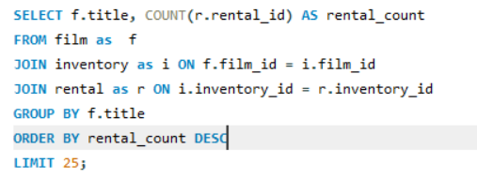

 | title | rental_count
 | BUCKET BROTHERHOOD | 34
 | ROCKETEER MOTHER | 33
 | FORWARD TEMPLE | 32
 | GRIT CLOCKWORK | 32
 | RIDGEMONT SUBMARINE | 32
 | SCALAWAG DUCK | 32
 | JUGGLER HARDLY | 32
 | TIMBERLAND SKY | 31
 | ROBBERS JOON | 31
 | RUSH GOODFELLAS | 31
 | ZORRO ARK | 31
 | HOBBIT ALIEN | 31
 | APACHE DIVINE | 31
 | GOODFELLAS SALUTE | 31
 | NETWORK PEAK | 31
 | WIFE TURN | 31
 | IDOLS SNATCHERS | 30
 | PULP BEVERLY | 30
 | HARRY IDAHO | 30
 | MUSCLE BRIGHT | 30
 | FROST HEAD | 30
 | GRAFFITI LOVE | 30
 | MASSACRE USUAL | 30
 | DOGMA FAMILY | 30
 | CAT CONEHEADS | 30

EDA Q 3
Are there correlations between staff performance and customer satisfaction?

No data is found accordings to this , so cant analysis the results for this qustion.

EDA Q4
Are there seasonal trends in customer behavior across different locations?

year | month | Total revenue
2005 | 5 | 4824.43
2005 | 6 | 9631.88
2005 | 7 | 28373.89
2005 | 8 | 24072.13
2006 | 2 | 514.18

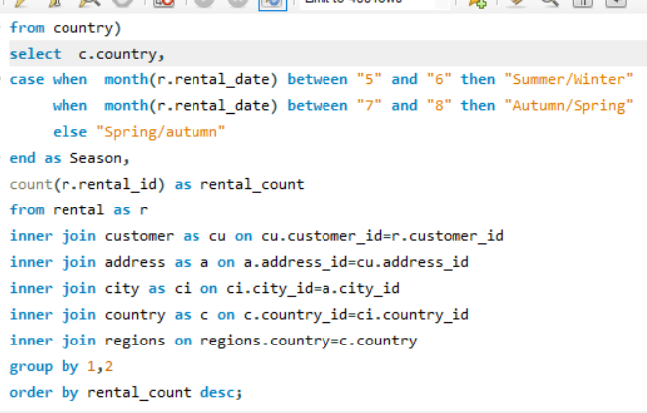
 |  |  | country | season | Rental_count | Sum of Rental_count | Column Labels
 |  |  | India | Autumn/Spring | 1230 | Row Labels | Autumn/Spring | Spring/autumn | Summer/Winter | Grand Total
 |  |  | China | Autumn/Spring | 1106 | India | 1230 | 23 | 319 | 1572
 |  |  | United States | Autumn/Spring | 735 | China | 1106 | 13 | 307 | 1426
 |  |  | Japan | Autumn/Spring | 634 | Afghanistan | 15 |  | 3 | 18
 |  |  | Mexico | Autumn/Spring | 610 | Algeria | 68 | 2 | 20 | 90
 |  |  | Brazil | Autumn/Spring | 578 | American Samoa | 15 |  | 5 | 20
 |  |  | Russian Federation | Autumn/Spring | 543 | Angola | 37 |  | 15 | 52
 |  |  | Philippines | Autumn/Spring | 437 | Anguilla | 27 |  | 8 | 35
 |  |  | India | Summer/Winter | 319 | Argentina | 270 | 9 | 73 | 352
 |  |  | China | Summer/Winter | 307 | Armenia | 22 | 1 | 2 | 25
 |  |  | Turkey | Autumn/Spring | 306 | Austria | 59 |  | 19 | 78
 |  |  | Nigeria | Autumn/Spring | 280 | Azerbaijan | 46 | 1 | 10 | 57
 |  |  | Indonesia | Autumn/Spring | 276 | Bahrain | 18 | 1 | 6 | 25
 |  |  | Argentina | Autumn/Spring | 270 | Bangladesh | 75 | 1 | 19 | 95
 |  |  | Taiwan | Autumn/Spring | 243 | Belarus | 53 | 1 | 12 | 66
 |  |  | United States | Summer/Winter | 222 | Bolivia | 32 | 1 | 14 | 47
 |  |  | South Africa | Autumn/Spring | 218 | Brazil | 578 | 7 | 163 | 748
 |  |  | Japan | Summer/Winter | 182 | Brunei | 29 | 1 | 5 | 35
 |  |  | Mexico | Summer/Winter | 180 | Bulgaria | 36 | 1 | 13 | 50
 |  |  | Iran | Autumn/Spring | 173 | Cambodia | 35 | 4 | 14 | 53
 |  |  | Russian Federation | Summer/Winter | 166 | Cameroon | 39 | 3 | 12 | 54
 |  |  | Brazil | Summer/Winter | 163 | Canada | 108 | 2 | 27 | 137
 |  |  | United Kingdom | Autumn/Spring | 162 | Chad | 26 |  | 6 | 32
 |  |  | Poland | Autumn/Spring | 158 | Chile | 53 |  | 18 | 71
 |  |  | Italy | Autumn/Spring | 152 | Colombia | 126 | 3 | 30 | 159
 |  |  | Germany | Autumn/Spring | 142 | Congo, The Democratic Republic of the | 33 |  | 17 | 50
 |  |  | Vietnam | Autumn/Spring | 134 | Czech Republic | 25 |  | 4 | 29
 |  |  | Venezuela | Autumn/Spring | 128 | Dominican Republic | 65 |  | 12 | 77
 |  |  | Ukraine | Autumn/Spring | 127 | Ecuador | 72 |  | 15 | 87
 |  |  | Colombia | Autumn/Spring | 126 | Egypt | 125 |  | 36 | 161
 |  |  | Egypt | Autumn/Spring | 125 | Estonia | 22 |  | 8 | 30
 |  |  | Philippines | Summer/Winter | 121 | Ethiopia | 19 |  | 4 | 23
 |  |  | Netherlands | Autumn/Spring | 110 | Faroe Islands | 23 | 1 | 4 | 28
 |  |  | Spain | Autumn/Spring | 110 | Finland | 21 |  | 5 | 26
 |  |  | Canada | Autumn/Spring | 108 | France | 69 | 1 | 26 | 96
 |  |  | South Korea | Autumn/Spring | 105 | French Guiana | 18 |  | 4 | 22
 |  |  | Pakistan | Autumn/Spring | 97 | French Polynesia | 40 | 3 | 11 | 54
 |  |  | Saudi Arabia | Autumn/Spring | 97 | Gambia | 25 |  | 5 | 30
 |  |  | Yemen | Autumn/Spring | 92 | Germany | 142 | 5 | 49 | 196
 |  |  | Indonesia | Summer/Winter | 89 | Greece | 39 | 1 | 14 | 54
 |  |  | Peru | Autumn/Spring | 85 | Greenland | 27 |  | 7 | 34
 |  |  | Turkey | Summer/Winter | 79 | Holy See (Vatican City State) | 25 |  | 9 | 34
 |  |  | Israel | Autumn/Spring | 76 | Hong Kong | 24 |  | 6 | 30
 |  |  | Bangladesh | Autumn/Spring | 75 | Hungary | 23 | 1 | 5 | 29
 |  |  | Thailand | Autumn/Spring | 74 | Indonesia | 276 | 2 | 89 | 367
 |  |  | Argentina | Summer/Winter | 73 | Iran | 173 | 1 | 51 | 225
 |  |  | Ecuador | Autumn/Spring | 72 | Iraq | 23 | 1 | 3 | 27
 |  |  | Mozambique | Autumn/Spring | 70 | Israel | 76 | 1 | 22 | 99
 |  |  | France | Autumn/Spring | 69 | Italy | 152 | 2 | 35 | 189
 |  |  | Nigeria | Summer/Winter | 69 | Japan | 634 | 9 | 182 | 825
 |  |  | Algeria | Autumn/Spring | 68 | Kazakstan | 39 |  | 13 | 52
 |  |  | Tanzania | Autumn/Spring | 67 | Kenya | 39 | 1 | 14 | 54
 |  |  | Malaysia | Autumn/Spring | 66 | Kuwait | 16 | 1 | 9 | 26
 |  |  | South Africa | Summer/Winter | 66 | Latvia | 46 | 1 | 13 | 60
 |  |  | Dominican Republic | Autumn/Spring | 65 | Liechtenstein | 21 |  | 7 | 28
 |  |  | United Arab Emirates | Autumn/Spring | 61 | Lithuania | 18 | 1 | 5 | 24
 |  |  | Austria | Autumn/Spring | 59 | Madagascar | 18 |  | 4 | 22
 |  |  | Taiwan | Summer/Winter | 55 | Malawi | 23 |  | 5 | 28
 |  |  | Morocco | Autumn/Spring | 54 | Malaysia | 66 | 1 | 18 | 85
 |  |  | Belarus | Autumn/Spring | 53 | Mexico | 610 | 6 | 180 | 796
 |  |  | Chile | Autumn/Spring | 53 | Moldova | 29 |  | 5 | 34
 |  |  | United Kingdom | Summer/Winter | 53 | Morocco | 54 | 1 | 16 | 71
 |  |  | Iran | Summer/Winter | 51 | Mozambique | 70 |  | 10 | 80
 |  |  | Switzerland | Autumn/Spring | 51 | Myanmar | 34 |  | 18 | 52
 |  |  | Paraguay | Autumn/Spring | 50 | Nauru | 27 |  | 4 | 31
 |  |  | Romania | Autumn/Spring | 50 | Nepal | 17 |  | 5 | 22
 |  |  | Germany | Summer/Winter | 49 | Netherlands | 110 | 1 | 23 | 134
 |  |  | Puerto Rico | Autumn/Spring | 47 | New Zealand | 20 |  | 4 | 24
 |  |  | Azerbaijan | Autumn/Spring | 46 | Nigeria | 280 | 3 | 69 | 352
 |  |  | Latvia | Autumn/Spring | 46 | North Korea | 28 |  | 3 | 31
 |  |  | Poland | Summer/Winter | 45 | Oman | 35 | 1 | 14 | 50
 |  |  | Yugoslavia | Autumn/Spring | 43 | Pakistan | 97 |  | 31 | 128
 |  |  | French Polynesia | Autumn/Spring | 40 | Paraguay | 50 |  | 12 | 62
 |  |  | Runion | Autumn/Spring | 40 | Peru | 85 | 1 | 26 | 112
 |  |  | Venezuela | Summer/Winter | 40 | Philippines | 437 | 10 | 121 | 568
 |  |  | Cameroon | Autumn/Spring | 39 | Poland | 158 |  | 45 | 203
 |  |  | Greece | Autumn/Spring | 39 | Puerto Rico | 47 | 1 | 13 | 61
 |  |  | Kazakstan | Autumn/Spring | 39 | Romania | 50 |  | 12 | 62
 |  |  | Kenya | Autumn/Spring | 39 | Runion | 40 |  | 6 | 46
 |  |  | Sudan | Autumn/Spring | 39 | Russian Federation | 543 | 4 | 166 | 713
 |  |  | Angola | Autumn/Spring | 37 | Saint Vincent and the Grenadines | 18 |  | 7 | 25
 |  |  | Bulgaria | Autumn/Spring | 36 | Saudi Arabia | 97 | 2 | 22 | 121
 |  |  | Egypt | Summer/Winter | 36 | Senegal | 17 |  | 8 | 25
 |  |  | Cambodia | Autumn/Spring | 35 | Slovakia | 19 |  | 7 | 26
 |  |  | Italy | Summer/Winter | 35 | South Africa | 218 | 1 | 66 | 285
 |  |  | Oman | Autumn/Spring | 35 | South Korea | 105 | 2 | 28 | 135
 |  |  | Vietnam | Summer/Winter | 35 | Spain | 110 | 2 | 30 | 142
 |  |  | Myanmar | Autumn/Spring | 34 | Sri Lanka | 24 |  | 6 | 30
 |  |  | Congo, The Democratic Republic of the | Autumn/Spring | 33 | Sudan | 39 |  | 15 | 54
 |  |  | Bolivia | Autumn/Spring | 32 | Sweden | 26 |  | 8 | 34
 |  |  | Pakistan | Summer/Winter | 31 | Switzerland | 51 | 2 | 8 | 61
 |  |  | Ukraine | Summer/Winter | 31 | Taiwan | 243 | 7 | 55 | 305
 |  |  | Colombia | Summer/Winter | 30 | Tanzania | 67 | 1 | 15 | 83
 |  |  | Spain | Summer/Winter | 30 | Thailand | 74 | 2 | 20 | 96
 |  |  | Brunei | Autumn/Spring | 29 | Tonga | 13 |  | 5 | 18
 |  |  | Moldova | Autumn/Spring | 29 | Tunisia | 21 | 1 | 1 | 23
 |  |  | North Korea | Autumn/Spring | 28 | Turkey | 306 | 3 | 79 | 388
 |  |  | South Korea | Summer/Winter | 28 | Turkmenistan | 18 | 1 | 8 | 27
 |  |  | Anguilla | Autumn/Spring | 27 | Tuvalu | 19 |  | 7 | 26
 |  |  | Canada | Summer/Winter | 27 | Ukraine | 127 |  | 31 | 158
 |  |  | Greenland | Autumn/Spring | 27 | United Arab Emirates | 61 | 1 | 22 | 84
 |  |  | Nauru | Autumn/Spring | 27 | United Kingdom | 162 | 4 | 53 | 219
 |  |  | Chad | Autumn/Spring | 26 | United States | 735 | 11 | 222 | 968
 |  |  | France | Summer/Winter | 26 | Venezuela | 128 | 2 | 40 | 170
 |  |  | Peru | Summer/Winter | 26 | Vietnam | 134 | 3 | 35 | 172
 |  |  | Sweden | Autumn/Spring | 26 | Virgin Islands, U.S. | 24 |  | 8 | 32
 |  |  | Czech Republic | Autumn/Spring | 25 | Yemen | 92 | 1 | 24 | 117
 |  |  | Gambia | Autumn/Spring | 25 | Yugoslavia | 43 |  | 14 | 57
 |  |  | Holy See (Vatican City State) | Autumn/Spring | 25 | Zambia | 23 | 1 | 9 | 33
 |  |  | Hong Kong | Autumn/Spring | 24 | Grand Total | 12395 | 182 | 3467 | 16044
 |  |  | Sri Lanka | Autumn/Spring | 24
 |  |  | Virgin Islands, U.S. | Autumn/Spring | 24
 |  |  | Yemen | Summer/Winter | 24
 |  |  | Faroe Islands | Autumn/Spring | 23
 |  |  | Hungary | Autumn/Spring | 23
 |  |  | India | Spring/autumn | 23
 |  |  | Iraq | Autumn/Spring | 23
 |  |  | Malawi | Autumn/Spring | 23
 |  |  | Netherlands | Summer/Winter | 23
 |  |  | Zambia | Autumn/Spring | 23
 |  |  | Armenia | Autumn/Spring | 22
 |  |  | Estonia | Autumn/Spring | 22
 |  |  | Israel | Summer/Winter | 22
 |  |  | Saudi Arabia | Summer/Winter | 22
 |  |  | United Arab Emirates | Summer/Winter | 22
 |  |  | Finland | Autumn/Spring | 21
 |  |  | Liechtenstein | Autumn/Spring | 21
 |  |  | Tunisia | Autumn/Spring | 21
 |  |  | Algeria | Summer/Winter | 20
 |  |  | New Zealand | Autumn/Spring | 20
 |  |  | Thailand | Summer/Winter | 20
 |  |  | Austria | Summer/Winter | 19
 |  |  | Bangladesh | Summer/Winter | 19
 |  |  | Ethiopia | Autumn/Spring | 19
 |  |  | Slovakia | Autumn/Spring | 19
 |  |  | Tuvalu | Autumn/Spring | 19
 |  |  | Bahrain | Autumn/Spring | 18
 |  |  | Chile | Summer/Winter | 18
 |  |  | French Guiana | Autumn/Spring | 18
 |  |  | Lithuania | Autumn/Spring | 18
 |  |  | Madagascar | Autumn/Spring | 18
 |  |  | Malaysia | Summer/Winter | 18
 |  |  | Myanmar | Summer/Winter | 18
 |  |  | Saint Vincent and the Grenadines | Autumn/Spring | 18
 |  |  | Turkmenistan | Autumn/Spring | 18
 |  |  | Congo, The Democratic Republic of the | Summer/Winter | 17
 |  |  | Nepal | Autumn/Spring | 17
 |  |  | Senegal | Autumn/Spring | 17
 |  |  | Kuwait | Autumn/Spring | 16
 |  |  | Morocco | Summer/Winter | 16
 |  |  | Afghanistan | Autumn/Spring | 15
 |  |  | American Samoa | Autumn/Spring | 15
 |  |  | Angola | Summer/Winter | 15
 |  |  | Ecuador | Summer/Winter | 15
 |  |  | Sudan | Summer/Winter | 15
 |  |  | Tanzania | Summer/Winter | 15
 |  |  | Bolivia | Summer/Winter | 14
 |  |  | Cambodia | Summer/Winter | 14
 |  |  | Greece | Summer/Winter | 14
 |  |  | Kenya | Summer/Winter | 14
 |  |  | Oman | Summer/Winter | 14
 |  |  | Yugoslavia | Summer/Winter | 14
 |  |  | Bulgaria | Summer/Winter | 13
 |  |  | China | Spring/autumn | 13
 |  |  | Kazakstan | Summer/Winter | 13
 |  |  | Latvia | Summer/Winter | 13
 |  |  | Puerto Rico | Summer/Winter | 13
 |  |  | Tonga | Autumn/Spring | 13
 |  |  | Belarus | Summer/Winter | 12
 |  |  | Cameroon | Summer/Winter | 12
 |  |  | Dominican Republic | Summer/Winter | 12
 |  |  | Paraguay | Summer/Winter | 12
 |  |  | Romania | Summer/Winter | 12
 |  |  | French Polynesia | Summer/Winter | 11
 |  |  | United States | Spring/autumn | 11
 |  |  | Azerbaijan | Summer/Winter | 10
 |  |  | Mozambique | Summer/Winter | 10
 |  |  | Philippines | Spring/autumn | 10
 |  |  | Argentina | Spring/autumn | 9
 |  |  | Holy See (Vatican City State) | Summer/Winter | 9
 |  |  | Japan | Spring/autumn | 9
 |  |  | Kuwait | Summer/Winter | 9
 |  |  | Zambia | Summer/Winter | 9
 |  |  | Anguilla | Summer/Winter | 8
 |  |  | Estonia | Summer/Winter | 8
 |  |  | Senegal | Summer/Winter | 8
 |  |  | Sweden | Summer/Winter | 8
 |  |  | Switzerland | Summer/Winter | 8
 |  |  | Turkmenistan | Summer/Winter | 8
 |  |  | Virgin Islands, U.S. | Summer/Winter | 8
 |  |  | Brazil | Spring/autumn | 7
 |  |  | Greenland | Summer/Winter | 7
 |  |  | Liechtenstein | Summer/Winter | 7
 |  |  | Saint Vincent and the Grenadines | Summer/Winter | 7
 |  |  | Slovakia | Summer/Winter | 7
 |  |  | Taiwan | Spring/autumn | 7
 |  |  | Tuvalu | Summer/Winter | 7
 |  |  | Bahrain | Summer/Winter | 6
 |  |  | Chad | Summer/Winter | 6
 |  |  | Hong Kong | Summer/Winter | 6
 |  |  | Mexico | Spring/autumn | 6
 |  |  | Runion | Summer/Winter | 6
 |  |  | Sri Lanka | Summer/Winter | 6
 |  |  | American Samoa | Summer/Winter | 5
 |  |  | Brunei | Summer/Winter | 5
 |  |  | Finland | Summer/Winter | 5
 |  |  | Gambia | Summer/Winter | 5
 |  |  | Germany | Spring/autumn | 5
 |  |  | Hungary | Summer/Winter | 5
 |  |  | Lithuania | Summer/Winter | 5
 |  |  | Malawi | Summer/Winter | 5
 |  |  | Moldova | Summer/Winter | 5
 |  |  | Nepal | Summer/Winter | 5
 |  |  | Tonga | Summer/Winter | 5
 |  |  | Cambodia | Spring/autumn | 4
 |  |  | Czech Republic | Summer/Winter | 4
 |  |  | Ethiopia | Summer/Winter | 4
 |  |  | Faroe Islands | Summer/Winter | 4
 |  |  | French Guiana | Summer/Winter | 4
 |  |  | Madagascar | Summer/Winter | 4
 |  |  | Nauru | Summer/Winter | 4
 |  |  | New Zealand | Summer/Winter | 4
 |  |  | Russian Federation | Spring/autumn | 4
 |  |  | United Kingdom | Spring/autumn | 4
 |  |  | Afghanistan | Summer/Winter | 3
 |  |  | Cameroon | Spring/autumn | 3
 |  |  | Colombia | Spring/autumn | 3
 |  |  | French Polynesia | Spring/autumn | 3
 |  |  | Iraq | Summer/Winter | 3
 |  |  | Nigeria | Spring/autumn | 3
 |  |  | North Korea | Summer/Winter | 3
 |  |  | Turkey | Spring/autumn | 3
 |  |  | Vietnam | Spring/autumn | 3
 |  |  | Algeria | Spring/autumn | 2
 |  |  | Armenia | Summer/Winter | 2
 |  |  | Canada | Spring/autumn | 2
 |  |  | Indonesia | Spring/autumn | 2
 |  |  | Italy | Spring/autumn | 2
 |  |  | Saudi Arabia | Spring/autumn | 2
 |  |  | South Korea | Spring/autumn | 2
 |  |  | Spain | Spring/autumn | 2
 |  |  | Switzerland | Spring/autumn | 2
 |  |  | Thailand | Spring/autumn | 2
 |  |  | Venezuela | Spring/autumn | 2
 |  |  | Armenia | Spring/autumn | 1
 |  |  | Azerbaijan | Spring/autumn | 1
 |  |  | Bahrain | Spring/autumn | 1
 |  |  | Bangladesh | Spring/autumn | 1
 |  |  | Belarus | Spring/autumn | 1
 |  |  | Bolivia | Spring/autumn | 1
 |  |  | Brunei | Spring/autumn | 1
 |  |  | Bulgaria | Spring/autumn | 1
 |  |  | Faroe Islands | Spring/autumn | 1
 |  |  | France | Spring/autumn | 1
 |  |  | Greece | Spring/autumn | 1
 |  |  | Hungary | Spring/autumn | 1
 |  |  | Iran | Spring/autumn | 1
 |  |  | Iraq | Spring/autumn | 1
 |  |  | Israel | Spring/autumn | 1
 |  |  | Kenya | Spring/autumn | 1
 |  |  | Kuwait | Spring/autumn | 1
 |  |  | Latvia | Spring/autumn | 1
 |  |  | Lithuania | Spring/autumn | 1
 |  |  | Malaysia | Spring/autumn | 1
 |  |  | Morocco | Spring/autumn | 1
 |  |  | Netherlands | Spring/autumn | 1
 |  |  | Oman | Spring/autumn | 1
 |  |  | Peru | Spring/autumn | 1
 |  |  | Puerto Rico | Spring/autumn | 1
 |  |  | South Africa | Spring/autumn | 1
 |  |  | Tanzania | Spring/autumn | 1
 |  |  | Tunisia | Summer/Winter | 1
 |  |  | Tunisia | Spring/autumn | 1
 |  |  | Turkmenistan | Spring/autumn | 1
 |  |  | United Arab Emirates | Spring/autumn | 1
 |  |  | Yemen | Spring/autumn | 1
 |  |  | Zambia | Spring/autumn | 1

EDA Q 5
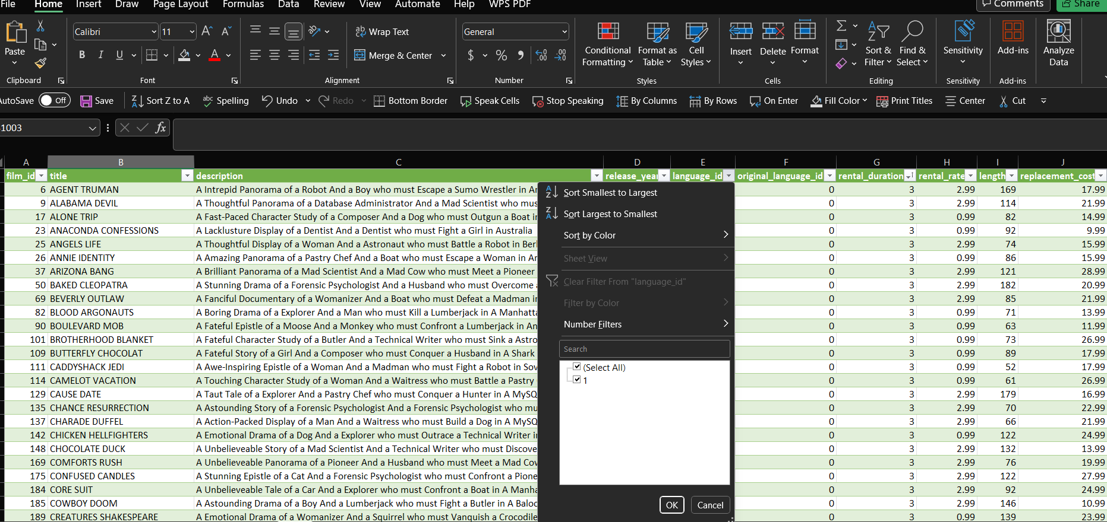
Are certain language films more popular among specific customer segments?

EDA Q 6
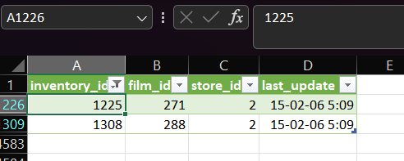

year(payment_date) | month(payment_date) | sum(amount)
2005 | 5 | 4824.43
2005 | 6 | 9631.88
2005 | 7 | 28373.89
2005 | 8 | 24072.13
2006 | 2 | 514.18

sheet
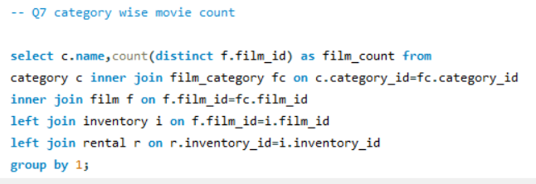
country | regions | Name | count of movie
Afghanistan | Asia | Action | 64
Algeria | Africa | Animation | 66
American Samoa | North america | Children | 60
Angola | Africa | Classics | 57
Anguilla | others | Comedy | 58
Argentina | South america | Documentary | 68
Armenia | Asia | Drama | 62
Australia | Oceania | Family | 69
Austria | Europe | Foreign | 73
Azerbaijan | Asia | Games | 61
Bahrain | Asia | Horror | 56
Bangladesh | Asia | Music | 51
Belarus | Europe | New | 63
Bolivia | South america | Sci-Fi | 61
Brazil | South america | Sports | 74
Brunei | Asia | Travel | 57
Bulgaria | Europe
Cambodia | Asia
Cameroon | Africa
Canada | North america
Chad | Africa
Chile | South america
China | Asia
Colombia | South america
Congo, The Democratic Republic of the | Africa
Czech Republic | Europe
Dominican Republic | others
Ecuador | others
Egypt | others
Estonia | Europe
Ethiopia | others
Faroe Islands | others
Finland | Europe
France | Europe
French Guiana | others
French Polynesia | Oceania
Gambia | Africa
Germany | Europe
Greece | Europe
Greenland | Europe
Holy See (Vatican City State) | Europe
Hong Kong | Asia
Hungary | Europe
India | Asia
Indonesia | Asia
Iran | Asia
Iraq | Asia
Israel | Asia
Italy | Europe
Japan | Asia
Kazakstan | Asia
Kenya | Africa
Kuwait | Asia
Latvia | Europe
Liechtenstein | Europe
Lithuania | Europe
Madagascar | Africa
Malawi | Africa
Malaysia | Asia
Mexico | others
Moldova | others
Morocco | others
Mozambique | Africa
Myanmar | Asia
Nauru | Asia
Nepal | Asia
Netherlands | Europe
New Zealand | Oceania
Nigeria | Africa
North Korea | others
Oman | Asia
Pakistan | Asia
Paraguay | South america
Peru | South america
Philippines | others
Poland | Europe
Puerto Rico | others
Romania | Europe
Runion | others
Russian Federation | Europe
Saint Vincent and the Grenadines | others
Saudi Arabia | Asia
Senegal | Africa
Slovakia | Europe
South Africa | Africa
South Korea | others
Spain | Europe
Sri Lanka | Asia
Sudan | Africa
Sweden | Europe
Switzerland | Europe
Taiwan | Asia
Tanzania | others
Thailand | Asia
Tonga | Oceania
Tunisia | Africa
Turkey | Asia
Turkmenistan | Asia
Tuvalu | Oceania
Ukraine | Europe
United Arab Emirates | Asia
United Kingdom | Europe
United States | North america
Venezuela | South america
Vietnam | others
Virgin Islands, U.S. | North america
Yemen | Asia
Yugoslavia | Europe
Zambia | Africa

EDA Q 8
1. How does the availability and knowledge of staff affect customer ratings?

there are no data available to analysis the above relationship
Also there is no data for customer ratings . so i cant focus on that parts.

 | store-id | rating | Count
 | 1 | PG | 444
 | 2 | PG | 480
 | 2 | G | 397
 | 2 | NC-17 | 479
 | 1 | G | 394
 | 1 | PG-13 | 525
 | 2 | PG-13 | 493
 | 2 | R | 462
 | 1 | NC-17 | 465
 | 1 | R | 442

EDA Q 9
1. How does the proximity of stores to customers impact rental frequency?

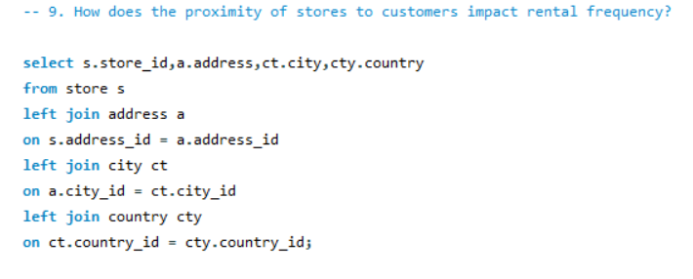

 | store_ID | ADDRESS | CITY | COUNTRY
 | 1 | 47 MySakila Drive | Lethbridge | Canada
 | 2 | 28 MySQL Boulevard | Woodridge | Australia

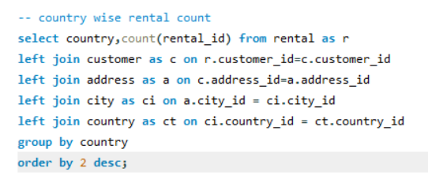
 | Country | count of rental
 | India | 1572
 | China | 1426
 | United States | 968
 | Japan | 825
 | Mexico | 796
 | Brazil | 748
 | Russian Federation | 713
 | Philippines | 568
 | Turkey | 388
 | Indonesia | 367
 | Nigeria | 352
 | Argentina | 352
 | Taiwan | 305
 | South Africa | 285
 | Iran | 225
 | United Kingdom | 219
 | Poland | 203
 | Germany | 196
 | Italy | 189
 | Vietnam | 172
 | Venezuela | 170
 | Egypt | 161
 | Colombia | 159
 | Ukraine | 158
 | Spain | 142
 | Canada | 137
 | South Korea | 135
 | Netherlands | 134
 | Pakistan | 128
 | Saudi Arabia | 121
 | Yemen | 117
 | Peru | 112
 | Israel | 99
 | France | 96
 | Thailand | 96
 | Bangladesh | 95
 | Algeria | 90
 | Ecuador | 87
 | Malaysia | 85
 | United Arab Emirates | 84
 | Tanzania | 83
 | Mozambique | 80
 | Austria | 78
 | Dominican Republic | 77
 | Morocco | 71
 | Chile | 71
 | Belarus | 66
 | Paraguay | 62
 | Romania | 62
 | Switzerland | 61
 | Puerto Rico | 61
 | Latvia | 60
 | Yugoslavia | 57
 | Azerbaijan | 57
 | Greece | 54
 | French Polynesia | 54
 | Sudan | 54
 | Kenya | 54
 | Cameroon | 54
 | Cambodia | 53
 | Myanmar | 52
 | Kazakstan | 52
 | Angola | 52
 | Oman | 50
 | Bulgaria | 50
 | Congo, The Democratic Republic of the | 50
 | Bolivia | 47
 | Runion | 46
 | Brunei | 35
 | Anguilla | 35
 | Holy See (Vatican City State) | 34
 | Moldova | 34
 | Sweden | 34
 | Greenland | 34
 | Zambia | 33
 | Virgin Islands, U.S. | 32
 | Chad | 32
 | North Korea | 31
 | Nauru | 31
 | Hong Kong | 30
 | Sri Lanka | 30
 | Estonia | 30
 | Gambia | 30
 | Czech Republic | 29
 | Hungary | 29
 | Liechtenstein | 28
 | Malawi | 28
 | Faroe Islands | 28
 | Turkmenistan | 27
 | Iraq | 27
 | Tuvalu | 26
 | Kuwait | 26
 | Finland | 26
 | Slovakia | 26
 | Armenia | 25
 | Saint Vincent and the Grenadines | 25
 | Senegal | 25
 | Bahrain | 25
 | New Zealand | 24
 | Lithuania | 24
 | Tunisia | 23
 | Ethiopia | 23
 | French Guiana | 22
 | Madagascar | 22
 | Nepal | 22
 | American Samoa | 20
 | Afghanistan | 18
 | Tonga | 18

EDA Q7
Are certain film categories more popular in specific locations?

there is no data available for age group of the customers , so I cant analysis the data of the above question

 |  |  |  | Name | Count
 |  |  |  | Action | 64
 |  |  |  | Animation | 66
 |  |  |  | Children | 60
 |  |  |  | Classics | 57
 |  |  |  | Comedy | 58
 |  |  |  | Documentary | 68
 |  |  |  | Drama | 62
 |  |  |  | Family | 69
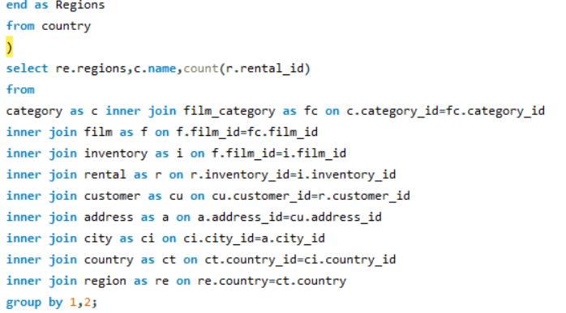
 |  |  |  | Foreign | 73
 |  |  |  | Games | 61
 | regions | Name_category | count | Horror | 56
 | Asia | Animation | 465 | Music | 51
 | Asia | Action | 458 | New | 63
 | Africa | Children | 70 | Sci-Fi | 61
 | Africa | Animation | 86 | Sports | 74
 | Africa | Action | 80 | Travel | 57
 | North america | Animation | 91
 | North america | Action | 72
 | others | Children | 142
 | others | Animation | 191
 | others | Action | 152
 | South america | Children | 84
 | South america | Animation | 126
 | South america | Action | 123
 | Europe | Children | 164
 | Europe | Animation | 202
 | Europe | Action | 219
 | Asia | Children | 411
 | North america | Children | 67
 | Oceania | Children | 7
 | Oceania | Animation | 5
 | Oceania | Action | 8
 | Africa | Travel | 66
 | Africa | Sports | 89
 | Africa | Sci-Fi | 98
 | Africa | New | 70
 | Africa | Music | 79
 | Africa | Horror | 73
 | Africa | Games | 84
 | Africa | Foreign | 98
 | Africa | Family | 71
 | Africa | Drama | 65
 | Africa | Documentary | 87
 | Africa | Comedy | 84
 | Africa | Classics | 64
 | Asia | Travel | 318
 | Asia | Sports | 455
 | Asia | Sci-Fi | 442
 | Asia | New | 393
 | Asia | Music | 318
 | Asia | Horror | 346
 | Asia | Games | 379
 | Asia | Foreign | 408
 | Asia | Family | 434
 | Asia | Drama | 451
 | Asia | Documentary | 433
 | Asia | Comedy | 384
 | Asia | Classics | 398
 | Europe | Travel | 160
 | Europe | Sports | 223
 | Europe | Sci-Fi | 180
 | Europe | Music | 140
 | Europe | Horror | 127
 | Europe | Games | 184
 | Europe | Foreign | 162
 | Europe | Family | 204
 | Europe | Drama | 178
 | Europe | Documentary | 168
 | Europe | Comedy | 168
 | Europe | Classics | 179
 | Europe | New | 174
 | others | Travel | 136
 | others | Sports | 182
 | others | Sci-Fi | 161
 | others | New | 131
 | others | Music | 137
 | others | Horror | 127
 | others | Games | 149
 | others | Foreign | 183
 | others | Family | 184
 | others | Drama | 169
 | others | Documentary | 144
 | others | Classics | 134
 | South america | Travel | 104
 | South america | Sports | 133
 | South america | Sci-Fi | 132
 | South america | New | 98
 | South america | Music | 87
 | South america | Horror | 99
 | South america | Games | 96
 | South america | Foreign | 101
 | South america | Family | 119
 | South america | Drama | 106
 | South america | Documentary | 128
 | South america | Comedy | 93
 | South america | Classics | 92
 | others | Comedy | 133
 | North america | Travel | 43
 | North america | Sports | 84
 | North america | Sci-Fi | 78
 | North america | New | 64
 | North america | Music | 63
 | North america | Horror | 70
 | North america | Games | 70
 | North america | Foreign | 74
 | North america | Family | 80
 | North america | Drama | 84
 | North america | Documentary | 83
 | North america | Comedy | 72
 | North america | Classics | 62
 | Oceania | Travel | 10
 | Oceania | Sports | 13
 | Oceania | Sci-Fi | 10
 | Oceania | New | 10
 | Oceania | Horror | 4
 | Oceania | Foreign | 7
 | Oceania | Drama | 7
 | Oceania | Documentary | 7
 | Oceania | Classics | 10
 | Oceania | Music | 6
 | Oceania | Family | 4
 | Oceania | Comedy | 7
 | Oceania | Games | 7

EDA 10
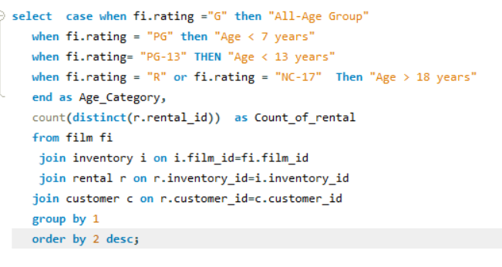
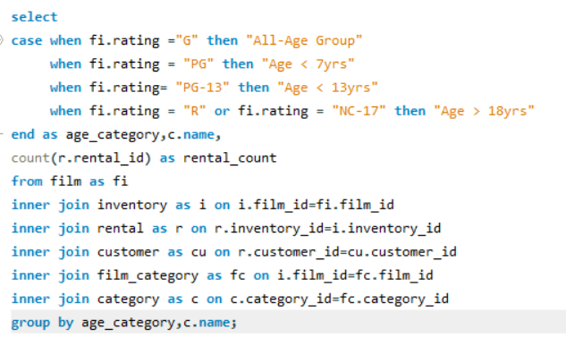

age-category | count of rental
Age > 18 years | 6474 | Age-category | Name | Rental count
Age < 13 years | 3585 | Age < 7yrs | Documentary | 295
Age < 7 years | 3212 | All-Age Group | Horror | 130
All-Age Group | 2773 | Age > 18yrs | Documentary | 422
 |  | All-Age Group | Family | 149
 |  | Age < 7yrs | Foreign | 203
 |  | Age < 13yrs | Comedy | 183
 |  | Age > 18yrs | Horror | 310
 |  | Age < 13yrs | Horror | 223
 |  | Age > 18yrs | Sports | 489
 |  | All-Age Group | Foreign | 167
 |  | Age < 7yrs | Music | 149
 |  | Age < 7yrs | Horror | 183
 |  | Age > 18yrs | Foreign | 356
 |  | Age > 18yrs | Music | 554
 |  | Age < 13yrs | Animation | 331
 |  | Age < 7yrs | Action | 164
 |  | Age > 18yrs | Action | 438
 |  | All-Age Group | New | 199
 |  | Age > 18yrs | Animation | 389
 |  | All-Age Group | Sci-Fi | 183
 |  | Age > 18yrs | Family | 447
 |  | Age > 18yrs | New | 381
 |  | Age < 7yrs | Classics | 156
 |  | Age < 13yrs | Sci-Fi | 237
 |  | Age < 13yrs | New | 218
 |  | All-Age Group | Games | 143
 |  | Age < 13yrs | Children | 210
 |  | Age > 18yrs | Sci-Fi | 433
 |  | All-Age Group | Action | 295
 |  | Age < 13yrs | Travel | 174
 |  | All-Age Group | Documentary | 193
 |  | Age > 18yrs | Children | 379
 |  | Age > 18yrs | Classics | 374
 |  | All-Age Group | Drama | 193
 |  | Age < 7yrs | Family | 314
 |  | Age < 13yrs | Drama | 373
 |  | Age < 13yrs | Action | 215
 |  | Age < 13yrs | Family | 186
 |  | All-Age Group | Travel | 131
 |  | Age < 7yrs | Animation | 197
 |  | Age < 7yrs | Travel | 227
 |  | All-Age Group | Animation | 249
 |  | Age < 7yrs | New | 142
 |  | Age < 7yrs | Comedy | 272
 |  | Age > 18yrs | Games | 525
 |  | All-Age Group | Comedy | 190
 |  | Age > 18yrs | Travel | 305
 |  | Age < 7yrs | Sci-Fi | 248
 |  | Age < 13yrs | Games | 212
 |  | Age < 7yrs | Drama | 118
 |  | Age > 18yrs | Comedy | 296
 |  | All-Age Group | Classics | 189
 |  | Age < 13yrs | Foreign | 307
 |  | Age > 18yrs | Drama | 376
 |  | Age < 13yrs | Sports | 249
 |  | Age < 13yrs | Classics | 220
 |  | Age < 7yrs | Games | 89
 |  | Age < 13yrs | Documentary | 140
 |  | All-Age Group | Sports | 170
 |  | All-Age Group | Children | 172
 |  | Age < 7yrs | Children | 184
 |  | Age < 7yrs | Sports | 271
 |  | Age < 13yrs | Music | 107
 |  | All-Age Group | Music | 20

EDA Q 11
What are the demographics and preferences of the highest-spending customers?

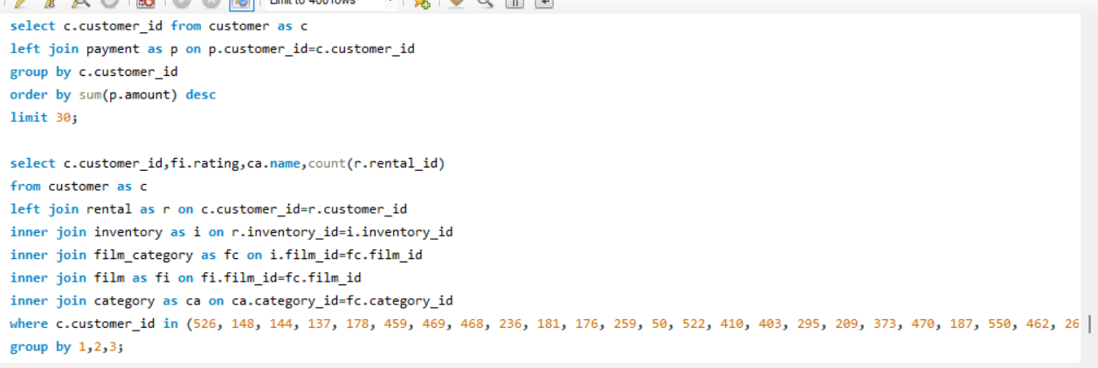
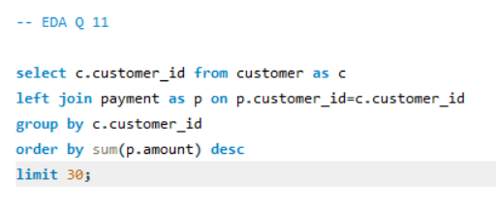

customer_id
526
148
144
137
178
459
469
468
236 | Customer_id | Rating | Name | Count
181 | 21 | PG-13 | New | 1
176 | 21 | PG-13 | Travel | 1
259 | 21 | G | Classics | 1
50 | 21 | R | New | 1
522 | 21 | G | Foreign | 2
410 | 21 | PG-13 | Animation | 1
403 | 21 | NC-17 | Travel | 1 | Row Labels | Sum of Count
295 | 21 | PG | Sci-Fi | 2 | 21 | 35
209 | 21 | R | Action | 1 | 50 | 35
373 | 21 | NC-17 | Sports | 2 | 137 | 39
470 | 21 | R | Foreign | 3 | 144 | 42
187 | 21 | PG | Family | 1 | 148 | 46
550 | 21 | PG | Drama | 1 | 176 | 37
462 | 21 | PG | Sports | 1 | 178 | 39
267 | 21 | PG-13 | Sci-Fi | 2 | 181 | 34
293 | 21 | NC-17 | Action | 1 | 187 | 28
372 | 21 | NC-17 | New | 1 | 209 | 32
368 | 21 | G | Games | 2 | 236 | 42
273 | 21 | NC-17 | Music | 1 | 259 | 32
346 | 21 | PG | Classics | 1 | 267 | 36
21 | 21 | G | Travel | 1 | 273 | 33
 | 21 | NC-17 | Sci-Fi | 1 | Grand Total | 510
 | 21 | PG-13 | Comedy | 1
 | 21 | R | Sci-Fi | 1
 | 21 | R | Horror | 1
 | 21 | PG | Documentary | 2
 | 21 | NC-17 | Documentary | 1
 | 50 | PG-13 | Drama | 2
 | 50 | R | Travel | 1
 | 50 | PG-13 | Animation | 1
 | 50 | NC-17 | Travel | 2
 | 50 | NC-17 | Children | 1
 | 50 | PG-13 | Action | 1
 | 50 | G | Comedy | 1
 | 50 | R | Foreign | 2
 | 50 | PG | Horror | 1
 | 50 | G | Drama | 2
 | 50 | PG | Family | 1
 | 50 | G | Foreign | 1
 | 50 | NC-17 | Games | 1
 | 50 | PG-13 | Children | 1
 | 50 | NC-17 | Foreign | 1
 | 50 | R | Family | 1
 | 50 | PG | Children | 1
 | 50 | PG | Music | 2
 | 50 | G | Documentary | 1
 | 50 | NC-17 | New | 1
 | 50 | G | Games | 1
 | 50 | G | Sci-Fi | 1
 | 50 | G | Animation | 1
 | 50 | PG | Foreign | 1
 | 50 | PG-13 | Documentary | 1
 | 50 | R | Sci-Fi | 1
 | 50 | PG-13 | Games | 1
 | 50 | PG-13 | Music | 1
 | 50 | PG-13 | Horror | 1
 | 50 | NC-17 | Drama | 1
 | 137 | NC-17 | Comedy | 2
 | 137 | R | Travel | 2
 | 137 | PG-13 | Travel | 2
 | 137 | PG-13 | Animation | 2
 | 137 | NC-17 | Drama | 2
 | 137 | R | Sports | 2
 | 137 | R | Games | 2
 | 137 | PG | Sci-Fi | 1
 | 137 | G | New | 1
 | 137 | NC-17 | Music | 2
 | 137 | PG | Children | 1
 | 137 | PG-13 | Comedy | 1
 | 137 | NC-17 | Action | 1
 | 137 | PG-13 | Games | 1
 | 137 | PG | Games | 3
 | 137 | PG-13 | Foreign | 1
 | 137 | NC-17 | Horror | 1
 | 137 | NC-17 | Sports | 1
 | 137 | NC-17 | Foreign | 1
 | 137 | PG-13 | Horror | 1
 | 137 | R | Action | 1
 | 137 | G | Comedy | 1
 | 137 | R | Documentary | 1
 | 137 | PG | Documentary | 1
 | 137 | PG-13 | Sports | 1
 | 137 | PG | Sports | 1
 | 137 | PG-13 | Classics | 1
 | 137 | R | Animation | 1
 | 137 | R | Horror | 1
 | 144 | PG-13 | Drama | 3
 | 144 | PG | New | 2
 | 144 | R | Horror | 1
 | 144 | PG | Sports | 1
 | 144 | G | New | 1
 | 144 | G | Comedy | 1
 | 144 | PG | Foreign | 1
 | 144 | PG-13 | Animation | 1
 | 144 | R | Animation | 1
 | 144 | PG-13 | Sports | 1
 | 144 | NC-17 | Action | 1
 | 144 | PG-13 | Classics | 2
 | 144 | G | Children | 1
 | 144 | PG-13 | Action | 1
 | 144 | PG | Action | 2
 | 144 | R | Classics | 1
 | 144 | PG-13 | Family | 2
 | 144 | NC-17 | Travel | 1
 | 144 | NC-17 | Music | 2
 | 144 | PG | Children | 1
 | 144 | R | Games | 1
 | 144 | NC-17 | Games | 1
 | 144 | G | Games | 1
 | 144 | PG-13 | Comedy | 1
 | 144 | PG | Travel | 1
 | 144 | PG | Drama | 1
 | 144 | PG | Classics | 1
 | 144 | NC-17 | New | 1
 | 144 | R | Comedy | 1
 | 144 | PG | Horror | 1
 | 144 | PG | Documentary | 1
 | 144 | NC-17 | Sci-Fi | 1
 | 144 | NC-17 | Drama | 1
 | 144 | NC-17 | Family | 1
 | 144 | G | Documentary | 1
 | 148 | PG-13 | Classics | 2
 | 148 | G | Games | 1
 | 148 | PG-13 | Sci-Fi | 2
 | 148 | NC-17 | Games | 1
 | 148 | PG | Horror | 2
 | 148 | PG | Documentary | 2
 | 148 | R | Horror | 1
 | 148 | PG | Classics | 1
 | 148 | R | Family | 4
 | 148 | G | Travel | 1
 | 148 | PG-13 | Games | 1
 | 148 | R | Action | 2
 | 148 | G | Sci-Fi | 1
 | 148 | R | Travel | 1
 | 148 | R | Documentary | 1
 | 148 | G | Horror | 1
 | 148 | PG-13 | Comedy | 1
 | 148 | R | Sci-Fi | 2
 | 148 | PG | Comedy | 1
 | 148 | PG | Family | 2
 | 148 | PG | Travel | 1
 | 148 | PG | Sci-Fi | 1
 | 148 | G | Foreign | 3
 | 148 | NC-17 | Sci-Fi | 1
 | 148 | PG-13 | Action | 1
 | 148 | PG-13 | Travel | 1
 | 148 | R | New | 2
 | 148 | NC-17 | Travel | 1
 | 148 | G | Classics | 1
 | 148 | PG | Music | 1
 | 148 | PG | Foreign | 1
 | 148 | NC-17 | Sports | 1
 | 148 | NC-17 | Drama | 1
 | 176 | PG-13 | Drama | 1
 | 176 | PG-13 | Comedy | 1
 | 176 | PG-13 | Sci-Fi | 2
 | 176 | PG-13 | Horror | 1
 | 176 | PG | New | 1
 | 176 | PG | Family | 2
 | 176 | PG | Comedy | 1
 | 176 | G | Sports | 2
 | 176 | PG-13 | Sports | 1
 | 176 | PG-13 | Travel | 1
 | 176 | PG-13 | Foreign | 2
 | 176 | R | Comedy | 2
 | 176 | PG | Foreign | 2
 | 176 | R | Documentary | 2
 | 176 | PG-13 | Action | 1
 | 176 | PG | Children | 2
 | 176 | NC-17 | Comedy | 1
 | 176 | G | Sci-Fi | 1
 | 176 | PG | Drama | 1
 | 176 | PG | Animation | 2
 | 176 | PG-13 | Animation | 2
 | 176 | R | Sci-Fi | 1
 | 176 | PG | Sports | 1
 | 176 | PG-13 | Children | 1
 | 176 | R | Action | 1
 | 176 | G | Animation | 1
 | 176 | G | Drama | 1
 | 178 | R | Travel | 1
 | 178 | PG-13 | Drama | 1
 | 178 | R | Sci-Fi | 1
 | 178 | PG-13 | Family | 2
 | 178 | NC-17 | Drama | 2
 | 178 | R | Foreign | 3
 | 178 | NC-17 | Documentary | 4
 | 178 | G | Travel | 1
 | 178 | PG | Children | 1
 | 178 | G | Animation | 1
 | 178 | PG-13 | Animation | 2
 | 178 | PG-13 | Classics | 1
 | 178 | PG-13 | Travel | 1
 | 178 | G | Drama | 1
 | 178 | PG-13 | New | 1
 | 178 | R | Sports | 1
 | 178 | PG-13 | Sports | 1
 | 178 | NC-17 | Travel | 1
 | 178 | G | Sci-Fi | 2
 | 178 | G | Horror | 1
 | 178 | PG | Sports | 1
 | 178 | NC-17 | Children | 1
 | 178 | R | Children | 1
 | 178 | PG-13 | Horror | 1
 | 178 | NC-17 | Music | 2
 | 178 | PG | Foreign | 1
 | 178 | NC-17 | Animation | 1
 | 178 | R | Action | 1
 | 178 | R | Classics | 1
 | 181 | G | Sports | 1
 | 181 | R | Horror | 3
 | 181 | PG-13 | Horror | 2
 | 181 | NC-17 | Foreign | 2
 | 181 | G | Classics | 1
 | 181 | PG | Travel | 2
 | 181 | R | Games | 1
 | 181 | PG-13 | Family | 1
 | 181 | PG-13 | Drama | 1
 | 181 | PG | Music | 1
 | 181 | R | Family | 2
 | 181 | PG-13 | Documentary | 2
 | 181 | PG | Family | 2
 | 181 | NC-17 | Sci-Fi | 1
 | 181 | PG-13 | Comedy | 1
 | 181 | PG | Sports | 1
 | 181 | R | Action | 1
 | 181 | NC-17 | Family | 2
 | 181 | NC-17 | Classics | 1
 | 181 | R | Comedy | 1
 | 181 | PG | Children | 1
 | 181 | G | Foreign | 1
 | 181 | PG | Classics | 1
 | 181 | R | Animation | 1
 | 181 | PG-13 | Travel | 1
 | 187 | NC-17 | New | 2
 | 187 | PG-13 | Music | 1
 | 187 | PG-13 | Games | 1
 | 187 | PG | Family | 2
 | 187 | R | Family | 1
 | 187 | G | Documentary | 1
 | 187 | PG | Sports | 1
 | 187 | PG-13 | Action | 2
 | 187 | PG | Music | 1
 | 187 | NC-17 | Music | 1
 | 187 | G | Classics | 1
 | 187 | PG-13 | Sci-Fi | 1
 | 187 | R | Action | 1
 | 187 | PG | Documentary | 1
 | 187 | PG-13 | Classics | 1
 | 187 | PG-13 | Documentary | 1
 | 187 | R | Sports | 1
 | 187 | NC-17 | Comedy | 1
 | 187 | G | Animation | 1
 | 187 | NC-17 | Children | 1
 | 187 | R | Classics | 2
 | 187 | R | Horror | 1
 | 187 | G | Horror | 1
 | 187 | G | Drama | 1
 | 209 | NC-17 | Action | 1
 | 209 | NC-17 | Documentary | 1
 | 209 | PG | Sports | 2
 | 209 | NC-17 | Children | 1
 | 209 | G | Action | 2
 | 209 | PG-13 | Games | 1
 | 209 | R | Children | 1
 | 209 | NC-17 | New | 1
 | 209 | PG | Documentary | 2
 | 209 | PG | Children | 1
 | 209 | NC-17 | Animation | 1
 | 209 | PG | Music | 1
 | 209 | PG-13 | Comedy | 1
 | 209 | G | Documentary | 1
 | 209 | R | Games | 2
 | 209 | PG-13 | Sports | 1
 | 209 | R | Classics | 1
 | 209 | R | Horror | 1
 | 209 | PG-13 | Classics | 1
 | 209 | PG | Action | 1
 | 209 | G | Children | 2
 | 209 | G | Classics | 1
 | 209 | R | Action | 2
 | 209 | PG | Foreign | 1
 | 209 | PG-13 | Foreign | 1
 | 209 | R | Sci-Fi | 1
 | 236 | NC-17 | Action | 1
 | 236 | PG-13 | Children | 1
 | 236 | PG | Travel | 1
 | 236 | NC-17 | Travel | 1
 | 236 | R | Sci-Fi | 1
 | 236 | PG-13 | Family | 2
 | 236 | NC-17 | Foreign | 1
 | 236 | NC-17 | Children | 1
 | 236 | R | Animation | 2
 | 236 | PG | Action | 1
 | 236 | NC-17 | Sports | 1
 | 236 | PG-13 | Classics | 2
 | 236 | NC-17 | New | 2
 | 236 | PG | Comedy | 1
 | 236 | R | Sports | 1
 | 236 | PG | New | 1
 | 236 | R | Foreign | 1
 | 236 | R | Family | 2
 | 236 | PG | Foreign | 1
 | 236 | PG | Sports | 1
 | 236 | R | Children | 1
 | 236 | G | Animation | 1
 | 236 | PG-13 | Sci-Fi | 1
 | 236 | G | Horror | 1
 | 236 | PG-13 | Games | 3
 | 236 | NC-17 | Music | 1
 | 236 | R | Games | 1
 | 236 | R | New | 1
 | 236 | PG-13 | Documentary | 1
 | 236 | PG-13 | Foreign | 2
 | 236 | R | Music | 1
 | 236 | G | Travel | 1
 | 236 | PG | Games | 1
 | 236 | PG | Animation | 1
 | 259 | PG | Action | 2
 | 259 | G | Classics | 1
 | 259 | R | Sports | 1
 | 259 | R | Drama | 1
 | 259 | PG | Horror | 1
 | 259 | PG | Family | 1
 | 259 | PG | Classics | 3
 | 259 | PG-13 | Foreign | 1
 | 259 | R | Comedy | 1
 | 259 | G | Sports | 2
 | 259 | NC-17 | Children | 3
 | 259 | NC-17 | Family | 1
 | 259 | PG-13 | Comedy | 1
 | 259 | NC-17 | Music | 1
 | 259 | NC-17 | New | 1
 | 259 | R | New | 1
 | 259 | G | Action | 2
 | 259 | PG-13 | Children | 1
 | 259 | G | Comedy | 1
 | 259 | NC-17 | Sports | 2
 | 259 | PG-13 | Animation | 1
 | 259 | G | Games | 1
 | 259 | R | Documentary | 1
 | 259 | PG | Animation | 1
 | 267 | PG-13 | Comedy | 2
 | 267 | NC-17 | Games | 1
 | 267 | R | Games | 1
 | 267 | PG-13 | Foreign | 2
 | 267 | NC-17 | New | 2
 | 267 | PG | Sci-Fi | 1
 | 267 | PG-13 | New | 1
 | 267 | NC-17 | Foreign | 1
 | 267 | PG | Games | 1
 | 267 | G | New | 2
 | 267 | PG | Family | 2
 | 267 | PG | Animation | 1
 | 267 | PG-13 | Games | 1
 | 267 | G | Drama | 1
 | 267 | PG-13 | Children | 1
 | 267 | PG-13 | Travel | 1
 | 267 | PG | Drama | 2
 | 267 | NC-17 | Action | 1
 | 267 | NC-17 | Family | 1
 | 267 | NC-17 | Music | 1
 | 267 | PG | Sports | 1
 | 267 | PG | Documentary | 1
 | 267 | R | Documentary | 1
 | 267 | G | Action | 1
 | 267 | NC-17 | Drama | 1
 | 267 | NC-17 | Comedy | 1
 | 267 | PG-13 | Sports | 1
 | 267 | G | Foreign | 1
 | 267 | R | New | 1
 | 267 | PG-13 | Sci-Fi | 1
 | 273 | G | Comedy | 1
 | 273 | PG | Comedy | 1
 | 273 | G | Animation | 1
 | 273 | R | Music | 1
 | 273 | G | Drama | 2
 | 273 | PG-13 | Children | 2
 | 273 | G | Sports | 2
 | 273 | PG-13 | Animation | 1
 | 273 | PG-13 | Comedy | 1
 | 273 | G | Games | 1
 | 273 | PG-13 | Classics | 1
 | 273 | G | Documentary | 1
 | 273 | NC-17 | Sci-Fi | 1
 | 273 | PG-13 | Action | 1
 | 273 | R | Action | 1
 | 273 | PG-13 | Sci-Fi | 1
 | 273 | PG | Sci-Fi | 1
 | 273 | PG | New | 2
 | 273 | PG | Drama | 1
 | 273 | R | Family | 2
 | 273 | R | New | 1
 | 273 | G | New | 1
 | 273 | PG | Classics | 1
 | 273 | R | Foreign | 1
 | 273 | PG | Family | 2
 | 273 | G | Sci-Fi | 1
 | 273 | R | Sci-Fi | 1

EDA Q 12
How does the availability of inventory impact customer satisfaction and repeat business?

No data is found accordings to this , so cant analysis the results for this qustion.

EDA Q 13
What are the busiest hours or days for each store location, and how does it impact staffing requirements?

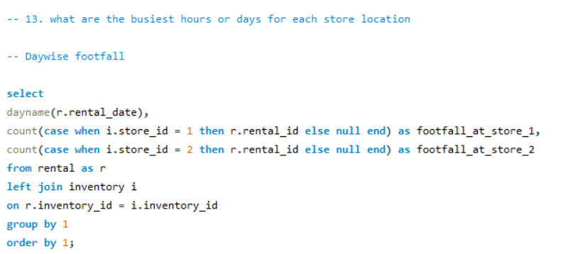
 | Days | Footfall at store 1 | Foothfall at store 2
 | Friday | 1131 | 1141
 | Monday | 1126 | 1121
 | Saturday | 1153 | 1158
 | Sunday | 1154 | 1166
 | Thursday | 1066 | 1134
 | Tuesday | 1222 | 1241
 | Wednesday | 1071 | 1160

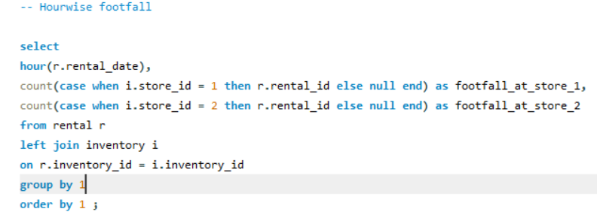
 | hour(r.rental_date) | , footfall_at_store_1 | footfall_at_store_2
 | 0 | 342 | 352
 | 1 | 321 | 328
 | 2 | 295 | 335
 | 3 | 320 | 364
 | 4 | 349 | 332
 | 5 | 327 | 321
 | 6 | 315 | 332
 | 7 | 337 | 330
 | 8 | 343 | 353
 | 9 | 313 | 339
 | 10 | 336 | 337
 | 11 | 307 | 356
 | 12 | 308 | 324
 | 13 | 312 | 333
 | 14 | 330 | 323
 | 15 | 454 | 433
 | 16 | 344 | 320
 | 17 | 303 | 331
 | 18 | 340 | 348
 | 19 | 343 | 333
 | 20 | 322 | 336
 | 21 | 354 | 317
 | 22 | 278 | 332
 | 23 | 330 | 312

EDA Q 14
 | What are the cultural or demographic factors that influence customer preferences in different locations?

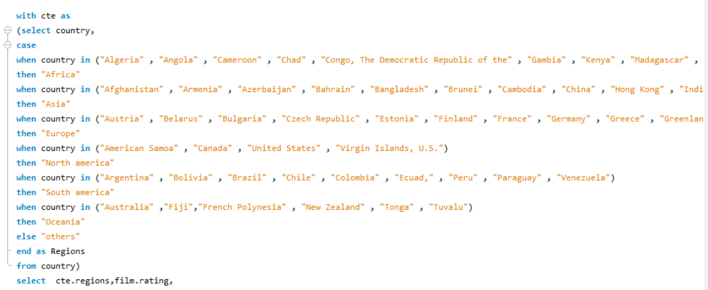
 |  |  | Row Labels | Sum of Customer_preference
Regions | Ratings | Customer_preference | Africa | 234
Africa | G | 46 | Asia | 1201
Africa | PG | 47 | Europe | 531
Africa | PG-13 | 47 | North america | 215
Africa | R | 47 | Oceania | 25
Africa | NC-17 | 47 | others | 442
Asia | G | 239 | South america | 327
Asia | PG | 238 | Grand Total | 2975
Asia | PG-13 | 241
Asia | R | 241
Asia | NC-17 | 242
Europe | G | 106
Europe | PG | 106
Europe | PG-13 | 106
Europe | R | 107
Europe | NC-17 | 106
North america | G | 43
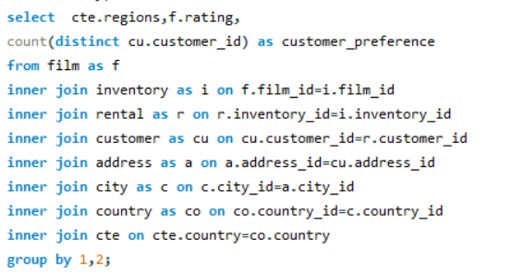
North america | PG | 43
North america | PG-13 | 43
North america | R | 43
North america | NC-17 | 43
Oceania | G | 5
Oceania | PG | 5
Oceania | PG-13 | 5
Oceania | R | 5
Oceania | NC-17 | 5
others | G | 88
others | PG | 89
others | PG-13 | 88
others | R | 88
others | NC-17 | 89
South america | G | 66
South america | PG | 65
South america | PG-13 | 65
South america | R | 66
South america | NC-17 | 65

EDA Q 15
How does the availability of films in different languages impact customer satisfaction and rental frequency?

No data is found accordings to this , so cant analysis the results for this qustion.

ADITIONAL QUESTION
Staff Performance

1.Calculate the Total Orders Generated, Processed and revenue collection from each staff

 | Total Orders Generated, Processed and revenue collection from each staff

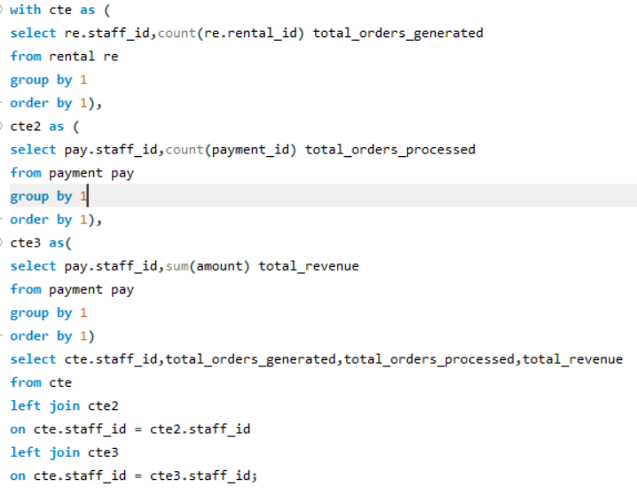
 |  | staff_id | total_orders_generated | total_orders_processed | total_revenue
 |  | 1 | 8040 | 8057 | 33489.47
 |  | 2 | 8004 | 7992 | 33927.04

aditional question 2
2.what are the Contribution to orders based upon different rental_rate by each staff

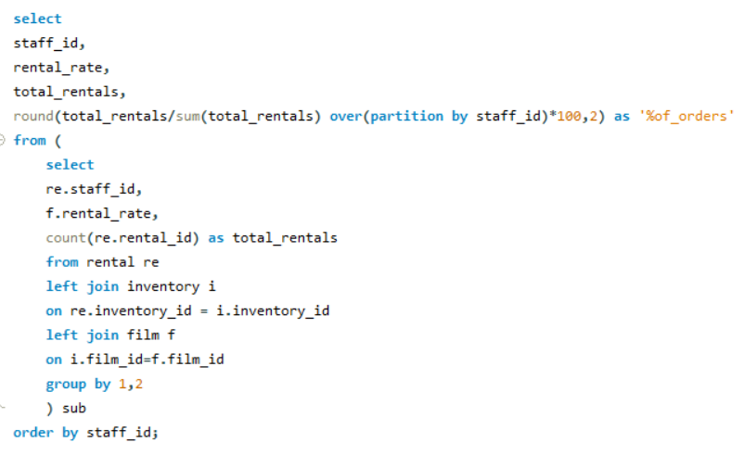
 | staff_id | rental_rate | total_rentals | %of_orders
 | 1 | 2.99 | 2570 | 31.97
 | 1 | 0.99 | 2835 | 35.26
 | 1 | 4.99 | 2635 | 32.77
 | 2 | 0.99 | 2817 | 35.19
 | 2 | 4.99 | 2637 | 32.95
 | 2 | 2.99 | 2550 | 31.86

