Dashboard
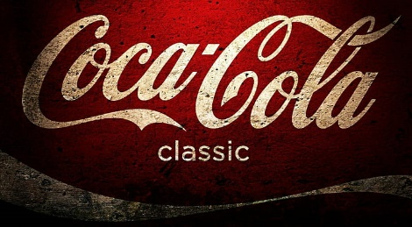
Coca-Cola USA Retailer Dashboard

Total Sales
Units Sold
Total Oper. Profit
16,67,443
39,13,370
Average Price
$0.40
6,85,995

Sales by Beverage Brand |  |  |  | Sales by Retailer
Brand | Sales 2022 | Sales 2023 | Variance | Retailer | Sales 2022 | Sales 2023 | Variance
Coca-Cola | 30,455 | 440,281 | 409,827 | Amazon | 0 | 206844.8 | 206844.8
Dasani Water | 18,117 | 327,183 | 309,066 | BevCo | 81141.5 | 507735.4 | 426593.9
Diet Coke | 14,351 | 247,578 | 233,227 | FizzyCo | 0 | 321961.6 | 321961.6
Fanta | 7,460 | 159,894 | 152,434 | Target | 9250.3 | 263886.2 | 254635.9
Powerade | 9,123 | 213,256 | 204,133 | West Soda | 0 | 276623.6 | 276623.6
Sprite | 10,885 | 188,860 | 177,974 | Grand Total | 90391.8 | 1577051.6 | 1486659.8
Total | 90,392 | 1,577,052 | 1,486,660 | 0 | 0 | 0 | 0
Sales and Operating Profit Margin by Quarter
 | Sales | Operating Profit Margin
Qtr4 | 90391.8 | 0.408125
Qtr1 | 383459.1 | 0.44318376068
Qtr2 | 355718.2 | 0.43741150442
Qtr3 | 483622 | 0.43716942149
Qtr4 | 354252.3 | 0.43009259259
0 | 1667443.4 | 0.4352724359
0 | 0 | 0
0 | 0 | 0

