Sheet1
No. | Task | Description | Status | Testing Comments
20 | Offer name | the offers, in a certain year, will have an automatic serial number (internal to the app and for admin viewing purpose). | Done | Ok
21 | coupon code | after the user redeems an offer, an automatic generated code will be displayed on device to allow waiter/outlet employee to note it down. | Done | Ok
22 | estimated savings | it should be "Offer Estimated Savings" in the text box | Done | Ok
23 | Create Now Button | the Button label should be "Add Offer" | Done | Ok
24 | monthly offer - date range | The date range should be Month (drop down from Jan - Dec). | Done | Ok
25 | Monthly Offer - Limits | it should start from 1. (shouldn't allow 0 or negative values) | Done | ok
27 | page name of browser | the current page name on the browser tab is called "user dashboard" its should be"outlet name-3alinadashboard | Done | please check the comment
28 | currency | currency in the whole site will be SR (Saudi Riyal) | Done | Ok
29 | Offers | Monthly offers, Yearly offers, Special Benefits | Done | Ok
30 | Our Popular Outlets | Our Popular Outlets as a title should be changed to:Exclusively Selected for You | Done | ok
31 | category | "Category: Uncategorized"no need to show that label. | Done | Ok
32 | Arabic currency showing in english page | the currency shall be showing as SAR as in saudia riyal, in English, for the English pages. | Done | ok
35 | view all partners | very all merchant should be view all partners | Done | Ok
36 | Check out the most popular venue | Check out the most popular venue,should be,What You're Missing | Done | Ok
37 | how it works | How the 3ALINA Works,should be How 3ALINA Works | Done | ok.
38 | Travel more. Spend less | Travel more. Spend less,change to :Go Out More. Save More. | Done | OK
39 | LATEST FROM THE BLOG | LATEST FROM THE BLOG,we will remove this section and add something else instead | Done | Ok
47 | After adding an offer | after adding an offer, we are getting a meesage "Offer successfully added"please change that to "Offer ###### Added Successfully" | Done | Ok
54 | app automatially goes to login | when i open the app, it automatically goes to login screen and asks me to login | Done | ok.
55 | logout button is ugly | it looks like a turn off button! | Please see the comment(In 3alina app.logout button not there) | --
56 | Lower bar looks like drawes with lines separating the page |  | Done | ok
57 | take care of typing mistakes across all menus. | the English should be ENGLISH UK,so Favourites etc | Done | Ok
58 | you are not using the latest UI shared with you | check the profile page, etc. | not done | 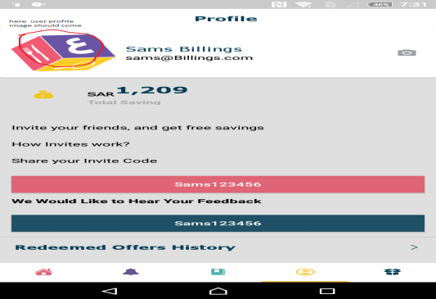
59 | wrong behaviour when clicking on one of the categories | 1. it is opening search automatically, why? 2. the title of the category should show on the top of the page | Done | ok
61 | replace second image in the banner with HOW IT WORKS video | completed | Done | Ok
63 | 3alina partners section | completed | Done | Ok
64 | remove How it works section | completed | Done | Ok
69 | Hide green banner from page | completed | Done | Ok

