Sheet1
 |  |  | Sporto Test cases
TEST CASE ID | TEST CASE SUMMARY | TEST CASE STEPS | EXPECTED RESULT | ACTUAL RESULT | TEST CASE STATUS | TEST CASE PASS/FAIL STATUS | DETECTED BY | DETECTED DATE | CLOSED BY | CLOSED DATE | SCREENSHOTS
Tc_1 | When you login with ID and Password after that when you click on back button ,its redirect to login page | 1.Open https://ctinfotech.com/CT06/sport/admin-login link on Browser 2.Enter valis id and password. 3. Click on Submit Button. 4.Home page has opened and then click on Backword arrow in website. 4.Its redirect to Login page | Its should reload the login home page | Its redirected to login page | Open | Fail | Rakesh yadav | 29/6/2018 |  |  | 1. 2.
Tc_2 | When you want to edit the profile image of "Admin" not be able to edit or update | 1.Open https://ctinfotech.com/CT06/sport/admin-login link on Browser 2.Enter valid id and password. 3. Click on Submit Button. 4.Home page has opened and then click on photo,where you are be able to edit image | Its should show the edit button on profile image | Its doesnot show any edit button | Open | Fail | Rakesh yadav | 29/6/2018 |  |  | 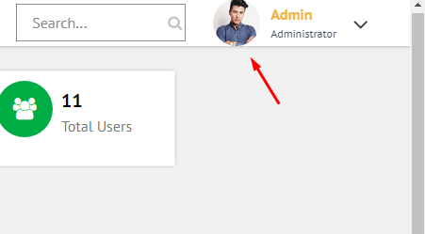
Tc_3 | At Home page"Search button"is not working | 1.Open https://ctinfotech.com/CT06/sport/admin-login link on Browser 2.Enter valis id and password. 3. Click on Submit Button. 4.Click on Search Button. 5. Enter details what you want to search. | Its should display the details which you want to search. | Its not displayed the result anfd button is also not working | Open | Fail | Rakesh yadav | 29/6/2018 |  |  | 
Tc_4 | At login home page side bar menu after that gone to game list and edit it,after that if you want to edit image,its acceptiing doc,xls file | 1.Open https://ctinfotech.com/CT06/sport/admin-login link on Browser 2.Enter valis id and password. 3. Click on Submit Button. 4.Click on Game list. 5. Click on Edit button 6. Select Choose file option. 7. Upload doc or xls. File | It should give the error message | Its not displayed any error message and its acceoting. | Open | Fail | Rakesh yadav | 29/6/2018 |  |  | 