Sheet1
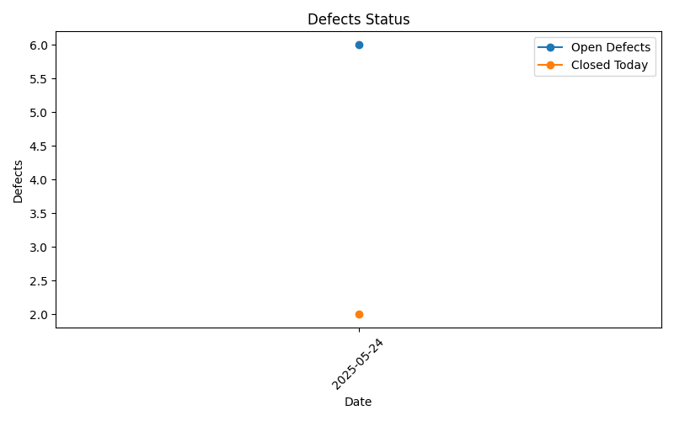
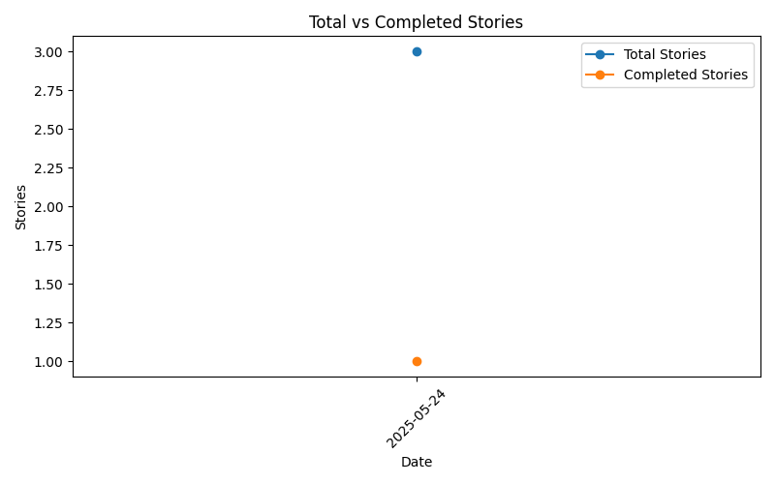
Project/Release | Date | Project Status | Start Date | End Date | Total Stories | Completed Stories | Test Cases Designed | Story Tests Executed | Story Test Total | Open Defects | Defects Closed Today | Regression Test Executed | Regression Test Total
SLA/release may | 2025-06-01 | On Track | 2025-05-14 | 2025-05-27 | 4 | 1 | 5 | 2 | 5 | 8 | 0 | 0 | 0
GCP/release dec | 2025-06-01 | At Risk | 2025-05-01 | 2025-05-31 | 5 | 1 | 1 | 1 | 1 | 1 | 0 | 0 | 0
APP 25.40/release feb | 2025-06-01 | Risk | 2025-03-03 | 2025-05-15 | 2 | 1 | 2 | 1 | 2 | 1 | 0 | 0 | 0
APP 25.45/release june | 2025-06-01 | On Track | 2025-06-03 | 2025-08-07 | 2 | 1 | 0 | 0 | 0 | 0 | 0 | 0 | 0
Rentch/release jan | 2025-06-01 | Risk | 2025-02-04 | 2025-04-17 | 1 | 0 | 0 | 0 | 0 | 1 | 0 | 0 | 0

