As Is Quote Layout
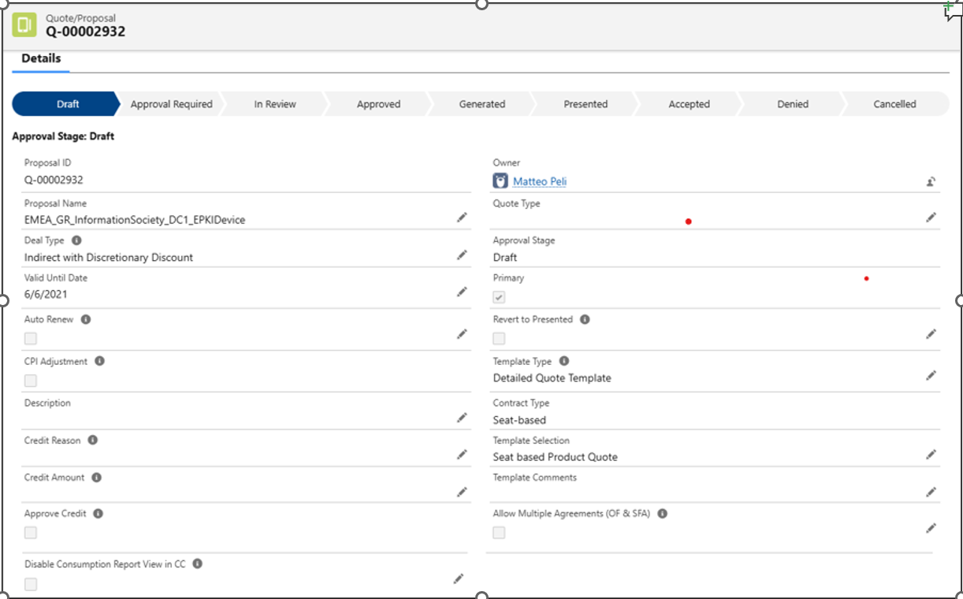
# | Label | Data Type | ReadOnly/Editable | Forsys Comments | Clarification | Business Justification | Source of population | Comments
Quote Details section
1 | Proposal ID | Text | R | It will be auto populated by system |  |  | S
2 | Owner | Lookup (Group,User) | E | It will be auto populated by system but user can change the owner of the quote | Up to which stage the ownership of the quote can be changed? | [RB] No validation today | S
3 | Proposal Name | Text | E | It will be auto populated by system but user can edit it | How it needs to be defaulted? (For eg. Account _OppName ) | [RB] I believe its just Opty name | O
4 | Quote Type | Picklist | E | It will be auto populated by system based on the Opportunity type | 1. Is there any mapping between Opportunity type, Opportunity Contract Type and Quote Type? 2. Based on which field from the Opportunity, Quote Type needs to be defaulted? | [RB] No. Default is Standard | S | Getting populated from APTS_ProposalTrigger_Handler Apex class
5 | Deal Type | Picklist | E | It is user selection field |  |  | U | It is used in Approval Rules
6 | Approval Stage | Picklist | R | It will be auto populated by system and default value will be Draft. |  |  | S | Getting updated from APTS_ProposalTrigger_Handler and APTS_CancelProposalExtension Apex classes. If APTS_Revert_to_Presented__c field is reverted to true and Approval stage is accepted then the Approval stage gets updated to Presented in APTS_Proposal_Before_Save_Flow flow
7 | Valid Until Date | Date | E | It will be auto populated by system and default value will be current date + 60 days User can edit it. | Are there any validations required to restrict the update of this field based on Quote stage? | [RB] No validation today | S | Getting populated from APTS_Default_Start_Date_on_Proposal Flow | S- System Populated Fields O- Fields coming from Opportunity D- Derived from flow or code U- User input fields A- Account related fields
8 | Primary | Checkbox | R | System will automatically mark it once the quote is Approved | Is there any requirement to mark the first quote as Primary by default? | [RB] Yes | S | Getting populated from APTS_MarkPrimaryAndSyncWithOpportunity Apex class where we are making it as true. We are marking Apttus_Proposal__Primary__c as false in APTS_CancelProposalExtension Apex class
9 | Auto Renew | Checkbox | E | It needs to be checked by user | In which use cases user will mark this checkbox ? | [RB] Couple of validation rules - restricted for Subscription. | U | It is used in Approval Rules
10 | Revert to Presented | Checkbox | E | It needs to be checked by user | 1. In which use cases user will mark this checkbox ? 2. Is it still required in To be? | [RB] When they want to revert from accepted. I didnt think this was required in To be. You may confirm. | U
11 | CPI Adjustment | Checkbox | R | It will be set by system based on some criteria | For what all use cases this field will set to True? | [RB] Based on attribute configuration for Subscription | D | Getting populated from Set_CPI_Adjustment_Check_on_Proposal Flow
12 | Template Type | Picklist | E | Detailed Quote Template Short Quote Template It will be defaulted by system to Short Quote Template. | 1. Are these values still valid in To Be? | [RB] My guess is not - may need to confirm. | U
13 | Description | Long Text Area | E | It is user input field | 1.Is this field being referred in Quote Template? 2. What kind of description this field will contain? | [RB] It was at one point, not sure if any of the templates still use it | U
14 | Contract Type | Picklist | R | It will be auto populated by system based on the Opportunity contract type In RCA, it will be user input field | Need the mapping between Opportunity Contract Type and Quote Contract Type | [RB] Derived via Formula field | D | Getting populated from Set_Contract_Type_and_Template_selection_on_Quote_Proposal flow
15 | Credit Reason | Picklist | E | It is user selection field |  |  | U
16 | Template Selection | Picklist | E | It is user selection field |  |  | U
17 | Credit Amount | Currency | R | It will be auto populated by system | 1. From where this field value needs to be pulled? | [RB] In case of Entrust credit, I believe its pulled in upon cart finalization. For other credits, its user entered. | D | Getting populated from APTS_ProposalTrigger_Handler Apex class
18 | Template Comments | Long Text Area | E | It is user input field |  |  | U
19 | Approve Credit | Checkbox | R | It will be auto populated by system | 1. From where this field value needs to be pulled? | [RB] Derived via Formula field | D | It is a formula field. IF(TEXT(APTS_Credit_Reason__c) = 'Entrust Credit' && ((NOT(ISNULL(APTS_Approved_Credit_Amount__c)) && NOT(ISNULL(APTS_CREDIT_AMOUNT__c)) && ROUND(APTS_CREDIT_AMOUNT__c,0) <= ROUND(APTS_Approved_Credit_Amount__c,0)) || (ISPICKVAL( Apttus_QPApprov__Approval_Status__c , 'Approved')) ),TRUE, IF(TEXT(APTS_Credit_Reason__c) = 'Entrust Credit' && ( (NOT(ISNULL(APTS_Approved_Credit_Amount__c)) && NOT(ISNULL(APTS_CREDIT_AMOUNT__c)) && ROUND(APTS_CREDIT_AMOUNT__c,0) > ROUND(APTS_Approved_Credit_Amount__c,0)) || (ISNULL(APTS_Approved_Credit_Amount__c) && NOT(ISNULL(APTS_CREDIT_AMOUNT__c)) ) ),FALSE, IF(/*TEXT(APTS_Credit_Reason__c) = 'Revocation Credit'*/NOT(ISBLANK(TEXT(APTS_Credit_Reason__c))) && NOT(ISPICKVAL(APTS_Credit_Reason__c,"Entrust Credit")) && ISPICKVAL( Apttus_QPApprov__Approval_Status__c , 'Approved'),TRUE,FALSE)))
20 | Allow Multiple Agreements (OF & SFA) | Checkbox | E | It needs to be checked by user | For what all use cases this field will set to True? | [RB] User entered when they want to create multiple agreements -just used for validation. If the agreement creation flow is changing, will it still be required? | U
21 | Disable Consumption Report View in CC | Checkbox | E | It needs to be checked by user | For what all use cases this field will set to True? | [RB] When Partner Sales motion is sell-with and for Subscriotion contract | U
Account & Contact section
1 | Opportunity | Lookup (Opportunity) | R | It will be auto populated by system with the Opportuniy from which the Quote is created |  |  | O
2 | Quote Primary Contact | Lookup (Contact) | E | It should be defaulted with the Account Contact from which the Opportunity is created. User can edit it |  |  | O
3 | Account | Lookup (Account) | R | It will be auto populated by system with Opportunity Account |  |  | O
4 | Billing Contact | Lookup (Contact) |  | It is user input field. User can select the approriate contact from the Lookup | Are there any restrictions for the Billing Contact that only specific Contacts should be displayed? | [RB] Related contacts only | U
5 | Account Segment | Text | R | It will be defaulted from the selected Account |  |  | A
6 | Account Payment Term | Text | R | It will be defaulted from the selected Account |  |  | A
7 | Account Cert Central ID | Text | R | It will be defaulted from the selected Account |  |  | A
8 | Payment Term | Lookup (Payment Term) | E | It should be defaulted with the Account Payment Term but user can edit it |  |  | A
9 | Bill To Partner / Distributor | Lookup (Account) | E | In case of Direct deal it should be selected as same Account and in case of Indirect deal it should be selected with Partner Account | Are there any restrictions for selection of this field? | [RB] Pulled from the opty, user entry not allowed CS: In current system it is editable field and only at quote level user is selecting the deal type. | U
10 | Contract Type (Existing) | Text | R | It is a Formula field and pulling the value from Account | Is this field driving any business logic? | [RB] I believe it is in the Agreement stage to supersede existing contract | A
11 | Partner Cert Central ID | Text | R | It should be defaulted from Partner Account |  |  | A
12 | Contract Start Date (Existing) | Date | R | It is a Formula field and pulling the value from Account | Is this field driving any business logic? | [RB] I believe it is in the Agreement stage to supersede existing contract | A
13 | Partner Channel | Text | R | It is a Formula field based on the Partner Sales Motion field value from the Opportunity | What is the significance of this field and where it is being used? | [RB] Informational only | O
14 | Contract End Date (Existing) | Date | R | It is a Formula field and pulling the value from Account | Is this field driving any business logic? | [RB] I believe it is in the Agreement stage to supersede existing contract | A
15 | Marketplace Partner Account | Lookup (Account) | R |  | with which Partner Account this field will be populated and what are the use cases where this Account is required? | [RB] For marketplace Sell with deal
16 | Support Level (Existing) | Text | R | It is a Formula field and pulling the value from Account |  |  | A
17 | Bill To | Lookup (Account) | R | For a Direct Deal, Account (End Customer) is the Bill To whereas for an Indirect Deal, Partner Account is the Bill To. |  |  | S
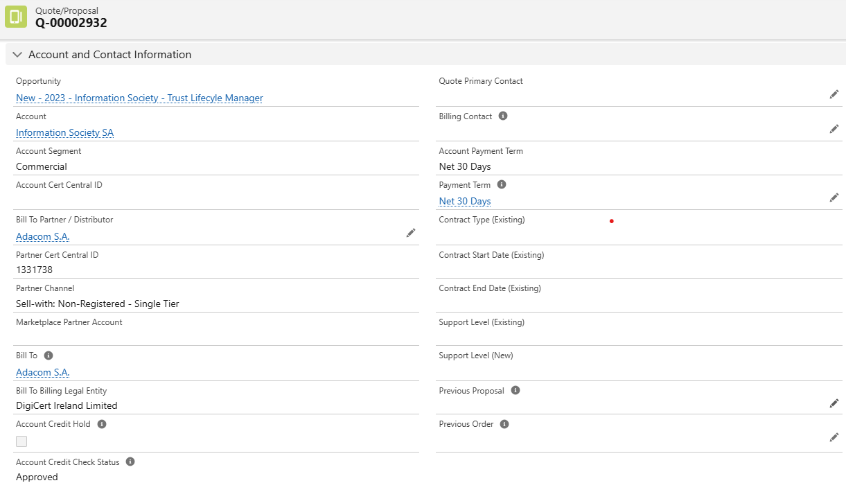
18 | Support Level (New) | Text | R |  | How this field value will be pulled? | [RB] Support level being quoted in the cart | D | Getting populated from flow_Populate_Quote_Proposal_fields_after_finalization It is used in Approval Rules
19 | Bill To Billing Legal Entity | Text | R | It is a Formula field based on the Bill To Account |  |  | A
20 | Previous Proposal | Lookup (Quote/Proposal) | E |  | What is the significance of this field and in which use case this field will be entered by user? | [RB] Lookup to the proposal being renewed/terminated | U
21 | Account Credit Hold | Checkbox | R | It is a Formula field and pulling the value from Bill To Account If Account Credit Hold is checked, you will not be able to use 'Configure Products' and proceed with this quote. Please contact the Finance team. |  |  | A
22 | Previous Order | Lookup (Apttus Order) |  |  | What is the significance of this field and in which use case this field will be entered by user? | [RB] Lookup to the order being renewed/terminated | U
23 | Account Credit Check Status | Text | R | It is a Formula field and pulling the value from Bill To Account Account Credit Check needs to be Approved and is one of the criteria for the ‘Create Order Form/MSA' button to be enabled. |  |  | A
Billing Preference Info section
1 | Contract Type Template | Text | R |  | What is the significance of this field and how this field will be derived? | [RB] Drives template selection | D | Getting populated from Set_Contract_Type_and_Template_selection_on_Quote_Proposal flow It is used in Approval Rules
2 | Requested Credit Limit | Currency | R |  | What is the significance of this field and how this field will be derived? | [RB] Derived based on contract type and used by integration downstream | D | Getting populated from APTS_ProposalTrigger_Handler Apex class. And also assigning Requested credit limit in APTS_Proposal_Before_Save_Flow Flow It is used in Approval Rules
3 | Contract Length | Number (16, 2) | R |  | What is the significance of this field and how this field will be derived? | [RB] Duration based on Start and End Date of the contract | S | Getting populated from APTS_ProposalTrigger_Handler Apex class
4 | Requested Credit Limit Override | Currency | R |  | What is the significance of this field and how this field will be derived? | [RB] User entered when seeking approval | U
5 | Price List | Lookup (Price List) | R | It will be auto populated based on the Opportunity currency |  |  | S
6 | Per Cert Expected Annual Spend | Currency | R |  | What is the significance of this field and how this field will be derived? | [RB] Attribute value - used in templates, support calculation | D | Getting populated from APTS_ProposalTrigger_Handler Apex class
7 | Territory | Text | R | The Name of the Territory associated with the Opportunity that is linked to the current Proposal record. Flow Name:Proposal Before Save Flow | Is it referring to the Opportunity field? | [RB] Yes | O
8 | Pricing Region | Picklist | R |  | From where this will be derived? | [RB] Derived based on Country on proposal creation. | D | Getting populated from APTS_Proposal_Before_Save_Flow Flow
Pricing section
1 | Total Seat-based MSRP | Currency | R |  | Are these fields value calculated based on the cart totals and is it being pulled from Cart Summary Totals? |  | D | Getting populated from APTS_ProposalTrigger_Handler Apex class
2 | Total Quote MSRP | Currency | R |  |  |  | D | It is a formula field. (APTS_Total_PKI_MSRP__c + APTS_Total_Certificate_based_MSRP__c)
3 | Total Seat-based Value | Currency | R |  |  |  | D | Getting populated from APTS_ProposalTrigger_Handler Apex class.
4 | Total Quote Value | Currency | R |  |  |  | D | It is a formula field. if((IsBlank(APTS_Total_Cert_Based_Net_Amount__c) || APTS_Total_Cert_Based_Net_Amount__c = 0) && (IsBlank(APTS_Total_Seat_Based_Net_Amount__c ) || APTS_Total_Seat_Based_Net_Amount__c = 0) && (IsBlank(APTS_Total_Cert_Based_Support_Net_Amount__c) || APTS_Total_Cert_Based_Support_Net_Amount__c = 0),APTS_Total_PKI_Value__c + APTS_Total_SSL_Value__c,if(APTS_Pricing_Type__c > 0 || APTS_Contract_Type_Template__c == 'BULK-D' || APTS_Contract_Type_Template__c == 'PC' || APTS_Contract_Type_Template__c == 'Ongoing', APTS_Total_Cert_Based_Net_Amount__c+ APTS_Total_Seat_Based_Net_Amount__c + APTS_Total_Cert_Based_Support_Net_Amount__c +APTS_Total_Seat_Based_Support_Net_Amount__c ,APTS_Total_Cert_Based_Net_Amount__c+ APTS_Total_Seat_Based_Net_Amount__c +APTS_Total_Seat_Based_Support_Net_Amount__c ))
5 | Total Seat-based Discount % | Percent | R |  |  |  | D | It is a formula field. IF( APTS_Total_PKI_MSRP__c <> 0, APTS_Total_PKI_Discount__c / APTS_Total_PKI_MSRP__c, 0 )
6 | Total Quote Amount (USD) | Number (16, 2) | R |  |  | [RB] Either calculated on cart finalization via code or rollup summary fields | D | It is a formula field. IF(TEXT(CurrencyIsoCode) = 'USD', APTS_Total_Quote_Value__c, APTS_Total_Quote_Value__c / CURRENCYRATE(TEXT(CurrencyIsoCode)))
7 | Total Certificate-based MSRP | Currency | R |  |  |  | D | Getting populated from APTS_ProposalTrigger_Handler Apex class.
8 | Total Support Value | Currency | R |  |  |  | D | It is a formula field. IF(NOT(ISBLANK(APTS_Total_Support_Cert_based_Value__c)) || NOT(ISBLANK(APTS_Total_Support_Seat_based_Value__c)), APTS_Total_Support_Cert_based_Value__c+ APTS_Total_Support_Seat_based_Value__c,0) It is used in Approval Rules
9 | Total Certificate-based Value | Currency | R |  |  |  | D | Getting populated from APTS_ProposalTrigger_Handler Apex class.
10 | Total Quote Discount % | Percent | R |  |  |  | D | It is a formula field. IF( APTS_Total_Quote_MSRP__c <> 0, APTS_Total_Quote_Discount__c / ( APTS_Total_Quote_Discount__c + APTS_Total_Quote_Value__c), 0 )
11 | Total Support (Cert-based) MSRP | Currency | R |  |  |  | D | It is a Rollup Summary field. 1. Filter Criteria: (DescriptionequalsDigicert Standard Support,Digicert Business Support,Digicert Premium Support,Basic Support,Platinum Support, Gold Support,Digicert Business Plus Support) and (Product ConfigurationequalsCertificate-based,Partner) 2. Field to Aggregate: Proposal Line Item: Total Line MSRP
12 | Annual Commit Discount % | Number (14, 4) | E | It is a user input field | 1. Who is responsible for providing input for this field and at which stage and in which all use cases, user will provide value for this field? 2. Once user provide input for this field, how this discount will be applied to the configured quote? | [RB] System calculated in the cart | U
13 | Total Certificate-based Discount % | Percent | R |  | Are these fields value calculated based on the cart totals and is it being pulled from Cart Summary Totals? | [RB] Calculated on cart finalization via code | D | It is a formula field. IF( APTS_Total_Certificate_based_MSRP__c <> 0, 1 - (IF(APTS_Contract_Type_Template__c == 'BULK-D' || APTS_Contract_Type_Template__c == 'PC' || APTS_Contract_Type_Template__c == 'Ongoing',APTS_Total_Cert_Based_Net_Amount__c + APTS_Total_Cert_Based_Support_Net_Amount__c,APTS_Total_Cert_Based_Net_Amount__c) / APTS_Total_Certificate_based_MSRP__c) , 0)
14 | Total Manual Discount % | Percent | R |  |  |  | D | It is a formula field. IF( APTS_Total_Quote_MSRP__c <> 0, APTS_Total_Manual_Discount__c / ( APTS_Total_Manual_Discount__c + APTS_Total_Quote_Value__c), 0 ) It is used in Approval Rules
15 | Tax Amount (Japan) | Number (18, 0) | R |  | From where this field value will be pulled? | [RB] Hardcoded for Japan only | S | It is a formula field. IF( TEXT(Apttus_Proposal__Account__r.APTS_Billing_Legal_Entity__c)=='541' ,FLOOR(APTS_Total_Quote_Value__c * 0.1),0)
16 | Max Line Item Manual Discount | Percent | R |  | Are these fields value calculated based on the cart totals and is it being pulled from Cart Summary Totals? | [RB] Calculated in code or via formula field | D | It is a Rollup summary field. 1. Filter Criteria: Descriptionnot equal toDigicert Standard Support,Digicert Business Support,Digicert Premium Support,DigiCert Platinum Support, DIGICERT PKI PLATFORM - PLATINUM SUPPORT - 12 MONTHS,Digicert Business Plus Support 2. Field to aggregate: Proposal Line Item: Manual Discount %
17 | Total Quote Value with Tax (Japan) | Currency | R |  |  |  | D | It is a formula field. IF(TEXT(Apttus_Proposal__Account__r.APTS_Billing_Legal_Entity__c)=='541', APTS_Total_Quote_Value__c + Tax_Amount__c, 0)
18 | Approved (Entrust) Credit Amount | Currency | E | It is a user input field | 1. What is the significance of this field? 2. Who is responsible for providing input for this field and at which stage and in which all use cases, user will provide value for this field? | [RB] Maximum pre approved entrust credit system calculated | U
Partner Program Info section
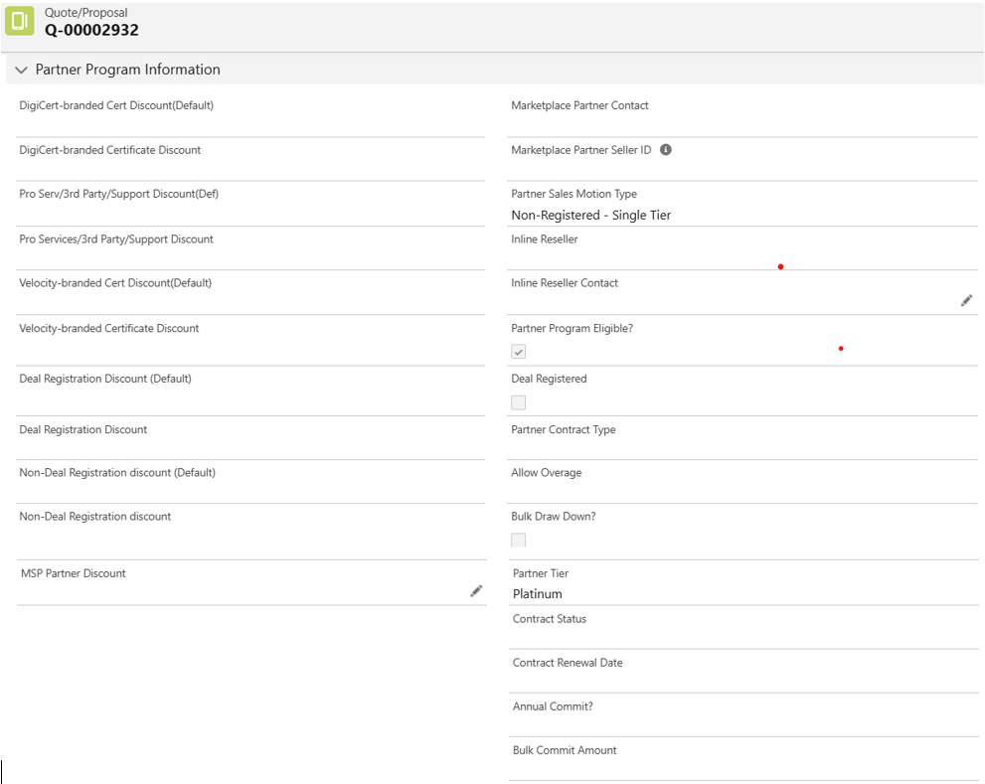
1 | DigiCert-branded Cert Discount(Default) | Percent | R |  | From where this field value will be pulled? | [RB] custom metadata type | S | Getting populated from APTS_ProposalTrigger_Handler Apex class.
2 | Marketplace Partner Contact | Lookup (Contact) | R | This expression retrieves the Marketplace Partner Contact ID (Contact record ID) from the Opportunity that is linked to the current Proposal. Flow Name : Set or Reset Fields on Quote Creation | Is this the contact associated with the Marketplace Partner Account? | [RB] opty | O
3 | DigiCert-branded Certificate Discount | Percent | R |  | From where this field value will be pulled? | [RB] Attribute in the cart or from the Partner Account | D | Getting populated from APTS_ProposalTrigger_Handler Apex class.
4 | Marketplace Partner Seller ID | Text | R | It is a Formula field, fetching value from Opportunity |  |  | O
5 | Pro Serv/3rd Party/Support Discount(Def) | Percent | R |  | From where this field value will be pulled? | [RB] custom metadata type | S | Getting populated from APTS_ProposalTrigger_Handler Apex class.
6 | Partner Sales Motion | Text | R | It is a Formula field, fetching value from Opportunity |  |  | O | It is used in Approval Rules
7 | Pro Services/3rd Party/Support Discount | Percent | R |  | From where this field value will be pulled? | [RB] Attribute in the cart or from the Partner Account | D | Getting populated from APTS_ProposalTrigger_Handler Apex class.
8 | Partner Sales Motion Type | Text | R | It is a Formula field, fetching value from Opportunity |  |  | O
9 | Velocity-branded Cert Discount(Default) | Percent | R |  | From where this field value will be pulled? | [RB] custom metadata type | S | Getting populated from APTS_ProposalTrigger_Handler Apex class.
10 | Inline Reseller | Text | R | It is a Formula field, fetching value from Opportunity |  |  | O
11 | Velocity-branded Certificate Discount | Percent | R |  | From where this field value will be pulled? | [RB] Attribute in the cart or from the Partner Account | D | Getting populated from APTS_ProposalTrigger_Handler Apex class.
12 | Inline Reseller Contact | Lookup (Contact) | E | the value stored in the “Inline Reseller Contact” field on the Opportunity related to the current Proposal Flow Name : Set or Reset Fields on Quote Creation | Is this the contact associated with the Inline Reseller Account? |  | O
13 | Deal Registration Discount (Default) | Percent | R | The APTS_Seat_based_discount__c field flows from Partner Account → Proposal → Line Item Attributes, is used for discount approvals, and influences non-registered discount calculations for specific partner sales motions. Apex Class:APTS_ProposalTrigger_Handler Apex Class:APTS_ProductAttributeValueTriggerHandler Apex Class:APTS_ProductAttributeValueTriggerHandler | From where this field value will be pulled? | [RB] Opty | O
14 | Partner Program Eligible? | Checkbox | R | It is Formula field |  |  | D | It is a formula field. IF( ISPICKVAL(Apttus_Proposal__Opportunity__r.Partner_Sales_Motion__c , 'Marketplace Sell-With') && NOT(ISPICKVAL(APTS_Deal_Type__c,'Direct')) , APTS_Marketplace_Partner_Account_IPP__c , Apttus_QPConfig__BillToAccountId__r.APTS_Partner_Program_Discount__c && NOT(ISPICKVAL(APTS_Deal_Type__c,'Direct')))
15 | Deal Registration Discount | Percent | R |  | From where this field value will be pulled? | [RB] Attribute in the cart or from the Partner Account | D | Getting populated from APTS_ProposalTrigger_Handler Apex class.
16 | Deal Registered | Checkbox | R | It is Formula field |  |  | D | It is a formula field. APTS_Deal_Registration_Partner__c = Apttus_Proposal__Opportunity__r.Reseller__c && Apttus_Proposal__Opportunity__r.ImpartnerPRM__IsDealRegistration__c
17 | Non-Deal Registration discount (Default) | Percent | R |  | From where this field value will be pulled? | [RB] custom metadata type | S | Getting populated from APTS_ProposalTrigger_Handler Apex class.
18 | Partner Contract Type | Picklist | R | Populated during cart finalization (beforeUpdate) Values: 'Bulk Draw Down', 'Bulk', 'Pay-As-You-Go', 'Ongoing', or null Determined by: Product code (PC/BULK-D), Bulk Flex setting, Pay Go/Ongoing attribute, or copied from Partner Account Cleared: When partner program eligibility conditions fail | Based on which field this field value selection will happen? | [RB] Same field on Opty | O
19 | Non-Deal Registration discount | Percent | R |  | From where this field value will be pulled? | [RB] Attribute in the cart or from the Partner Account | D | Getting populated from APTS_ProposalTrigger_Handler Apex class.
20 | Allow Overage | Picklist | R |  | Based on which field this field value selection will happen? | [RB] Attribute in the cart or from the Partner Account | D | Getting populated from APTS_ProposalTrigger_Handler Apex class.
21 | MSP Partner Discount | Percent | E |  | Who is responsible for providing input for this field and at which stage and in which all use cases, user will provide value for this field? | [RB] Field on Partner Account | A
22 | Bulk Draw Down? | Checkbox | R |  | How this field value will be set to True? | [RB] Field on Partner Account | A
23 | Partner Tier | Text | R | It is a formula field and fetching value from Bill To Account |  |  | A
24 | Contract Status | Picklist | R | Track partner contract state - Copies from Account to Proposal Control partner program eligibility - Specific statuses enable discounts and partner benefits Activate partner contracts - Signed statuses trigger various discount and configuration settings Reset on finalization - Cleared when cart is finalized for certain deal types Key Contract Statuses recognized: 'Signed DC POF' 'Amendment/Other - Signed' 'MPA Agreed (Click-through)' 'MRA -Signed' 'TSG MRA' 'Pending DC POF' (set by the system) The field serves as a critical control point for determining whether partner program discounts and settings should be applied to the Proposal. | Based on which field this field value selection will happen? | [RB] Field on Opty | O
25 | Contract Renewal Date | Date | R | Track partner contract expiration: Synced from Partner Account to Proposal Validate active partner contracts: Ensures contract hasn't expired (must be > today) Determine quote type eligibility: Used in logic to determine if quote qualifies as "Bulk funds draw down" by checking: Contract Renewal Date exists Start Date is before Contract Renewal Date Contract length is less than 2 years Set based on quote dates: Automatically set to Expected End Date + 1 day for finalized partner program quotes Reset conditions: Cleared when cart is finalized for partner-defined deals or when partner program is not eligible The field essentially tracks when a partner's contract will renew and is critical for determining quote eligibility and quote type classifications. Apex Class:APTS_ProposalTrigger_Handler | From where this field value will be pulled? | [RB] Field on Opty | O
26 | Annual Commit? | Picklist | R | APTS_Annual_Commit_Amount__c: Populated from APTS_BulkCommitAmount__c for BULK-D products, used to determine if Bulk Flex should be enabled (>= 100000) APTS_AnnualCommit__c: Set to 'Yes' for BULK-D products with annual commit, 'No' for PC products, or synced from Account's Annual Commit field APTS_Annual_Commit_Formula__c: Used in SOQL queries to determine partner program eligibility and discount calculations APTS_AnnualCommitApprovalPartnerProgram__c: Flag to indicate if approval is needed when the annual commit amount is adjusted during pricing These fields work together to manage the annual commitment pricing model for bulk and partner program contracts. Apex Class:APTS_ProposalTrigger_Handler | How this field value will be set to True? | [RB] Field on Opty | O
27 | Bulk Commit Amount | Currency | R | The field APTS_BulkCommitAmount__c is used to store the bulk commitment amount and is populated from either: The Bill To Account's Tier_Eligible_Bookings_Commitment__c field The line item's attribute APTS_Annual_Commit_Amount__c (for BULK-D products) It's set to null when certain partner program conditions aren't met or when the cart is being finalized with specific deal types. Apex Class :APTS_ProposalTrigger_Handler Apex Class :APTS_ProductAttributeValueTriggerHandler | From where this field value will be pulled? | [RB] Field on Opty | O
CPF Info & Admin Info section
1 | Account Legal Name | Text | R | It is a Formula field, fetching value from Account |  |  | A
2 | Technical Contact | Lookup (Contact) | E | It is a user input field |  |  | U
3 | Special Instructions | Long Text Area | E | It is a user input field |  |  | U
4 | Created By | Lookup (User) | R | It will be auto populated by system with the user name who has created the quote |  |  | S
5 | Configuration Start Date | Date/Time |  | It is user input field | What is the significance of this field? Do we need this field in To Be? | [RB] Shouldnt be required in RCA | U
6 | Last Modified By | Lookup (User) | R | It will be auto populated by system with the user name who has modified the quote |  |  | S
7 | Configuration Finalized Date | Date/Time | R | It will be auto populated by system with the configuration finalize date | Do we need this field in To Be? As there will be no finalize cart functionality in RCA | [RB] Shouldnt be required in RCA | S
8 | Flow Derivation | Text | R | It is a Formula field | What is the significance of this field? Do we need this field in To Be? | [RB] Shouldnt be required in RCA | S
9 | Expected Start Date | Date | R | It will be auto populated by system with the quote creation date | Do we need this field in To Be? | [RB] Shouldnt be required in RCA | S
10 | Preview | Text | R | It is supporting the Preview functionality | Do we need this field in To Be? | [RB] Shouldnt be required in RCA

