Sheet1
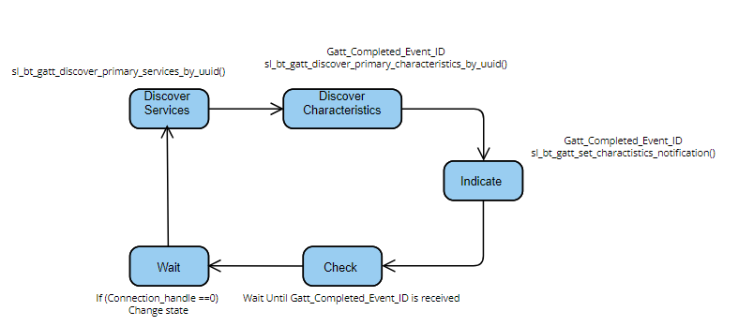
 | Client Command Table for A7

 | Use this table to help you design your program. Add rows as needed. | Use this column to describe when and what your LCD display changes to for rows like DISPLAY_ROW_CONNECTION | Use this column to denote if BT stack events cause your state machine to advance, you can put an X in the cell to note this. Drawing a bubble diagram of your state machine might also be a good idea 👍. | Commands that may be useful: sl_bt_gatt_discover_primary_services_by_uuid() sl_bt_gatt_discover_characteristics_by_uuid()
 | Event | LCD Display State | Advances State Machine | Commands called in response to event | Notes
Events Common to Slaves/Clients
 | sl_bt_evt_system_boot_id | Advertising |  | This event is generated on stack boot up | You can also document in column D values that need to be saved in response to receiving BT stack events.
 |  | Server |  | sl_bt_system_get_identity_address()
 |  | A8 |  | sl_bt_sm_delete_bondings()
 |  | Server BT Addres |  | sl_bt_sm_configure()
 |  |  |  | displayInit()
 |  |  |  | sl_bt_advertiser_create_set()
 |  |  |  | sl_bt_advertiser_set_timing()
 |  |  |  | sl_bt_advertiser_start()
 |  |  |  | displayPrintf()

 | sl_bt_evt_connection_opened_id | Connected | X | Save the connection handler
 |  |  |  | sl_bt_advertiser_stop
 |  |  |  | sl_bt_connection_set_parameters
 |  |  |  | Setting Connection flag

 | sl_bt_evt_connection_closed_id | Advertising | X | sl_bt_sm_delete_bondings
 |  | Clearing the LCD temp print |  | Clearing all flags
 |  |  |  | DisplayPrintf
 |  |  |  | sl_bt_advertiser_start

 | sl_bt_evt_connection_parameters_id |  |  | Logging on the terminal

 | sl_bt_evt_sm_confirm_bonding_id |  |  | sl_bt_sm_bonding_confirm

 | sl_bt_evt_sm_confirm_passkey_id | passkey to confirm |  | DisplayPrintf for passkey and confirm

 | sl_bt_evt_system_external_signal_id | Button Pressed/Released | X | Checking if button pressed or released event occurred and calling
 |  |  |  | sl_bt_gatt_server_write_attribute_value
 |  |  |  | write_queue
 |  |  |  | sl_bt_gatt_server_send_indication
 |  |  |  | DisplayPrintf()

 | sl_bt_evt_system_soft_timer_id |  |  | This event indicates that a soft timer has expired.
 |  |  |  | displayUpdate()
 |  |  |  | sl_bt_gatt_server_send_indication
 |  |  |  | Setting Indication in flight flag

 | sl_bt_evt_gatt_server_indication_timeout_id |  |  | Logging and clearing Indication Inflight

 | sl_bt_evt_gatt_server_characteristic_status_id |  |  | Checking why this event was caused using the charHandle and then setting or clearing the indications and indication in flight | Turning LED on/OFF for indications

 | sl_bt_evt_sm_bonding_failed_id | Bonding failed |  | Clearing Bonded flag and DisplayPrintf()

 | sl_bt_evt_sm_bonded_id | Bonded |  | Setting Bonded Flag and DisplayPrintf

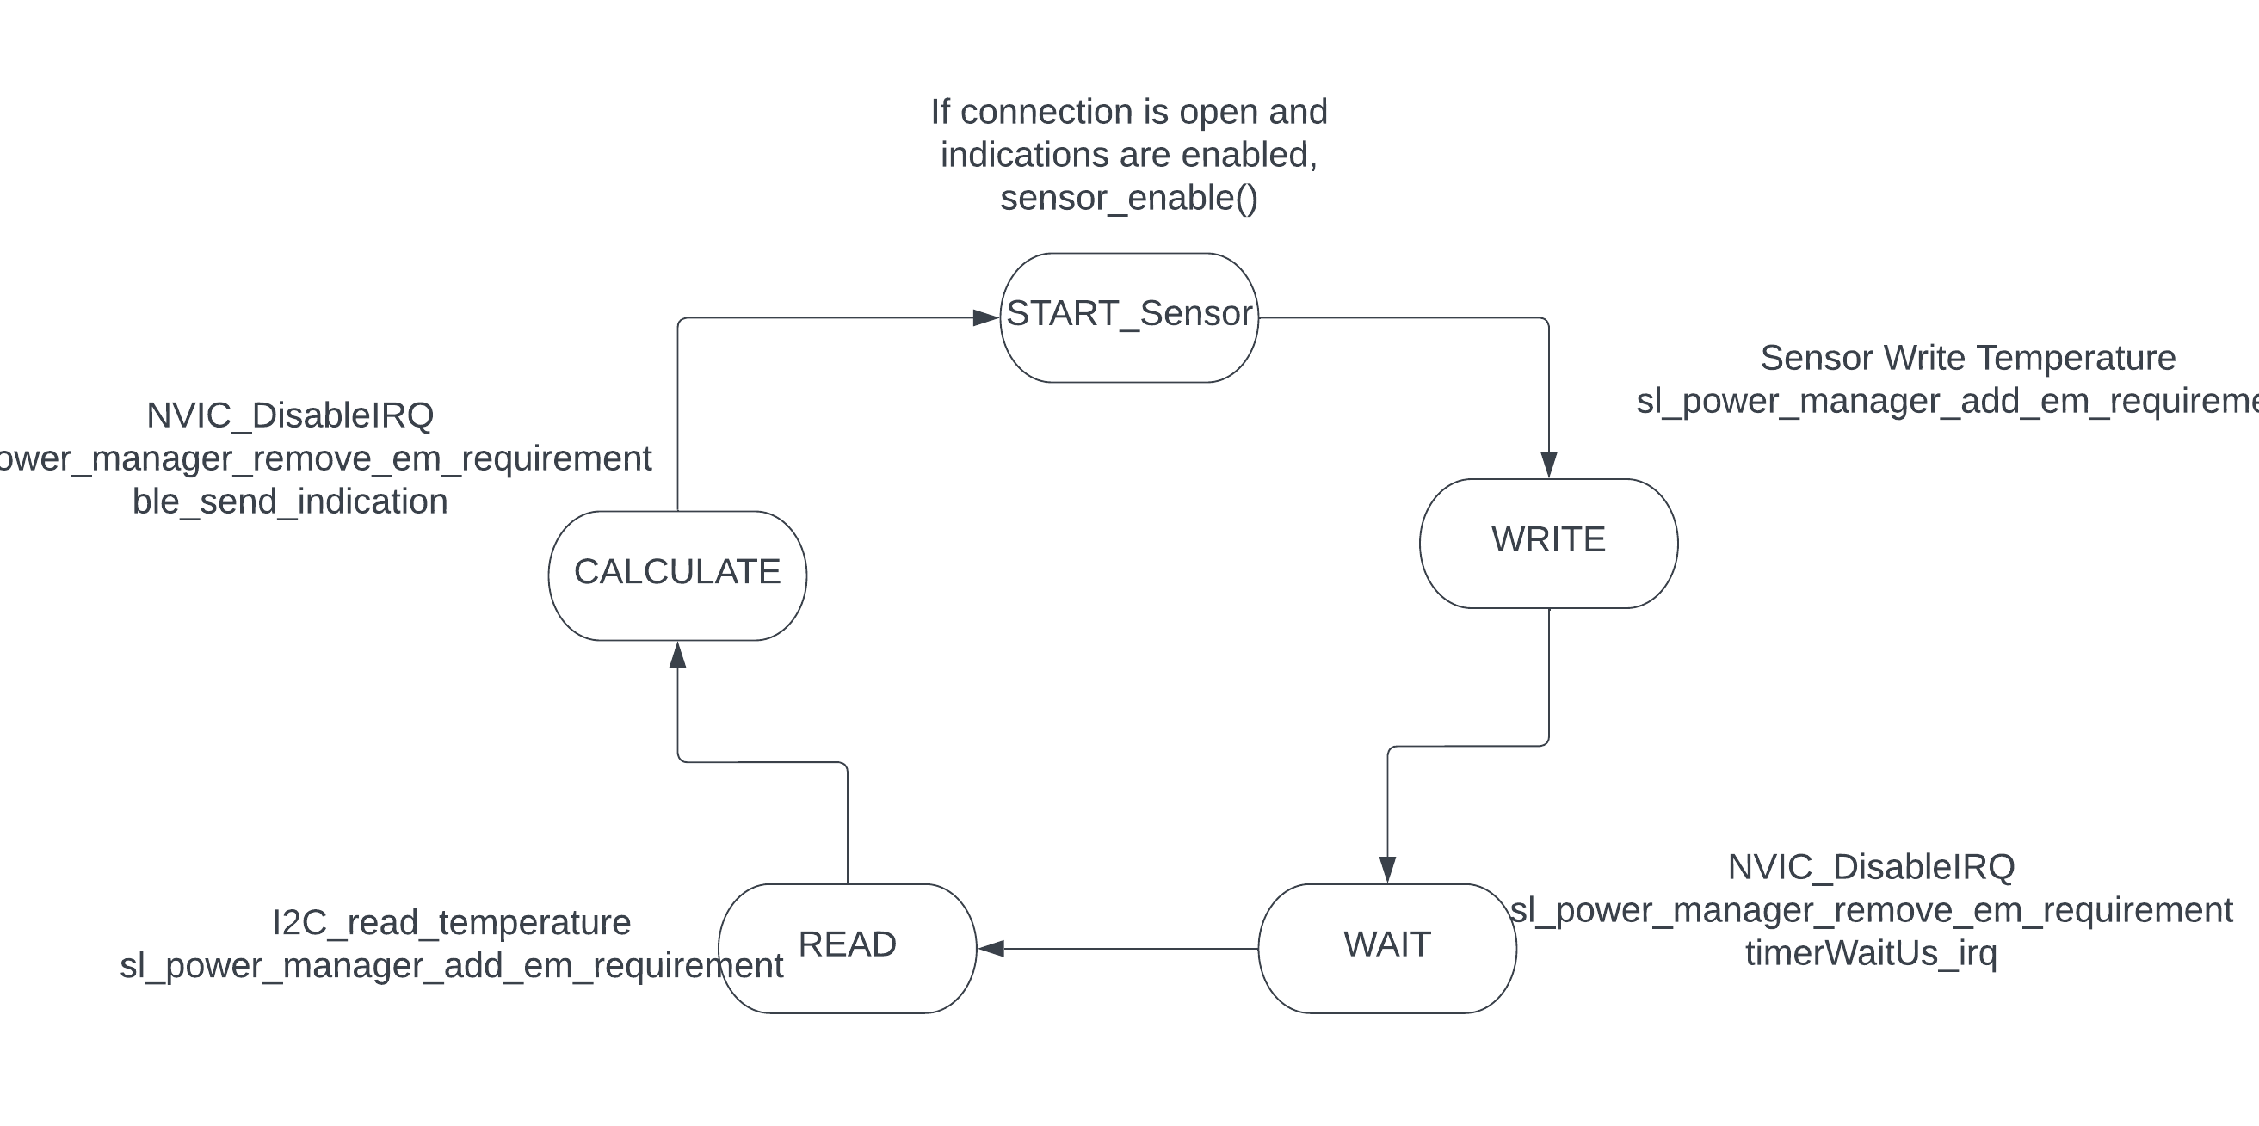
 | DISCOVERY STATE MACHINE

