Sheet1
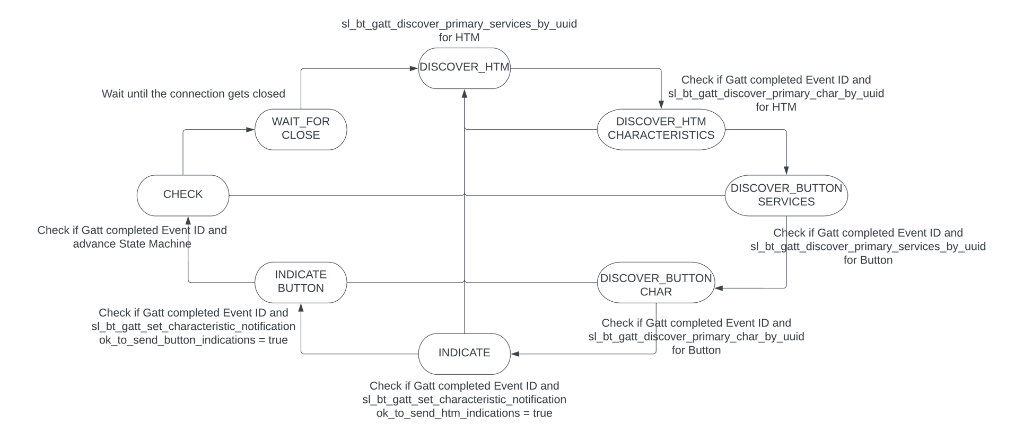
 | Client Security Table for A9

 | Use this table to help you design your program. Add rows as needed. | Use this column to describe when and what your LCD display changes to for rows like DISPLAY_ROW_CONNECTION | Use this column to denote if BT stack events cause your state machine to advance, you can put an X in the cell to note this. Drawing a bubble diagram of your state machine might also be a good idea 👍. | s
 | Event | LCD Display State | Advances State Machine | Commands called in response to event | Notes
Events Common to Slaves/Clients
 | sl_bt_evt_system_boot_id | Discovering |  | This event is generated on stack boot up | You can also document in column D values that need to be saved in response to receiving BT stack events.
 |  | Client |  | sl_bt_system_get_identity_address()
 |  | A7 |  | sl_bt_scanner_set_mode()
 |  | Client BT Addres |  | sl_bt_scanner_set_timing()
 |  |  |  | sl_bt_connection_set_default_parameters()
 |  |  |  | displayInit()
 |  |  |  | sl_bt_scanner_start() | You should start and stop scanning just like you did with advertising for a Server.
 |  |  |  | sl_bt_sm_configure()
 |  |  |  | sl_bt_sm_delete_bondings()
 |  |  |  | displayPrintf()

 | sl_bt_evt_connection_opened_id | Connected | X | Save the connection handler
 |  | Displaying the BT server Address |  | displayPrintf

 | sl_bt_evt_connection_closed_id | Discovering | X | sl_bt_scanner_start()
 |  | Clearing the LCD temp print |  | clear Connection_flag
 |  |  |  | sl_bt_sm_delete_bondings()
 |  |  |  | displayPrintf()

 | sl_bt_evt_system_soft_timer_id |  |  | This event indicates that a soft timer has expired.
 |  |  |  | displayUpdate()

Events only for Masters/Clients
 | sl_bt_evt_scanner_scan_report_id |  |  | Received for advertising or scan response packets generated by: sl_bt_scanner_start(). Is the bd_addr, packet_type and address_type what we expect for our Server? If yes: sl_bt_scanner_stop() sl_bt_connection_open()

 | sl_bt_evt_gatt_procedure_completed_id |  | X | We get this event when it’s ok to call the next GATT command. It’s a good idea to check for returned error codes. This would be a great event to use to sequence your new state machine. | Do not build your state machine into your handle_ble_event() function! Instead build a new state machine for A7.
 |  |  |  | sl_bt_sm_increase_security()

 | sl_bt_evt_gatt_service_id |  |  | A GATT service in the remote GATT database was discovered
 |  |  |  | Save the service handle
 | sl_bt_evt_gatt_characteristic_id |  |  | A GATT characteristic in the remote GATT database was discovered

 | sl_bt_evt_system_external_signal_id |  |  | sl_bt_gatt_read_characteristic_value
 |  |  |  | GPIO_PinInGet
 |  |  |  | sl_bt_sm_passkey_confirm
 |  |  |  | sl_bt_gatt_set_characteristic_notification

 | sl_bt_evt_sm_confirm_passkey_id | Display Passkey and ask to confirm |  | displayPrintf

 | sl_bt_evt_gatt_service_id |  |  | Save both char and Button Service Handle

 | sl_bt_evt_gatt_characteristic_id |  |  | Save both char and Button Char Handle

 | sl_bt_evt_sm_bonded_id | Bonded |  | displayPrintf and Set bonded Flag

 | sl_bt_evt_sm_bonding_failed_id | " " |  | displayPrintf and Clear Bonded Flag

 | sl_bt_evt_gatt_characteristic_value_id | Temperature Value |  | If an indication or notification has been enabled for a characteristic, this event is triggered whenever an indication or notification is received from the remote GATT server. Is the characteristic handle and att_opcode we expect? If yes: sl_bt_gatt_send_characteristic_confirmation()
 |  |  |  | sl_bt_gatt_send_characteristic_confirmation()
 |  | Button Pressed/Released |  | Check Which Characteristic caused the event and then check if the indication is turned on, if it is call the above function otherwise just read the value from the data array
 |  |  |  | DisplayPrintf
 |  |  |  | FLOAT_TO_INT32

 | DISCOVERY STATE MACHINE

