Graph
Short Strangle Back Testing - NIFTY
 | Earning | SL-EARN
44631 | 550 | 550
44634 | 1700 | 1700
44635 | 300 | 1200
44636 | 647.5 | 647.5
44637 | 5 | 5
44641 | 577.5 | 577.5
44642 | 1900.25 | 1900.25
44643 | 489.75 | 489.75
44894 | 175 | 54
44893 | 669.5 | 669.5
 | 0 | 0
 | 0 | 0
Long Straddle Back Testing - BANKNIFTY
 | Earning | SL-EARN
44620 | -700 | -700
44622 | -3975 | -3975
44623 | -1100 | -1100
44624 | -850 | 1027.5
44627 | 2525 | 2525
44628 | -4225 | 3575
44629 | -2900 | 1582.5

Total Earning | 7014.5 | Total Days | 10 | Total Earning | 7014.5 | Total Days | 10

Total Earning With SL | 7793.5 | Average Investment | - | Total Earning With SL | 7793.5 | Average Investment

No. of LOTS | 1 |  |  | No. of LOTS | 1

Weekly_Strangle
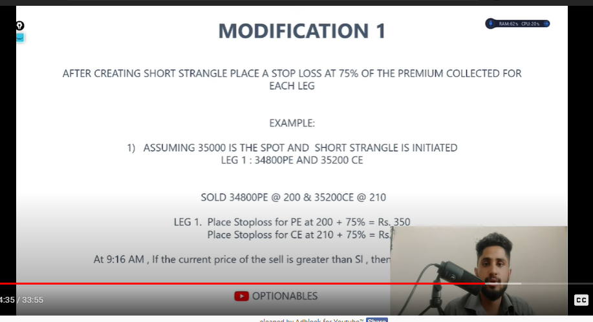
INTRA DAY TRADING SYSTEM | if premium is 200+75% more than that then exit the position
Capital - 100000
Entry at 3:15 PM before expiry
Exit at 9:20 AM on day of expiry
Weekly Contract used
Reason
Highest theta during the last 2 days of expiry

Bank NIFTY
Short Strangle
Sell (200 + ATM) CE and (200-ATM) PE
Example
Bank NIFTY - 35000
Sell 35200 CE and 34800 PE

