Heuristics
Dashboard used: -> |  | Gender Pay Gap - Education by PayScale
Q) Explain why you picked this dashboard example. For example, was the data something you were interested in? |  | I scrolled over all the dashboard, then I decided to go with 'Gender Pay Gap - Education by PayScale'. As in Assignment 2, initially I decided to start with Higher Education, specifically undergraduate education, since there are a lot of potentially interesting questions there that could be answered by a large data set in this area. But due to unavailability of data i had to choose dataset of ‘Rainfall Analysis: India’. So this time I decided to go with something related to Education and this dashboard was one of the closest one.
Q) Were the heuristics useful? How? Which ones in particular? Explain in detail. |  | Heuristis which talked about layout logic, visualization of dashboards (with icons/colour/ widgets and other elements ), and how dashboard is designed are one of the useful heuristics.The two heuristics -> Functional and Navigational dead end cover all the points, Interactive elements that are discoverable and predictable, follow a sensible, logical layout, and have a simplified design that makes complex decisions easier, such elements should be taken while creating Dashboard.
Q) Were any of the heuristics not helpful or confusing to you? If so, please elaborate. |  | Heuristic such as 'There is a clear path and breadcrumbs for user actions within the dashboard.' were not of much help and a bit confusing. There could be some cases where dashboards maynot have multiple navigation pages only one main layout, in that case on what bases to rate upon?
Q) Did any of the heuristics make you think of dashboard design in a new way? |  | Many Heuristics lead to new way of approach to solve the objective of the dashboards some even leads to implicit ideas what need to be added and what need to be removed from a dashboard. Heuristic pin point the point that it is important not to assume that people automatically know what it takes to clearly and effectively communicate with data.
Q) Were there any heuristics that you thought were missing? |  | Most of the key point what a dashboard should have are covered with all these heuristics. But one can even talk about heuristics such as starting Points, and resources for Inspiration in more details
Q) . What changes would you make to the dashboard based on this assessment? Please describe in detail |  | The gender pay gap dashboard be created to answer questions such as how much women are paid compared to men. Payscale's State of the Gender Pay Gap Report can include analysis by race, job level, age, education, industry, and occupation, as well as reasons for the gender pay gap such as the Motherhood Penalty. Employers can help close the gender pay gap with pay equity analysis and continuous monitoring of pay equity within their organizations using dashboard insights.
Heuristic | Additional questions related to heuristic | Rate the dashboard on a Likert scale ranging from strong violation <> weak violation <> weak application <> strong application, and qualify with additional details. If the heuristic applies, then describe how. If the heuristic is violated, then describe suggestions, alternatives, fixes to the dashboard to satisfy the heuristic. Add relevant screenshots and visuals. | Screenshot
The dashboard supports specific analytical questions or tasks. | If so, what task does the dashboard support? | Strong Violation Dashboard should answers questions such as: how much women are paid compared to men. Analysis by race, job level, age, education, industry, and occupation must be included. | 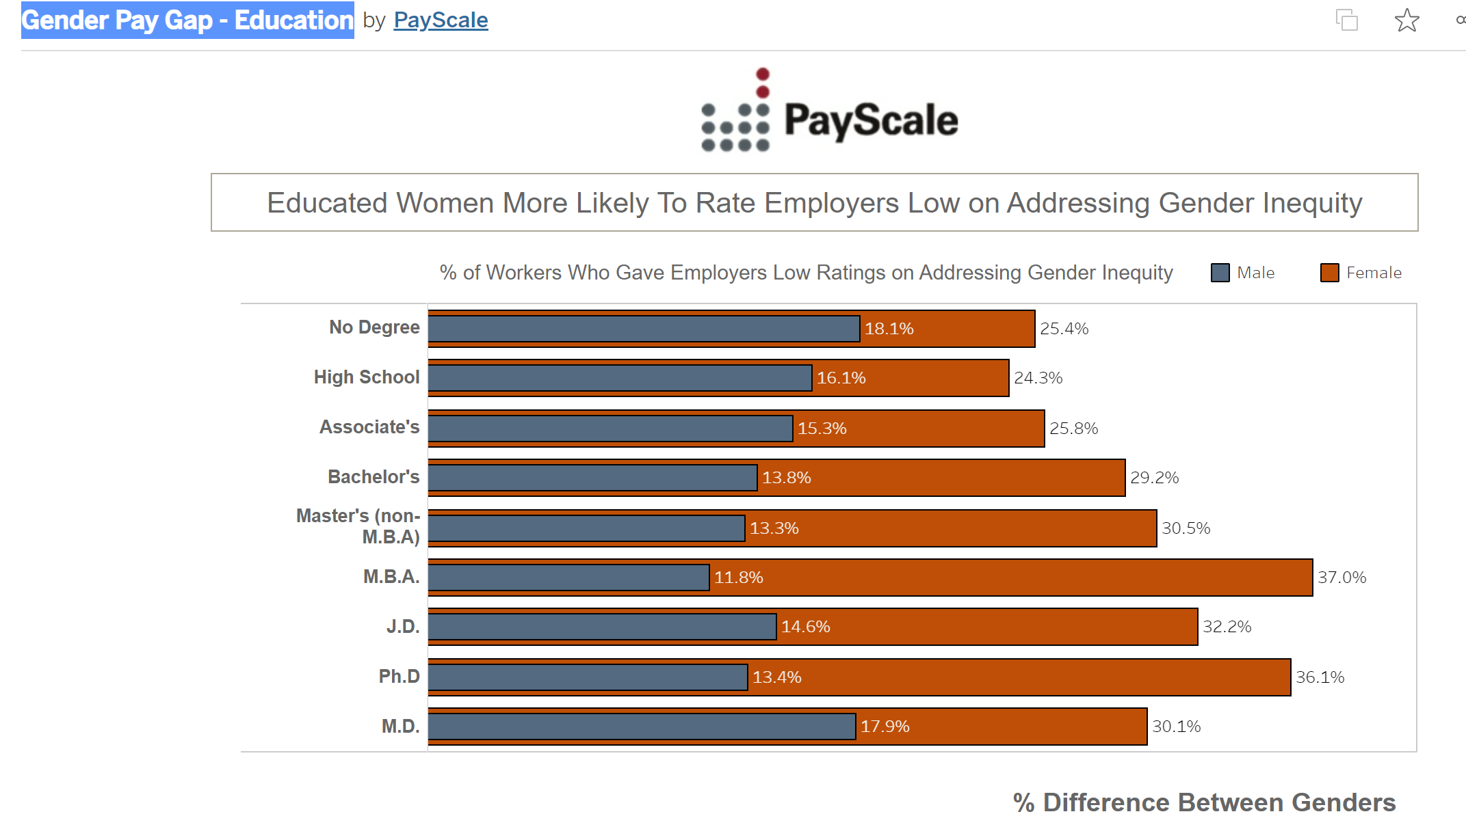
The user should be able to explore the data using the dashboard. | If the user is unable to explore the data, why? | Weak application User can explore data, but its limited and doesn’t answers the dashboard domain. (which is 'Gender Pay Gap - Education')
It is clear to the user where they need to start interacting with the dashboard. |  | Week Application Dashboard is simple, to follow but it doesn’t answers the main objective. It does provide anslysis % of workers who gave low rating on addressing gender inequality. | 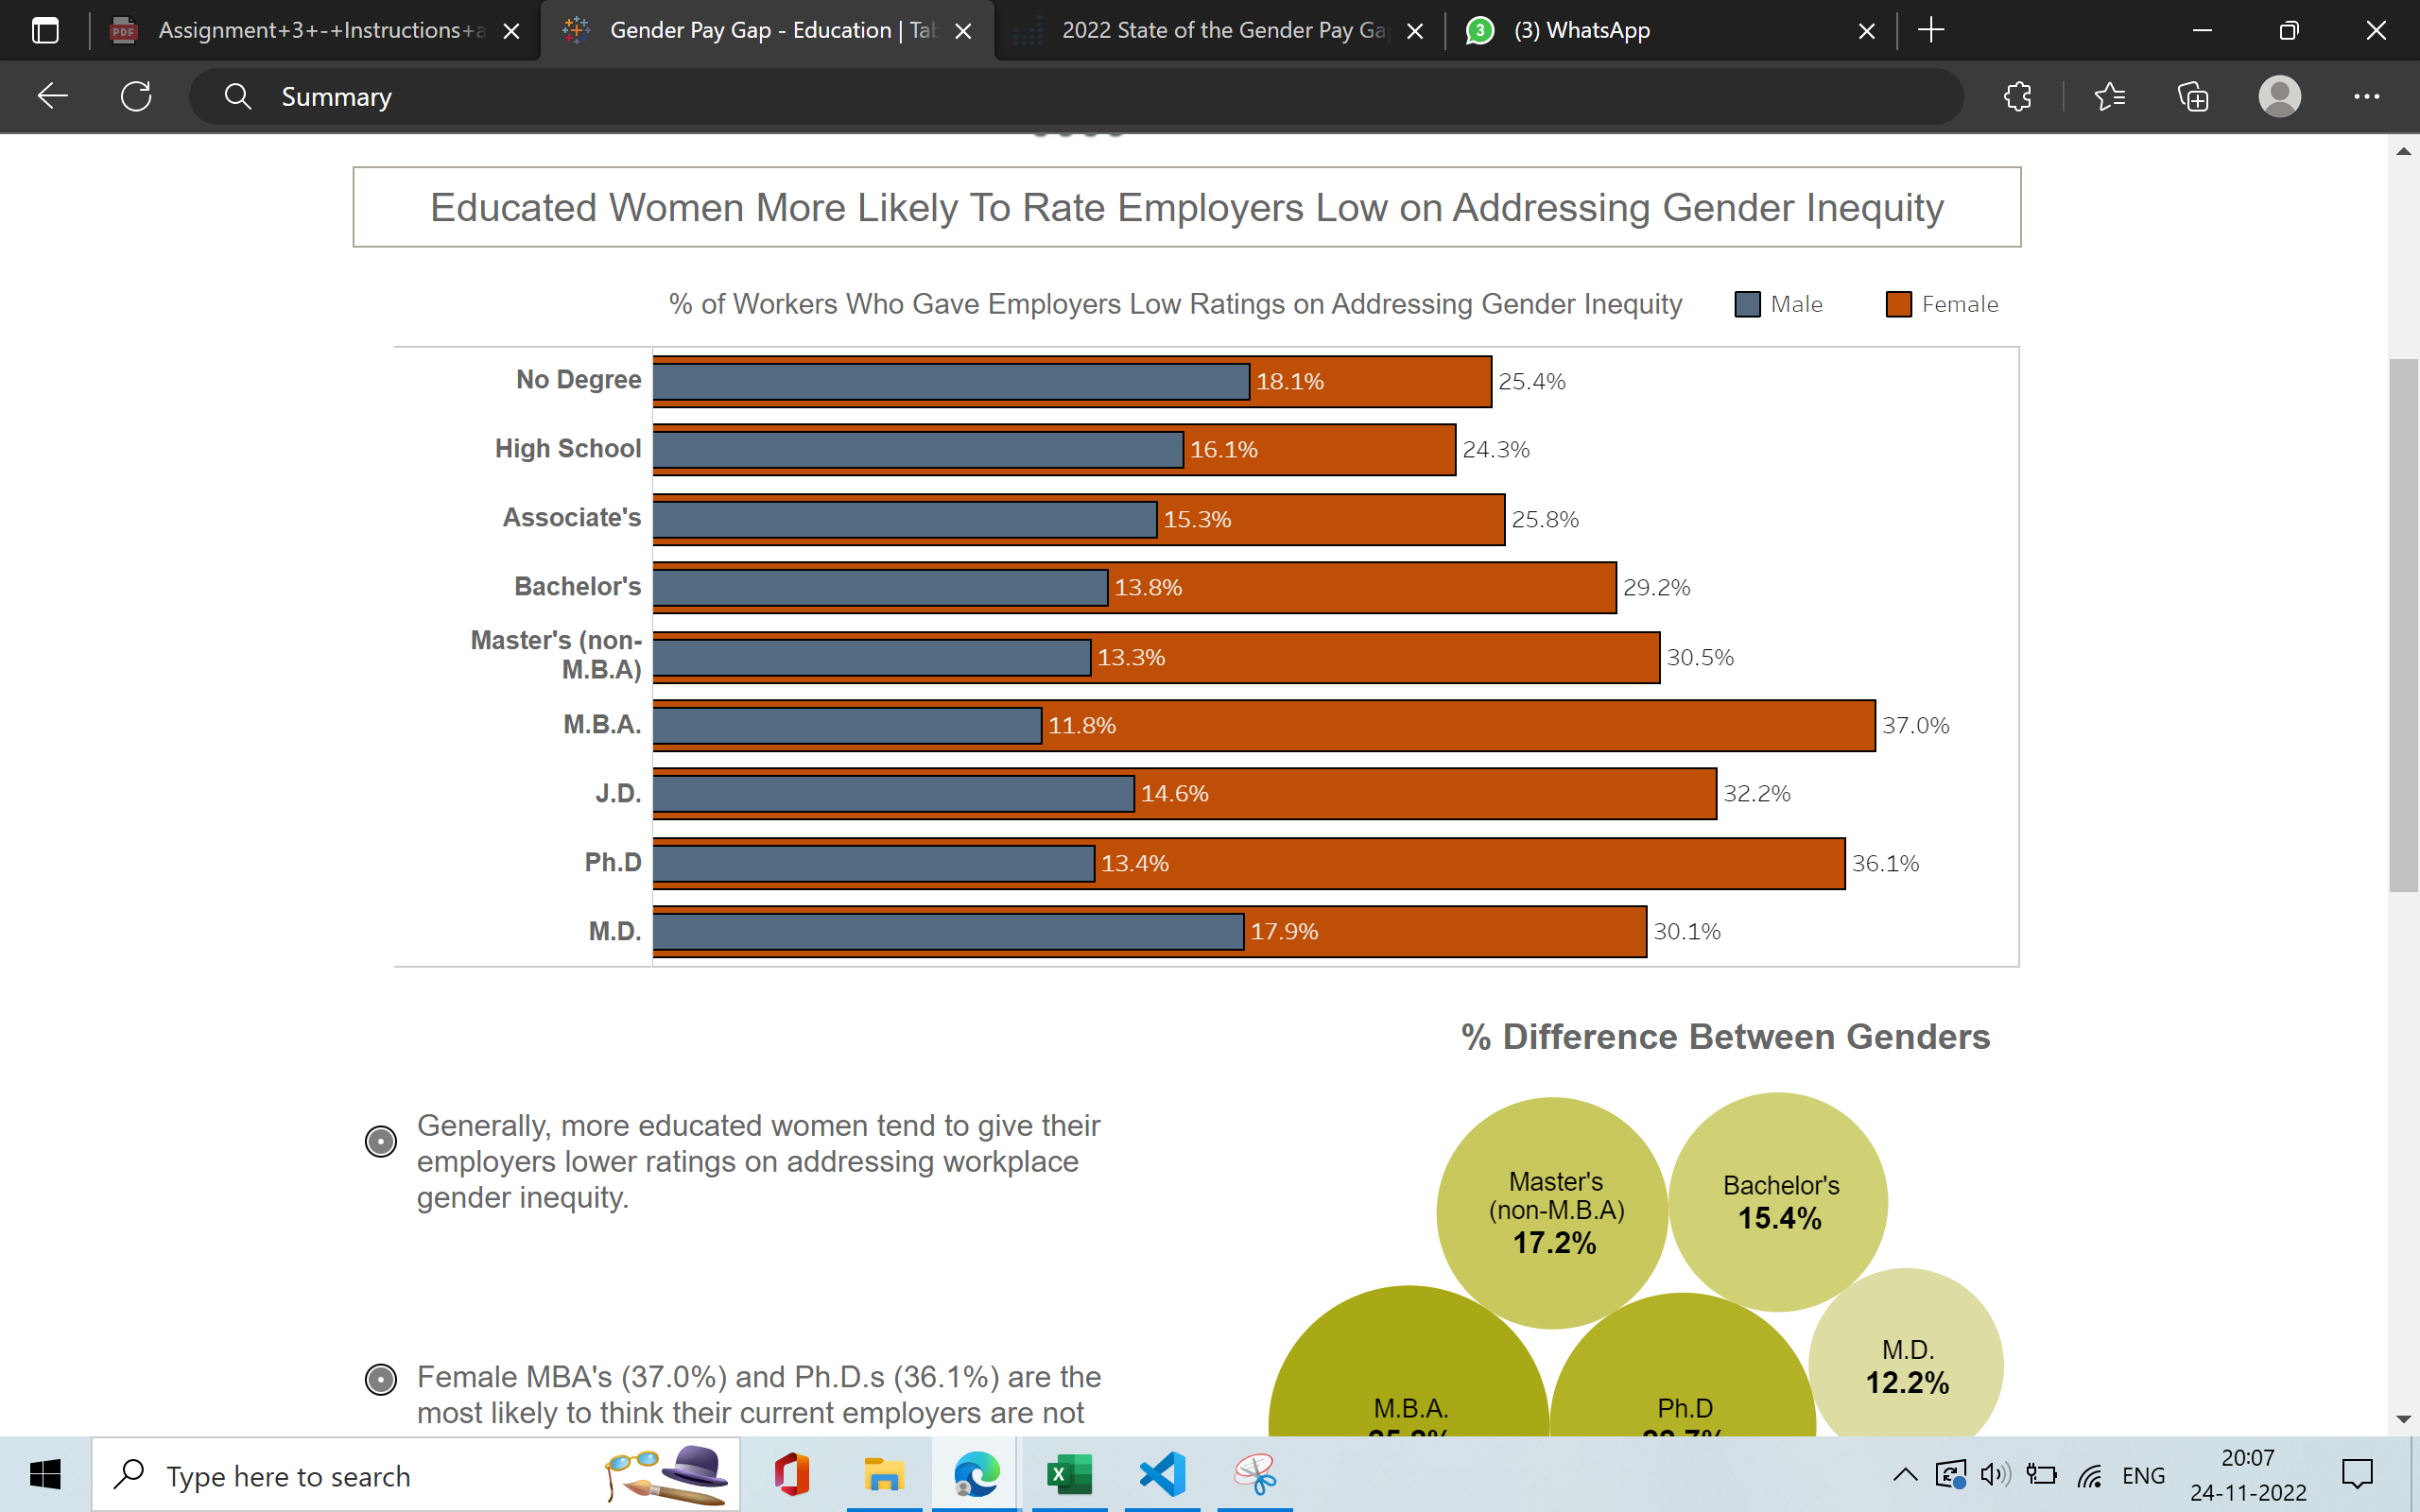
The charts in the dashboard support tasks that represent the overall intended goal to the user. |  | Strong Violation Dashboard only contains two charts, both doent support overall intedent. One states on rating of gender inequality. And another one briefs about difference between genders in each field of education who thinks gender issues are not being addressed. | 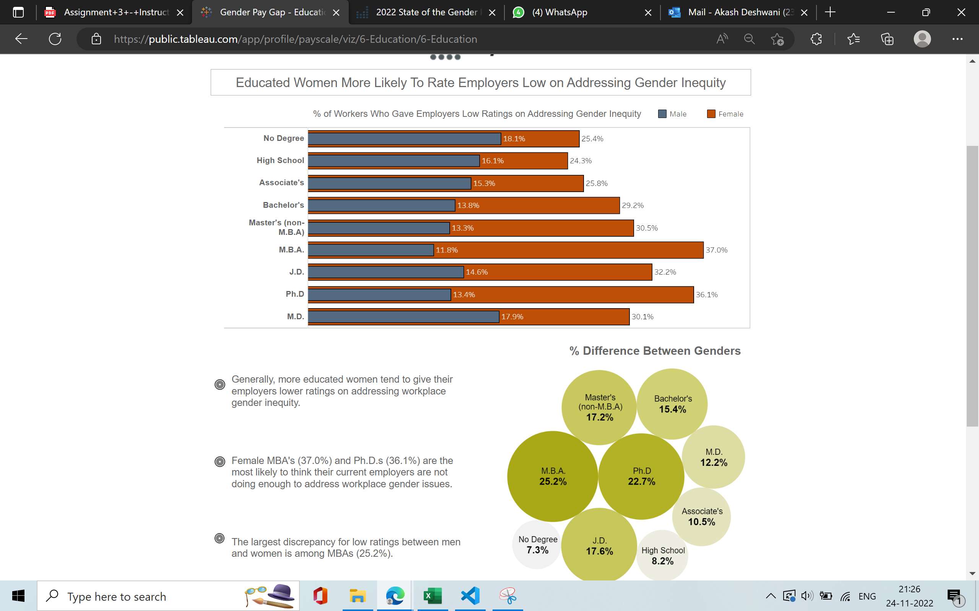
There is a clear reading order within the dashboard and is it logical (e.g., top-down, bottom-up). |  | Weak Application Reading are clear and details about chats summary but doent covers the overall objective.
The text in the dashboard is legible, easy to read, and useful. The different parts of the chart (e.g. titles, captions, or narration) are well-described. |  | Weak Violation Bar chart does contain all the proper reading. Where as Circle chart doesn’t follow the same, it is understandable but still, legend isnt avaiable.
The charts in the dashboard clearly identify, compare, or summarize a particular aspect of the data. |  | Strong Application Chats are easy to interpret and compare use of right type of done.
The layout, placement of charts, and the flow in the visualization should be easy to follow. |  | Weak Application Layout of the dashboard thus have logical manner but doent have any widget for interaction. | refer to above image
The visual systems in place (e.g., a consistent font and color brand) provide guidance in understanding the analysis. |  | Strong Application User gets a birdeye view of the dashboard can quickly understand the data. | refer to above image
There is a clear and consistent visual style for elements such as titles, axes, and colors. |  | Weak Violation Bar chart does contain all the proper reading. Where as Circle chart doesn’t follow the same, it is understandable but still, legend isnt avaiable. | refer to above image
The conventions used in the dashboard such as icons are easy to understand for the user. |  | Strong Violation Not avaiable
There are consistent rules for the formatting of elements such as gridlines, borders, and supporting ink elements. |  | Strong Application | refer to above image
The dashboard should disclose any biases. These can include the author's personal biases, design biases, and/or biases in the data. |  | Strong Application Author was baised on Gender inequity | refer to above image
The dashboard should communicate where the data came from, and what steps were taken to prepare the data. |  | Weak Violation Only from where data came provided by author
Charts within the dashboard are at the appropriate level of detail to convey the intended message. | If not, what can be done to change the dashboard to an appropriate level of detail? | Weak Violation Charts only provided the information about gender inequaity. Chart can provide Payscale's State of the Gender Pay Gap includes analysis by race, job level, age, education, industry, and occupation, as well as reasons for the gender pay gap such as the Motherhood Penalty.
There is a clear presentation of context, theme, and detail as part of the analytical exploration with the dashboard. |  | Strong Violation No context of theme was available | refer to above image
The dashboard employs visual symbols and iconography to add meaning to the data being presented or help support the intended message. | If no, are there opportunities to do so? | Strong Violation No specific iconography available | refer to above image
If there are icons and symbols in the dashboard, the semantics of their placement and appearance are helpful to communicate patterns in the data. (e.g., changing a plane icon’s location and direction for arrival vs. departure) |  | Strong Violation No specific iconography available | refer to above image
The iconography supports or potentially replaces repetitive text directives. | If not, are there opportunities to do so? | Strong Violation No specific iconography available. There can be some opportunities if the analysis was in depth. | refer to above image
Concepts or metrics (e.g., date formats , time, currency, measurement) are either easily understandable or clearly defined in the dashboard. |  | Strong Violation Author could have add gender pay gap is closing over time but at glacial speed | refer to above image
There is sufficient contextual information that describes what the dashboard is about. |  | Strong Violation Only summary about dashboard is given, which is not even related to Gender Pay Gap.
The charts within the dashboard make sense as an overall composition to help situate or contextualize the user. |  | Strong Violation Chart doesn’t support overall sense of the information which was the subject.
The text in the dashboard should emphasize the most salient points of what the visuals in the dashboard convey. |  | Strong Application Text does provide the causal inference of the charts.
The dashboard communicates a certain style or mood to the user. |  | Strong Violation No certain theme or style was displayed
The dashboard is interactive and supports the user in completing a new analytical task or starting a new line of inquiry. | Are there interactions that could be added or improved to enhance the experience? | Strong Violation No interactive indexes and can't interpret new analytics. Based on timeline of unemployment Wage Penalty and other analytic one can create interactive dashboards | refer to above image
Tasks in the dashboard should be achieved with minimal friction. | Is anything difficult to understand or interact with in the dashboard? | Weak Application Charts are easy to interpret and understand but no interaction avaiable. | refer to above image
When a user interacts with the dashboard, the dashboard should guide the user with their next step. |  | Weak Application No interaction avaiable, but each chart was easy to follow. | refer to above image
The dashboard should update its view based on what is selected, highlighted or filtered by the user. |  | Week Application Dashboard gets highlighted based on selected region of each graph but doesn’t reflects much.
There are text and visual elements to frame or guide salient information. |  | Week Application Dashboard gets highlighted based on selected region of each graph but doesn’t reflects much.
There is a clear path and breadcrumbs for user actions within the dashboard. |  | Strong Application/Violation Dashboard is of single view so it can be both good and bad.
There are clear strategies employed in the dashboard to mark charts or marks more prominently than others to encourage a user to interact with them, as well as de-emphasize items not relevant to the conversation. |  | Weak Violation Not much flow of the charts have been provided by the author | refer to above image
Functional dead end: The dashboard should not freeze, crash, display errors, or otherwise unexpectedly interrupt the user. |  | Strong Application Dashboard is simple with two graphs. So no functional dead end. | refer to above image
Navigational dead end: The dashboard support interactivity (e.g., filters, search) to help a user navigate between different snapshots of the data being presented. | Are there places where a user could get stuck in this process? | Strong Application Dashboard is simple with two graphs. So no Navigational dead end. | refer to above image
The dashboard should support input modalities (e.g., natural language interaction, filter widgets, and / or clicks) to answer any analytical question or task. |  | Strong Violation Author didn’t applied any Natural language interaction. | refer to above image
The user can set or adjust their own definition of concepts or metrics, or otherwise include their own knowledge into the dashboard. (e.g., if a user is interested only in "tall" people, can they set their own definition of "tall") |  | Strong Violation Dashboard didn’t have any user interface to applied | refer to above image
There should be a clear takeaway from the dashboard. |  | Strong Application It clear about whats author is trying to say but it doesn’t related to Gender Pay Gap-Education by PyaScale | refer to above image
The dashboard should not contain any information that distracts from the key takeaway. | If not, what could be done to make the takeaway clearer? | Strong Violation Dashboard only contains information which is not related to the objective. | refer to above image
The conclusions match what the charts in the dashboard show. |  | Weak Application Conclusions match with the chart but it not clear with respect to the subject of the dashboard
There is adequate evidence that the dashboard is truthful. The dashboard should be able to convince the key takeaway through credibility and trustworthiness (e.g. ethos appeal). |  | Weak Application Data source is same as shown in the dashboard but author was not able to gain clear insights from the data.

