Heuristics
Link: | https://public.tableau.com/app/profile/nikola.bosnjak2712/viz/ChicagoCrimeDashboard_16262419775660/ChicagoCrimeDashboard

 | Old Dashboard |  |  | New Dashboard |  | Improvement

Heuristic | Additional questions related to heuristic | Rate the dashboard on a Likert scale ranging from strong violation <> weak violation <> weak application <> strong application, and qualify with additional details. If the heuristic applies, then describe how. If the heuristic is violated, then describe suggestions, alternatives, fixes to the dashboard to satisfy the heuristic. Add relevant screenshots and visuals. |  | Rate the dashboard on a Likert scale ranging from strong violation <> weak violation <> weak application <> strong application, and qualify with additional details. If the heuristic applies, then describe how. If the heuristic is violated, then describe suggestions, alternatives, fixes to the dashboard to satisfy the heuristic. Add relevant screenshots and visuals. |  | Is there any improvement? Explain
The dashboard supports specific analytical questions or tasks. | If so, what task does the dashboard support? | Weak Application : The visualisation holds weak capability to demonstrate or answer the tasks or questions specifically as it is answering very basic questions | 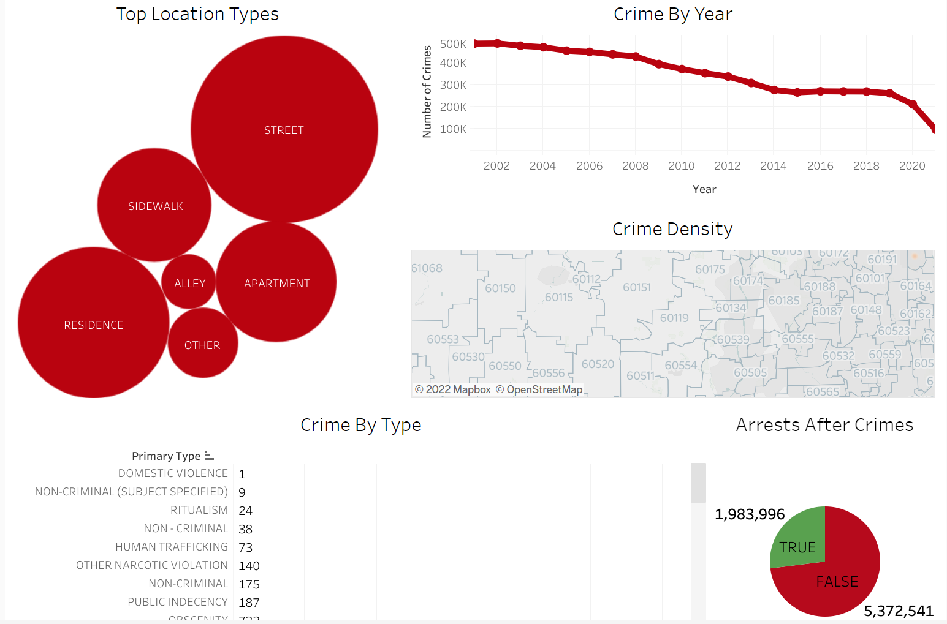 | Strong Application : The visualisation holds strong capability to demonstrate or answer the tasks or questions specifically. | 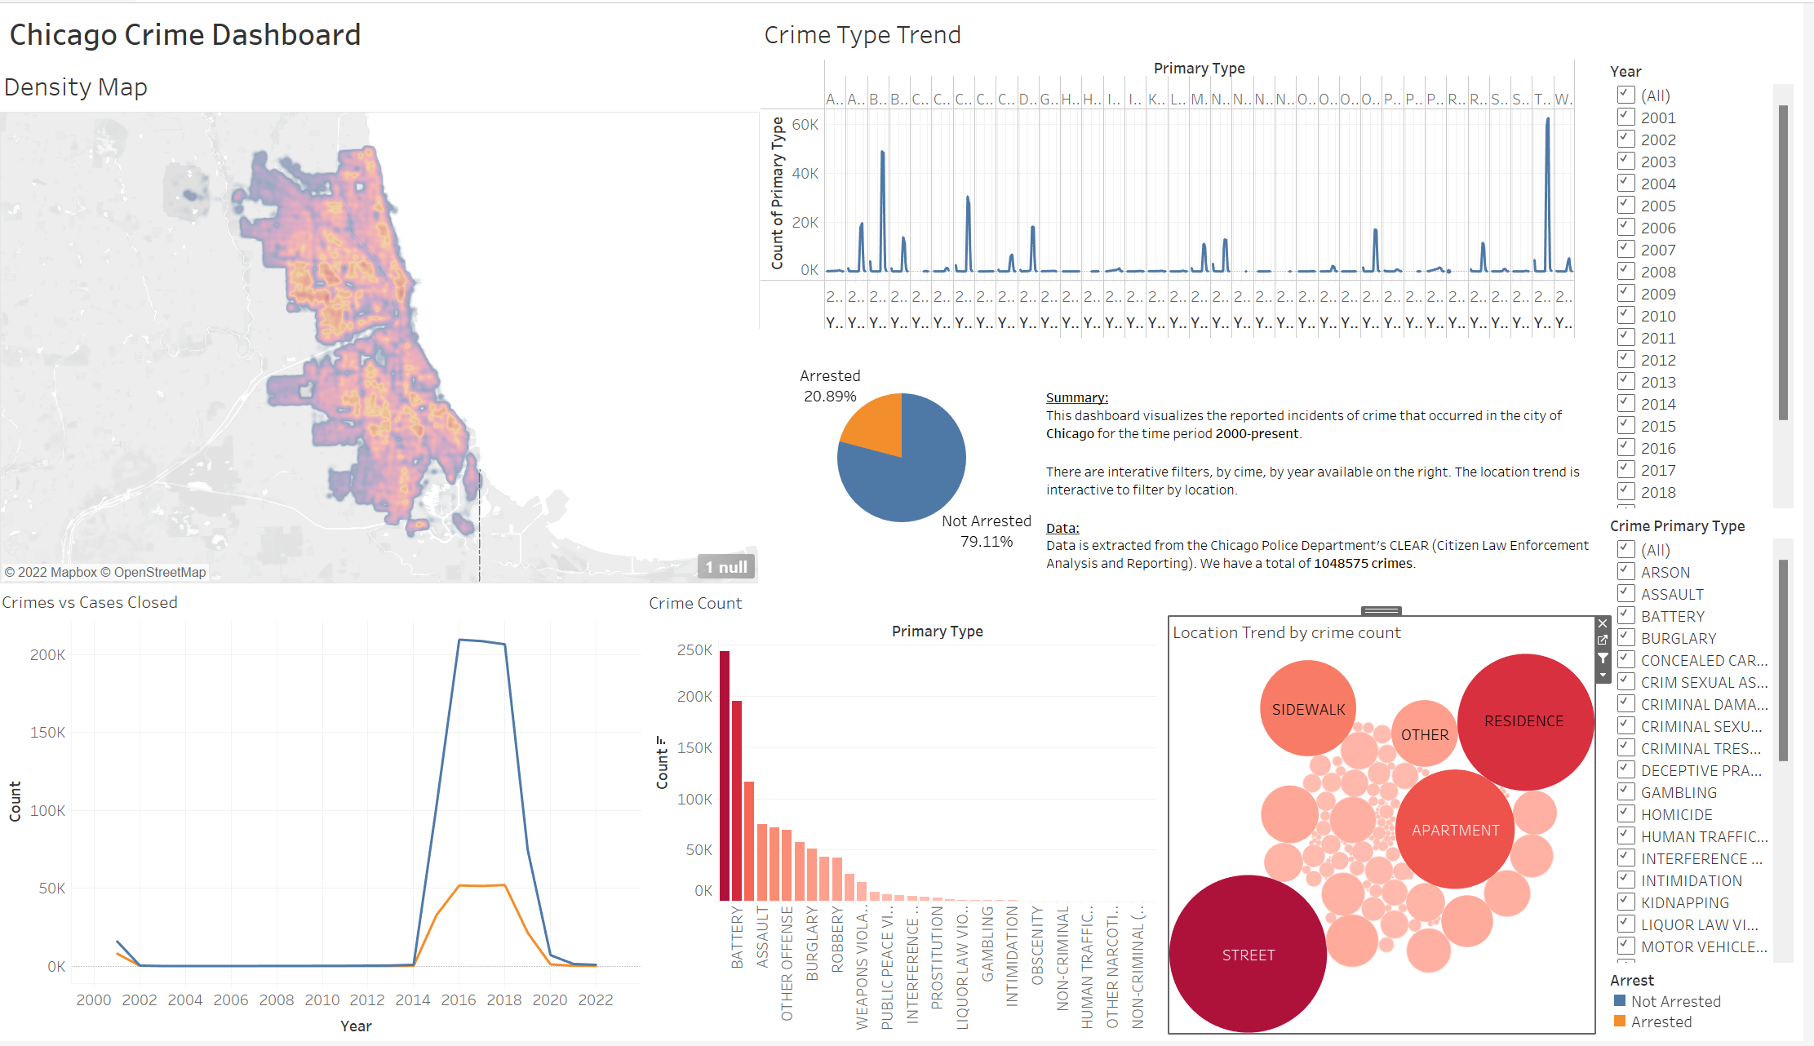 | We have made generalized graphs by filtering year and primary crime type
The user should be able to explore the data using the dashboard. | If the user is unable to explore the data, why? | Weak Violation : Demonstrated visualation lacks efficiency and features to let us understand each and every element as it should've been much more user-friendly and utmost interactive. |  | Strong Application : The dashboard has all features to understand and comperehend information easily for the user. |  | There were many questions that were confsing previously. Now the user can intuitively filtered and answer
It is clear to the user where they need to start interacting with the dashboard. |  | 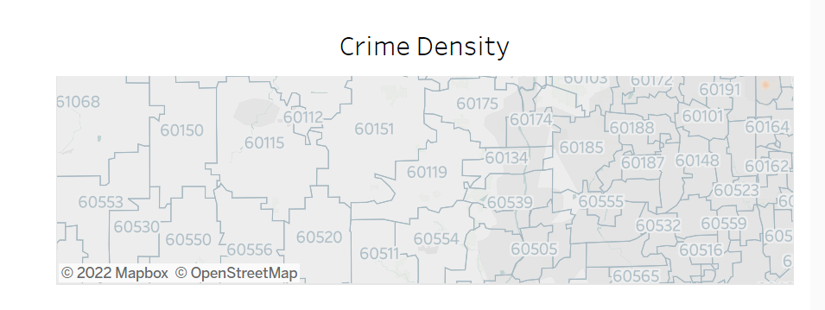 Weak Violation : The interactivity elemtns is somewhwat clear but some visualisation like the bubble graph doesn't make any difference to the overall visualisation. |  | Weak Application: The elements of the dashboard are coherent to each other to begin interaction for the visualisations |  | There is a logical sequence of charts
The charts in the dashboard support tasks that represent the overall intended goal to the user. |  | Weak Application : The intended goal of the visualisation is somewhat satisfied but the graphs need more work on the overall story-element and sequencing of visuals. |  | Strong Application :The intended goal of the visualisation is Strongly satisfied and the graphs have overall story-element and sequencing of visuals. |  | Yes, The dashboard is able to clearly visualize all the data
There is a clear reading order within the dashboard and is it logical (e.g., top-down, bottom-up). |  | Weak Application : The visualisation needs work to create appropriate sequential encoded visualisations and has doesn’t represented information hierarchicaly which makes the whole concept very incoherent and disconnected |  | Weak Application : Visualisations are highly expressive and make user-friendly data extraction possible. |  | There is a logical sequence of charts
The text in the dashboard is legible, easy to read, and useful. The different parts of the chart (e.g. titles, captions, or narration) are well-described. |  | Strong Application : The whole dashboard contrain plethora of labelling in each and every graph which makes it easy to decipher the graph and up until which value is the graph spread. |  | Weak Application : The dashboard data is very highly readable with appropriate labelling of the data. |  | We were not able to increase fotn size//bold the words due to space constaints
The charts in the dashboard clearly identify, compare, or summarize a particular aspect of the data. |  | Weak Violation : Overall summarization of the whole dashboard has given little to no coherency and hold different trajectory in every visualisation. |  | Strong Application : Overall summarization of the whole dashboard has summarized the data. |  | We have made generalized graphs by filtering year and primary crime type
The layout, placement of charts, and the flow in the visualization should be easy to follow. |  | Weak Application : The flow of the graphs have a lot of variations and jump from primary aspects to the other; the basic transition is bit difficult to cope up with. |  | Weak Application : The displayed visuals are correctly in correlation with data demonstration |  | There is a logical sequence of charts
The visual systems in place (e.g., a consistent font and color brand) provide guidance in understanding the analysis. |  | Weak Application : The pie-chart has poor color grading and also the visualisation, when interacted, makes no difference to the overall visualisation |  | Strong Application : The visuals present are in right sequence to go step by step for understanding of the data. |  | There is a consistent colour scheme,font and legends to support colours
There is a clear and consistent visual style for elements such as titles, axes, and colors. |  | Weak Violation : All the components are designed correctly and give exact measure but we can also see that dates have been assigned with right intervals but the the other metrics other metrics such as amounts or any random number is being displayed might create ambiguity in understanding the data |  | Weak Application : The graphs used here like line graph, bubble graph all are displayed with the anchor of the legend which makes it efficient to understand the data better |  | The axes are consistent. But the bar graph has words as the xaxis label and is not aesthetic
The conventions used in the dashboard such as icons are easy to understand for the user. |  | Weak Application : Some of the graphs like number of loans represent by its range should've included some labels/icons and a but more intuitive approach towards icons would've made interface better. |  | Weak Violation : It can be agreed upon that there are not much iconography present in the data but the filters make it efficient to understand and manipulate the data |  | We were not able to find anapplication for icons
There are consistent rules for the formatting of elements such as gridlines, borders, and supporting ink elements. |  | Weak Application : There is exist no consistency in any visualisation. There is a huge need of connectivity within the visualisations. |  | Weak Application : It can be observed that there are little to no regulations that have been clearly stated but the visualisation clearly abide by all the constraints that they are needed to follow |  | The axes are consistent. But the bar graph has words as the xaxis label and is not aesthetic
The dashboard should disclose any biases. These can include the author's personal biases, design biases, and/or biases in the data. |  | Weak Application : This dashboard substantiates author's biases towards labels and numeric data. All the visualisations include mumber and the same colour including label for every metric -- this might be a personal biase of the author for their convenience or favourable design pattern. |  | Weak Application : There are no personal biases that can be seen through the author. Visuals are very-well stated with user-centric designed. |  | We have tried not to show any biases.But I sense a bias of the colour pink in the dashboard
The dashboard should communicate where the data came from, and what steps were taken to prepare the data. |  | Strong Violation : There is a very little to no understanding about the steps of the data. The source hasn't been mentioned but the method/step of generating this dashboard isn’t introduced anywhere. |  | Strong Application : The source of the data is very well stated on the dashboard with the respective description |  | Data source is clealy stated
Charts within the dashboard are at the appropriate level of detail to convey the intended message. | If not, what can be done to change the dashboard to an appropriate level of detail? | Weak Application : The dashboard includes a wide variety of visualisations with plethora of features and elements which gives us most the analytics but addition of interface and interactivity is needed. The crime density conveys very abstract explaination. |  | Strong Application : Variations present in the dashboard have clearly stated the goal of the visualisation that is intended to make user understand the data as accurate as possible | 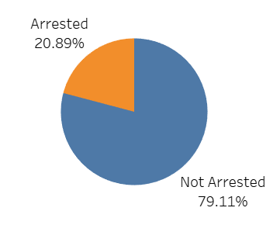 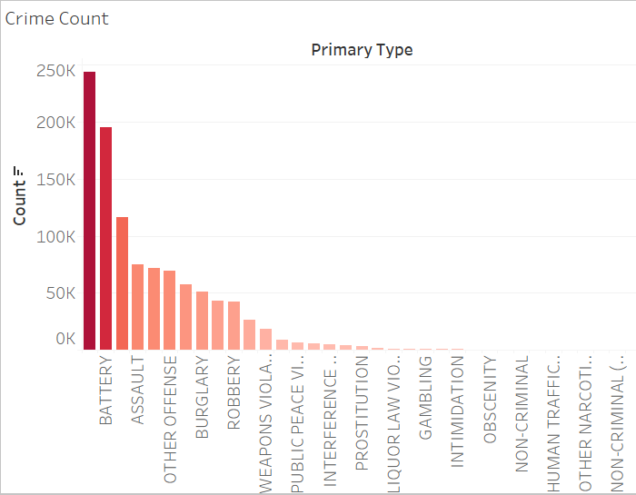 | Yes, the charts are detailed and are coherent with the end goal
There is a clear presentation of context, theme, and detail as part of the analytical exploration with the dashboard. |  | Weak Application : The graphs and visuals require more features to throw light upon on what information they need to convey and the theme they hold. |  | Strong Application : The graphs and visuals throw light upon the analytical exploration within the dashboard |  | Yes, the chart titles and axes labels clearly give context. Also, the summary gives a brief explanation of the dashboard
The dashboard employs visual symbols and iconography to add meaning to the data being presented or help support the intended message. | If no, are there opportunities to do so? | Strong Voilation : No, this dashboard requires addition of symbols and iconography via incrementing symbols around the visualisation that could demonstrate additional information more conviniently. |  | Weak Violation : This dashboard requires addition of symbols and iconography via incrementing symbols around the visualisation that could demonstrate additional information more conviniently. |  | We were not able to find anapplication for icons
If there are icons and symbols in the dashboard, the semantics of their placement and appearance are helpful to communicate patterns in the data. (e.g., changing a plane icon’s location and direction for arrival vs. departure) |  | Strong Violation : There exist very few or no symbols/icons -- So, there is a very little to extract information on the basis of symbols and they don’t communicate any information as of in this dashboard |  | Strong Violation : There exist no communication in the visualisation via symbolic data but the coherence is still maintained within the visualisations |  | We were not able to find anapplication for icons
The iconography supports or potentially replaces repetitive text directives. | If not, are there opportunities to do so? | Weak Application : As we've seen, there exist a very few icons/symbols which convey data and not much information is being conveyed via the same. Many such icons addition towards the last and the number of job, loans etc would've made it a lot better to understand it intuitively. |  | Strong Violation : As we've seen, there exist few or none icons in the dashboard to replace the iteration of texts but there cannot be seen any texts repitition already |  | We were not able to find anapplication for icons
Concepts or metrics (e.g., date formats , time, currency, measurement) are either easily understandable or clearly defined in the dashboard. |  | Weak Application : The concept or the metrics in the complete visualisation have mostly same red color encodings -- variance in color encoding would've helped in understanding the data better. |  | Strong Application : Metrics and the formats which are present in the data can be seen clearly delivering the context of the data |  | Yes, they are easily understandable
There is sufficient contextual information that describes what the dashboard is about. |  | Weak Application : Here exist no contextual information that could've been informative. It is clearly noted that all demonstrations included no amount of contextual information |  | Strong Application : Here exist contextual information that is informative. It is clearly noted that all demonstrations included huge amount of contextual information |  | Yes, the chart titles and axes labels clearly give context. Also, the summary gives a brief explanation of the dashboard
The charts within the dashboard make sense as an overall composition to help situate or contextualize the user. |  | Strong Application : The blend of variation among the graph for different elements really here have highlighted the power of visualisation. Every component of this dataset has been represented with a different visualisation which gives a high amount of contextual information about each component. |  | Strong Application : The blend of variation among the graph for different elements really here have highlighted the power of visualisation. Every component of this dataset has been represented with a different visualisation which gives a high amount of contextual information about each component. |  | Yes the charts put together contribute to the oveerall objective
The text in the dashboard should emphasize the most salient points of what the visuals in the dashboard convey. |  | Weak Application : This could somewhat be proven true, because in number of visuals present do follow the job of maximising information display but there is need of textual context for clarity in absorbing the essence of the visuals like there needs to be more about crime rates and density that has been shown. |  | Strong Application : This could somewhat be proven true, because in number of visuals present do follow the job of maximising information display but there is need of textual context for clarity in absorbing the essence of the visuals like there needs to be more about crime rates and density that has been shown. |  | Yes, the summary shows the most important points of the dashboard
The dashboard communicates a certain style or mood to the user. |  | Weak Application : The dashboard indicates that there are a lot of numeric metrics and ambigous labelling included which gives flavour of what content the author wants it users to consume. |  | Weak Application : The dashboard indicates that there are a lot of numeric metrics and labelling included which gives flavour of what content the author wants it users to consume. |  | There is a lack of an aesthetic dashboard
The dashboard is interactive and supports the user in completing a new analytical task or starting a new line of inquiry. | Are there interactions that could be added or improved to enhance the experience? | Strong Violation : Complete dashboard involves a numerous interactive visuals but the downside is that the interactiviy doesn't deliver the data that it should be delivering. |  | Strong Application : Complete dashboard involves a numerous interactive visuals and the interactiviy helps deliver the data. |  | Yes, the filters are intuitive and queries can be solved easily
Tasks in the dashboard should be achieved with minimal friction. | Is anything difficult to understand or interact with in the dashboard? | Strong Application : I feel all the features listed are correctly aligned to the user experience. The friction too is minimal in all components and it's not at all difficult to interact with the dashboard |  | Strong Application : I feel all the features listed are correctly aligned to the user experience. The friction too is minimal in all components and it's not at all difficult to interact with the dashboard |  | Yes, the interactivity is fluid and have been checked for edge cases
When a user interacts with the dashboard, the dashboard should guide the user with their next step. |  | Strong Violation : There currently not exist any step-by-step process of information understanding in this dashbhoard. Rather, all the visuals are just present upfront to understand which ever component you wiish to know but they also are highly interactive so they jsutify this feature of guinding step by step. |  | Weak Aplication : There are good number of interactive visuals in the dashboard the correctly hange the dashboard according the change made which makes it very easy to understand and modify data presentation |  | There is a logical sequence, but we have not explicitly mentioned where to go next
The dashboard should update its view based on what is selected, highlighted or filtered by the user. |  | Strong Application : The dashboard is completely following this constraint of providing the elaborated graphical measure for the selected measure. |  | Strong Application : The dashboard is completely following this constraint of providing the elaborated graphical measure for the selected measure. |  | Yes, all charts are updated based on filter selection
There are text and visual elements to frame or guide salient information. |  | Weak Violation : A very few measure have been provided to guide towards salient information by in my opinion it also depends on the dataset whether it needs this additional element of guidance. Additionally, much of the information are separate entitites and customer might want to understand according to their requirements. |  | Strong Application : According to the needs of the user of the data there are a lot interactive visuals which delivers the need of the data consumers. |  | Yes, the summary shows the most important points of the dashboard
There is a clear path and breadcrumbs for user actions within the dashboard. |  | Weak Application : There dashboard is very straightforward in the sense of giving insights on the basis of this extracted information -- little to support or breadcrumbs for the user are offered. |  | Weak Application : There dashboard is very straightforward in the sense of giving insights on the basis of this extracted information -- little to support or breadcrumbs for the user are offered. |  | We would have implemented if it was a story, but were not able to apply on a dashboard
There are clear strategies employed in the dashboard to mark charts or marks more prominently than others to encourage a user to interact with them, as well as de-emphasize items not relevant to the conversation. |  | Weak Application : Some of the visuals were not obvious enough unless and until the user tries out the interaction with them. In my opinion, these visuals should be more transperant in the sense they are interactive and should appear accordingly. |  | Weak Application : Most of the visuals are obvious enough unless and until the user tries out the interaction with them. In my opinion, these visuals are enough transperant in the sense they are interactive and should appear accordingly. |  | All charts are equally important, so no such demarkation is done
Functional dead end: The dashboard should not freeze, crash, display errors, or otherwise unexpectedly interrupt the user. |  | Strong Application : As far as whatever experimentation done by me, all the visual interactions were performed very smoothly. This visual doesn't lack any functionality and avoids dead-end. |  | Strong Application : The dashboard doesn't display any errors or freeze while working. It is completely and smoothly functional |  | Yes, the interactivity is fluid and have been checked for edge cases
Navigational dead end: The dashboard support interactivity (e.g., filters, search) to help a user navigate between different snapshots of the data being presented. | Are there places where a user could get stuck in this process? | Weak Application : I believe user-centric process Is completely smooth but when user will try to interact with the same, the waiting time might take a bit too long to load and this might be one of the hurdles that I faced while navigation. A little more of optimization might really help the purpose. |  | Strong Application : I believe user-centric process Is completely smooth, when user will try to interact with the same, High Optimization has really helped the purpose. |  | The user can easily reset back to initial easily, so no chance of getting stuck
The dashboard should support input modalities (e.g., natural language interaction, filter widgets, and / or clicks) to answer any analytical question or task. |  | Weak Application : The interactive interface is very focused on the metric or element that you click and will spread the further information - might also answer some critical question but doesn't serve any task. |  | Weak Violation : We would love to add these functionalities, but at this moment, we do know have to technical knowledge to implement this |  | There are filters, but no voice input
The user can set or adjust their own definition of concepts or metrics, or otherwise include their own knowledge into the dashboard. (e.g., if a user is interested only in "tall" people, can they set their own definition of "tall") |  | Strong Violation : The respective filters for location and sectors for loan approvals, also the time-period are very convinient and might provide use a broader activity and control over what information he or she might be interested to consume but the user cannot change the metrics or scaling according to their own concepts. |  | Strong Application : User can select the features/metrics that are need to commensurate the data and modify the dashboard according to the need of the user |  | Global filters are easily available to customize queries
There should be a clear takeaway from the dashboard. |  | Strong Application : The takeaways are very clear on the dashboard. The information extraction is straight upfront with set appropriate provided filters and respective constraints. |  | Strong Application : The takeaways are very clear on the dashboard. The information extraction is straight upfront with set appropriate provided filters and respective constraints. |  | Yes, Rank of crimes by count, location are the key takeaways and are evident from the charts
The dashboard should not contain any information that distracts from the key takeaway. | If not, what could be done to make the takeaway clearer? | Strong Application : There are a wide variety of key takeways -- not much of addition of funtionalities is required here anymore or it might create a hassle for the user to extract information. |  | Strong Application : There are a wide variety of key takeways -- not much of addition of funtionalities is required here anymore or it might create a hassle for the user to extract information. |  | There is no uncecessary info on the dashboard
The conclusions match what the charts in the dashboard show. |  | Strong Application : The conclusion are in alignment with the given graphs and provide an appropriate understanding of the same. |  | Weak Violation : The conclusion are in alignment with the given graphs and provide an appropriate understanding of the same. |  | We have no explicitly mentioned the conclusion in the dashboard, We want the user to get customized results as per their queries and not narrow down the results.
There is adequate evidence that the dashboard is truthful. The dashboard should be able to convince the key takeaway through credibility and trustworthiness (e.g. ethos appeal). |  | Strong Application : It is very possible that without the presence of sources prominently might create trust issues and reliability of the data but the metrics display thoroughly match from the source and are completely studies and trustworthy. |  | Strong Application : It is very possible that without the presence of sources prominently might create trust issues and reliability of the data but the metrics display thoroughly match from the source and are completely studies and trustworthy. |  | Data source is clealy stated, and hence gives confidence in the data

