Accuracy
TF-IDF Vectorizer | Random Forest | Passive Aggressive Classifier | Linear SVC | RBF SVC | Decision Tree | Multinomial Naive Bayes | Complement Naive Bayes | Neural Network
1 to 1 | 0.99617858735 | 0.99496847335 | 0.99515954398 | 0.99401312018 | 0.99643334819 | 0.95599006433 | 0.95656327622 | 0.52111330489
1 to 4 | 0.99888641425 | 0.99944320713 | 0.99944320713 | 0.99799554566 | 0.99944320713 | 0.97661469933 | 0.98340757238 | 0.83006681514
1 to 9 | 0.99783887622 | 0.99891943811 | 0.99831912595 | 0.99663825189 | 0.99843918838 | 0.97034457918 | 0.98799375675 | 0.90262936727 | <- 1:9 fake:real data
1 to 99 | 0.99881235154 | 0.99894431248 | 0.99894431248 | 0.99630509369 | 0.99947215624 | 0.98970704671 | 0.99023489047 | 0.98957508577
Model | Random Forest | Passive Aggressive Classifier | Linear SVC | RBF SVC | Decision Tree | Multinomial Naive Bayes | Complement Naive Bayes | Neural Network

Count Vectorizer | Random Forest | Passive Aggressive Classifier | Linear SVC | RBF SVC | Decision Tree | Multinomial Naive Bayes | Complement Naive Bayes | Neural Network
1 to 1 | 0.99700656009 | 0.99363097892 | 0.99656072862 | 0.99331252786 | 0.99751608178 | 0.96592573721 | 0.96598942743 | 0.52079485383
1 to 4 | 0.99967986341 | 0.9991091314 | 0.9986636971 | 0.99587973274 | 0.99922048998 | 0.98318485523 | 0.98195991091 | 0.83006681514
1 to 9 | 0.99843918838 | 0.99843918838 | 0.99879937568 | 0.99663825189 | 0.99819906351 | 0.97850882459 | 0.97658782567 | 0.90262936727 | <- 1:9 fake:real data
1 to 99 | 0.99894431248 | 0.99894431248 | 0.9993401953 | 0.99854842966 | 0.99947215624 | 0.99670097651 | 0.99670097651 | 0.98957508577
Model | Random Forest | Passive Aggressive Classifier | Linear SVC | RBF SVC | Decision Tree | Multinomial Naive Bayes | Complement Naive Bayes | Neural Network
Performance of Count Vectorizer based classifiers depending on ratio of fake to real news in data sets
Performance of TF-IDF Vectorizer based classifiers depending on ratio of fake to real news in data sets

ROC
 | False Positive Rate | True Positive Rate | False Positive Rate | True Positive Rate | False Positive Rate | True Positive Rate | False Positive Rate | True Positive Rate | False Positive Rate | True Positive Rate | False Positive Rate | True Positive Rate | False Positive Rate | True Positive Rate | False Positive Rate | True Positive Rate | False Positive Rate | True Positive Rate
Placeholder1 | 0 | 0 | 0 | 0 | 0 | 0 | 0 | 0 | 0 | 0 | 0 | 0 | 0 | 0 | 0 | 0 | 0 | 0
One-Nine | 0.012330456227 | 0.98766954377 | 0.011097410604 | 0.9889025894 | 0.01356350185 | 0.98643649815 | 0.030826140567 | 0.96917385943 | 0.0098643649815 | 0.99013563502 | 0.30332922318 | 0.69667077682 | 0.099876695438 | 0.90012330456 | 1 | 0 | 0.5 | 0.5
One-Four | 0.0015940488842 | 0.99840595112 | 0.0058448459086 | 0.99415515409 | 0.0069075451647 | 0.99309245484 | 0.0085015940489 | 0.99149840595 | 0.0031880977683 | 0.99681190223 | 0.064293304995 | 0.93570669501 | 0.022316684378 | 0.97768331562 | 1 | 0
One-One | 0.0044042084659 | 0.99559579153 | 0.0037925128456 | 0.99620748715 | 0.0044042084659 | 0.99559579153 | 0.0056275997064 | 0.99437240029 | 0.0034254954735 | 0.99657450453 | 0.040004893565 | 0.95999510644 | 0.04257401517 | 0.95742598483 | 0 | 1 |  |  | (NOT GOOD AS ALL BEING PREDICTED AS FAKE)
One-99 | 0.14102564103 | 0.85897435897 | 0.076923076923 | 0.92307692308 | 0.14102564103 | 0.85897435897 | 0.33333333333 | 0.66666666667 | 0.038461538462 | 0.96153846154 | 1 | 0 | 0.92307692308 | 0.076923076923 | 1 | 0
Placeholder 2 | 1 | 1 | 1 | 1 | 1 | 1 | 1 | 1 | 1 | 1 | 1 | 1 | 1 | 1 | 1 | 1 | 1 | 1
 | Random Forest |  | Passive Aggressive |  | Linear SVC |  | RBF SVC |  | Decision Tree |  | Multinomial Naive Bayes |  | Complement Naive Bayes |  | Neural Network |  | Random Guessing

ROC Curve for 1:9 Split on best model type
 | Random Forest |  | Passive Aggressive Classifier |  | Linear SVC |  | RBF SVC |  | Decision Tree |  | Multinomial Naive Bayes |  | Complement Naive Bayes |  | Neural Network |  | Random Guessing
0 | 0 | 0 | 0 | 0 | 0 | 0 | 0 | 0 | 0 | 0 | 0 | 0 | 0 | 0 | 0 | 0 | 0
0.012330456227 | 0.98766954377 | 0.011097410604 | 0.9889025894 | 0.01356350185 | 0.98643649815 | 0.030826140567 | 0.96917385943 | 0.0098643649815 | 0.99013563502 | 0.30332922318 | 0.69667077682 | 0.099876695438 | 0.90012330456 | 1 | 0 | 0.5 | 0.5
0.0015940488842 | 0.99840595112 | 0.0058448459086 | 0.99415515409 | 0.0069075451647 | 0.99309245484 | 0.0085015940489 | 0.99149840595 | 0.0031880977683 | 0.99681190223 | 0.064293304995 | 0.93570669501 | 0.022316684378 | 0.97768331562 | 1 | 0
0.0044042084659 | 0.99559579153 | 0.0037925128456 | 0.99620748715 | 0.0044042084659 | 0.99559579153 | 0.0056275997064 | 0.99437240029 | 0.0034254954735 | 0.99657450453 | 0.040004893565 | 0.95999510644 | 0.04257401517 | 0.95742598483 | 0 | 1
0.14102564103 | 0.85897435897 | 0.076923076923 | 0.92307692308 | 0.14102564103 | 0.85897435897 | 0.33333333333 | 0.66666666667 | 0.038461538462 | 0.96153846154 | 1 | 0 | 0.92307692308 | 0.076923076923 | 1 | 0
1 | 1 | 1 | 1 | 1 | 1 | 1 | 1 | 1 | 1 | 1 | 1 | 1 | 1 | 1 | 1 | 1 | 1

1-4
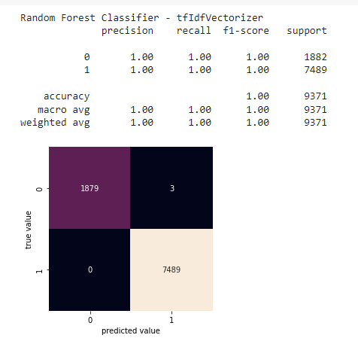

1-1
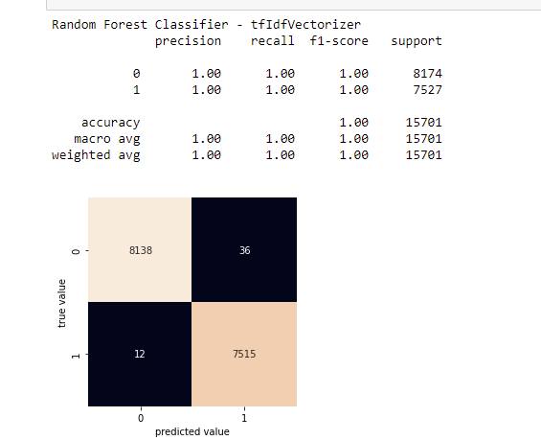

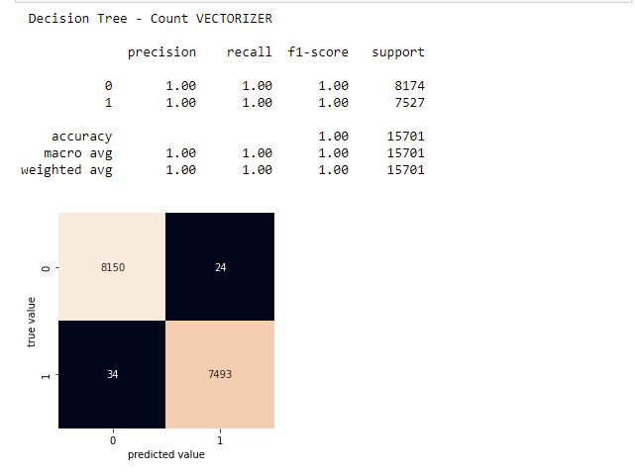

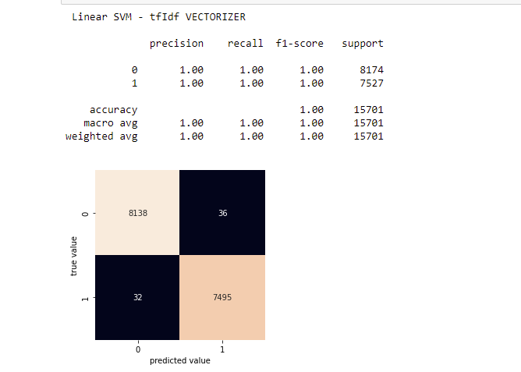

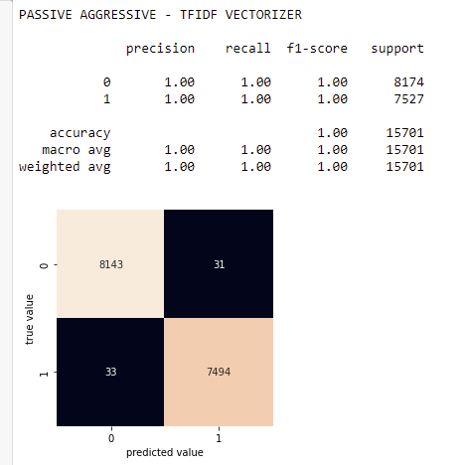
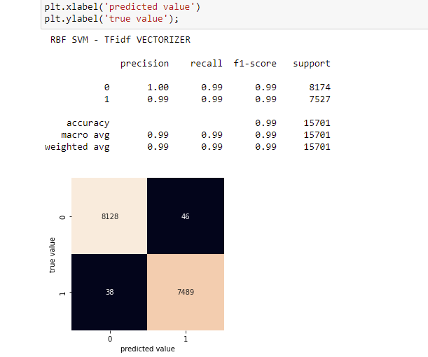

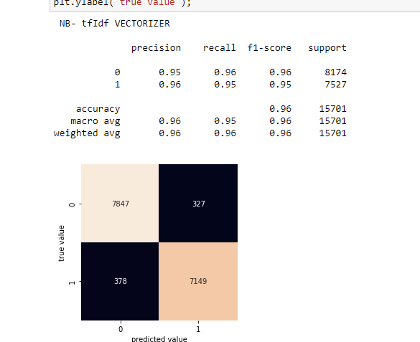
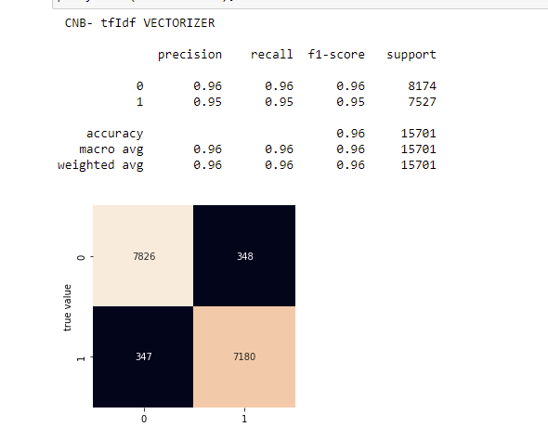

1-99
