Report with PC configs
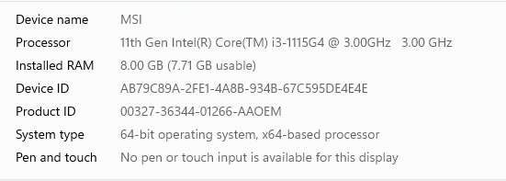
Note1 :In back-end live data logging interval time 60 seconds Note2 : In UI dashboard refresh time interval 60 seconds
200 TAGS
Micro Services
Hawfinch ARM Server
OS : ubuntu | RAM : 5 GB | SSD : 100 GB | Processor : AMD GX-420CA with radeon(tm) | Network Connectivity : Wi-Fi Enabled
S No | Tags Configured | Activity | Low Time | Average Time | High Time
1 | 200 Tags | Fetching live data using Postman | 738 milli sec | 847 milli sec | 1271 milli sec
2 | 200 Tags | Fetching live data using React | 1.45 sec | 1.8 sec | 2.56 sec
Hawfinch Ubuntu Server
OS : Linux Mint | RAM : 8 GB | SSD : 200 GB | Processor : intel core i3 - 11th Gen | Network Connectivity : Wi-Fi Enabled
S No | Tags Configured | Activity | Low Time | Average Time | High Time
1 | 200 Tags | Fetching live data using Postman | 232 milli sec | 280 milli sec | 460 milli sec
2 | 200 Tags | Fetching live data using React | 423 milli sec | 598 milli sec | 916 milli sec
UI Observations
Used Hawfinch ARM Server Micro Services
OS : Windows 11 | RAM : 8 GB | SSD : 500 GB | Processor : intel core i3 - 11th Gen | Network Connectivity : Wi-Fi Enabled
S No | Tags Configured | Activity | Low Time | Average Time | High Time
1 | 200 Tags | With mini graph - Live dashboard loading time | < 01 sec | < 01 sec | < 01 sec
2 | 200 Tags | Without mini graph - Live dashboard loading time | < 01 sec | < 01 sec | < 01 sec
3 | 200 Tags | With mini graph - While selecting particular sensor name in dashboard , time observed | 618 milli sec | 665 milli sec | 842 milli sec
4 | 200 Tags | Without mini graph - While selecting particular sensor name in dashboard , time observed | 229 milli sec | 283 milli sec | 363 milli sec
5 | 200 Tags | Without mini graph - Live data table scrolling time | < 01 sec | < 01 sec | < 01 sec
6 | 200 Tags | With mini graph - Live data table scrolling time | < 01 sec | < 01 sec | < 01 sec
7 | 200 Tags | Without mini graph - Table expand / collapse time | < 01 sec | < 01 sec | < 01 sec
8 | 200 Tags | With mini graph - Table expand / collapse time | < 01 sec | < 01 sec | < 01 sec
Used Hawfinch Ubuntu Server Micro Services
OS : Windows 11 | RAM : 8 GB | SSD : 500 GB | Processor : intel core i3 - 11th Gen | Network Connectivity : Wi-Fi Enabled
S No | Tags Configured | Activity | Low Time | Average Time | High Time
1 | 200 Tags | With mini graph - Live dashboard loading time | < 01 sec | < 01 sec | < 01 sec
2 | 200 Tags | Without mini graph - Live dashboard loading time | < 01 sec | < 01 sec | < 01 sec
3 | 200 Tags | With mini graph - While selecting particular sensor name in dashboard , time observed | 585 milli sec | 642 milli sec | 692 milli sec
4 | 200 Tags | Without mini graph - While selecting particular sensor name in dashboard , time observed | 120 milli sec | 154 milli sec | 200 milli sec
5 | 200 Tags | Without mini graph - Live data table scrolling time | < 01 sec | < 01 sec | < 01 sec
6 | 200 Tags | With mini graph - Live data table scrolling time | < 01 sec | < 01 sec | < 01 sec
7 | 200 Tags | Without mini graph - Table expand / collapse time | < 01 sec | < 01 sec | < 01 sec
8 | 200 Tags | With mini graph - Table expand / collapse time | < 01 sec | < 01 sec | < 01 sec
800 TAGS
Micro Services
Hawfinch ARM Server
OS : ubuntu | RAM : 5 GB | SSD : 100 GB | Processor : AMD GX-420CA with radeon(tm) | Network Connectivity : Wi-Fi Enabled
S No | Tags Configured | Activity | Low Time | Average Time | High Time
1 | 800 Tags | Fetching live data using Postman | 4.3 sec | 5.2 sec | 6.6 sec
2 | 800 Tags | Fetching live data using React | 5.8 sec | 7.03 sec | 8.4 sec
Hawfinch Ubuntu Server
OS : Linux Mint | RAM : 8 GB | SSD : 200 GB | Processor : intel core i3 - 11th Gen | Network Connectivity : Wi-Fi Enabled
S No | Tags Configured | Activity | Low Time | Average Time | High Time
1 | 800 Tags | Fetching live data using Postman | 1.5 sec | 1.80 sec | 2.23 sec
2 | 800 Tags | Fetching live data using React | 2.49 sec | 2.96 sec | 3.78 sec
UI Observations
Used Hawfinch ARM Server Micro Services
OS : Windows 11 | RAM : 8 GB | SSD : 500 GB | Processor : intel core i3 - 11th Gen | Network Connectivity : Wi-Fi Enabled
S No | Tags Configured | Activity | Low Time | Average Time | High Time
1 | 800 Tags | With mini graph - Live dashboard loading time | < 01 sec | < 01 sec | < 01 sec
2 | 800 Tags | Without mini graph - Live dashboard loading time | < 01 sec | < 01 sec | < 01 sec
3 | 800 Tags | With mini graph - While selecting particular sensor name in dashboard , time observed | 1.25 sec | 1.32 sec | 1.56 sec
4 | 800 Tags | Without mini graph - While selecting particular sensor name in dashboard , time observed | 507 milli sec | 585 milli sec | 611 milli sec
5 | 800 Tags | Without mini graph - Live data table scrolling time | < 01 sec | < 01 sec | < 01 sec
6 | 800 Tags | With mini graph - Live data table scrolling time | < 01 sec | < 01 sec | < 01 sec
7 | 800 Tags | Without mini graph - Table expand / collapse time | < 01 sec | < 01 sec | < 01 sec
8 | 800 Tags | With mini graph - Table expand / collapse time | < 01 sec | < 01 sec | < 01 sec
Used Hawfinch Ubuntu Server Micro Services
OS : Windows 11 | RAM : 8 GB | SSD : 500 GB | Processor : intel core i3 - 11th Gen | Network Connectivity : Wi-Fi Enabled
S No | Tags Configured | Activity | Low Time | Average Time | High Time
1 | 800 Tags | With mini graph - Live dashboard loading time | < 01 sec | < 01 sec | < 01 sec
2 | 800 Tags | Without mini graph - Live dashboard loading time | < 01 sec | < 01 sec | < 01 sec
3 | 800 Tags | With mini graph - While selecting particular sensor name in dashboard , time observed | 1.3 sec | 1.45 sec | 1.7 sec
4 | 800 Tags | Without mini graph - While selecting particular sensor name in dashboard , time observed | 355 milli sec | 416 milli sec | 500 milli sec
5 | 800 Tags | Without mini graph - Live data table scrolling time | < 01 sec | < 01 sec | < 01 sec
6 | 800 Tags | With mini graph - Live data table scrolling time | < 01 sec | < 01 sec | < 01 sec
7 | 800 Tags | Without mini graph - Table expand / collapse time | < 01 sec | < 01 sec | < 01 sec
8 | 800 Tags | With mini graph - Table expand / collapse time | < 01 sec | < 01 sec | < 01 sec

Hawfinch Ubuntu Server Configuration |  |  | Hawfinch ARM Server Configuration
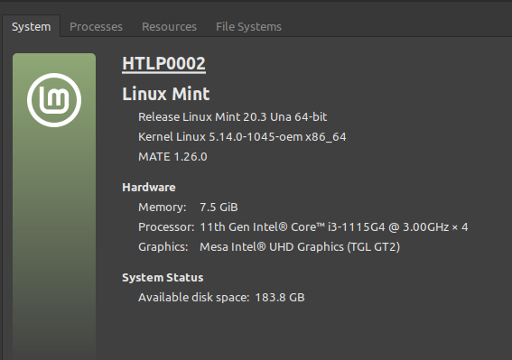
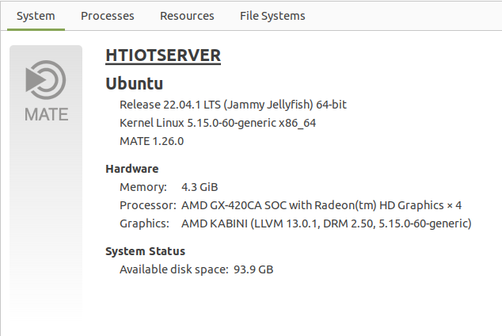

Hawfinch Windows PC Configuration

