HMCL Architecture
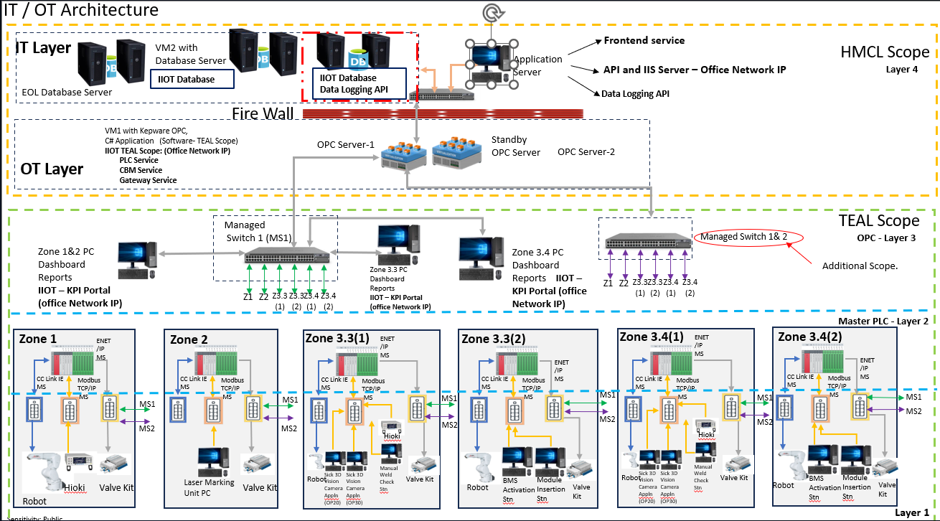

Zone Dashboard issues
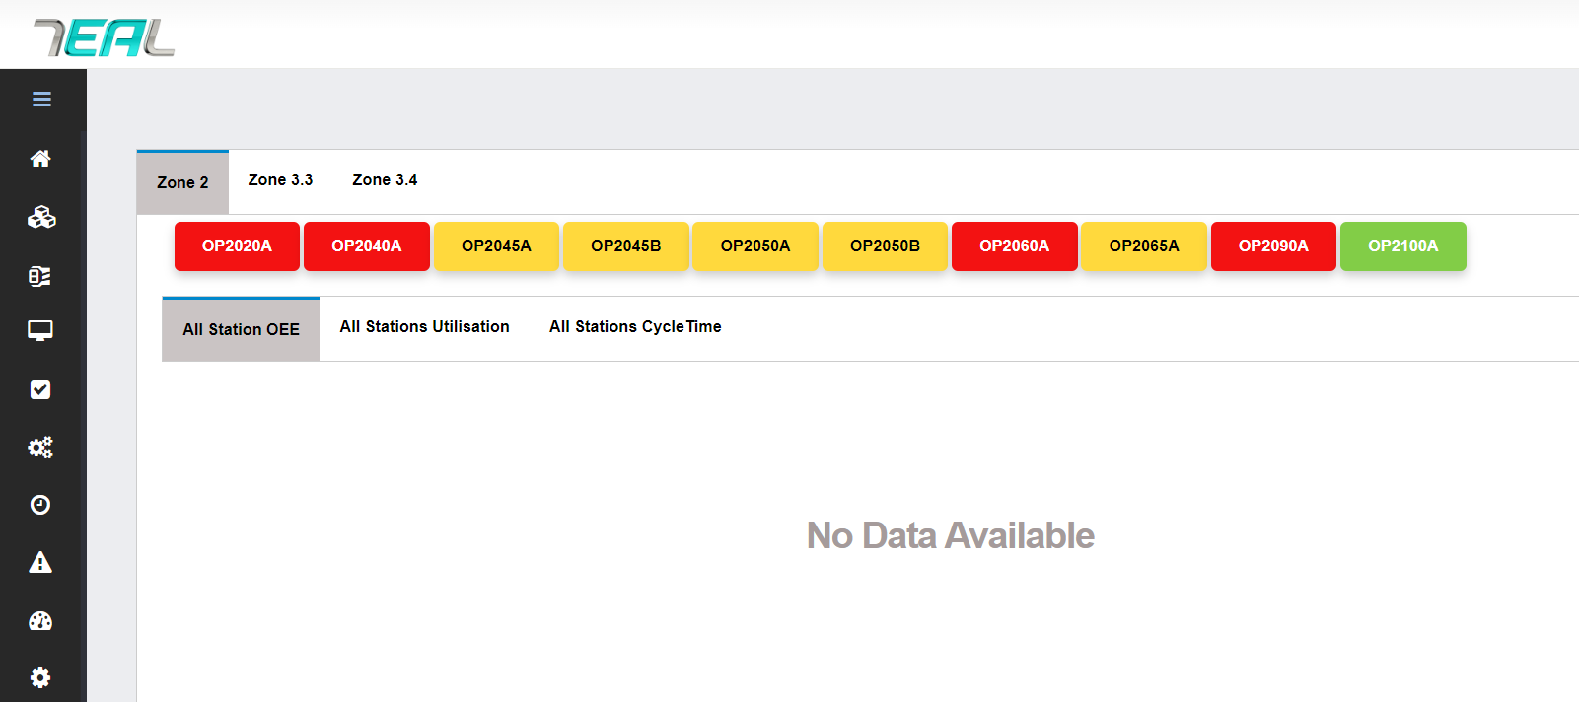
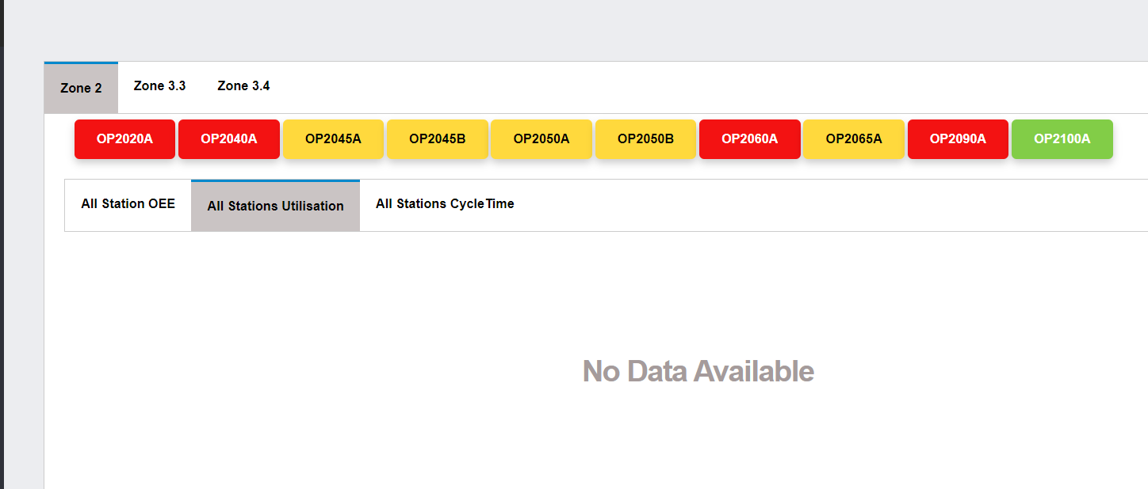
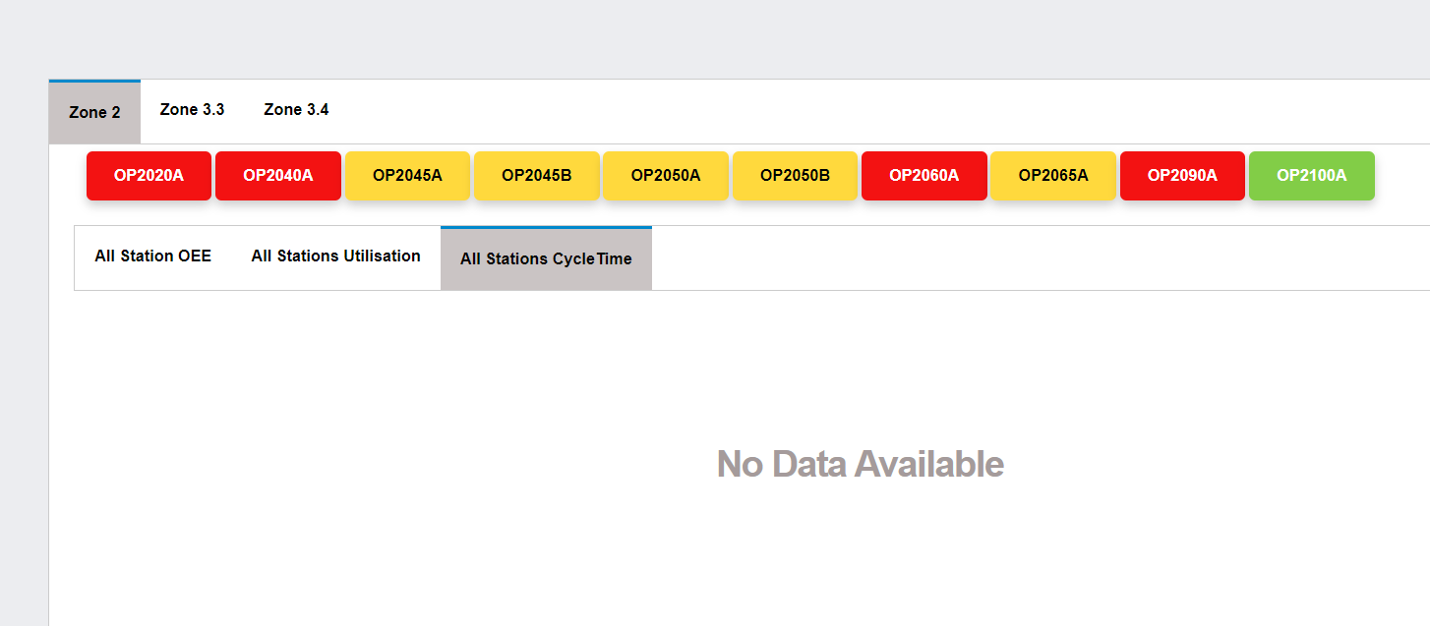
S.No | Module | Defect | Dev Status | Testing Status
1 | HMI station details | Old data is displaying - Should display today's data | Updated with current Date instead of Time_Stamp Desc & with buffer of 2 mins in threshold - Completed | Working fine
2 | HMI station details | If data not there for current data displaying '-' instead of empty box or 0 | Completed | Working fine
3 | Hourly pop-up | If data not there for current data display No data Available | By default Target Graphs will be plotted since we do Target caluclation using Machine CT | Working fine
4 | All station OEE | If data not there for current data display No data Available | Completed | Working fine
5 | All station utilization | If data not there for current data display No data Available | Completed | Working fine
6 | All station cycletime | If data not there for current data display No data Available | Completed | Working fine
7 | HMI station details | On click of station box loading symbol should display in the centre of the HMI station details box | Checked working fine in one 3.3 as well. | Issue persist for zone 3.3
8 | HMI station details | On click of Shift tab should load the station details - currently loading if previous opened HMI station details tab is closed | Completed | Working fine
9 | Hourly pop-up | X-axis and y-axis lables missing | Completed
10 | HMI station details | When hovered on pie chart the sides are getting hidden | Removed Animation on Pie Chart Completed
11 | HMI station details | Utilization if 0 displaying as NaN | Completed
12 | HMI station details | If No data then display '-' or else display value | Completed
13 | HMI station details | OK-123 and NOK - 0 is there but displaying '-' in portal for both OK and NOK | Working fine

Lesson learnt
27/05/2024
Problem:
1 | VS code should install w.r.t system setup not user setup If user setup get reason from customer IT team |  | Solution: | Move node files from adminsitrator folder to user,defalutpool so that it will execute in command prompt
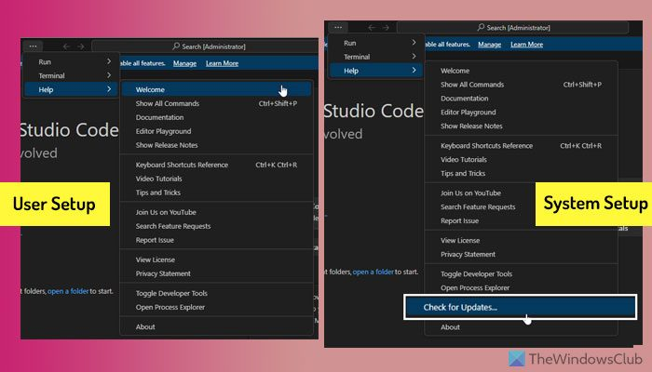
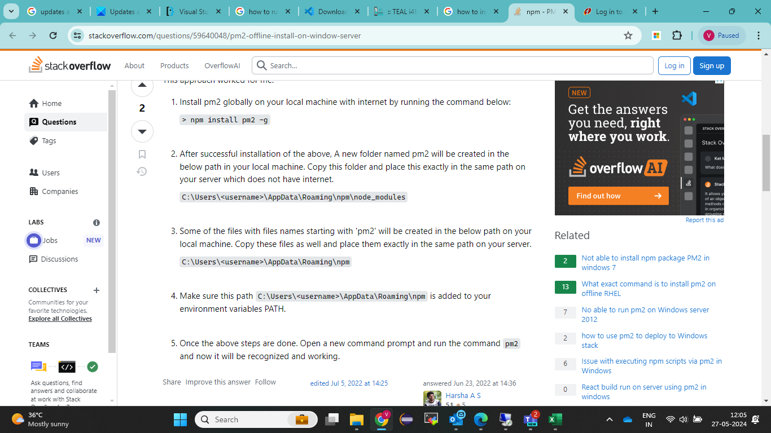
 |  |  |  |  | yet to check for vs code (other alternative)

 | If you choose to opt for user setup, you do not need to provide any administrator privileges. On the other hand, if you choose to go with the system setup, you must use administrator permission.
 | user setup option installs the app in the Local AppData folder, whereas the system setup option uses the Program Files folder to be installed on your computer.
 | You can find VS Code only in the current user account if you choose the user setup. However, if you choose the system setup, you can find the app in all the user accounts.
 | You cannot find the Check for Updates option in the Help menu of user setup.

30/05/2024
Problem: | Due to HMCL netwrok traffic first time tag loading when plc service started, its taking more time to load all tag(observed after configuring 800tags) | Solution: | Approached Mani - yet to troubleshoot(31/05/2024)
 | Observation: Morning apprx 1 min la all 800 tags loaded, but later 1 min la 2 stn tag-(64) only loading in plc service

30/05/2024
Problem: | 0 value entered in raw table during gateway service restart | Solution: | Json tag order format changed (ok,nok,,total,rework,variant) and checked multiple times by manualy restarted and no 0 value posted

 | Note: Due to this for 3 to 5 sec tag posting to Manual mode, auto mode, auto running will be 0 --->machine status will 3
 | Need to check for variant, if variant 0 posted(V0), already sp handled no data inserted if v0 is posted

30/05/2024
Problem: | JS - heap memory space (4140MB), PLC service reaching max heap space within 115 min for 800 tags | Solution: | PM2 configured so that after reaching 100% it automatically restart the plc service only Gateway service not exceeding 100%

 | Observation: 1.Only plc service getting restart automaticaly by PM2, there is no change in batch 2.Need to check after plc service restarting , time taking to load all tags
 | Observation of 2 points: During automatic restart(PM2), all tags loaded quickly and no delay(checked on 31/05/2024 )

2024-01-06
Problem: | Kepware to plc communication disconnect - multiple 0 value posting and again reconnected back to original data | Soln:

 | Observation: multiple 0 posted from 9.28 to 9.34 from zone 3.3 plc 1(3020 to 3110)

Problem: | After pm2 configuration(both service), 31/05/2024 10:54am to 01/06/2024 01:19am data posted. while checking on 01/06/2024 9.00 am both service online, plc service - plc connection true but no tag loaded |  | Yet to discuss

2024-01-06
Problem: | Light curtain error showing machine under error but tower lamp no red colour, instead yellow | Soln: | Err.active should 1 for light curtain error only on production time(AS:true & AR:true) - plc logic modification

2024-03-06
Problem: | Kepware: station machine status working fine after 10 to 15 min la all station machine status showing error active 1 remaining status 0,(observed in zone3(120 to 150)

 | Video taken on 03/06/2024 and saved in HMCL commissioning folder

2024-05-06
Problem: | Kepware wrong value updating 10 min once in zone 3 plc 2 | progress: | Log files, system application file, kepware diagnostics files send with kepware support team

14/06/2024
Problem: | Frontend building before deloyment ,failed to compile issue | Solution: | If no admin privileage access , create the path which is accessible .Then change the path in code accordinly in package.json file and save.After that only build the frontend .

Problem: | Upload Manual was not working | Solution: | Create a Folder "Manuals" in Publish Folder since it will not be included while Publishing.
 | Download Manual not working | Solution: | Added Frontend before Manuals - "/frontend/Manuals/" in Onclick of Download
 | Historic Alarm Help Icon ( ? ) Onclick should Download Files | Solution: | Added Frontend before Manuals - "/frontend/Manuals/" in Onclick of Download
 | Live Alarm Help Icon ( ? ) Onclick should Download Files | Solution: | Added Frontend before Manuals - "/frontend/Manuals/" in Onclick of Download

