Annual Summary
Annual Sales vs Purchase

Figure 1: Sales and Purchase by Year
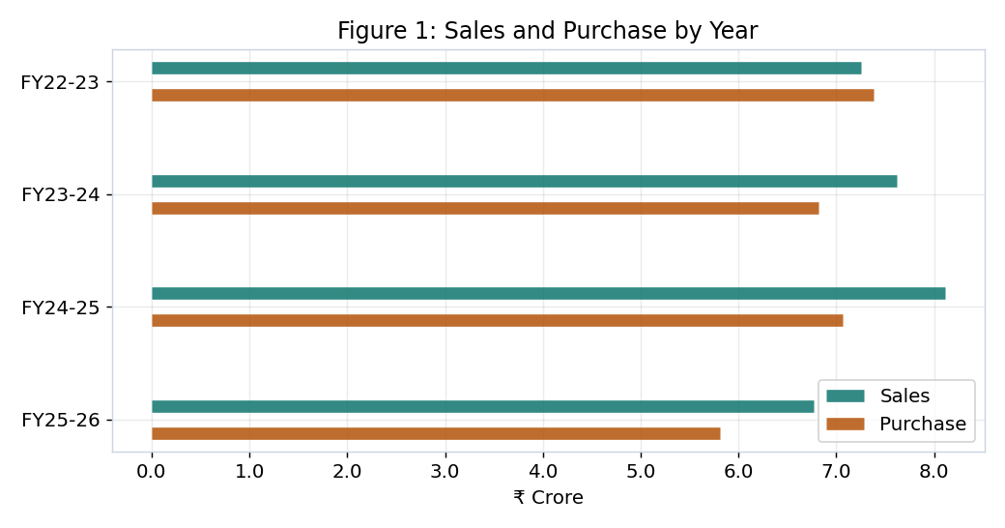
Financial Year | Sales (₹) | Purchase (₹) | Net (₹)
FY22-23 | 72,524,077 | 73,780,058 | -1,255,981
FY23-24 | 76,227,072 | 68,141,555 | 8,085,517
FY24-25 | 81,086,538 | 70,636,908 | 10,449,630
FY25-26 | 67,738,985 | 58,139,303 | 9,599,682

Forecast
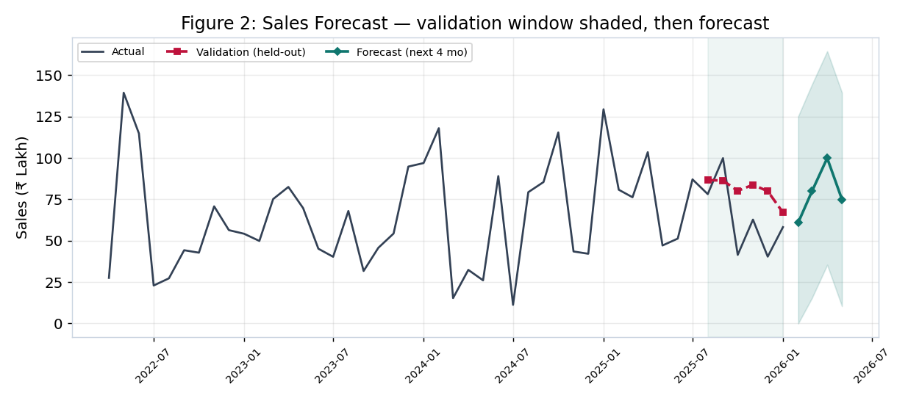
Forecast Accuracy (6-month holdout)

Model | RMSE (₹) | MAE (₹)
ARIMA | 2,527,935 | 2,167,929
Linear (base) | 2,181,363 | 1,929,917
Naive | 4,304,027 | 3,028,328

Yield
Yield per Cycle
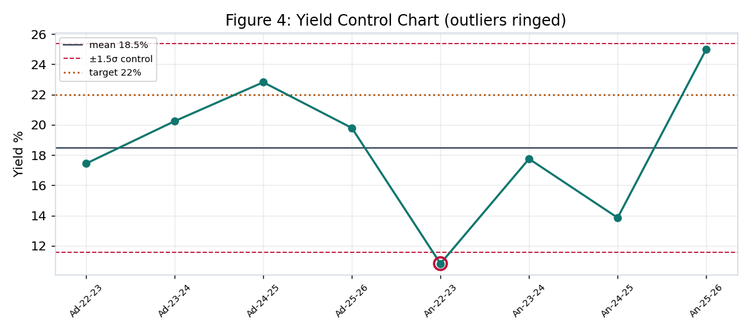
Cycle | Yield % | Variance | Z-score | Outlier
Adrita FY22-23 | 17.4 | -4.6 | -0.2 | No
Adrita FY23-24 | 20.2 | -1.8 | 0.4 | No
Adrita FY24-25 | 22.8 | 0.8 | 1.0 | No
Adrita FY25-26 | 19.8 | -2.2 | 0.3 | No
Ankita FY22-23 | 10.8 | -11.2 | -1.7 | Yes
Ankita FY23-24 | 17.8 | -4.2 | -0.2 | No
Ankita FY24-25 | 13.9 | -8.1 | -1.0 | No
Ankita FY25-26 | 25.0 | 3.0 | 1.4 | No

P&L Model
Profit & Loss — Live Contribution Model
Edit the blue assumption cells to test scenarios. Black cells are formulas.

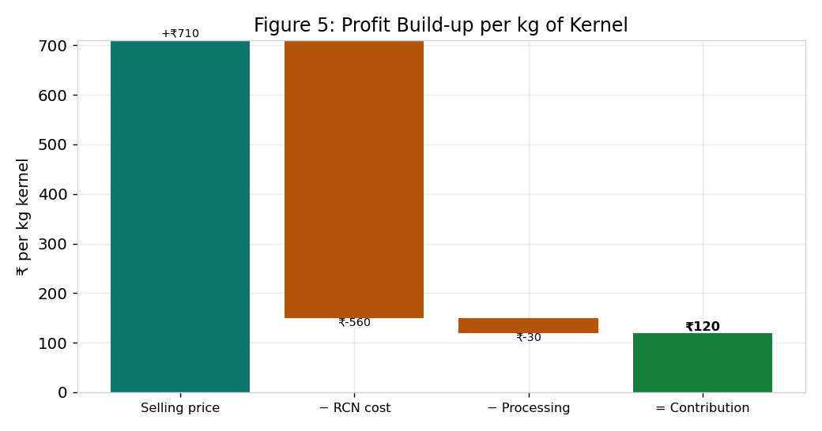
Assumptions
RCN price (₹/kg) | 123.2
Outturn / yield | 22%
Processing & overhead (₹/kg kernel) | 30.0
Kernel selling price (₹/kg) | 709.8

Computed
Raw nut cost per kg kernel | 560.0
Total cost per kg kernel | 590.0
Contribution per kg kernel | 119.8
Margin % | 16.9%
Break-even price (₹/kg) | 590.0
Break-even outturn | 18.1%

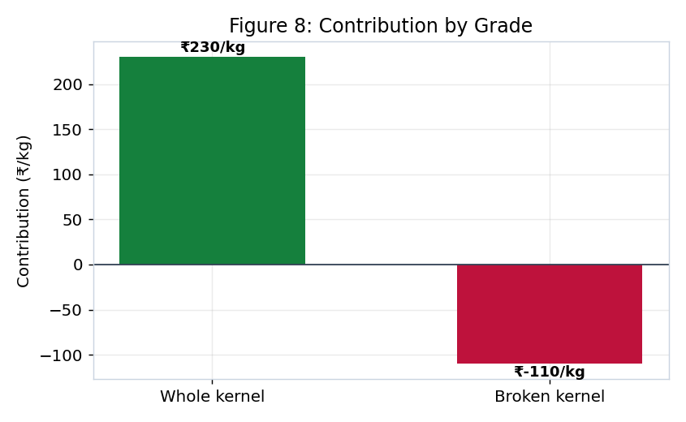
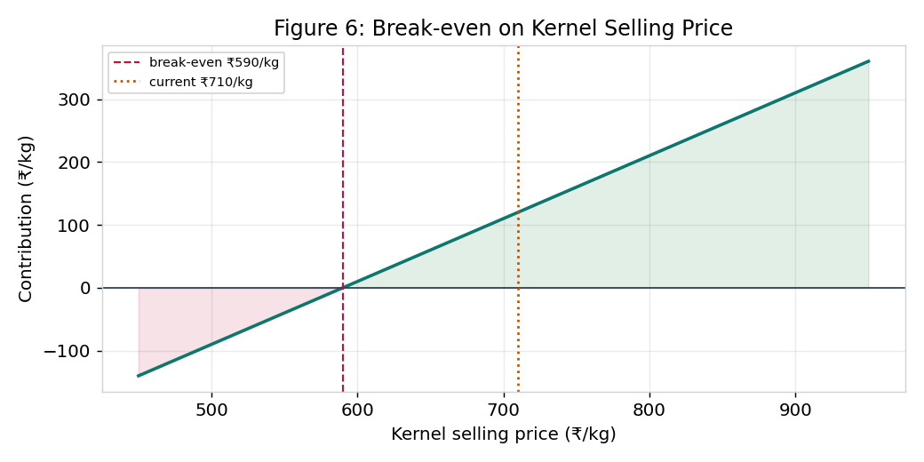
By grade
Grade | Price (₹/kg) | Contribution (₹/kg)
Whole | 820 | 230
Broken | 480 | -110

Sensitivity
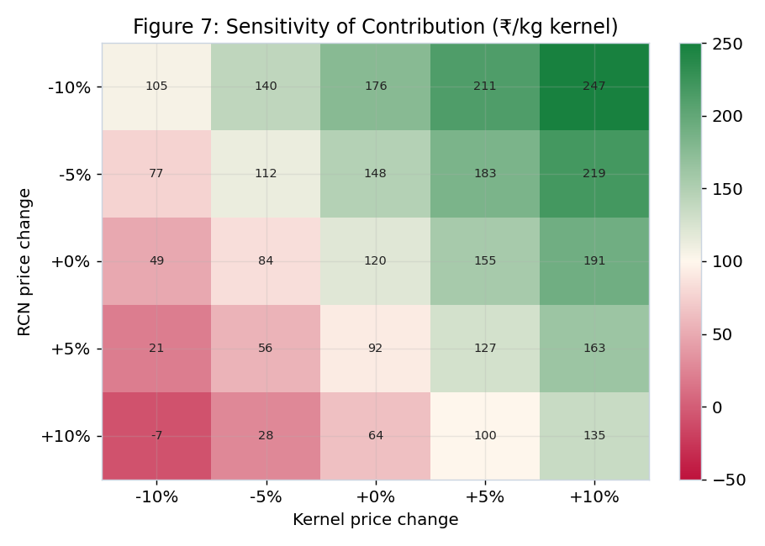
Contribution Sensitivity (₹/kg kernel)
Rows = RCN price change, Columns = selling-price change. Live formulas off 'P&L Model'.

RCN ↓ / Price → | -10% | -5% | +0% | +5% | +10%
-10% | 105 | 140 | 176 | 211 | 247
-5% | 77 | 112 | 148 | 183 | 219
+0% | 49 | 84 | 120 | 155 | 191
+5% | 21 | 56 | 92 | 127 | 163
+10% | -7 | 28 | 64 | 99 | 135

Buyer Scorecard
Buyer Risk Scorecard

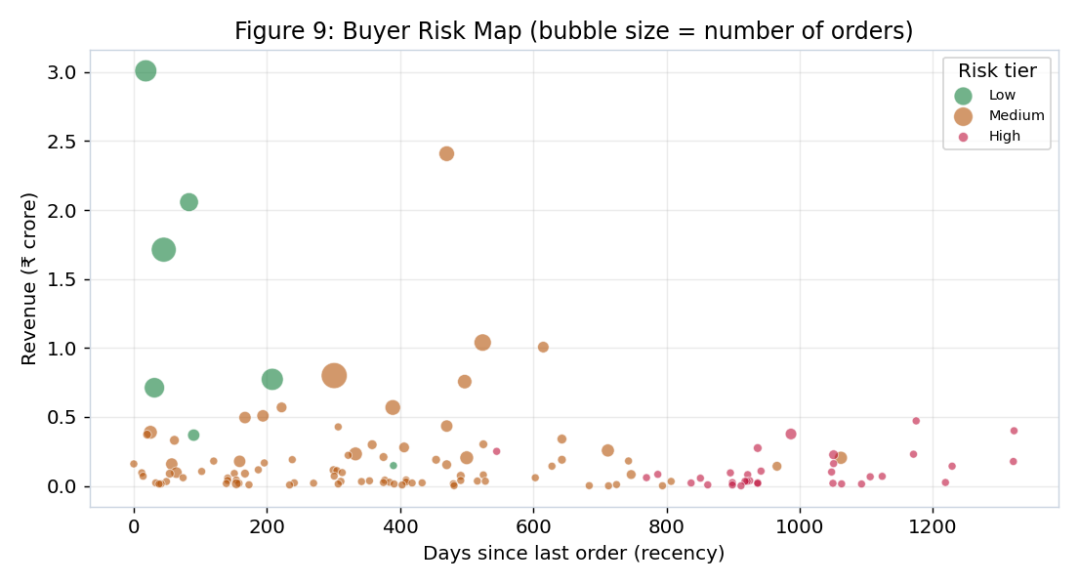
Tier | Buyers | Credit exposure (₹)
Low | 7 | 14,125,000
Medium | 90 | 44,005,000
High | 33 | 8,961,000

Illustrative logistic model: AUC=0.96, accuracy=0.923 (simulated delays — see report).

Top buyers
Buyer | Revenue (₹) | Orders | Recency (d) | Risk | Tier | Credit limit (₹)
ASHWANI KUMAR NEEL KAMAL | 30,087,807 | 26 | 18 | 29.6 | Low | 2,616,000
Maa Laxmi Cashew Processing | 24,082,072 | 13 | 470 | 51.4 | Medium | 2,189,000
M/s Ashwani Kumar Neel Kamal | 20,570,081 | 19 | 83 | 30.9 | Low | 2,571,000
DEVIDEEN HANUMANPRASAD | 17,125,429 | 33 | 45 | 31.1 | Low | 1,489,000
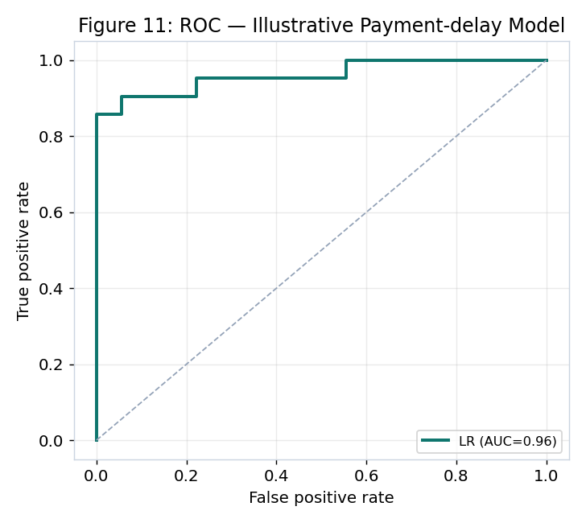
Satyam Traders | 10,391,863 | 16 | 524 | 44.9 | Medium | 1,039,000
Nandi Cashew Processing | 10,064,274 | 7 | 615 | 58.1 | Medium | 1,438,000
Shree Taran Traders | 7,999,480 | 36 | 301 | 34.5 | Medium | 308,000
P P Enterprises | 7,725,387 | 26 | 208 | 30.4 | Low | 858,000
Sashwat Traders | 7,561,262 | 11 | 497 | 45.1 | Medium | 945,000
Ramesh Chand Naresh Kumar | 7,119,041 | 22 | 31 | 27.9 | Low | 1,187,000
DEB TRADERS | 5,692,491 | 6 | 222 | 43.5 | Medium | 949,000
M/s Devideen Hanuman Prasad | 5,687,173 | 13 | 389 | 43.9 | Medium | 632,000
M/s Satyam Traders | 5,079,971 | 8 | 194 | 39.1 | Medium | 726,000
P P ENTERPRISE | 4,956,847 | 8 | 167 | 37.4 | Medium | 708,000
M/s Nandi Cashew Processing | 4,715,780 | 3 | 1175 | 81.2 | High | 629,000

Anomalies
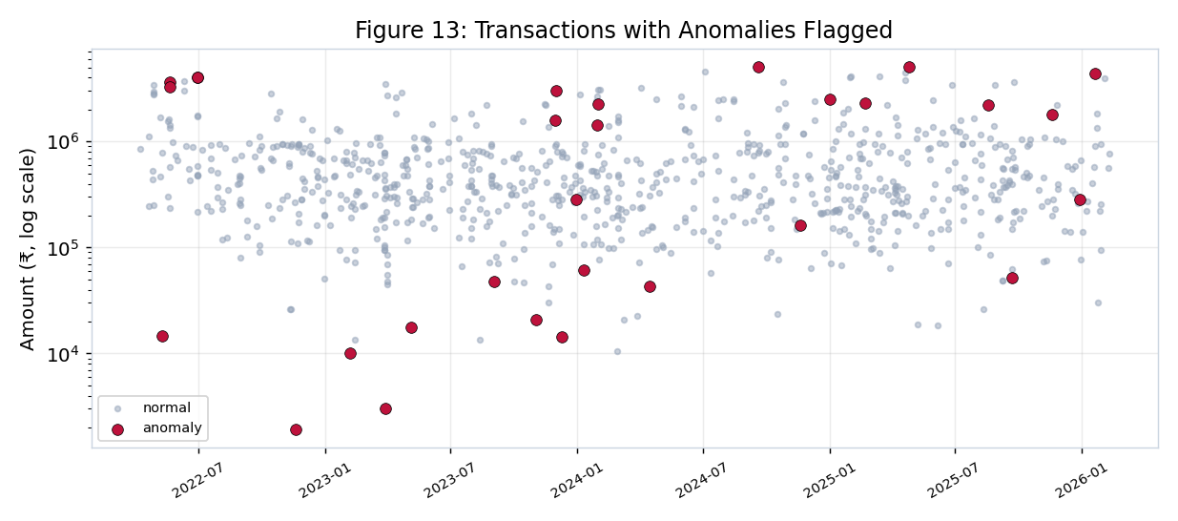
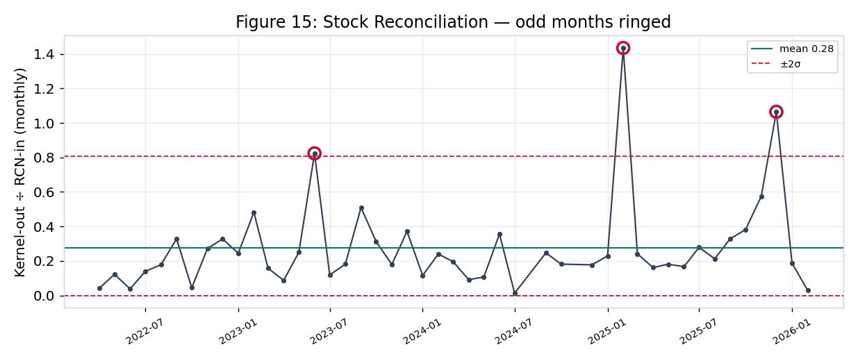
Anomaly Detection

Flagged 29 of 850 transactions (3.4%): 12 by Z-score, 17 by Isolation Forest. Reconciliation flagged 3 months.

Date | Company | Flow | Goods | Party | Amount (₹) | Z | Flagged by
2022-11-19 | Ankita | Purchase | RCN | New Kumudini Radio | 1,907 | -0.92 | Isolation Forest
2023-11-03 | Adrita | Purchase | RCN | SUNRICE CHEMICALS PVT LT | 20,861 | -1.03 | Isolation Forest
2023-03-29 | Ankita | Purchase | RCN | SUNRICE CHEMICALS PVT LT | 3,035 | -0.91 | Isolation Forest
2023-02-06 | Ankita | Purchase | RCN | D K Day & Sarker & Co | 10,000 | -0.91 | Isolation Forest
2024-04-15 | Ankita | Purchase | FCN | SUSHMA INDUSTRIES | 43,000 | -1.38 | Isolation Forest
2023-09-03 | Ankita | Purchase | FCN | DEVI CASHEW PROCESSING | 47,619 | -1.37 | Isolation Forest
2025-09-22 | Adrita | Purchase | FCN | MAA CHANDI CASHEW NUT PR | 51,900 | -1.2 | Isolation Forest
2023-12-01 | Ankita | Sale | RCN | Maa Laxmi Cashew Process | 3,021,429 | 2.39 | Isolation Forest
2023-12-09 | Ankita | Sale | FCN | CHANDAN PURAKAYATWA | 14,286 | -1.01 | Isolation Forest
2023-05-05 | Adrita | Purchase | RCN | SUNRICE CHEMICALS PVT LT | 17,524 | -1.03 | Isolation Forest
2022-05-10 | Ankita | Purchase | RCN | CHAKADOLA POLYMERS PVT L | 14,578 | -0.91 | Isolation Forest
2025-12-29 | Adrita | Purchase | FCN | Shoel Cashew Processing | 285,714 | -0.54 | Isolation Forest

