Annual Summary
Annual Sales vs Purchase
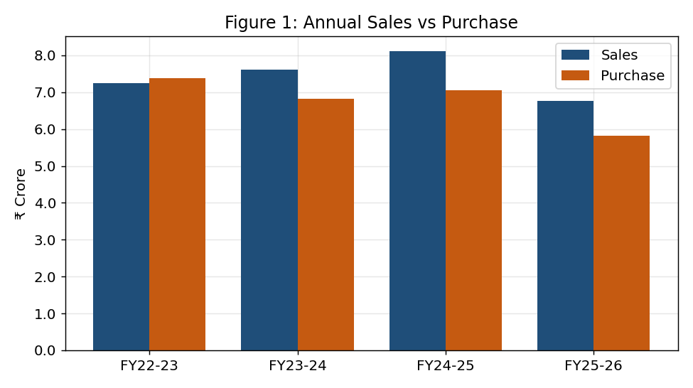
Financial Year | Sales (₹) | Purchase (₹) | Net (₹)
FY22-23 | 72,524,077 | 73,780,058 | -1,255,981
FY23-24 | 76,227,072 | 68,141,555 | 8,085,517
FY24-25 | 81,086,538 | 70,636,908 | 10,449,630
FY25-26 | 67,738,985 | 58,139,303 | 9,599,682
Total | 297,576,672 | 270,697,824 | 26,878,848

Annual Sales vs Purchase (editable)

Seasonality
Sales by Month + Monthly Series
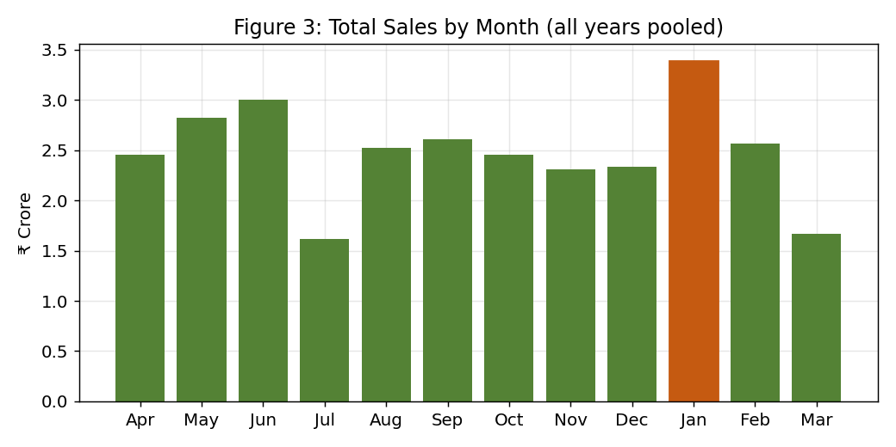
Month | Total Sales (₹)
Apr | 24,583,467
May | 28,225,169
Jun | 30,025,684
Jul | 16,152,528
Aug | 25,265,983
Sep | 26,123,327
Oct | 24,530,091
Nov | 23,133,605
Dec | 23,363,957
Jan | 33,868,678
Feb | 25,631,102
Mar | 16,673,081

Sales by Month (editable)
Year-Month | Sales (₹)
2022-04 | 2,752,585
2022-05 | 13,937,626
2022-06 | 11,480,125
2022-07 | 2,293,397
2022-08 | 2,726,520
2022-09 | 4,424,643
2022-10 | 4,276,124
2022-11 | 7,075,899
2022-12 | 5,638,115
2023-01 | 5,419,054
2023-02 | 4,984,896
2023-03 | 7,515,094
2023-04 | 8,247,595
2023-05 | 6,968,693
2023-06 | 4,515,904
2023-07 | 4,028,445
2023-08 | 6,794,941
2023-09 | 3,169,586
2023-10 | 4,572,314
2023-11 | 5,433,011
2023-12 | 9,476,961
2024-01 | 9,690,099
2024-02 | 11,796,371
2024-03 | 1,533,153
2024-04 | 3,236,576
2024-05 | 2,606,314
2024-06 | 8,902,259
2024-07 | 1,126,142
2024-08 | 7,931,064
2024-09 | 8,543,258
2024-10 | 11,536,887
2024-11 | 4,349,770
2024-12 | 4,211,442
2025-01 | 12,939,013
2025-02 | 8,078,979
2025-03 | 7,624,834
2025-04 | 10,346,711
2025-05 | 4,712,536
2025-06 | 5,127,397
2025-07 | 8,704,544
2025-08 | 7,813,458
2025-09 | 9,985,840
2025-10 | 4,144,766
2025-11 | 6,274,925
2025-12 | 4,037,438
2026-01 | 5,820,513
2026-02 | 770,857

Forecast
Demand Forecasting
Decomposition, linear trend & ARIMA. Validated on last 6 months.

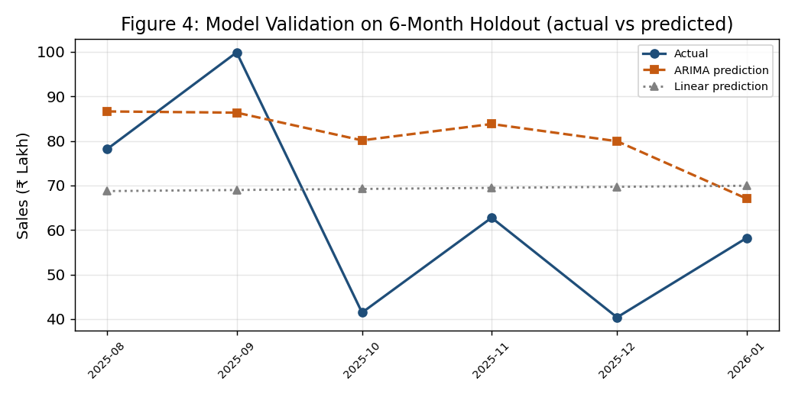
Year-Month | Actual Sales (₹) | Linear Trend (₹) | ARIMA Forecast (₹)
2022-04 | 2,752,585 | 5,911,717
2022-05 | 13,937,626 | 5,935,743
2022-06 | 11,480,125 | 5,959,769
2022-07 | 2,293,397 | 5,983,795
2022-08 | 2,726,520 | 6,007,821
2022-09 | 4,424,643 | 6,031,847
2022-10 | 4,276,124 | 6,055,873
2022-11 | 7,075,899 | 6,079,899
2022-12 | 5,638,115 | 6,103,925
2023-01 | 5,419,054 | 6,127,950
2023-02 | 4,984,896 | 6,151,976
2023-03 | 7,515,094 | 6,176,002
2023-04 | 8,247,595 | 6,200,028
2023-05 | 6,968,693 | 6,224,054
2023-06 | 4,515,904 | 6,248,080
2023-07 | 4,028,445 | 6,272,106
2023-08 | 6,794,941 | 6,296,132
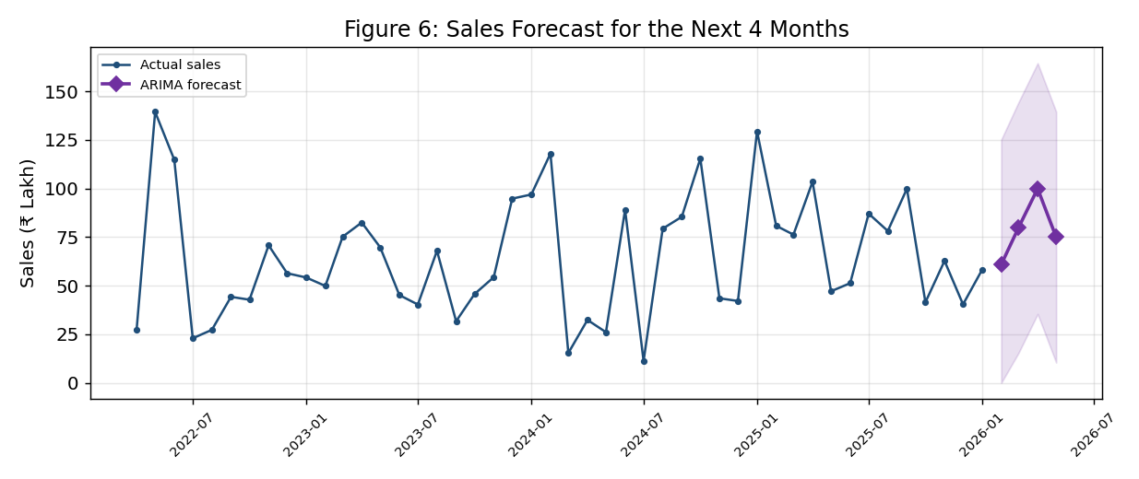
2023-09 | 3,169,586 | 6,320,158
2023-10 | 4,572,314 | 6,344,184
2023-11 | 5,433,011 | 6,368,210
2023-12 | 9,476,961 | 6,392,236
2024-01 | 9,690,099 | 6,416,261
2024-02 | 11,796,371 | 6,440,287
2024-03 | 1,533,153 | 6,464,313
2024-04 | 3,236,576 | 6,488,339
2024-05 | 2,606,314 | 6,512,365
2024-06 | 8,902,259 | 6,536,391
2024-07 | 1,126,142 | 6,560,417
2024-08 | 7,931,064 | 6,584,443
2024-09 | 8,543,258 | 6,608,469
2024-10 | 11,536,887 | 6,632,495
2024-11 | 4,349,770 | 6,656,521
2024-12 | 4,211,442 | 6,680,547
2025-01 | 12,939,013 | 6,704,572
2025-02 | 8,078,979 | 6,728,598
Actual vs Trend vs Forecast (editable)
 | Actual Sales (₹) | Linear Trend (₹) | ARIMA Forecast (₹)
2022-04 | 2,752,585 | 5,911,717
2022-05 | 13,937,626 | 5,935,743
2022-06 | 11,480,125 | 5,959,769
2022-07 | 2,293,397 | 5,983,795
2022-08 | 2,726,520 | 6,007,821
2022-09 | 4,424,643 | 6,031,847
2022-10 | 4,276,124 | 6,055,873
2022-11 | 7,075,899 | 6,079,899
2022-12 | 5,638,115 | 6,103,925
2023-01 | 5,419,054 | 6,127,950
2023-02 | 4,984,896 | 6,151,976
2023-03 | 7,515,094 | 6,176,002
2023-04 | 8,247,595 | 6,200,028
2023-05 | 6,968,693 | 6,224,054
2023-06 | 4,515,904 | 6,248,080
2023-07 | 4,028,445 | 6,272,106
2023-08 | 6,794,941 | 6,296,132
2023-09 | 3,169,586 | 6,320,158
2023-10 | 4,572,314 | 6,344,184
2023-11 | 5,433,011 | 6,368,210
2023-12 | 9,476,961 | 6,392,236
2024-01 | 9,690,099 | 6,416,261
2024-02 | 11,796,371 | 6,440,287
2024-03 | 1,533,153 | 6,464,313
2024-04 | 3,236,576 | 6,488,339
2024-05 | 2,606,314 | 6,512,365
2024-06 | 8,902,259 | 6,536,391
2024-07 | 1,126,142 | 6,560,417
2024-08 | 7,931,064 | 6,584,443
2024-09 | 8,543,258 | 6,608,469
2024-10 | 11,536,887 | 6,632,495
2024-11 | 4,349,770 | 6,656,521
2024-12 | 4,211,442 | 6,680,547
2025-01 | 12,939,013 | 6,704,572
2025-02 | 8,078,979 | 6,728,598
2025-03 | 7,624,834 | 6,752,624
2025-04 | 10,346,711 | 6,776,650
2025-05 | 4,712,536 | 6,800,676
2025-06 | 5,127,397 | 6,824,702
2025-07 | 8,704,544 | 6,848,728
2025-08 | 7,813,458 | 6,872,754
2025-09 | 9,985,840 | 6,896,780
2025-10 | 4,144,766 | 6,920,806
2025-11 | 6,274,925 | 6,944,832
2025-12 | 4,037,438 | 6,968,858
2026-01 | 5,820,513 | 6,992,883
2026-02 |  |  | 6,092,948
2026-03 |  |  | 7,984,980
2026-04 |  |  | 9,991,761
2026-05 |  |  | 7,494,727
2025-03 | 7,624,834 | 6,752,624
2025-04 | 10,346,711 | 6,776,650
2025-05 | 4,712,536 | 6,800,676
2025-06 | 5,127,397 | 6,824,702
2025-07 | 8,704,544 | 6,848,728
2025-08 | 7,813,458 | 6,872,754
2025-09 | 9,985,840 | 6,896,780
2025-10 | 4,144,766 | 6,920,806
2025-11 | 6,274,925 | 6,944,832
2025-12 | 4,037,438 | 6,968,858
2026-01 | 5,820,513 | 6,992,883
2026-02 |  |  | 6,092,948
2026-03 |  |  | 7,984,980
2026-04 |  |  | 9,991,761
2026-05 |  |  | 7,494,727

Forecast Accuracy (6-month holdout)
Model | RMSE (₹) | MAE (₹)
ARIMA | 2,527,935 | 2,167,929
Linear baseline | 2,181,363 | 1,929,917
Naive seasonal | 4,304,027 | 3,028,328

RCN Price
Raw Nut Buying Price (₹/KG)

Year-Month | RCN Price (₹/KG) | Year | Avg Price
 |  | 2022 | 115.9
 |  | 2023 | 103.8
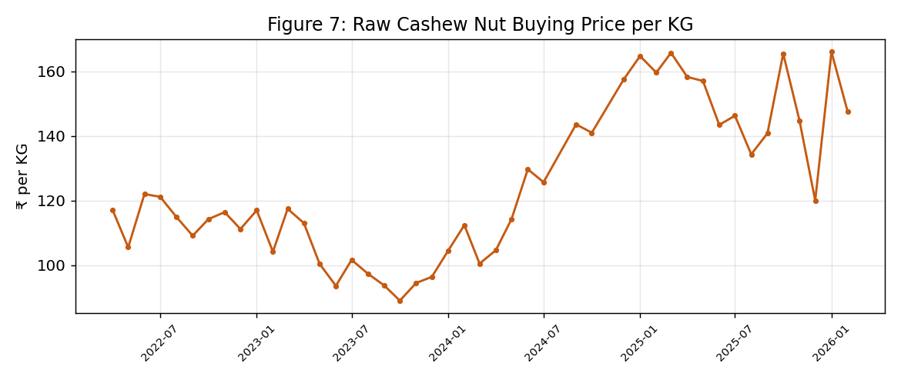
 |  | 2024 | 119.9
 |  | 2025 | 152.7
 |  | 2026 | 157.3

Stock Movement
Monthly Stock Movement (KG)
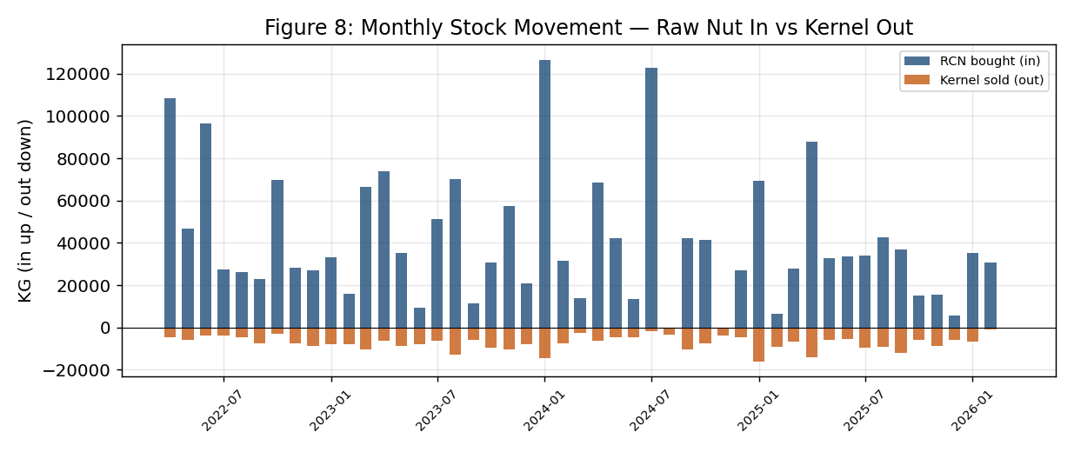
Year-Month | RCN In (KG) | Kernel Out (KG)
2022-04 | 108,270 | 4,460
2022-05 | 46,734 | 5,700
2022-06 | 96,365 | 3,680
2022-07 | 27,345 | 3,810
2022-08 | 26,071 | 4,630
2022-09 | 23,040 | 7,560
2022-10 | 69,752 | 3,110
2022-11 | 28,100 | 7,620
2022-12 | 27,040 | 8,860
2023-01 | 33,028 | 8,060
2023-02 | 16,035 | 7,730
2023-03 | 66,462 | 10,455
2023-04 | 73,785 | 6,450
2023-05 | 35,119 | 8,790
2023-06 | 9,500 | 7,822
2023-07 | 51,256 | 6,086
2023-08 | 70,202 | 12,749
2023-09 | 11,480 | 5,850
RCN In vs Kernel Out (editable)
2023-10 | 30,874 | 9,623
2023-11 | 57,299 | 10,270
2023-12 | 20,740 | 7,697
2024-01 | 126,602 | 14,659
2024-02 | 31,445 | 7,549
2024-03 | 14,000 | 2,749
2024-04 | 68,488 | 6,280
2024-05 | 42,267 | 4,490
2024-06 | 13,321 | 4,740
2024-07 | 122,852 | 1,560
2024-08 | 0 | 3,200
2024-09 | 42,046 | 10,380
2024-10 | 41,434 | 7,520
2024-11 | 0 | 3,980
2024-12 | 26,875 | 4,760
2025-01 | 69,535 | 15,950
2025-02 | 6,320 | 9,065
2025-03 | 27,707 | 6,690
2025-04 | 87,807 | 14,170
2025-05 | 32,800 | 5,939
2025-06 | 33,475 | 5,570
2025-07 | 33,936 | 9,455
2025-08 | 42,441 | 9,020
2025-09 | 36,938 | 12,171
2025-10 | 14,960 | 5,700
2025-11 | 15,360 | 8,810
2025-12 | 5,515 | 5,870
2026-01 | 35,219 | 6,574
2026-02 | 30,847 | 920
2026-03 | 0 | 0

Batch Yield
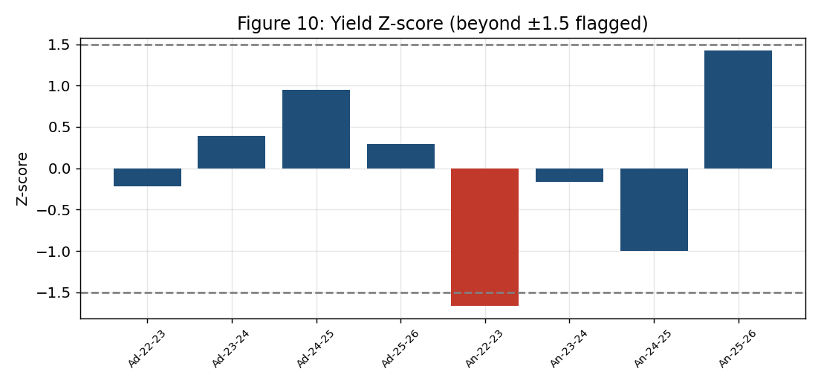
Inventory Yield Analysis
Yield % = Kernel out ÷ RCN in ×100. Target 22%. Outlier if |Z|>1.5.

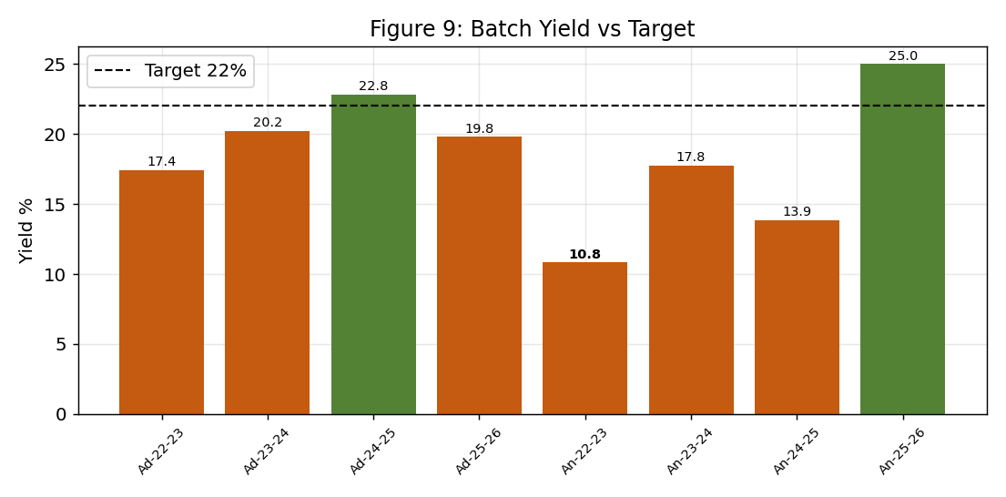
Company | Cycle | RCN In (KG) | Kernel Out (KG) | Yield % | Target % | Variance | Z-score | Outlier?
Adrita | FY22-23 | 213,803 | 37,290 | 17.4 | 22.0 | -4.6 | -0.22 | No
Adrita | FY23-24 | 232,306 | 47,030 | 20.2 | 22.0 | -1.8 | 0.39 | No
Adrita | FY24-25 | 164,656 | 37,555 | 22.8 | 22.0 | 0.8 | 0.95 | No
Adrita | FY25-26 | 155,513 | 30,772 | 19.8 | 22.0 | -2.2 | 0.29 | No
Ankita | FY22-23 | 354,439 | 38,385 | 10.8 | 22.0 | -11.2 | -1.66 | Yes
Ankita | FY23-24 | 299,996 | 53,264 | 17.8 | 22.0 | -4.2 | -0.16 | No
Ankita | FY24-25 | 296,189 | 41,060 | 13.9 | 22.0 | -8.1 | -1.00 | No
Ankita | FY25-26 | 213,785 | 53,427 | 25.0 | 22.0 | 3.0 | 1.42 | No

Yield % by cycle (editable)

ABC Stock
ABC Classification of Stock by Value
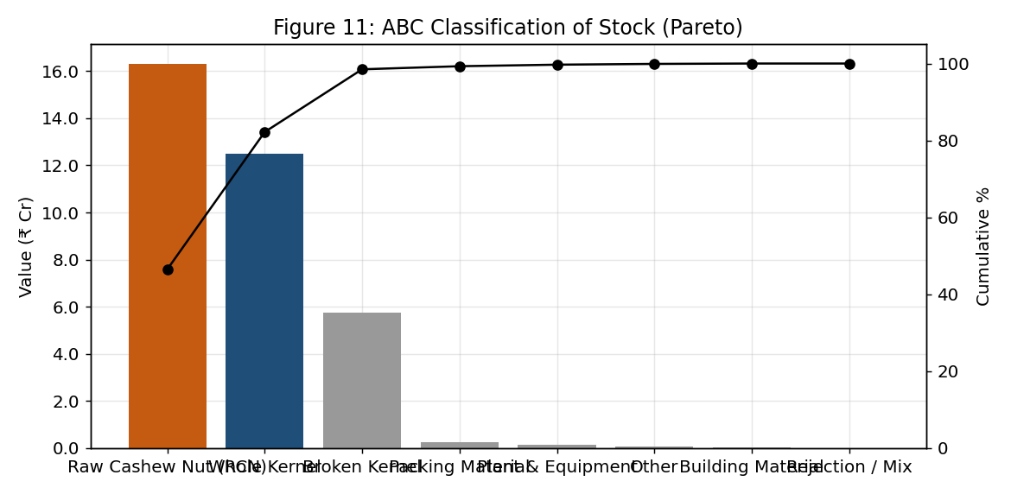
Stock Group | Value (₹) | % of Total | Cumulative % | Class
Raw Cashew Nut (RCN) | 163,221,226 | 46.5 | 46.5 | A
Whole Kernel | 124,994,770 | 35.6 | 82.2 | B
Broken Kernel | 57,355,270 | 16.4 | 98.5 | C
Packing Material | 2,526,558 | 0.7 | 99.3 | C
Plant & Equipment | 1,525,581 | 0.4 | 99.7 | C
Other | 570,897 | 0.2 | 99.9 | C
Building Material | 409,203 | 0.1 | 100.0 | C
Rejection / Mix | 58,450 | 0.0 | 100.0 | C

Stock value by group (editable)

Buyers & Mix
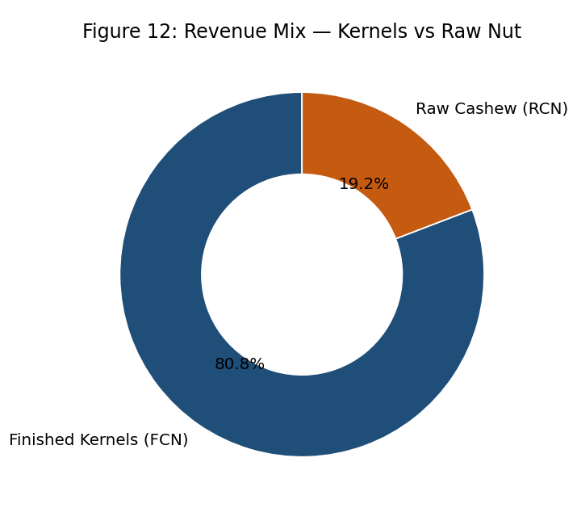
Top Buyers and Revenue Mix
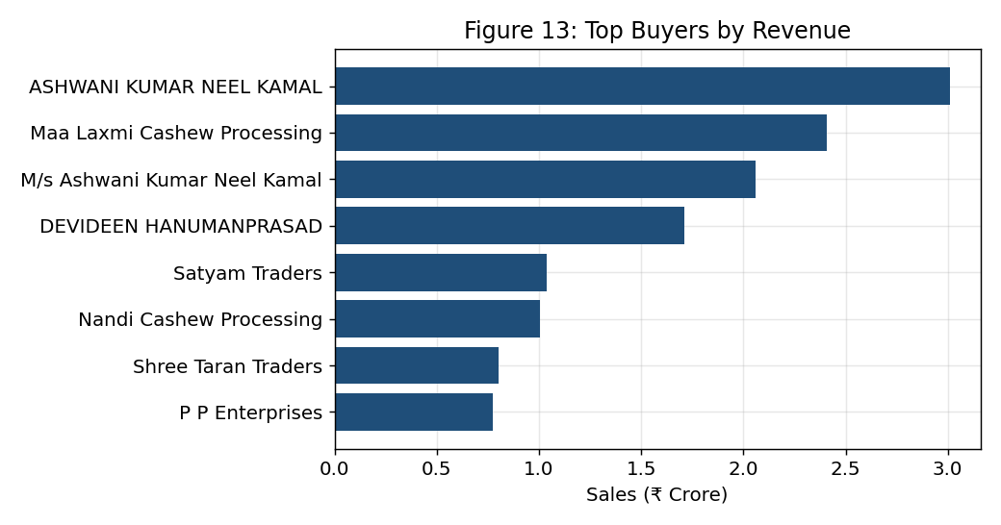
Top Buyers (by Sales ₹) | Amount (₹)
ASHWANI KUMAR NEEL KAMAL | 30,087,807
Maa Laxmi Cashew Processing | 24,082,072
M/s Ashwani Kumar Neel Kamal | 20,570,081
DEVIDEEN HANUMANPRASAD | 17,125,429
Satyam Traders | 10,391,863
Nandi Cashew Processing | 10,064,274
Shree Taran Traders | 7,999,480
P P Enterprises | 7,725,387
Sashwat Traders | 7,561,262
Ramesh Chand Naresh Kumar | 7,119,041

