Sheet1
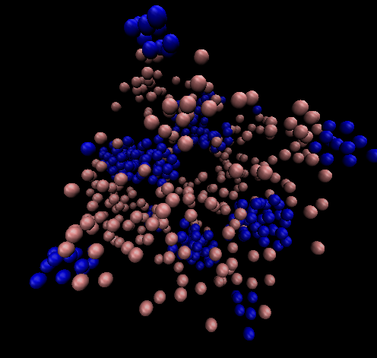
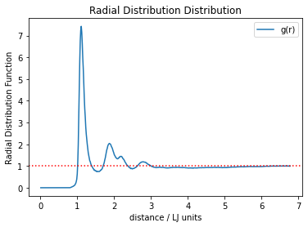
11
Parameters | Data |  |  |  |  |  | VMD
t2ratio=0.5 | Averages and Variances
a = 5
b=1 | < E > = -0.6697179785967144
c=0.1 | < V > = -2.5147179785967144 < Delta V^2 > = 0.0036986669695821682
d=1 | < K > = 1.845
T=1.23 | < T > = 1.23
rho=0.2 | < P > = 0.36194328770661593 < Delta P^2 > = 0.027715887667609438
 | < PV > = -0.9175566938858885 < Delta P Delta V > = -0.007371401057658211
 | < PK > = 0.6677853658187064

 | Thermodynamic Quantities

 | C_V,m/R = 2.7223765515176708
 | beta_T = -0.04619748070915805
 | gamma_V = 0.19512763496750732
 | PV/NkT = 1.4713141776691703
 | alpha = -0.009014405152235054

 | Maximum change in distance

 | 0.12188902742

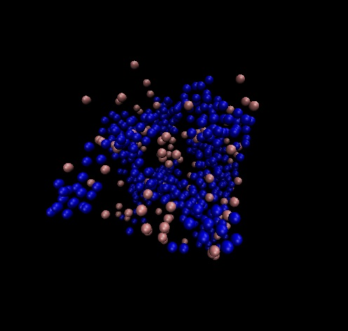
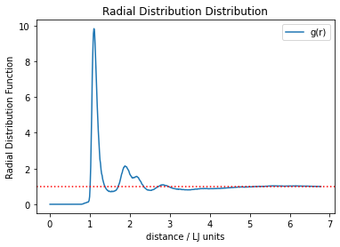
parameteres
t2ratio=0.8 | data
a = 5 | Averages and Variances |  |  |  |  |  |  |  |  |  |  |  |  |  | extremely high first peak indicates solid
b=1 |  |  |  |  |  |  |  |  |  |  |  |  |  |  | no lattice structure
c=0.1 | < E > = 1.0765153231738602
d=1 | < V > = -0.7684846768261397 < Delta V^2 > = 0.0005533006647032567
T=1.23 | < K > = 1.845
rho=0.2 | < T > = 1.23
 | < P > = 0.290378701615259 < Delta P^2 > = 0.002391315215695627
 | < PV > = -0.2236636364562076 < Delta P Delta V > = -0.0005120537882112031
 | < PK > = 0.5357487044801529

 | Thermodynamic Quantities
 |  |  |  |  | Maximum change in distance
 | C_V,m/R = 1.6828609507248518 |  |  |  | 0.08
 | beta_T = 0.16956784132850317
 | gamma_V = 0.1996615415505247
 | PV/NkT = 1.1804012260782888
 | alpha = 0.033856176597043715

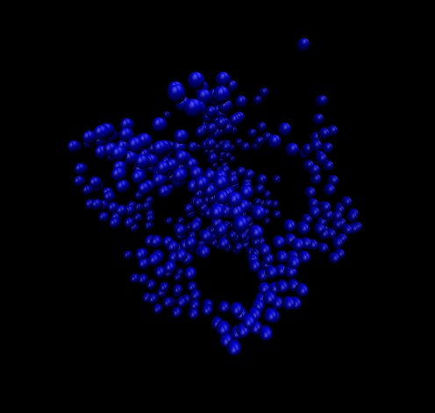
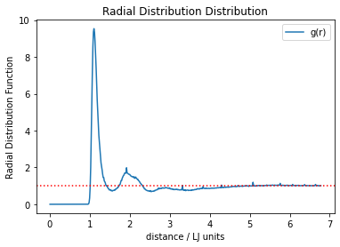
parameteres
t2ratio=1 | Maximum change in distance
a = 5 | 0.06
b=1
c=0.1 | not properly equilibriated but shows extremely high order at a specific radius
d=1
T=1.23 | solid but no lattice
rho=0.2

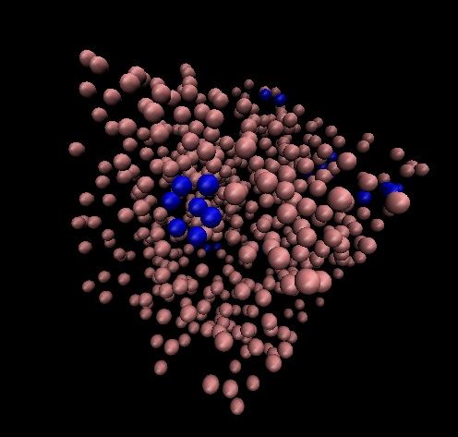
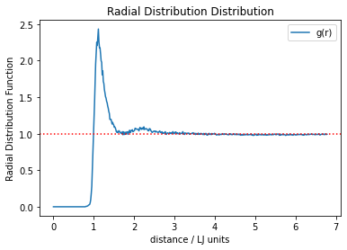
paraemter | data
t2ratio=0.05 | Averages and Variances
a = 5
b=1 | < E > = 0.4069361688364401
c=0.1 | < V > = -1.4380638311635598 < Delta V^2 > = 0.0008581943702345974
d=1 | < K > = 1.845
T=1.23 | < T > = 1.23
rho=0.2 | < P > = 0.6303635603886215 < Delta P^2 > = 0.007641529048175678
 | < PV > = -0.9075397834265952 < Delta P Delta V > = -0.0010367467482321757
 | < PK > = 1.1630207689170067

 | Thermodynamic Quantities

 | C_V,m/R = 1.7836256098336298
 | beta_T = -1.0969429184935626
 | gamma_V = 0.19931472883321294
 | PV/NkT = 2.5624534975147215
 | alpha = -0.21863688034505763

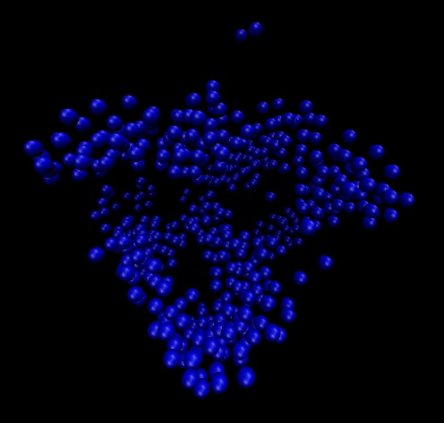
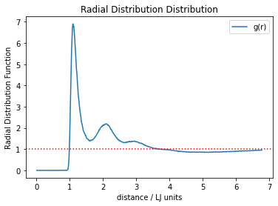
9
paremeter |  |  |  |  |  |  |  |  |  |  | note the height of the first peak is much higher than any other graph
ratio=1 | Averages and Variances
2
1 | < E > = 1.1863471384925144
0.2 | < V > = -0.6586528615074856 < Delta V^2 > = 0.0001889026860719953
1 | < K > = 1.845
 | < T > = 1.23
 | < P > = 0.35782879399325196 < Delta P^2 > = 0.0004631744734533701
 | < PV > = -0.23568484092896527 < Delta P Delta V > = 1.1816446271462056e-07
 | < PK > = 0.6601941249175498

 | Thermodynamic Quantities

 | C_V,m/R = 1.5624306583620846
 | beta_T = 0.14108152750544622
 | gamma_V = 0.20000007810460885
 | PV/NkT = 1.4545885934685039 | `
 | alpha = 0.028216316520206765

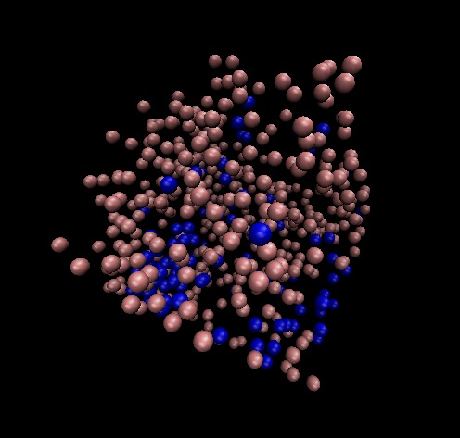
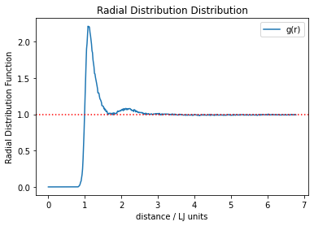
paremeter | data
ratio=0.2 | Averages and Variances
2
1 | < E > = 0.7083343342853898
0.2 | < V > = -1.1366656657146101 < Delta V^2 > = 0.0013582689126886208
1 | < K > = 1.845
 | < T > = 1.23
 | < P > = 0.5145810860403953 < Delta P^2 > = 0.005880170390177204
 | < PV > = -0.5857884621322363 < Delta P Delta V > = -0.0008818094039833024
 | < PK > = 0.9494021037445294

 | Thermodynamic Quantities

 | C_V,m/R = 1.94889580034656
 | beta_T = 3.3722116751531215
 | gamma_V = 0.1994171396629101
 | PV/NkT = 2.0917930326845338
 | alpha = 0.6724768065969061

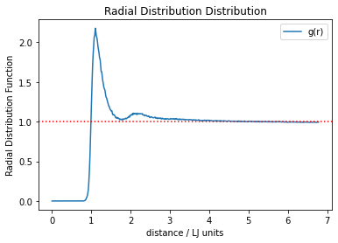
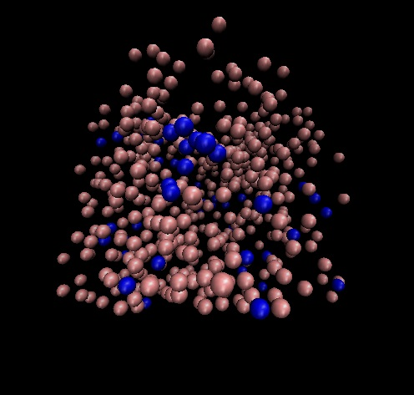
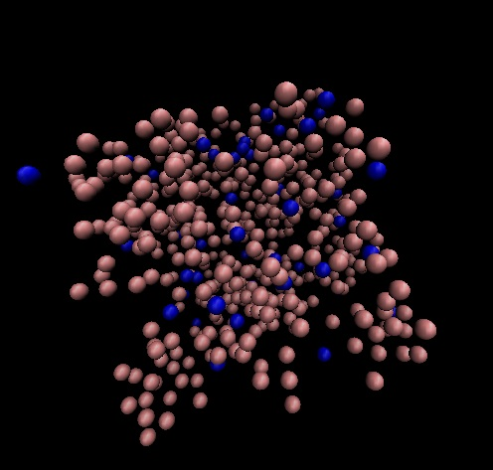
paremeter | data |  |  |  |  |  |  | oscillates between two phases
ratio=0.1 | Averages and Variances |  |  |  |  |  | Some Clumping |  |  | Mostly Diffuse
2
1 | < E > = 0.48540676513446224
0.2 | < V > = -1.3595932348655377 < Delta V^2 > = 0.003378879816102591
1 | < K > = 1.845
 | < T > = 1.23
 | < P > = 0.5815379756301802 < Delta P^2 > = 0.006736445393974098
 | < PV > = -0.7919790579836387 < Delta P Delta V > = -0.00132396049944572
 | < PK > = 1.0729375650376825

 | Thermodynamic Quantities

 | C_V,m/R = 2.6166897402678932
 | beta_T = 1.592268419746468
 | gamma_V = 0.1991248856504424
 | PV/NkT = 2.3639755106917892
 | alpha = 0.31706026700682605

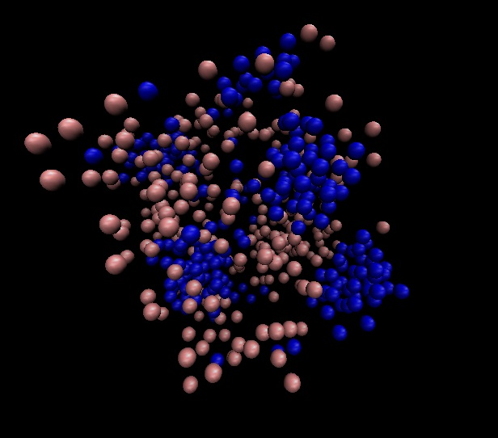
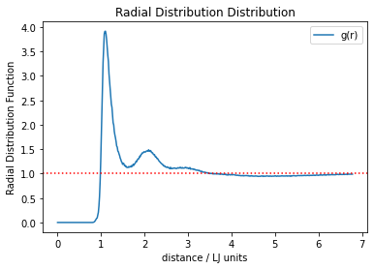
paremeter | data
ratio=0.5 | Averages and Variances
2
1 | < E > = 0.08181593182496782
0.2 | < V > = -1.7631840681750321 < Delta V^2 > = 0.002638107159411531
1 | < K > = 1.845
 | < T > = 1.23
 | < P > = 0.4520891555963227 < Delta P^2 > = 0.013874925264318739
 | < PV > = -0.7988956859175194 < Delta P Delta V > = -0.0017792893753800776
 | < PK > = 0.8341044920752153

 | Thermodynamic Quantities

 | C_V,m/R = 2.37187096285661
 | beta_T = -0.17039453926071044
 | gamma_V = 0.1988239213593892
 | PV/NkT = 1.8377607951070025
 | alpha = -0.03387851047404085

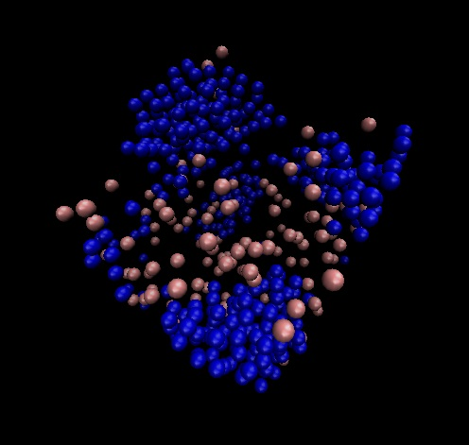
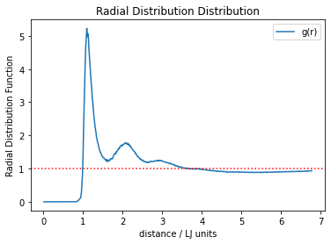
paremeter |  |  |  |  |  |  |  |  |  | Rad distr
ratio=0.75 | Averages and Variances
2
1 | < E > = 1.2357852593327396
0.2 | < V > = -0.6092147406672603 < Delta V^2 > = 0.00024356913212457445
1 | < K > = 1.845
 | < T > = 1.23
 | < P > = 0.33643157767298604 < Delta P^2 > = 0.001324649529154147
 | < PV > = -0.2052107468376651 < Delta P Delta V > = -0.0002516704933396563
 | < PK > = 0.6207162608066592

 | Thermodynamic Quantities

 | C_V,m/R = 1.58049743278623
 | beta_T = 0.2004418398248389
 | gamma_V = 0.19983365027871
 | PV/NkT = 1.3676080393210814
 | alpha = 0.04005502452077806

10
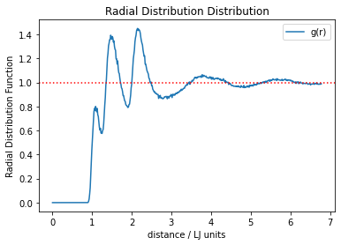
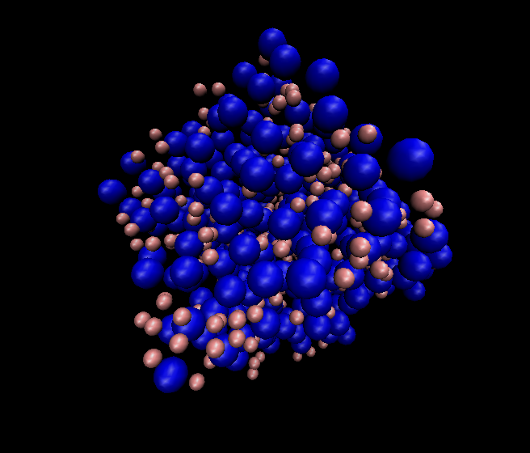
paremeter
ratio=0.50 | Averages and Variances
2
2 | < E > = 0.8066479680140204
0.2 | < V > = -1.0383520319859796 < Delta V^2 > = 0.00024916932114783585
1.5 | < K > = 1.845
 | < T > = 1.23
 | < P > = 0.8981978402569197 < Delta P^2 > = 0.0035618807638490525
 | < PV > = -0.9331342873944318 < Delta P Delta V > = -0.0004887348382409673
 | < PK > = 1.6571750152740168

 | Thermodynamic Quantities

 | C_V,m/R = 1.5823482454715565
 | beta_T = -0.3414496982549434
 | gamma_V = 0.19967695496183427
 | PV/NkT = 3.6512107327517063
 | alpha = -0.06817963602018424

 | Maximum change in distance

 | 0.14835330146

 | phase is difficult to say, could be type 2 with type 1 particles diffusing in between the type 2 solid?
 | alpha seems to imply a more solid phase |  |  |  |  |  |  |  |  |  |  | 3 peaks for 3 types of interactions
 | seems like type 2 particles have become too large to form domains which exclude type 1 particles

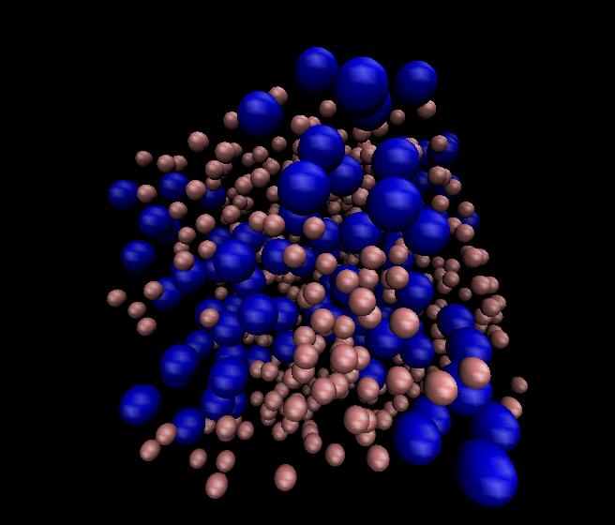
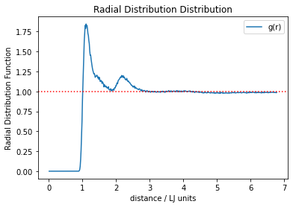
paremeter
ratio=0.20 | Averages and Variances |  |  |  |  |  |  |  |  |  |  |  |  | compare to graph above
2 |  |  |  |  |  |  |  |  |  |  |  |  |  | no more 3 distinct peaks, overall phase more likely to be a liquid
2 | < E > = 0.5782378648168862
0.2 | < V > = -1.2667621351831138 < Delta V^2 > = 0.002263764080893753
1.5 | < K > = 1.845
 | < T > = 1.23
 | < P > = 0.5484552611267827 < Delta P^2 > = 0.006419300461480003
 | < PV > = -0.6955444424396143 < Delta P Delta V > = -0.0007820848022389582
 | < PK > = 1.011899956778914

 | Thermodynamic Quantities

 | C_V,m/R = 2.248153903395384
 | beta_T = 2.00691725802226
 | gamma_V = 0.19948305585151765
 | PV/NkT = 2.2294929314096854
 | alpha = 0.4003459874714292
 | reduced concentration of type 2 and it seems to reform its domains with extra type 1 particles in between them
 | this is likely due to the fact that the density of type 2 atoms is much less and allows for more of an overall liquid phase to form rather than a solid with liquid particles in between them
 | At 50% molar ratio, I think that ~250 of type 2 in the volume formed with a 500 atom lattice will form a solid
 | not alpha indicates a more liquid phase than solid
 | D_rmax ~0.25

12

 | D_rmax is at ~0.02
 | this is to illustrated that its difficult for solids to make its way to equilibrium as everything gets locked in place
 | let me know if your results need more information
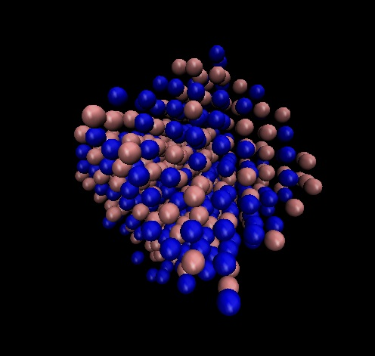

comparing vel verlet code to our code

T = | 2.2 |  | rho = | 0.01

velocity verlet |  |  |  |  |  | V1.0 |  |  |  |  |  |  | V1.1
Averages and Variances |  |  |  |  |  | Averages and Variances
 |  |  |  |  |  |  |  |  |  |  |  |  | Averages and Variances
< E > = 3.298336762887051 < Delta E^2 > = 1.633903314801614e-08 |  |  |  |  |  | < E > = 3.232526455977341
< V > = -0.06635199318758674 < Delta V^2 > = 6.229626948291363e-05 |  |  |  |  |  | < V > = -0.06747354402265927 < Delta V^2 > = 8.655865158433962e-05 |  |  |  |  |  |  | < E > = 3.233681645771788
< K > = 3.3646887560746372 < Delta K^2 > = 6.194593842894464e-05 |  |  |  |  |  | < K > = 3.3000000000000003 |  |  |  |  |  |  | < V > = -0.06631835422821238 < Delta V^2 > = 7.799211211982405e-05
< T > = 2.2476210795421765 < Delta T^2 > = 2.7641985564959578e-05 |  |  |  |  |  | < T > = 2.2 |  |  |  |  |  |  | < K > = 3.3000000000000003
< P > = 0.02315598952247978 < Delta P^2 > = 1.6534815827059167e-06 |  |  |  |  |  | < P > = 0.02276921665673931 < Delta P^2 > = 1.1275081709259377e-06 |  |  |  |  |  |  | < T > = 2.2
< PV > = -0.0015414404627126705 < Delta P Delta V > = -4.994403665262376e-06 |  |  |  |  |  | < PV > = -0.0015385228403075354 < Delta P Delta V > = -2.2030978575687202e-06 |  |  |  |  |  |  | < P > = 0.02278995094660498 < Delta P^2 > = 1.4310162187930783e-06
< PK > = 0.0779176914846878 < Delta P Delta K > = 4.9939026179751655e-06 |  |  |  |  |  | < PK > = 0.07513841496723973 |  |  |  |  |  |  | < PV > = -0.0015163077461790458 < Delta P Delta V > = -4.91570645851265e-06
 |  |  |  |  |  |  |  |  |  |  |  |  | < PK > = 0.07520683812379644
Thermodynamic Quantities |  |  |  |  |  | Thermodynamic Quantities
 |  |  |  |  |  |  |  |  |  |  |  |  | Thermodynamic Quantities
Temperature = 2.2476210795421765 |  |  |  |  |  | C_V,m/R = 1.508942009461192
Pressure = 0.02315598952247978 |  |  |  |  |  | beta_T = 23.878268874367482 |  |  |  |  |  |  | C_V,m/R = 1.5080570363760148
PV/NkT = 1.0302443651754893 |  |  |  |  |  | gamma_V = 0.009999544814492238 |  |  |  |  |  |  | beta_T = 29.588466093909055
C_V,m/R = 1.506173717917525 |  |  |  |  |  | PV/NkT = 1.0349643934881503 |  |  |  |  |  |  | gamma_V = 0.009998984358169729
gamma_V = 0.009544829323439887 |  |  |  |  |  | alpha = 0.23877181970173278 |  |  |  |  |  |  | PV/NkT = 1.0359068612093172
beta_S = 27.104221037857123 |  |  |  |  |  |  |  |  |  |  |  |  | alpha = 0.295854609655232
beta_T = 42.91944768990572 |  |  |  |  |  | Maximum change in distance
alpha = 0.4096588028564564
 |  |  |  |  |  | 12.39216086

 | Surprising

 | Expected to be similar

4
ratio=0.5
T=2.2
rho=0.01 |  |  |  |  |  | Nucleation of LJ2 into a solid
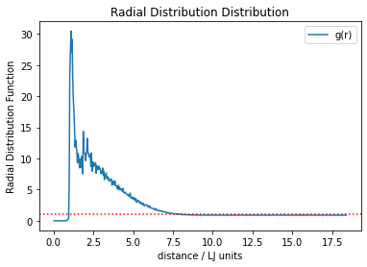
 |  |  |  | initially resembles gas with evenly distributed particles |  |  |  | After 1.5 million iterations | Nucleation of LJ2

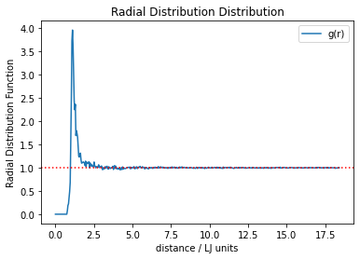
 | CHECK run_4 video

