KA-SHA Product Catalog
S.No | Product Name | Description | Fabric / Material | Available Sizes | Color Options | Price
1 | KS1000B | Sleek golf T-shirt in breathable dry-fit fabric, featuring 3-button reverse button-down collar for stylish, moisture-wicking comfort. | Poly 55% Sorona 45% 105 GSM | S/M/L/XL/Customizable | Customizable | Rs.2000 | 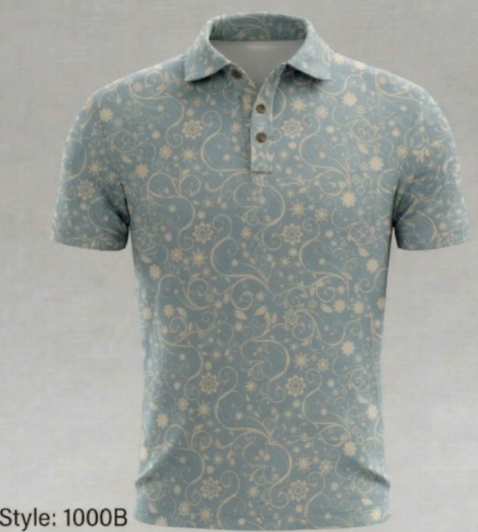
2 | KS1001B | Sleek golf T-shirt in breathable dry-fit fabric, featuring 3-button reverse button-down collar for stylish, moisture-wicking comfort. | Poly 55% Sorona 45% 105 GSM | S/M/L/XL/Customizable | Customizable | Rs.2000 | 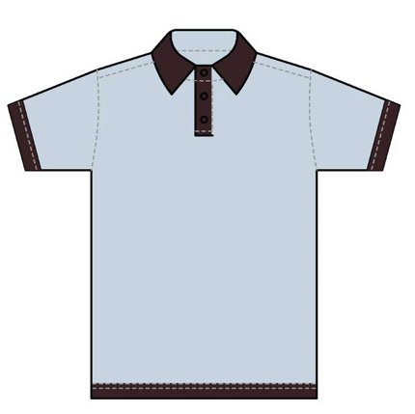
3 | KS1002B | Sleek golf T-shirt in breathable dry-fit fabric, featuring 3-button reverse button-down collar for stylish, moisture-wicking comfort. | Poly 55% Sorona 45% 105 GSM | S/M/L/XL/Customizable | Customizable | Rs.2000 | 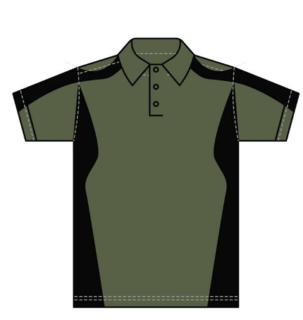
4 | KS1003B | Sleek golf T-shirt in breathable dry-fit fabric, featuring 3-button reverse button-down collar for stylish, moisture-wicking comfort. | Poly 55% Sorona 45% 105 GSM | S/M/L/XL/Customizable | Customizable | Rs.2000 | 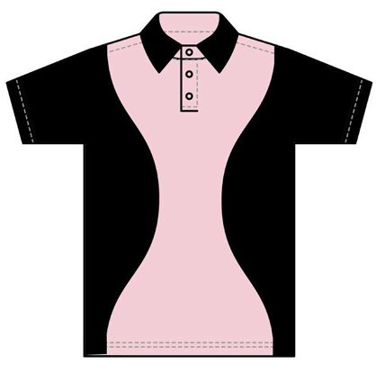
5 | KS1004B | Sleek golf T-shirt in breathable dry-fit fabric, featuring 3-button reverse button-down collar for stylish, moisture-wicking comfort. | Poly 55% Sorona 45% 105 GSM | S/M/L/XL/Customizable | Customizable | Rs.2000 | 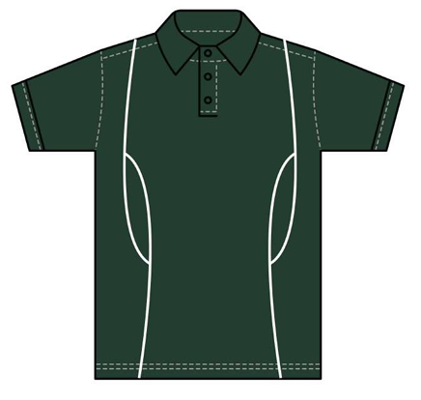
6 | KS1005B
7 | KS1006B

