Sheet1
Test Case ID | Module | Test input | Expected Result | Actual Result | Status
1 | design | width:140px and height: auto | width:140px and height: auto | 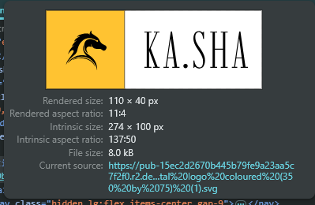 | failed
2 | design | follow the same font/size based on the surrounding body text. | plain text | plain text | Pass
3 | design | Replace its href with the correct version fevicon file --- yellow-based or black-and -white version. |  |  | Failed
4 | Content | Men's Store" and "Women's Store" | rename to Men’s Store / Women’s Store | 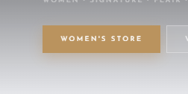 | Pass
5 | Design | increase font size of the men's and women's tabs | try at least 16px or 18px. And font weight 600 |  | Failed
6 | Code | Logo click goes to home page but not scrolled to top | scrolable | working | Pass
7 | Design | Hero image text unreadable — beige on grey background | 1. Replace all homepage hero images with new dark-background versions (as per website mockup 4 HTML). | 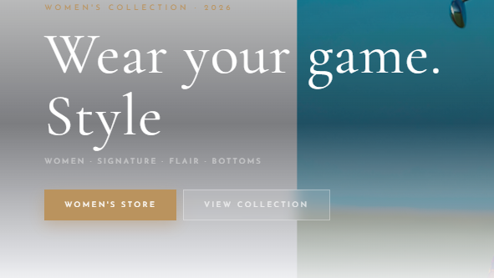 | Failed
 |  |  | 2. If images are pending from Subbu, use a temporary solid dark overlay: add background: rgba(0,0,0,0.45) as a CSS overlay div on top of the current image.
 |  |  | 3. Change all text on these images to white (color: #fff).
8 | Content | collection section missing men's/Women's/Kids labelling - random order | 1. Go to the Collection section in the code. |  | Failed
 |  |  | 2. Add a clear heading or category label above each group: "Men's Collection", "Women's Collection", "Kids' Collection".
 |  |  | 3. Sort products so Tops and Bottoms are grouped separately within each gender — do not intersperse them.
 |  |  | 4. Remove template placeholder sections called "Core Range" and "Seasonal" — delete these labels and their content blocks entirely.
9 | design | Collection image shows back of garment — should show front | 1. Find the collection listing image(s) and identify which product they belong to.2. Replace the image src with the front-facing image file for that product.3. Confirm with your image folder that you are using the correct front-view file. |  | Failed
10 | design | Golf Trouser, Men's Flair & Pro Trouser images cropped incorrectly | Locate the new image files in the "final" folder for Flair and Pro Trouser. Crop each image to show the full garment — top of waistband to hem — with balanced padding on all sides. Replace the existing src values in the product listing and product detail page. For Golf Trouser images, check if object-fit: cover is cutting them off — change to object-fit: contain or adjust the image container height. | 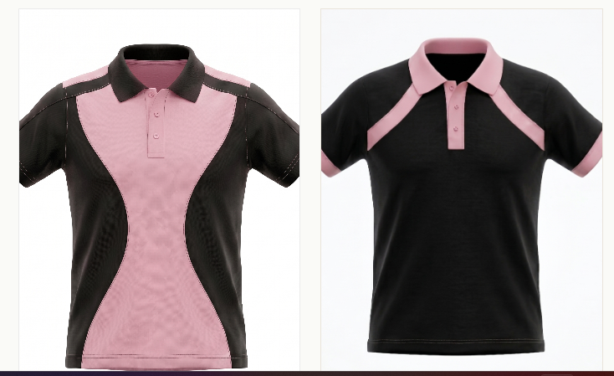 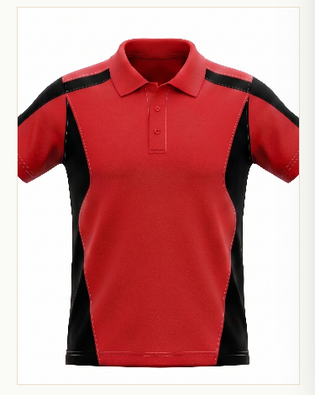 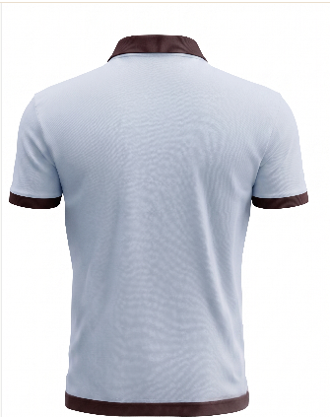 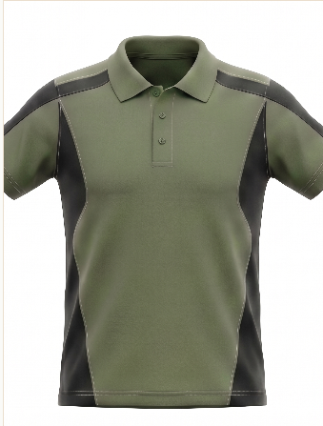
11 | UX | Product page shows only front image — add back and side views | On each product detail page, find the image display section. Add an image gallery/carousel component that holds multiple images. For each product, add the front, back, and side image files as separate slides or thumbnails. Ensure thumbnail images link to the full-size version on click. | 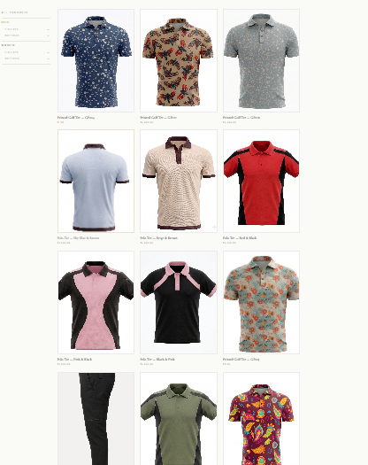 | Failed
12 | Content | Product prices are incorrect | update product prices |  | Failed
13 | Content | Style code (e.g. GP001) visible on product page — remove it | update content | 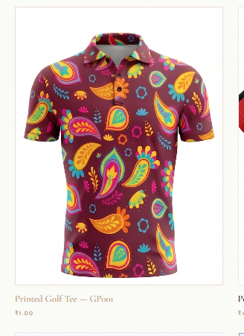
14 | Content | UV protection feature listed — remove (product has none) | Search the codebase or CMS for "UV protection" or "UV". Delete every instance from product descriptions, feature lists, and spec tables. Do the same for any icon or badge related to UV protection. |  | pass
15 | design | Product description text under images too small — enlarge | Inspect the product card text in your browser. Find the CSS class for product name / description below images. Increase font-size to at least 14px for descriptions and 16px for product titles. | 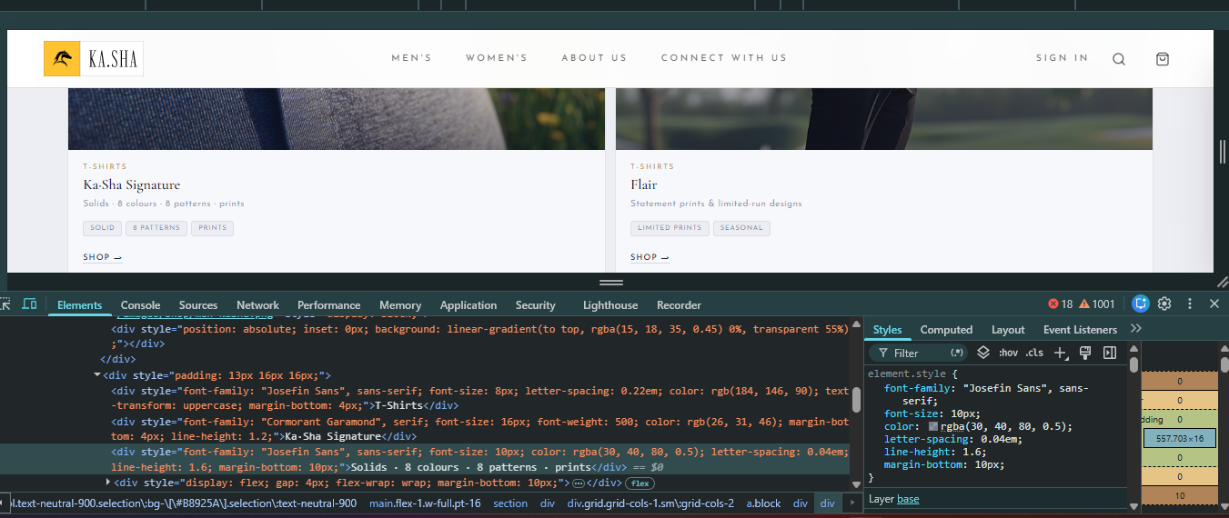 | Failed
16 | ux | Look Book — should be a mix-and-match outfit builder | Redesign the Look Book page as a two-panel outfit builder: top panel for tops, bottom panel for bottoms. Let the customer pick a top and a bottom from dropdowns or a visual grid. Display the selected top image above the selected bottom image in a single combined view. Add a "Shop this look" CTA that adds both items to cart.

