Charts
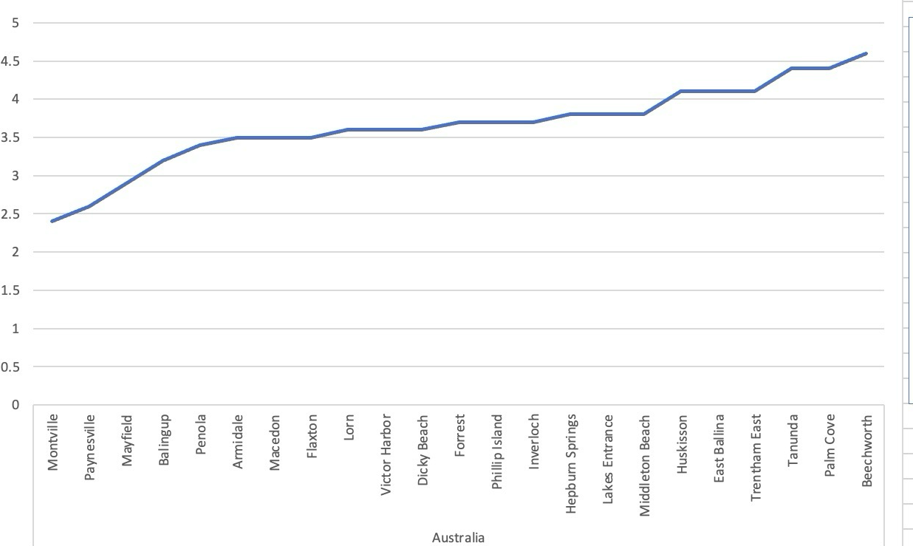
NUMBER OF RESTAURANTS/COUNTRY | AVERAGE RATING/COUNTRY |  | HAS TABLE BOOKING |  | HAS ONLINE DELIVERY

Total No. of Restaurants in each country
 | Total
India | 8652
United States of America | 434
United Kingdom | 80
Brazil | 60
South Africa | 60
United Arab Emirates | 60
New Zealand | 40
Turkey | 34
Australia | 24
Philippines | 22
Indonesia | 21
Sri Lanka | 20
Singapore | 20
Qatar | 20
Canada | 4
Average Ratings of Restaurants in each country
 | Total
Philippines | 4.4681818182
Turkey | 4.3
Indonesia | 4.2952380952
New Zealand | 4.2625
United Arab Emirates | 4.2333333333
South Africa | 4.21
United Kingdom | 4.1
Qatar | 4.06
United States of America | 4.0112903226
Sri Lanka | 3.87
Brazil | 3.8466666667
Australia | 3.6583333333
Singapore | 3.575
Canada | 3.575
India | 2.7705501618
Average Rating of restaurants having table booking
 | Total
No | 2.8096866436
Yes | 3.4825561313
Average ratings of restaurants having online delivery
 | Total
No | 2.7543098592
Yes | 3.288004896

RESTAURANTS/YEAR |  | DISTRIBUTION PER PRICE RANGE |  | AVERAGE VOTES/COUNTRY
 |  |  |  |  | Average cost in selected countries

Total No. of Restaurants in each Year
 | Total
2010 | 1080
2011 | 1098
2012 | 1022
2013 | 1061
2014 | 1051
2015 | 1024
2016 | 1027
2017 | 1086
2018 | 1102
No. of Restaurants of different price ranges
 | Total
1 | 46.53%
2 | 32.59%
3 | 14.74%
4 | 6.14%
Average votes per Country
 | Total
Indonesia | 772.0952381
United Arab Emirates | 493.51666667
Turkey | 431.47058824
United States of America | 428.22119816
Philippines | 407.40909091
South Africa | 315.16666667
New Zealand | 243.025
United Kingdom | 205.4875
Qatar | 163.8
Sri Lanka | 146.45
India | 137.21255201
Australia | 111.41666667
Canada | 103
Singapore | 31.9
Brazil | 19.616666667
Average cost in selected countries
 | Singapore | South Africa | Sri Lanka | Turkey | United Arab Emirates
223.75 | 155.75 | 419.73333333 | 2375 | 84.852941176 | 166.41666667

Top 10 Cuisines in the world based on Rating
 | Ratings
Sunda | 4.9
Scottish | 4.7
Cajun | 4.7
Taiwanese | 4.65
Filipino | 4.6166666667
Persian | 4.6
Ramen | 4.6
World Cuisine | 4.5
Argentine | 4.5
Hawaiian | 4.48
Expenditure analysis for Top 10 Cuisines in the world
 | Cost in USD
Sunda | 12.2
Scottish | 57.15
Cajun | 35
Taiwanese | 1.05
Filipino | 14.166666667
Persian | 15
Ramen | 42.8
World Cuisine | 3.35
Argentine | 80
Hawaiian | 53

DashBoard
DATA ANALYSIS PROJECT

Total Restaurants
9551
Total Countries
15
Total Cities
141
Total Cuisines
119

9551 | 0 | 1825 | 141

Total No. of Restaurants in each country
 | Total
India | 8652
United States of America | 434
United Kingdom | 80
Brazil | 60
South Africa | 60
United Arab Emirates | 60
New Zealand | 40
Turkey | 34
Australia | 24
Philippines | 22
Indonesia | 21
Sri Lanka | 20
Singapore | 20
Qatar | 20
Canada | 4
Total No. of Restaurants in each Year
 | Total
2010 | 1080
2011 | 1098
2012 | 1022
2013 | 1061
2014 | 1051
2015 | 1024
2016 | 1027
2017 | 1086
2018 | 1102

Average votes per Country
 | Total
Indonesia | 772.0952381
United Arab Emirates | 493.51666667
Turkey | 431.47058824
United States of America | 428.22119816
Philippines | 407.40909091
South Africa | 315.16666667
New Zealand | 243.025
United Kingdom | 205.4875
Qatar | 163.8
Sri Lanka | 146.45
India | 137.21255201
Australia | 111.41666667
Canada | 103
Singapore | 31.9
Brazil | 19.616666667
Average Ratings of Restaurants in each country
 | Total
Philippines | 4.4681818182
Turkey | 4.3
Indonesia | 4.2952380952
New Zealand | 4.2625
United Arab Emirates | 4.2333333333
South Africa | 4.21
United Kingdom | 4.1
Qatar | 4.06
United States of America | 4.0112903226
Sri Lanka | 3.87
Brazil | 3.8466666667
Australia | 3.6583333333
Singapore | 3.575
Canada | 3.575
India | 2.7705501618

No. of Restaurants of different price ranges
 | Total
1 | 46.53%
2 | 32.59%
3 | 14.74%
4 | 6.14%
Average Rating of restaurants having table booking
 | Total
No | 2.8096866436
Yes | 3.4825561313
Average ratings of restaurants having online delivery
 | Total
No | 2.7543098592
Yes | 3.288004896

Top 10 Cuisines in the world based on Rating
 | Ratings
Sunda | 4.9
Scottish | 4.7
Cajun | 4.7
Taiwanese | 4.65
Filipino | 4.6166666667
Persian | 4.6
Ramen | 4.6
World Cuisine | 4.5
Argentine | 4.5
Hawaiian | 4.48
Expenditure analysis for Top 10 Cuisines in the world
 | Cost in USD
Sunda | 12.2
Scottish | 57.15
Cajun | 35
Taiwanese | 1.05
Filipino | 14.166666667
Persian | 15
Ramen | 42.8
World Cuisine | 3.35
Argentine | 80
Hawaiian | 53
Average cost in selected countries
 | Singapore | South Africa | Sri Lanka | Turkey | United Arab Emirates
223.75 | 155.75 | 419.73333333 | 2375 | 84.852941176 | 166.41666667

