Sayfa1
TestID | Test case category | Description /Summary | Environment | Steps | Test data | Expected result | Actual Result | Test Result
İbrahimFigen | Positive test case | The user can select the desired headset and come to the payment page. | https://www.mediamarkt.com.tr/ | 1. Navigate to MediaMarkt | https://www.mediamarkt.com.tr/ | The MediaMarkt page should open | successful | PASSED
 |  |  |  | 2.Verify that you are on the home page |  | The user must be verified to be on the homepage | successful
 |  |  |  | 3.Type the product in the search box and click enter |  | The user should be able to search with the search box | successful
 |  |  |  | 4.Click on the random product |  | The user should be able to choose a random product. | successful
 |  |  |  | 5.Click add to cart |  | The user should be able to click add to cart | successful
 |  |  |  | 6.Click on the additional insurance |  | User should be able to click on additional insurance | successful
 |  |  |  | 7.Add to cart and click continue |  | User should be able to click add to cart and continue | successful
 |  |  |  | 8.Click on the go to cart |  | User should be able to click go to cart | successful
 |  |  |  | 9.Click on the continue |  | User should be able to click continue | successful
 |  |  |  | 10.Click on the continue without registration |  | User should be able to click continue without registration | successful
 |  |  |  | 11.Fill in the address form and save |  | User should be able to fill and save the Address form | successful
 |  |  |  | 12.Click on the continue |  | User should be able to click continue | successful

 |  |  |  | Cucumber type test case
 |  |  |  | Gherkin language
 |  |  |  | Given Navigate to MediaMarkt
 |  |  |  | When Verify that you are on the home page
 |  |  |  | And Type the product in the search box and click enter
 |  |  |  | And Click on the random product
 |  |  |  | And Click add to cart
 |  |  |  | And Click on the additional insurance
 |  |  |  | And Add to cart and click continue
 |  |  |  | And Click on the go to cart
 |  |  |  | And Click on the continue
 |  |  |  | And Click on the continue without registration
 |  |  |  | And Fill in the address form and save
 |  |  |  | And Click on the continue

OmerAvci | Positive test case | Kendi testinizin açıklaması | https://www.mediamarkt.com.tr/ |  | https://www.mediamarkt.com.tr/

TestID | Test case category | Description /Summary | Environment | Steps | Test data | Expected result | Actual Result | Test Result
Hakan Tasdelen | Positive Test Case | The user should be able to download the latest issue of the magazine from the website with a single click. | https://www.mediamarkt.com.tr/ | 1. Navigate to MediaMarkt | https://www.mediamarkt.com.tr/ | The MediaMarkt page should be open | successful | PASSED
 |  |  |  | 2.Verify that you are on the home page |  | The user must be verified to be on the homepage | successful
 |  |  |  | 3. Go (scroll) to bottom of page |  | The user should be able to go to bottom of page | successful
 |  |  |  | 4. Click on the icon |  | The user should be click on the Media Trend icon | successful
 |  |  |  | 5. Assert to opened window |  | The user should be able to verify that the window contains a download link | successful
 |  |  |  | 6. Download the magazine to your local |  | The user can be download the magazine to own local | successful

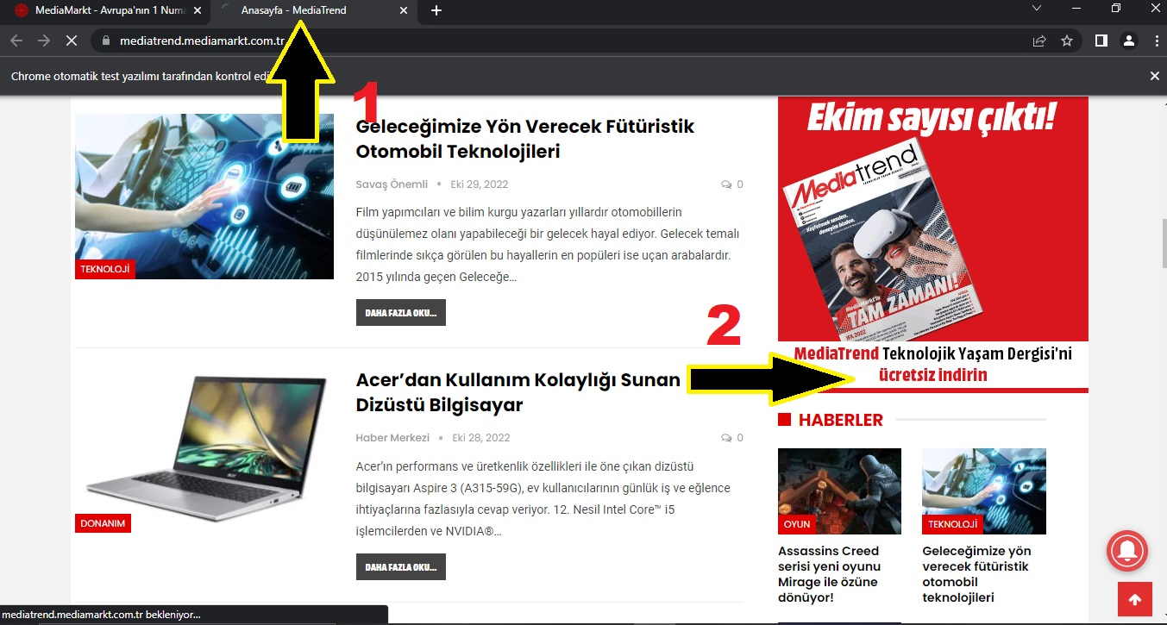
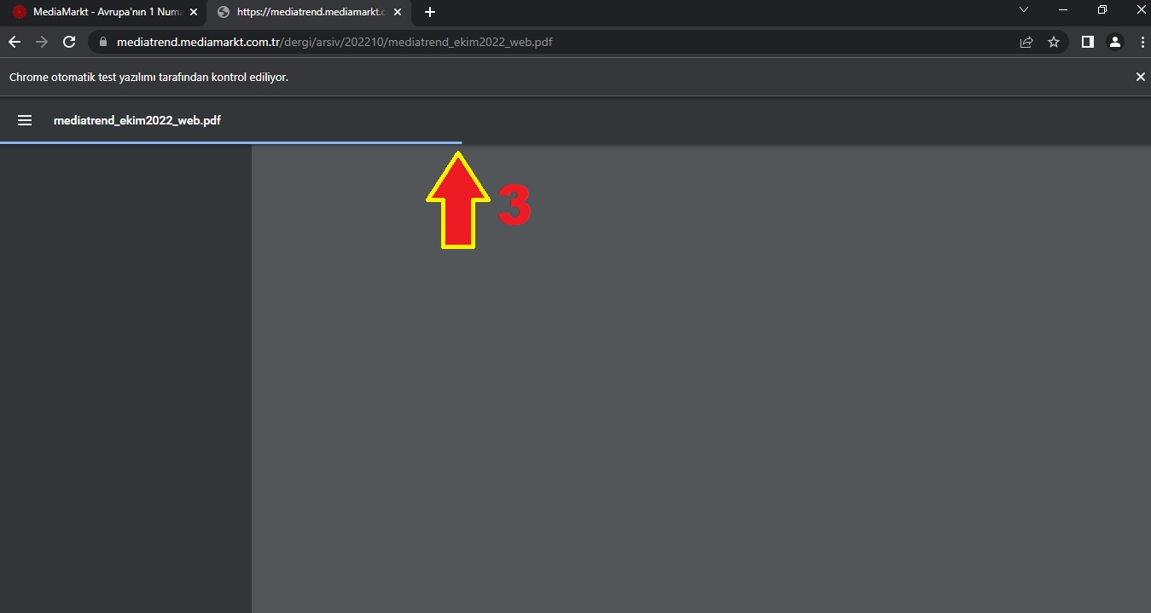
 |  |  |  | Cucumber type test case
 |  |  |  | Given Navigate to MediaMarkt
 |  |  |  | When Verify that you are on the home page
 |  |  |  | And Click the media trend
 |  |  |  | Then Click the download media trend magazine and assert it

OrcunIlgen | Positive Test Case | Kendi testinizin açıklaması | https://www.mediamarkt.com.tr/ |  | https://www.mediamarkt.com.tr/

Muharrem Karapazar | Positive Test Case | User can make stock inquiry with product number | https://www.mediamarkt.com.tr/ | 1. Navigate to MediaMarkt | https://www.mediamarkt.com.tr/ | The MediaMarkt page should open | successful | PASSED
 |  |  |  | 2. Verify that you are on the home page |  | The user must be verified to be on the homepage | successful
 |  |  |  | 3. Click on Personal Care products |  | User must be able to click on personal care products | successful
 |  |  |  | 4. Click on Male Grooming products |  | User should be able to click on male grooming products | successful
 |  |  |  | 5. Sort products from most expensive to least expensive |  | The user should be able to rank the products from the most expensive to the least expensive. | successful
 |  |  |  | 6. Choose the most expensive product |  | User should be able to choose the most expensive product | successful
 |  |  |  | 7. Get Item No (serial number) |  | The product must have an item number | successful
 |  |  |  | 8. Click on Stock Inquiry Button |  | The user should be able to click on the stock inquiry button | successful
 |  |  |  | 9. Make a stock inquiry of the product |  | The user should be able to make stock inquiries | successful
 |  |  |  | 10. Stock information |  | User should be able to see stock information | successful

 |  |  |  | Cucumber type test case
 |  |  |  | Gherkin language
 |  |  |  | Given Navigate to MediaMarkt
 |  |  |  | When Verify that you are on the home page
 |  |  |  | Given Click on Personal Care products
 |  |  |  | And Click on Male Grooming products
 |  |  |  | And Sort products from most expensive to least expensive
 |  |  |  | And Choose the most expensive product
 |  |  |  | And Get Item No (serial number)
 |  |  |  | And Click on Stock Inquiry Button
 |  |  |  | And Make a stock inquiry of the product
 |  |  |  | And Stock information

kendi nameniz | Positive Test Case | Kendi testinizin açıklaması | https://www.mediamarkt.com.tr/ |  | https://www.mediamarkt.com.tr/

