Summary
Category | Count
Passed | 1
Failed | 2
Skipped | 0
Total | 3
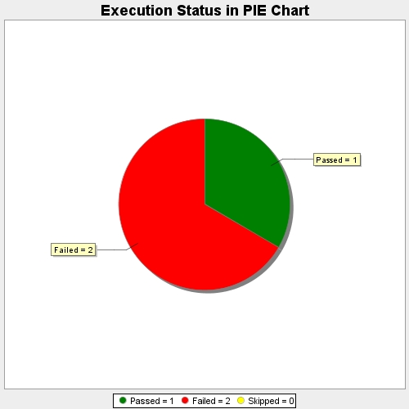
Start Time | 2019-12-17T11:37:19Z
End Time | 2019-12-17T11:43:37Z
Duration | 378233 ms

