Summary
Category | Count
Passed | 2
Failed | 1
Skipped | 0
Total | 3
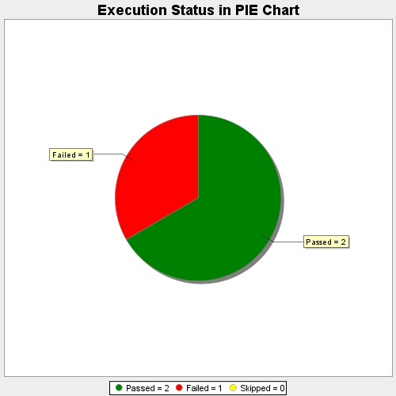
Start Time | 2019-12-17T10:44:41Z
End Time | 2019-12-17T10:49:29Z
Duration | 288221 ms

