Tracking
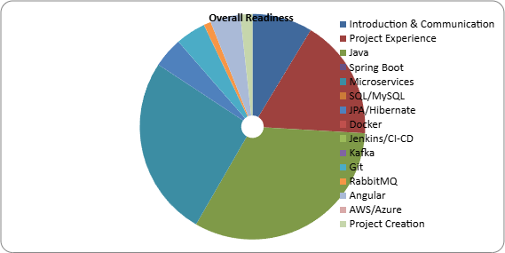
Section | Weightage | Theory | Theory % | Practical | Practical % | Overall % | Notes
Introduction & Communication | 10% | COMPLETED | 0% | TODO | 0% | 0% | Need more practice
Project Experience | 20% | TODO | 0% | COMPLETED | 100% | 50% | Improve architecture explanation
Java | 30% | TODO | 25% | COMPLETED | 100% | 63% | Collections pending
Spring Boot | 20% | TODO | 0% | IN_PROGRESS | 0% | 0% | Need more practice
Microservices | 15% | COMPLETED | 0% | COMPLETED | 100% | 50% | Improve architecture explanation
SQL/MySQL | 10% | TODO | 0% | TODO | 0% | 0% | Collections pending
JPA/Hibernate | 10% | TODO | 0% | TODO | 0% | 0% | Need more practice
Docker | 5% | TODO | 0% | TODO | 0% | 0% | Improve architecture explanation
Jenkins/CI-CD | 5% | TODO | 0% | TODO | 0% | 0% | Collections pending
Kafka | 5% | TODO | 0% | TODO | 0% | 0% | Need more practice
Git | 5% | TODO | 0% | COMPLETED | 100% | 50% | Improve architecture explanation
RabbitMQ | 3% | TODO | 0% | IN_PROGRESS | 40% | 20% | Collections pending
Angular | 5% | TODO | 0% | COMPLETED | 100% | 50% | Improve architecture explanation
AWS/Azure | 3% | TODO | 0% | TODO | 0% | 0% | Collections pending
Project Creation | 2% | TODO | 0% | COMPLETED | 100% | 50% | Need Complete 3 Project

Overall Readiness % | 57.85
Target | 100

