Sheet1
 | Sim: |  | 4 |  |  | GRADING RUBRIC AND FEEDBACK FORM

 | PROGRAMMER SECRET ID: |  |  |  |  | 773018 |  | GRADER SECRET ID: | 355444

 |  |  | Grading annotation is REQUIRED where lines are provided

 | Programmer Self-Grade Column | Grader Column
 |  |  | Read this before grading
 |  |  | All grading must be supported by clear, factual evidence, meaning you MUST use at least one of the following strategies:
 |  |  |  | - Identify line numbers of graded items, then reference these from the grading text
 |  |  |  | - Embed screen shots, then reference these from the grading text
 |  |  | You must also identify SPECIFIC function names and/or code snippets of items upon which you based your grading
 |  |  | You must also fill out AT LEAST the four lines of commentary under each grading segment; you are invited to insert new lines but the minimum is four

 |  |  | Clear Evidence of PA04 Components
 |  |  | If there is no evidence of an attempt to implement any of the PA04 requirements,
 |  |  | the grade for the programming part of this rubric will be zero.
 |  |  | In other words, if the grader cannot find code to review for at least one
 |  |  | of the following grading components, the grader must leave the Grader Column completely empty
 |  |  | Note that there must be attempts at code implementation;
 |  |  | comments do not qualify for this part
 |  |  | Code must show at least one of the following items (place an 'X' beside each item found):
 | X | X |  | Code must CLEARLY show new code (comments are not considered) for scheduling FCFS-P, SRTF-P, RR-P
 | X | X |  | Code must CLEARLY show the use of some kind of interrupt manager process
 | X | X |  | Code must CLEARLY show new code (comments are not considered) for CPU running with the quantum time, total process time, and potential interrupt constraints

 |  |  | Quality Development and Building Process
 |  |  |  | Enter grade as positive number

 | 2 | 2 | /2 | Correct file format
 | 2 | 2 | /2 | Correctly extracts
 | 2 | 2 | /2 | makes (builds to executable) without any corrections or adjustments
 | 2 | 2 | /2 | no unnecessary files (object files, config or meta-data files, etc.)
 | 2 | 2 | /2 | no unused library files or other files
 | Subtotal: | 10 | 10

 |  |  |  | Comments (add lines as needed):
 |  |  |  | This project was able to extract just fine, contained all proper file formats and builds to an executable.
 |  |  |  | There were some warnings that popped up upon compilation. There are no unnecessary files or
 |  |  |  | unused libraries in the code.

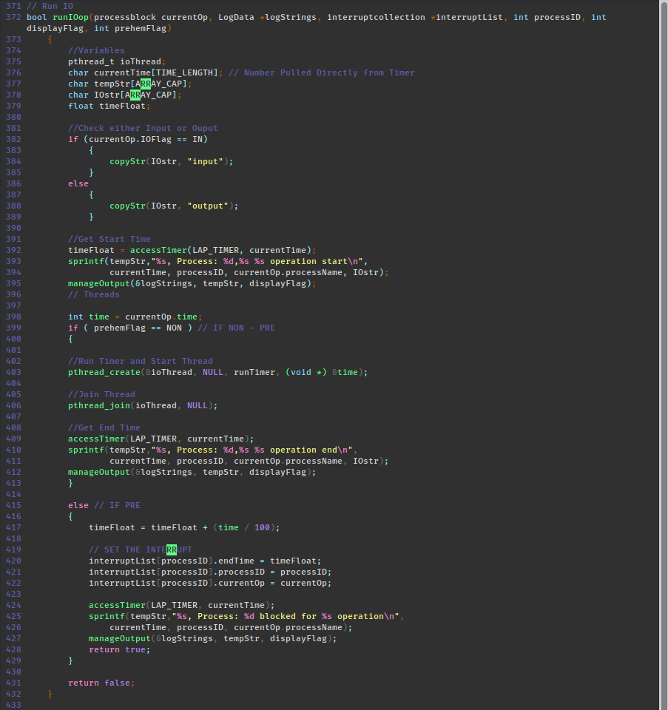
 |  |  | Program Source Code Easily Readable & Understandable
 |  |  |  | use Programming Standards Guide as a reference
 |  |  |  | Enter grade as positive number
 |  |  |  | Note: Do not increase or reduce credit for commenting unless use of comments directly takes away from program readability

 | 30 | 40 | /40 | Standards:
 | Subtotal: | 40 | 40 | < 5 pts: Difficult or impossible to read or understand, poor indenting and program structure
 |  |  |  | < 10 pts: Some parts difficult to read or have poor structure, but some program parts are clear
 |  |  |  | < 30 pts: Some parts difficult to read or have poor structure, but overall program process is clear
 |  |  |  | < 40 pts: Program is written and structured clearly, all parts are quickly and easily understood

 |  |  |  | Comments (add lines as needed):
 |  |  |  | I had given you a 40/40 on the readability of this code because it is very easy to see what you are
 |  |  |  | trying to do. There are comments and self documenting pieces of logic that make it easy for me to
 |  |  |  | understand. The only thing that makes this harder to read is Leveringtons enforcement of spinning
 |  |  |  | up new enums/macros for everything. Overall this was very easy to follow!

 |  |  | Quality Program Development
 |  |  |  | Enter grade as positive number

 | 4 | 5 | /5 | Program and code are structured well;
 | 4 | 5 | /5 | Functions are appropriately used to support program modularity
 | 5 | 5 | /5 | PCB structure is clear and easily accessed
 | 4 | 5 | /5 | Code is efficient and is not repeated unnecessarily (i.e., very little or no duplicated code)
 | 5 | 5 | /5 | It is clear which file a given support function will be found in
 | Subtotal: | 25 | 25
 |  |  |  | Comments (add lines as needed):
 |  |  |  | As I had said above about the readability of the project, your code is easy to follow. We have been
 |  |  |  | doing this sims and writing C the past 14 weeks, this code is easy to follow and understand if you
 |  |  |  | step through the function calls, see how things are populated just like with any program.

 | 5 |  | /5 | each new process start includes the time remaining for the given process
 | 5 |  | /5 | program appropriately displays the simulator actions (only if set to MONITOR or BOTH)
 | 5 |  | /5 | program stores all simulator actions to a logfile AFTER the simulation has completed
 | Subtotal: | 0 | 15
 |  |  |  | Comments (add lines as needed):

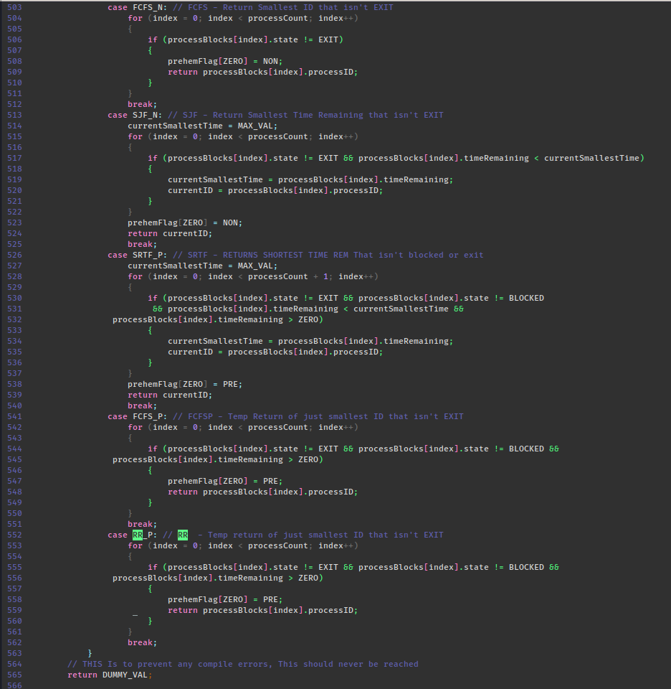
 | 5 | 10 | /10 | clear evidence of FCFS-N scheduling
 | 5 | 10 | /10 | clear evidence of SRTF-P (and SJF-N) scheduling
 | 5 | 10 | /10 | clear evidence of FCFS-P scheduling
 | 3 | 10 | /10 | clear evidence of RR-P scheduling
 | 5 | 10 | /10 | does not duplicate code by running different scheduling simulations (e.g., FCFS-N, SJF-N, RR-P, etc.) in separate functions
 | Subtotal: | 50 | 50
 |  |  |  | Comments (add lines as needed):
 |  |  |  | I had given you a 50/50 on this section because there is very clear evidence at attempts for
 |  |  |  | the given scheduling algorithms. This section doesn’t grade on if they worked but rather they were
 |  |  |  | clearly attempted and is evidence of it. You made this very easy to find with some simple grepping
 |  |  |  | through your code.

 | 10 |  | /10 | clear evidence of an interrupt manager that conducts the following operations
 | 10 |  | /10 | clear evidence of concurrent OS operations with I/O operations interrupting at the correct time
 | 7 |  | /10 | clear evidence of interrupt actions being queued and posted at the point of resolving interrupts
 | Subtotal: | 0 | 30
 |  |  |  | Comments (add lines as needed):

 |  |  | /20 | clear evidence and correct management of thread use for I/O operations (extra credit)
 | 15 |  | /20 | clear evidence and correct management of memory operations (extra credit)
 | Subtotal: | 0 | 0
 |  |  |  | Comments (add lines as needed):
 |  |  |  | Memory when using non-preemptive codes works just like how sim03 required. When using
 |  |  |  | preemptive codes the simulator is able to return memory

 |  |  | Simulator Operation
 |  |  |  | Enter grade as positive number
 |  |  |  | No credit for this part if code cannot be compiled and/or run
 | 15 |  | /15 | Program runs correctly with "Log To:" set to MONITOR, FILE, or BOTH with one meta-data file
 | 5 |  | /5 | Program runs correctly with FCFS-N scheduling
 | 5 |  | /5 | Program runs correctly with SJF-N scheduling
 | 5 |  | /5 | Program runs correctly with FCFS-P scheduling
 | 5 |  | /5 | Program runs correctly with SRTF-P scheduling
 | 3 |  | /5 | Program runs correctly with RR-P scheduling
 | Subtotal: | 0 | 40

 |  |  | Grade Reductions
 |  |  |  | Each reduction is on a per occasion case (i.e., five single-letter variables is -5)
 |  |  |  | Enter grade as negative number

 |  |  | -1/ | single-letter or non-self-documenting variable
 |  |  | -1/ | missing or non-aligned curly braces
 |  |  | -1/ | redundant Boolean test
 |  |  | -2/ | second, or subsequent, if statement that should logically be else
 |  |  | -2/ | data/state change in parameter lists or array brackets
 |  |  | -2/ | declaration of variable within a loop (including for(---)
 |  |  | -2/ | use of if/else in place of Boolean return statement
 |  |  | -2/ | code on same line as curly brace, other than data type creation
 |  |  | -2/ | use of numbers where Boolean or Constant should be used
 |  |  | -2/ | use of numerical literals in parameter lists or array brackets
 |  |  | -2/ | use of break anywhere but in a switch statement
 |  |  | -3/ | use of return without return value
 |  |  | -3/ | use of continue or goto anywhere
 |  |  | -3/ | use of global variables anywhere
 |  |  | -3/ | I/O operations in a function not specified for I/O
 |  |  | -3/ | use of functions in parameter lists or array brackets
 |  |  | -3/ | use of empty if or else statement blocks
 |  |  | -3/ | use of tabs that causes difficulty reading code
 | Subtotal: | 0 | 0

 |  |  | Valgrind memory test
 |  |  |  | Enter grade as negative number

 |  |  |  | Credit reduction of -1 (up to -10 points) for "definitely lost" memory blocks
 | Subtotal: | 0 | 0 |  | - Note: No other Valgrind errors are considered

 |  |  | Assignment Specification or Constraint Not Met

 |  | 0 | 0 | Failed to include grading spreadsheet in tar/gz file (-10)
 |  | 0 | 0 | Incorrect file name (-10)
 |  | 0 | 0 | Incorrect file compression (-10)
 |  | 0 | 0 | Outputs to file during simulator operation (-10)
 |  | 0 | 0 | Use of any str- or other disallowed utilities (-15% of raw subtotal)
 |  | 0 | 0 | Use of any other disallowed functions or tools (-15% of raw subtotal)
 |  | 0 | 0 | Other evidence of specification or constraint not met (TBD-Contact Michael)
 | Subtotal: | 0 | 0

 | Instructor Grade Management - No student input below this line

 | Raw Subtotal |  |  |  | 125 | / | 210
 | Normalized |  |  |  | 60 | / | 100
 |  |  |  |  |  |  |  | Not turned in: 0 and 50% reduction of grade
 |  |  | /25 |  | Grader Score |  |  | Poor grading, minimal comments: 0 and 25% reduction of grade

1 | Total Score: |  |  |  | 60 | / | 125

