Sheet1
 | Sim: |  | 2 |  |  | GRADING RUBRIC AND FEEDBACK FORM

 | PROGRAMMER SECRET ID: |  |  |  |  | 450622 |  | GRADER SECRET ID: | 355444

 |  |  | Grading annotation is REQUIRED where lines are provided - At least all four lines must be filled in with empirical evidence

 | Programmer Self-Grade Column | Grader Column
 |  |  | Read this before grading
 |  |  | All grading must be supported by clear, factual evidence, meaning you MUST use at least one of the following strategies:
 |  |  |  | - Identify line numbers of graded items, then reference these from the grading text
 |  |  |  | - Embed screen shots, then reference these from the grading text
 |  |  | You must also identify SPECIFIC function names and/or code snippets of items upon which you based your grading
 |  |  | You must also fill out AT LEAST the four lines of commentary under each grading segment; you are invited to insert new lines but the minimum is four

 |  |  | Clear Evidence of PA02 Components
 |  |  | If there is no evidence of an attempt to implement any of the PA02 requirements,
 |  |  | the grade for the programming part of this rubric will be zero.
 |  |  | Code must show at least one of the following items (place an 'X' beside each item found):
 | x | x |  | Code must CLEARLY show uncommented code for PCB use in process operations
 | x | x |  | Code must CLEARLY show the use of threads for I/O operations
 | x | x |  | Code must CLEARLY show uncommented code for processing all of the op code actions

 |  |  | Quality Development and Building Process
 |  |  |  | Enter grade as positive number

 | 2 | 2 | /2 | Correct file format
 | 2 | 2 | /2 | Correctly extracts
 | 2 | 2 | /2 | makes (builds to executable) without any corrections or adjustments
 | 2 | 2 | /2 | no unnecessary files (object files, config or meta-data files, etc.)
 | 2 | 2 | /2 | no unused library files or other files
 | Subtotal: | 10 | 10
 |  |  |  | Comments (add lines as needed):
 |  |  |  | The file format is correct, extracted without errors, compiled into an executable binary,
 |  |  |  | and includes only necessary files without any unused libraries or extras. The author made sure
 |  |  |  | not to include extra test config and metadata files for working with the sim.

 |  |  | Program Source Code Easily Readable & Understandable
 |  |  |  | use Programming Standards Guide as a reference
 |  |  |  | Enter grade as positive number
 |  |  |  | Note: Do not increase or reduce credit for commenting unless use (or lack) of comments
 |  |  |  |  | directly takes away from program readability

 | 35 | 40 | /40 | Standards:
 | Subtotal: | 40 | 40 | < 5 pts: Difficult or impossible to read or understand, poor indenting and program structure
 |  |  |  | < 10 pts: Some parts difficult to read or have poor structure, but some program parts are clear
 |  |  |  | < 30 pts: Some parts difficult to read or have poor structure, but overall program process is clear |  |  |  |  |  | Example of the students code and its structure, look, readibility.
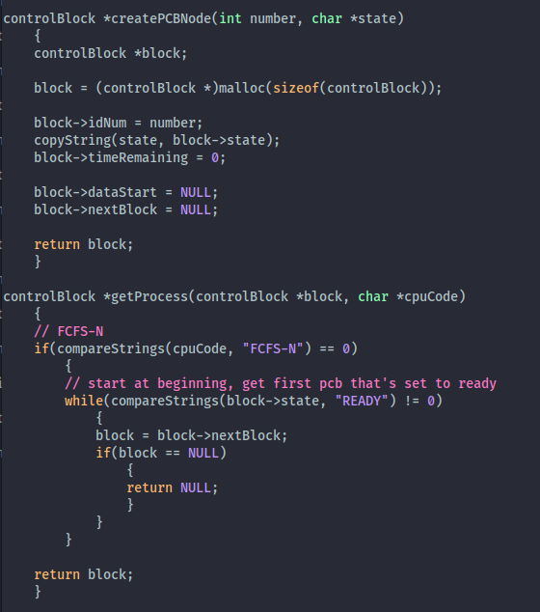
 |  |  |  | < 40 pts: Program is written and structured clearly, all parts are quickly and easily understood

 |  |  |  | Comments (add lines as needed):
 |  |  |  | The code is readable and very clear to understand. The comments added do not take away
 |  |  |  | from the readability of the overall program and all variables, functions, logic is self-documenting.
 |  |  |  | The author did a great job of “keeping things short”, using a modular approach, short functions
 |  |  |  | and easily traceable program logic.

 |  |  | Quality Program Development
 |  |  |  | Enter grade as positive number

 |  | 5 | /5 | Program and code are structured well
 |  | 5 | /5 | Functions are appropriately used to support program modularity
 |  | 5 | /5 | Code is efficient and is not repeated unnecessarily (i.e., very little or no duplicated code)
 |  | 5 | /5 | It is clear which file a given support function will be found in
 | Subtotal: | 20 | 20
 |  |  |  | Comments (add lines as needed):
 |  |  |  | The student did a great job writing clean and self documenting code. None of the code is
 |  |  |  | duplicated and is all implemented in a modular fashion. It is clear all work is done in the
 |  |  |  | appropriate file (simulator.c). There is not much else to be said on the looks of it.

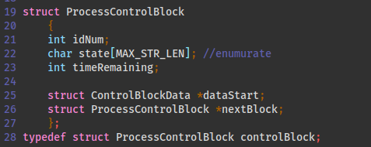
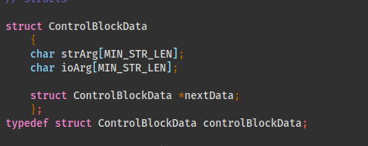
 |  |  | Creation and appropriate use of a PCB (Code reading only)
 |  |  |  | Enter grade as positive number
 | 5 | 5 | /5 | The PCB is created as its own unique structure
 | 5 | 5 | /5 | One PCB is implemented and used for each process
 | 5 | 5 | /5 | Every PCB contains at least a process ID value, although it is expected that it will hold other values
 |  | 15 | 15
 |  |  |  | Comments (add lines as needed):
 |  |  |  | The students code obviously implements a unique structure of PCBs as well as a unique
 |  |  |  | structure for containing PCB related data. Each process has its own unique PCB and the PCB
 |  |  |  | contains a unique PID. Lines 10-28 of simulator.h show how the structure for the PCB and its
 |  |  |  | relevant data.

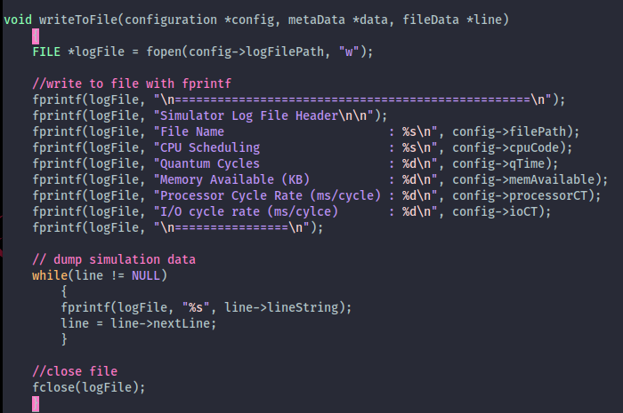
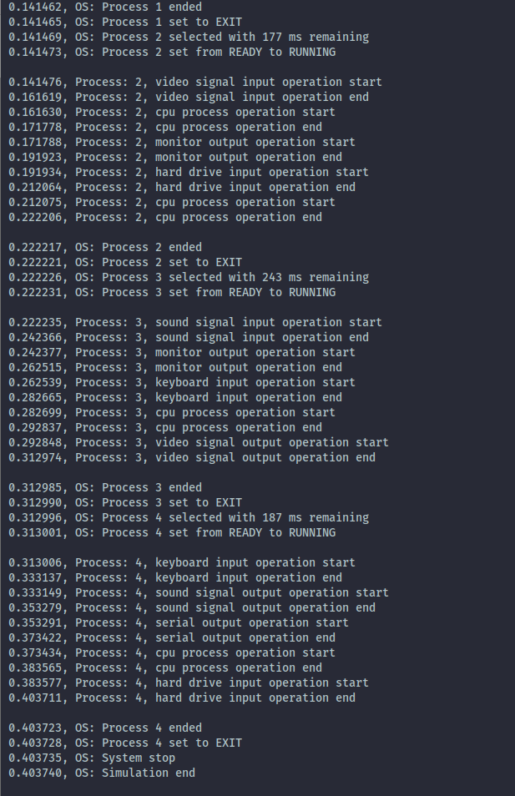
 |  |  | Program management, prior to running program (Code reading only)
 |  |  |  | Enter grade as positive number
 | 5 | 5 | /5 | Program is capable of managing any number of processes, each with any number of op codes
 | 5 | 5 | /5 | Program is capable of displaying solely to monitor, outputting solely to a file, or to both
 | 5 | 5 | /5 | Program displays specified message if outputting solely to a file
 | 5 | 5 | /5 | Program is capable of conducting FCFS operations
 | 5 | 5 | /5 | Program is capable of showing the four possible states, including changes
 | 5 | 5 | /5 | Program shows appropriate times as demonstrated in the example displays
 | 5 | 5 | /5 | Program is capable of displaying beginning and end of all I/O operations
 | Subtotal: | 35 | 35
 |  |  |  | Comments (add lines as needed):
 |  |  |  | The students program is capable of managing any number of processes. The students
 |  |  |  | sim is also able to output to a file, console, or both as specified in the config.cnf file. This sim
 |  |  |  | is also able to handle FCFS operations as specified in the config.cnf file. This program is able to
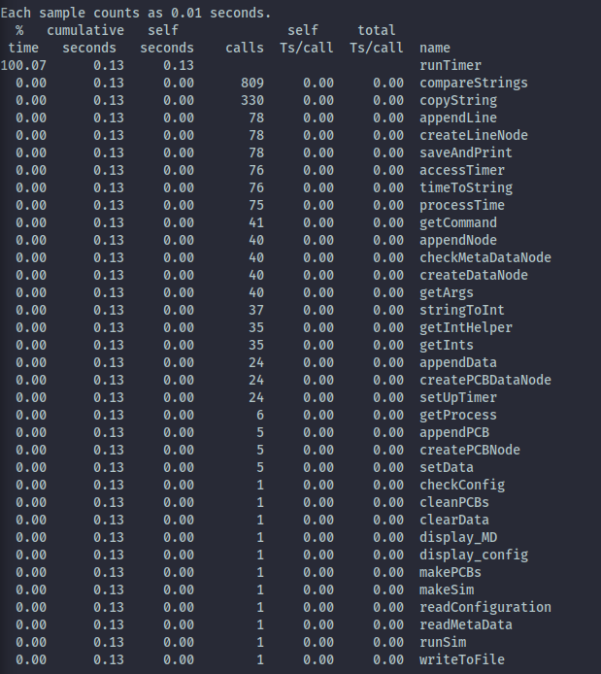
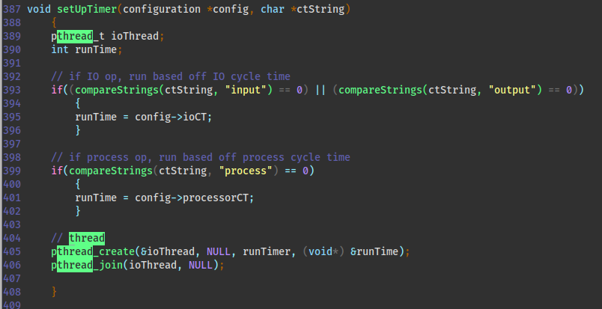
 |  |  |  | show 4 states of change, showing appropriate times and displaying at the end of all IO ops.

 |  |  | Correct use of threads for I/O operations; use of threads for run operations is optional (Code reading only)
 |  |  |  | No credit for this part if threads are not used and/or if sleep, usleep, nanosleep, etc. are used
 |  |  |  | Enter grade as positive number

 | 5 | 5 | /5 | Clear and correct implementation of a timer function
 | 5 | 5 | /5 | Clear and correct call to thread for all I/O operations
 | 5 | 5 | /5 | Clear and correct call to thread join operation
 | Subtotal: | 15 | 15
 |  |  |  | Comments (add lines as needed):
 |  |  |  | The student implemented the given timer function properly as their logging messages display
 |  |  |  | the correct timestamps meaning they appear to add to up the correct times. The implementation
 |  |  |  | of threading for I/O operations is implemented clearly, easy to read, and appears to be working
 |  |  |  | The runTimer function called from the setUpTimer (simulator.c line 387) thread wrapper function makes
 |  |  |  | 809 function calls for IO operations in fractions of a second.This is a bit odd to run this quickly
 |  |  |  | but the timestamps appear to add up to the correct time of a process. (screenshot on this below)
 |  |  | Correct running operations
 |  |  |  | No credit for this part if code cannot be compiled and/or run
 |  |  |  | Enter grade as positive number

 | 5 | 5 | /5 |  | one test with three processes, output to display
 | 5 | 5 | /5 |  | one test with six processes, output to file
 | 5 | 5 | /5 |  | one test with twelve processes, output to both
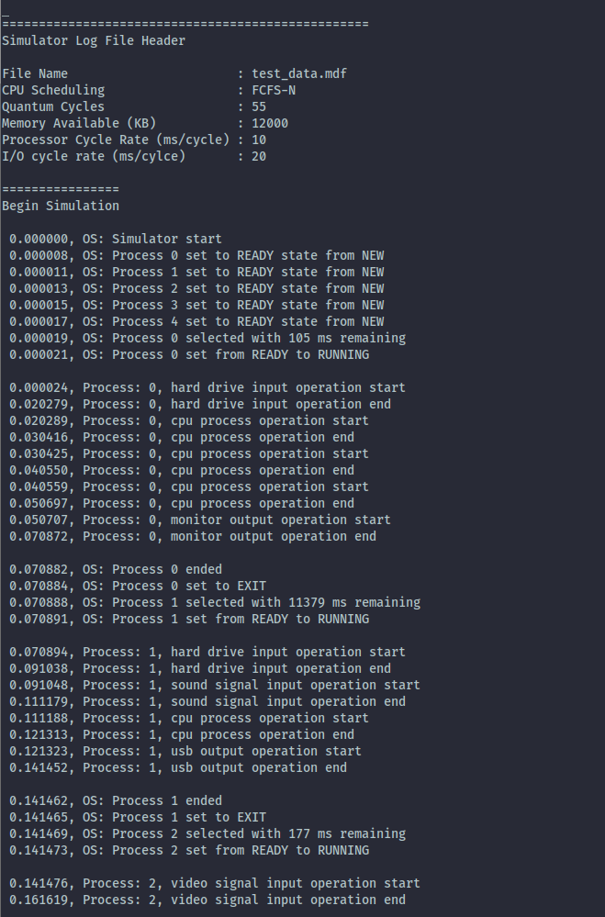
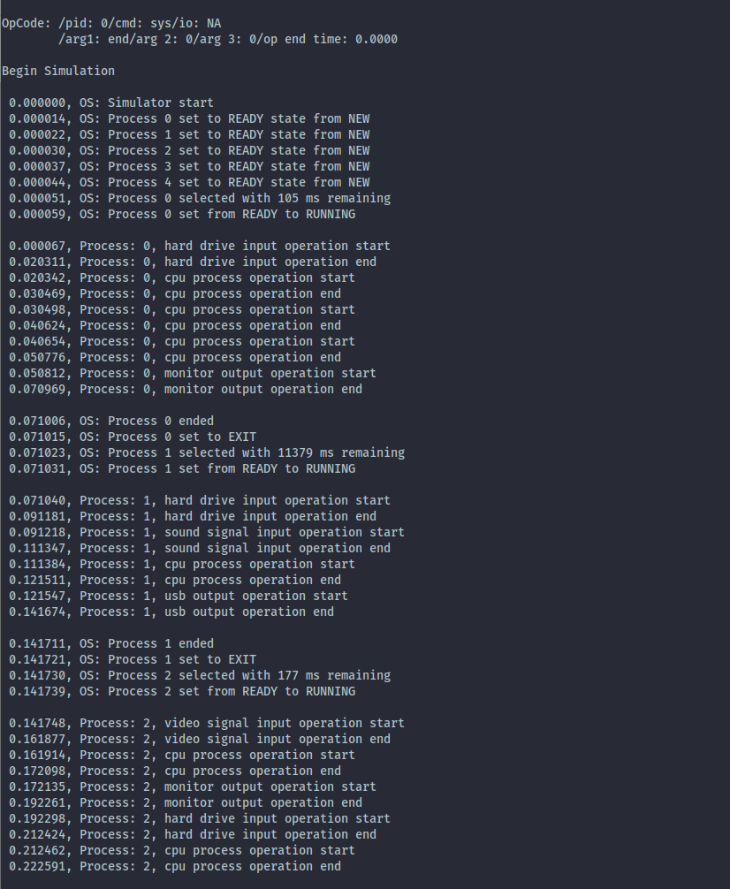
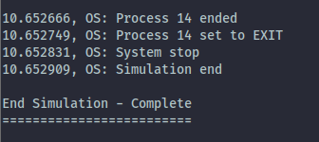
 | Subtotal: | 15 | 15

 |  |  |  | The author did a great job of implementing a way to log to a file, console, and both. The logfile
 |  |  |  | is populated with the correct log header and config display information, when outputting to
 |  |  |  | console the data is clear and identical to the data in the logfile. Program performs great with
 |  |  |  | 3, 6, 12 or more processes.

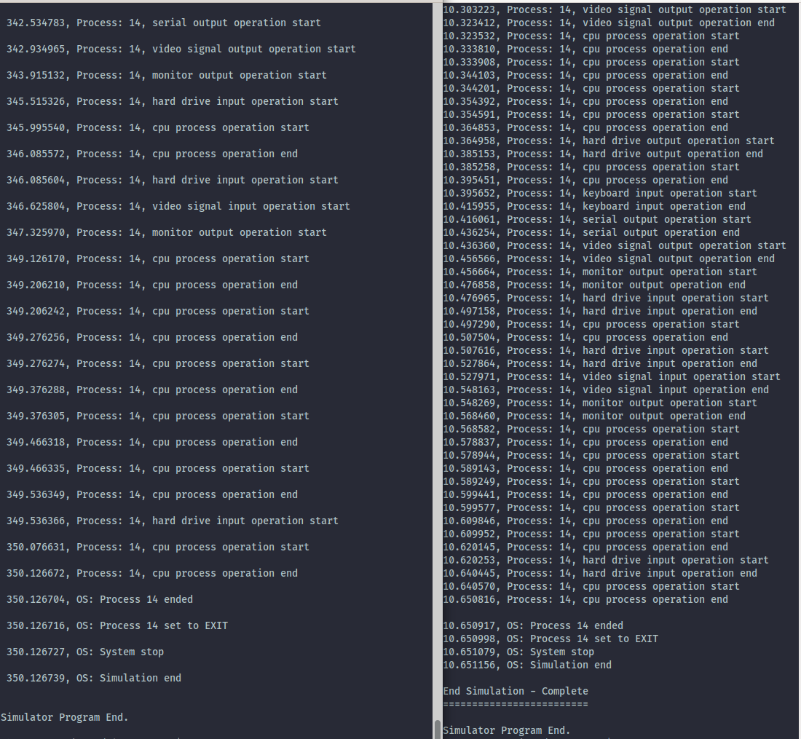
 |  |  | Grade Reductions
 |  |  |  | Each reduction is on a per occasion case (i.e., five single-letter variables is -5)
 |  |  |  | Enter grade as negative number

 |  | 0 | -1/ | single-letter or non-self-documenting variable
 |  | 0 | -1/ | missing or non-aligned curly braces
 |  | 0 | -1/ | redundant Boolean test
 |  | 0 | -2/ | second, or subsequent, if statement that should logically be else
 |  | 0 | -2/ | data/state change in parameter lists or array brackets
 |  | 0 | -2/ | declaration of variable within a loop (including for(---)
 |  | 0 | -2/ | use of if/else in place of Boolean return statement
 |  | 0 | -2/ | code on same line as curly brace, other than data type creation
 |  | 0 | -2/ | use of numbers where Boolean should be used
 |  | 0 | -2/ | use of numerical literals in parameter lists or array brackets
 |  | 0 | -2/ | use of break anywhere but in a switch statement
 |  | 0 | -3/ | use of return without return value
 |  | 0 | -3/ | use of continue or goto anywhere
 |  | 0 | -3/ | use of global variables anywhere
 |  | 0 | -3/ | I/O operations in a function not specified for I/O
 |  | 0 | -3/ | use of functions in parameter lists or array brackets
 |  | 0 | -3/ | use of empty if or else statement blocks
 |  | 0 | -3/ | use of tabs that causes difficulty reading code
 |  | 0 | -25/ | use of sleep, usleep, nanosleep, etc.
 | Subtotal: | 0 | 0

 |  |  | Valgrind memory test
 |  |  |  | Enter grade as negative number

 |  | -4 |  | Credit reduction of -1 (up to -10 points) for "definitely lost" memory blocks
 | Subtotal: | -4 | 0 |  | - Note: No other Valgrind errors are considered
 |  |  |  |  | - Note: If no "definitely lost" memory blocks, reduction is zero

 |  |  | Assignment Specification or Constraint Not Met

 |  | 0 | --- | Failed to include grading spreadsheet in tar/gz file (-10)
 |  | 0 | --- | Incorrect file name (-10)
 |  | 0 | --- | Incorrect file compression (-10)
 |  | 0 | --- | Outputs to file during simulator operation (-10)
 |  | 0 | --- | Use of any str- or other disallowed utilities (-15% of raw subtotal)
 |  | 0 | --- | Use of any other disallowed functions or tools (-15% of raw subtotal)
 |  | 0 | --- | Other evidence of specification or constraint not met (Check with Michael)
 | Subtotal: | 0 | 0
 |  |  |  | Overall the assignment appears to meet all requirements but I was curious of how this timer
 |  |  |  | is implemented. On FCFS-N this students sim run time is 97% faster than the one I implemented as well
 |  |  |  | as Leverington’s example. It’s hard to tell if things were optimized in everyway or the timer is
 |  |  |  | not running correctly (see the comparison on the right). Other than this the author did a great job! |  |  |  |  |  |  | Simulation Timer comparison (graders on the left, student on the right)

 | Instructor Grade Management - No student input below this line

 | Raw Subtotal |  |  |  | 146 | / | 150
 | Normalized |  |  |  | 98 | / | 100
 |  |  |  |  |  |  |  | Not turned in: 0 and 50% reduction of programming grade
 |  |  | /25 |  | Grader Score |  |  | Poor grading, minimal comments: 0 and 25% reduction of programming grade

1 | Total Score: |  |  |  | 98 | / | 125

