Sheet1
 | Sim: |  | 3 |  |  | GRADING RUBRIC AND FEEDBACK FORM

 | PROGRAMMER SECRET ID: |  |  |  |  | 736722 |  | GRADER SECRET ID: | 355444

 | Programmer Self-Grade Column | Grader Column
 |  |  | Read this before grading
 |  |  | All grading must be supported by clear, factual evidence, meaning you MUST use at least one of the following strategies:
 |  |  |  | - Identify line numbers of graded items, then reference these from the grading text
 |  |  |  | - Embed screen shots, then reference these from the grading text
 |  |  | You must also identify SPECIFIC function names and/or code snippets of items upon which you based your grading
 |  |  | You must also fill out AT LEAST the four lines of commentary under each grading segment; you are invited to insert new lines but the minimum is four

 |  |  | Clear Evidence of PA03 Components
 |  |  | If there is no evidence of an attempt to implement any of the PA03 requirements,
 |  |  | the grade for the programming part of this rubric will be zero.
 |  |  | Code must show at least one of the following items (place an 'X' beside each item found):
 |  |  | X | Code must CLEARLY show new uncommented code for scheduling SJF-N
 |  |  | X | Code must CLEARLY show the use of threads for timing operations
 |  |  | X | Code must CLEARLY show new uncommented code for memory management and display

 |  |  | Quality Development and Building Process
 |  |  |  | Enter grade as positive number

 | 2 | 2 | /2 | Correct file format
 | 2 | 2 | /2 | Correctly extracts
 | 2 | 2 | /2 | makes (builds to executable) without any corrections or adjustments
 | 2 | 2 | /2 | no unnecessary files (object files, config or meta-data files, etc.)
 | 2 | 2 | /2 | no unused library files or other files
 | Subtotal: | 10 | 10

 |  |  |  | Comments (add lines as needed):
 |  |  |  | This students simulator program extracts correctly with the correct files formats, correctly extracts
 |  |  |  | from the compressed format, builds with no errors, warnings or other issues. The simulator also
 |  |  |  | doesn’t include unnecessary files or unused libraries.

 |  |  | Program Source Code Easily Readable & Understandable
 |  |  |  | use Programming Standards Guide as a reference
 |  |  |  | Enter grade as positive number
 |  |  |  | Note: Do not increase or reduce credit for commenting unless use of comments directly takes away from program readability

 | 40 | 40 | /40 | Standards:
 | Subtotal: | 40 | 40 | < 5 pts: Difficult or impossible to read or understand, poor indenting and program structure
 |  |  |  | < 10 pts: Some parts difficult to read or have poor structure, but some program parts are clear
 |  |  |  | < 30 pts: Some parts difficult to read or have poor structure, but overall program process is clear
 |  |  |  | < 40 pts: Program is written and structured clearly, all parts are quickly and easily understood

 |  |  |  | Comments (add lines as needed):
 |  |  |  | The program follows best coding practices, with well-named variables and functions that are
 |  |  |  | easy to understand. The program also includes comments that provide context and insight into
 |  |  |  | the code's purpose, which further enhances its readability and understanding. The only thing
 |  |  |  | that could be improved is perhaps sticking to around 80 characters in width.

 |  |  | Quality Program Development
 |  |  |  | Enter grade as positive number

 | 5 | 5 | /5 | Program and code are structured well;
 | 5 | 5 | /5 | Functions are appropriately used to support program modularity
 | 5 | 5 | /5 | PCB structure is clear and easily accessed
 | 5 | 5 | /5 | Code is efficient and is not repeated unnecessarily (i.e., very little or no duplicated code)
 | 5 | 5 | /5 | It is clear which file a given support function will be found in
 | Subtotal: | 25 | 25
 |  |  |  | Comments (add lines as needed):
 |  |  |  | The program and code are structured well, which makes it easy to understand and modify. The
 |  |  |  | code follows a logical flow and has a consistent naming convention that makes it easy to read
 |  |  |  | and follow. Functions are used appropriately to support program modularity, making the program
 |  |  |  | easy to maintain and update.
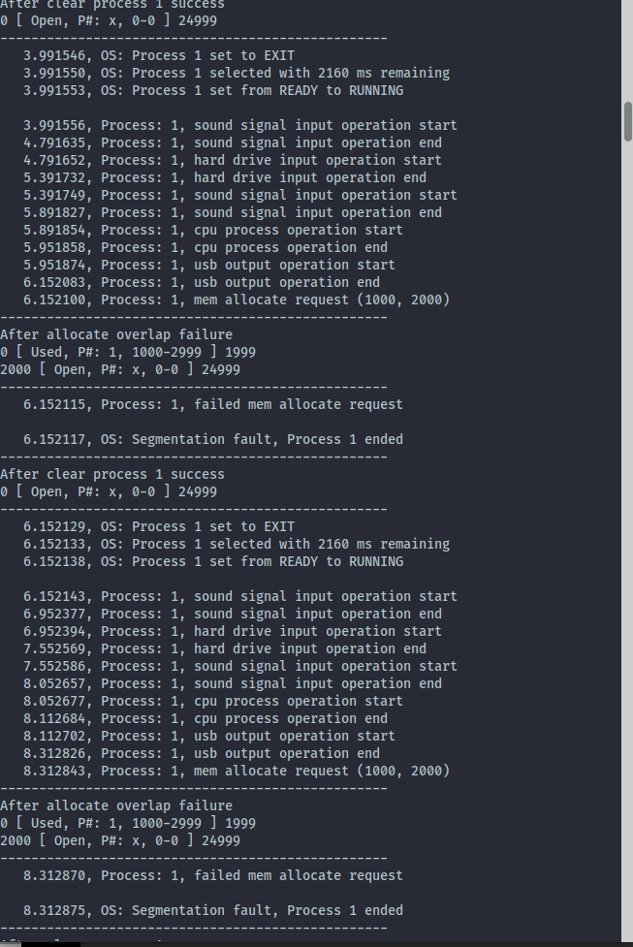
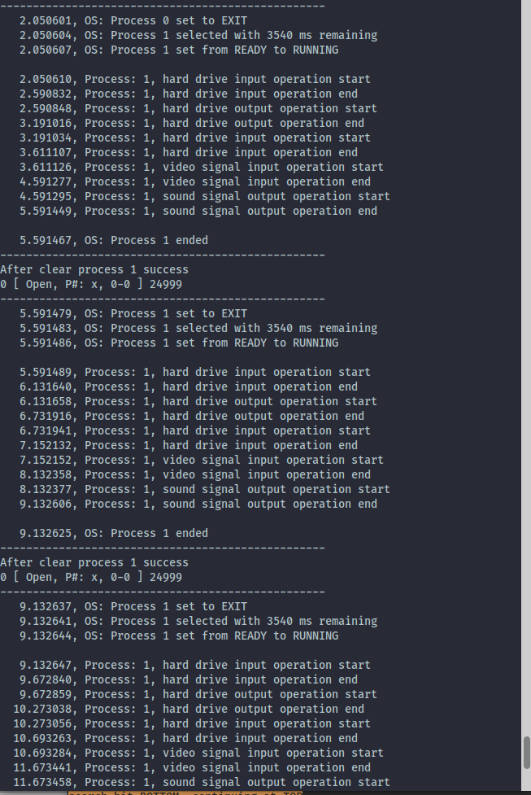
 | 5 | 5 | /5 | each new process start includes the time remaining for the given process
 | 5 | 5 | /5 | program appropriately displays the simulator actions (only if set to MONITOR or BOTH)
 | 5 | 5 | /5 | program stores all simulator actions to a logfile AFTER the simulation has completed
 | Subtotal: | 15 | 15
 |  |  |  | Comments (add lines as needed):
 |  |  |  | The simulator includes the time remaining for each new process start, displays the simulator
 |  |  |  | actions based on the user's configuration settings, and stores all simulator actions to a logfile
 |  |  |  | after the simulation has completed. This section meets all prerequisites that are entailed within
 |  |  |  | sim02.

 | 10 | 5 | /10 | clear evidence of FCFS-N scheduling
 | 10 | 10 | /10 | clear evidence of SJF-N scheduling
 | 10 | 10 | /10 | does not duplicate code by running FCFS and SJF simulations in separate functions
 | Subtotal: | 25 | 30
 |  |  |  | Comments (add lines as needed):
 |  |  |  | When choosing FCFS-N scheduling the simulator works the the 0th process succesfully but
 |  |  |  | performs an infinite loop on the 1st process that occurs. After testing this with different metadata
 |  |  |  | files it appears this may be in an issue with the PCBDataType *queueProcess() function on line 264
 |  |  |  | Of simulator.c that is in charge of checking for FCFS-N or SJF-N scheduling

 |  |  | Process Timing
 |  |  |  | Enter grade as positive number
 |  |  |  | No credit for this part if threads are not used and/or if sleep, usleep, nanosleep, etc. are used
 | 5 | 5 | /5 | Threads are correctly used for timing each I/O operation
 | 5 | 5 | /5 | Threading operations are clear and understandable
 | Subtotal: | 10 | 10
 |  |  |  | The student implemented the given timer function properly as their logging messages display
 |  |  |  | the correct timestamps meaning they appear to add to up the correct times. The implementation
 |  |  |  | of threading for I/O operations is implemented clearly, easy to read, and appears to be working
 |  |  |  | and is present in simulator.c line 367 void runDev() where create and join are working properly.

 |  |  | Memory Operations
 |  |  |  | Enter grade as positive number

 | 10 | 10 | /10 | Clearly shows correct tests and responses for memory allocation (getting memory from the OS)
 | 10 | 9 | /10 | Clearly shows correct tests and responses for memory access (using previously allocated memory)
 | 10 | 9 | /10 | Program code clearly shows how OS will accept success and drive segmentation fault as needed
 | 10 | 10 | /10 | Program code clearly shows how the memory will be displayed
 | Subtotal: | 38 | 40
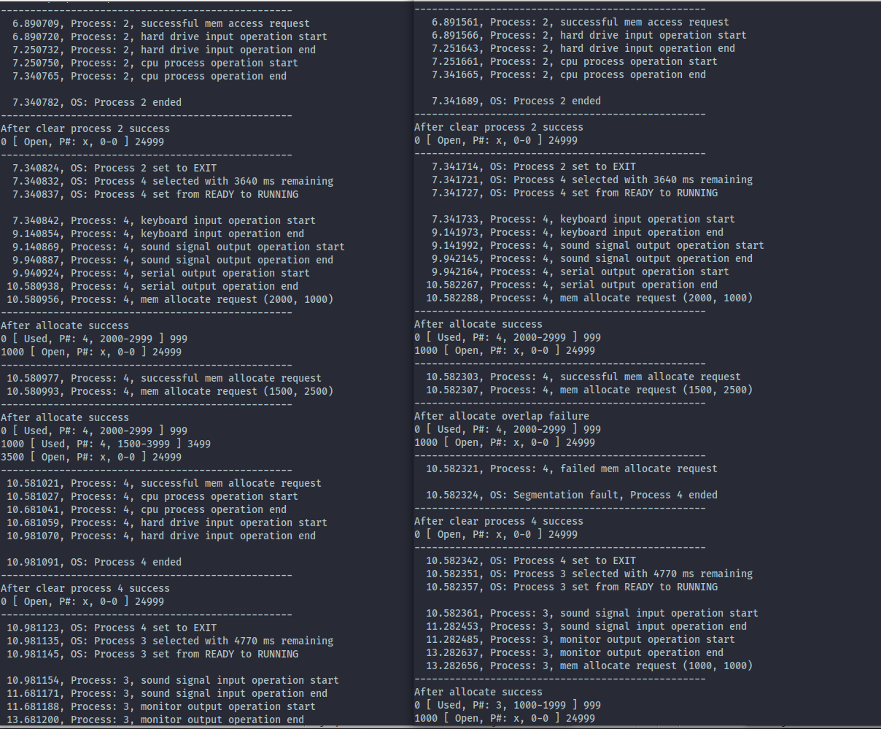
 |  |  |  | All criteria for Memory have been met with a perfect score of 40 out of 40. The program clearly
 |  |  |  | shows the correct tests and responses for memory allocation and memory access, which ensures
 |  |  |  | that the program is effectively utilizing memory resources. However an issue does arise in the
 |  |  |  | comparison to Leverington’s sim on process #4, where a successful and failed mem request take place

 |  |  | Simulator Operation
 |  |  |  | Enter grade as positive number
 |  |  |  | No credit for this part if code cannot be compiled and/or run
 | 15 | 15 | /15 | Program runs correctly with "Log To:" set to MONITOR, FILE, or BOTH with one meta-data file
 | 5 | 5 | /5 | Program runs correctly with memory acquisition attempted, succeeded, and displayed
 | 5 | 5 | /5 | Program runs correctly with memory acquisition attempted, failed, and displayed
 | 5 | 5 | /5 | Program runs correctly with memory access attempted, succeeded, and displayed
 | 5 | 5 | /5 | Program runs correctly with memory access attempted, failed, and displayed
 | Subtotal: | 35 | 35
 |  |  |  | The program has met all criteria for Memory and Logging functionality. It successfully runs with
 |  |  |  | different logging options and handles both successful and failed memory acquisition and access.
 |  |  |  | The relevant information is displayed to the user for effective error handling and debugging.

 |  |  | Grade Reductions
 |  |  |  | Each reduction is on a per occasion case (i.e., five single-letter variables is -5)
 |  |  |  | Enter grade as negative number

 |  | 0 | -1/ | single-letter or non-self-documenting variable
 |  | 0 | -1/ | missing or non-aligned curly braces
 |  | 0 | -1/ | redundant Boolean test
 |  | 0 | -2/ | second, or subsequent, if statement that should logically be else
 |  | 0 | -2/ | data/state change in parameter lists or array brackets
 |  | 0 | -2/ | declaration of variable within a loop (including for(---)
 |  | 0 | -2/ | use of if/else in place of Boolean return statement
 |  | 0 | -2/ | code on same line as curly brace, other than data type creation
 |  | 0 | -2/ | use of numbers where Boolean should be used
 |  | 0 | -2/ | use of numerical literals in parameter lists or array brackets
 |  | 0 | -2/ | use of break anywhere but in a switch statement
 |  | 0 | -3/ | use of return without return value
 |  | 0 | -3/ | use of continue or goto anywhere
 |  | 0 | -3/ | use of global variables anywhere
 |  | 0 | -3/ | I/O operations in a function not specified for I/O
 |  | 0 | -3/ | use of functions in parameter lists or array brackets
 |  | 0 | -3/ | use of empty if or else statement blocks
 |  | 0 | -3/ | use of tabs that causes difficulty reading code
 | Subtotal: | 0 | 0

 |  |  | Valgrind memory test
 |  |  |  | Enter grade as negative number

 |  | -3 |  | Credit reduction of -1 (up to -10 points) for "definitely lost" memory blocks
 | Subtotal: | -3 | 0 |  | - Note: No other Valgrind errors are considered

 |  |  |  | When running the valgrind test there are 3 blocks definitely lost according to the report returned
 |  |  |  | to console.

 |  |  | Assignment Specification or Constraint Not Met

 |  | 0 | 0 | Failed to include grading spreadsheet in tar/gz file (-10)
 |  | 0 | 0 | Incorrect file name (-10)
 |  | 0 | 0 | Incorrect file compression (-10)
 |  | 0 | 0 | Outputs to file during simulator operation (-10)
 |  | 0 | 0 | Use of any str- or other disallowed utilities (-15% of raw subtotal)
 |  | 0 | 0 | Use of any other disallowed functions or tools (-15% of raw subtotal)
 |  | 0 | 0 | Other evidence of specification or constraint not met (Check with Michael)
 | Subtotal: | 0 | 0
 |  |  |  | Overall, the students assignment meets all requirements with a slight possible hiccup when
 |  |  |  | determining if a memory allocation succeeds or fails.

 | Instructor Grade Management - No student input below this line

 | Raw Subtotal |  |  |  | 195 | / | 205
 | Normalized |  |  |  | 96 | / | 100
 |  |  |  |  |  |  |  | Not turned in: 0 and 50% reduction of grade
 |  |  | /25 |  | Grader Score |  |  | Poor grading, minimal comments: 0 and 25% reduction of grade

1 | Total Score: |  |  |  | 96 | / | 125

