Sheet6
Top 10 Dealers Selection

On the basis of Material
Cost

On the basis of Labour
Cost

On the basis of Chargeback Cost

Sheet4
Dealer Information

 | Dealer Code | 81025

 | Material Cost | 312593.05

 | Labour Cost | 81287.88

 | Chargeback Cost | 36345

Back
Next

Sheet1
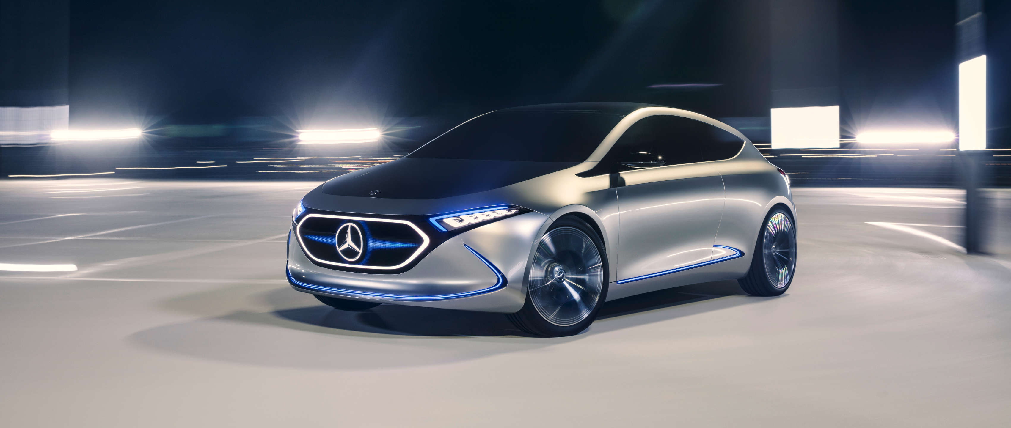 

Elements
Person Identity

Amount

Behaviour Pattern

Compliance

Competency

Model Series&Repair Types

