No-1
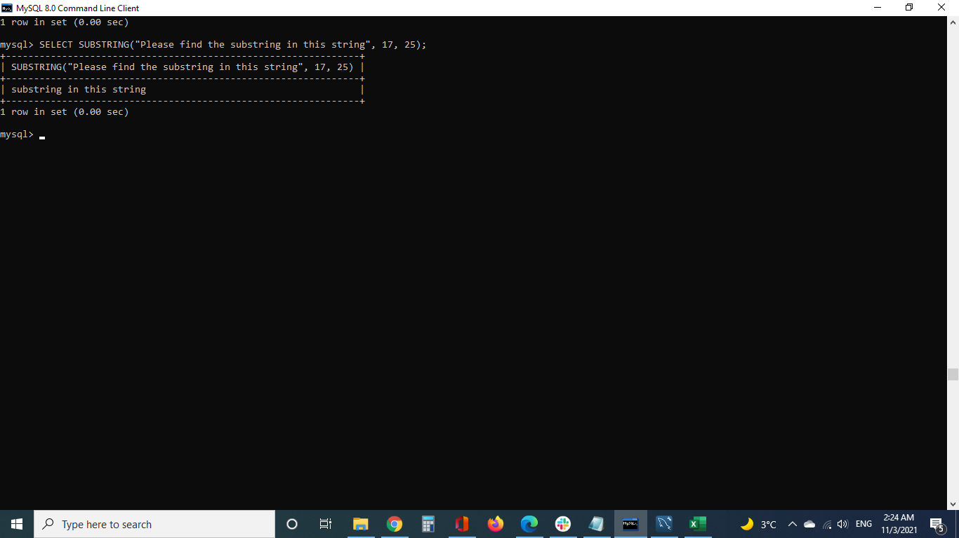
SELECT SUBSTRING("Please find the substring in this string", 17, 25);

No-2
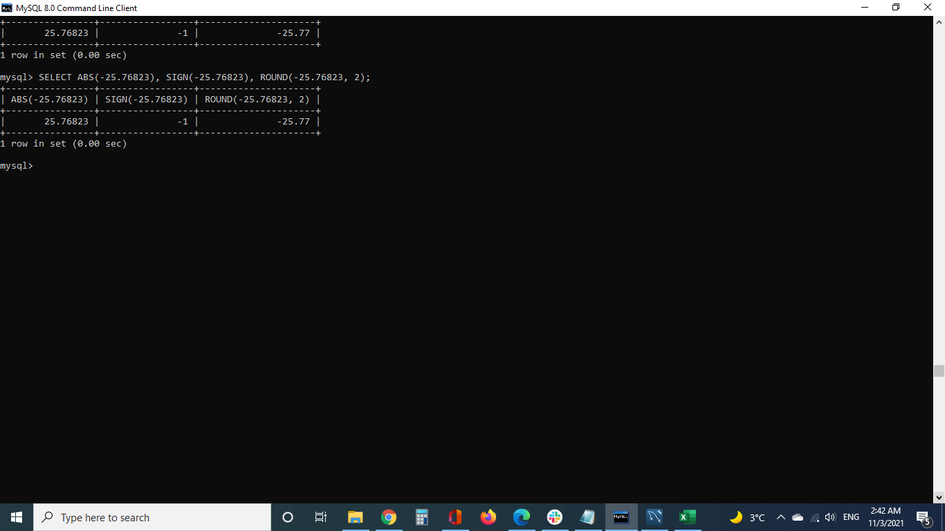
SELECT ABS(-25.76823), SIGN(-25.76823), ROUND(-25.76823, 2);

No-3
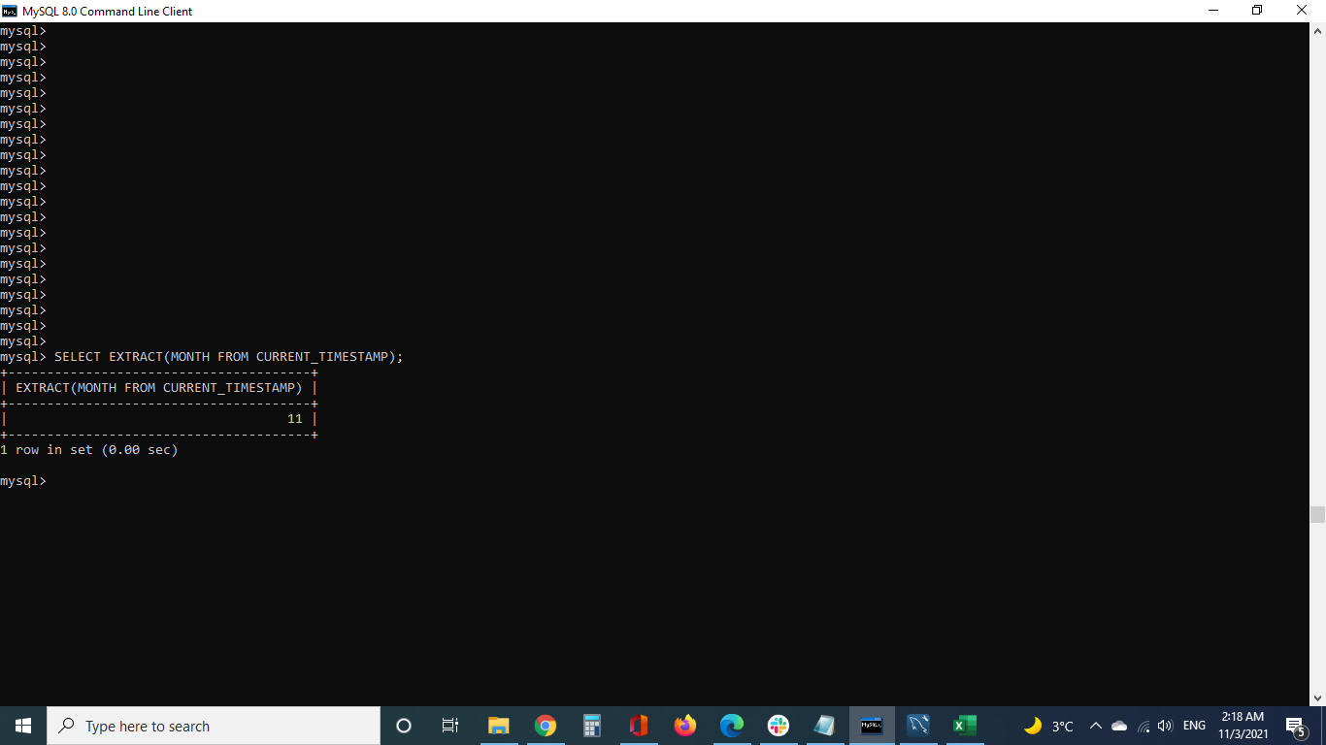
SELECT EXTRACT(MONTH FROM CURRENT_TIMESTAMP);

