No-2
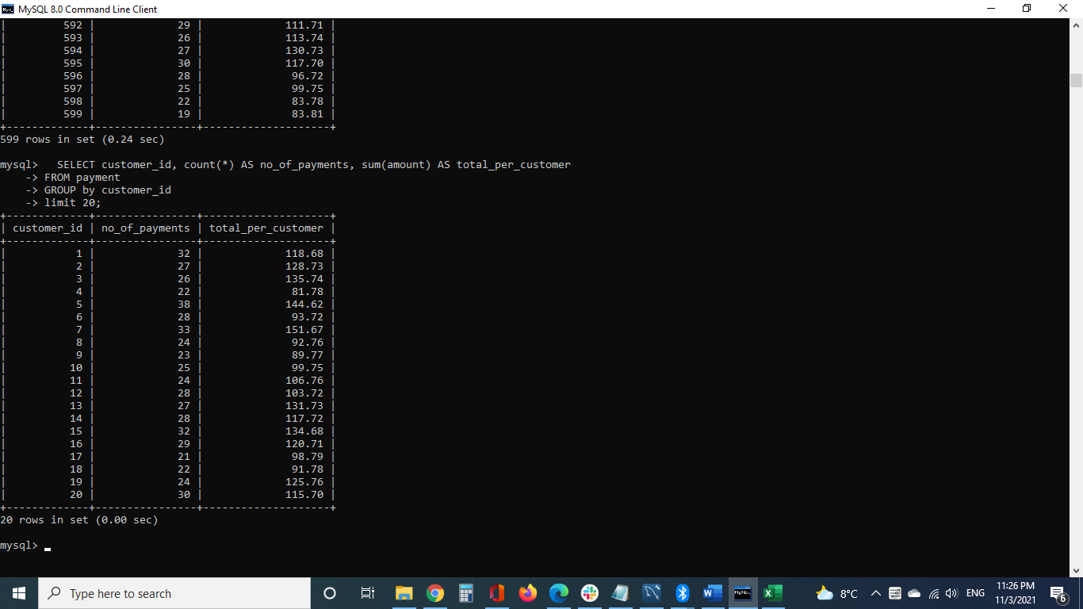
SELECT customer_id, count(*) AS no_of_payments, sum(amount) AS total_per_customer FROM payment GROUP by customer_id limit 20;

No-3

SELECT customer_id, count(*) AS no_of_payments, sum(amount) AS total_per_customer FROM payment GROUP by customer_id HAVING count(*) >= 5; limit 20;

No-4

SELECT year_no, month_no, tot_sales, RANK() over (ORDER by tot_sales desc) rank_by_sales FROM sales_fact;

No-5
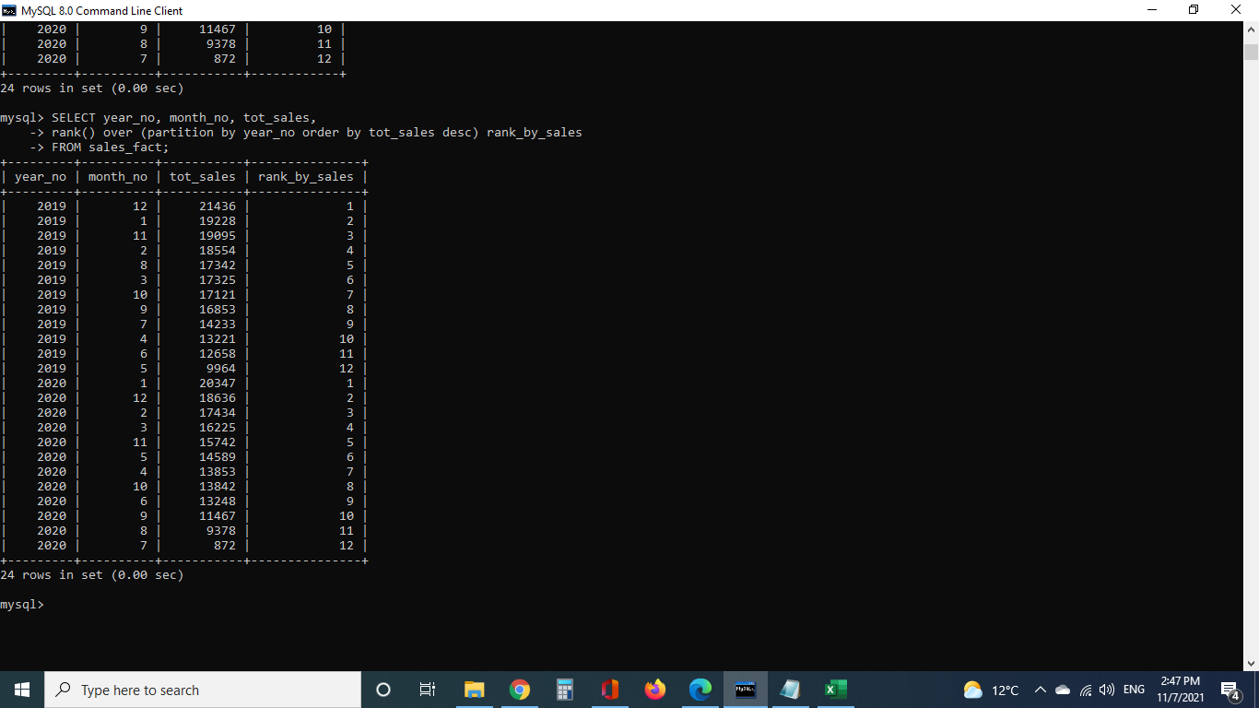
SELECT year_no, month_no, tot_sales, rank() over (partition by year_no order by tot_sales desc) rank_by_sales FROM sales_fact;

No-6

SELECT year_no, month_no, tot_sales, rank() over (partition by year_no order by tot_sales desc) rank_by_sales FROM sales_fact;

