工作表1
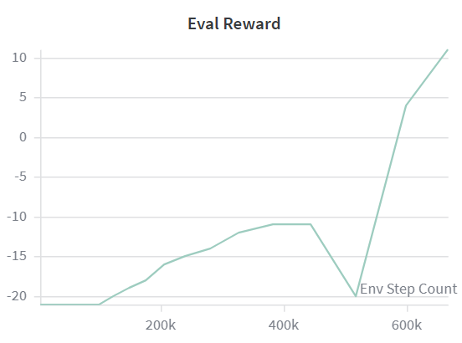
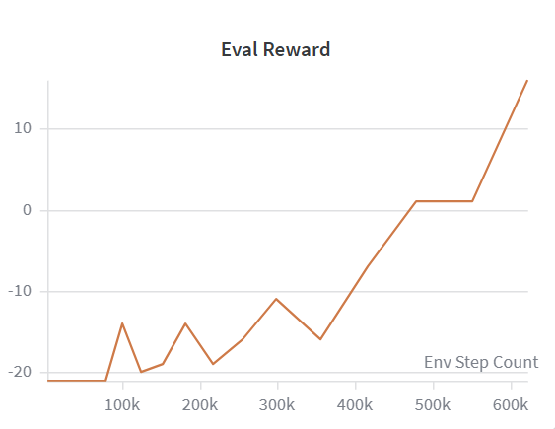
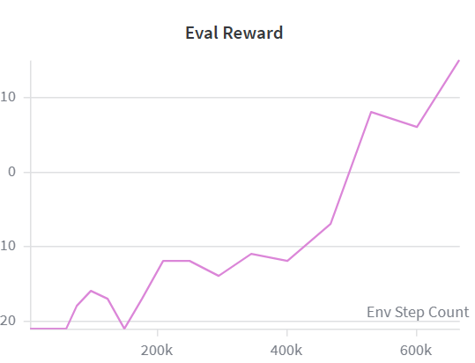
Batch Size | Learning Rate | Discount Factor | Memory Size | Replay Start | Target Update | Epsilon Decay | Epsilon Min | DDQN | PER | Multistep | n-step | β Annealing
32 | 0.0001 | 0.99 | 200000 | 20000 | 2000 | 0.99998 | 0.05 | v | v | v | 3 | 2.5M
64 | 0.0001 | 0.99 | 200000 | 20000 | 2000 | 0.99998 | 0.05 | v | v | v | 3 | 2.5M
32 | 0.0001 | 0.99 | 200000 | 20000 | 2000 | 0.999975 | 0.05 | v | v | v | 3 | 2.5M
32 | 0.00025+clip | 0.99 | 200000 | 20000 | 2000 | 0.999975 | 0.05 | v | v | v | 3 | 2.5M

