Table 3
Best place to know latest computer hardware price including InteI CPU, AM D Athlon, APU & AM D Sempron processor price information in Nehru Place as weII as in India CPU or Processor which is also called central processing unit is just like a brain of computer system therefore it is very essential part of a computer or laptop. So it must be accurately work in order to correct functioning and operation of a PC. Your search for CPU price must have ended here with detailed price of processor and CPU are shown above in table for year 2026. Limite d Offer for Ne hru Place Computer Deale rs & Re pair Centers :- Register FREE for publishing your busine ss listing FREE in this site | More in Nehru Place Se cond Hand CPU Price CPU Fan Price View CPU De alers in Nehru PIa‹ CPU Buyer's Guide Barcode Printer Place List Nehru Place Price List Ne hru Place Dealers List Serv ice Centers in Nehru Plac Data Re cove ry in Nehru Place Laptop Price List in Nehru Plac Ne hru Place Laptop M all Laptop Re pairs & Spares About Nehru Place Facilities in Nehru Place Buye r's Guide

For Latest Products & Price Up Please Subscribe our Mailing Narre:* Enter your Name Email:” you@mailwebsite.com Reset
Subscribe
NehruPIaceMarket.com
NehruPlaceMarket.com
Home | Contact us | Terms of use | Privacy Policy | Site M ap | Disclaime r | Adve rtise with us Copyright 0 2012-2026 IT Station Inc., All rights reserved.
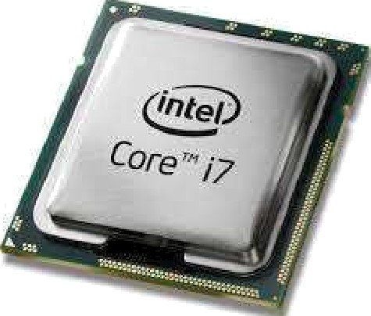
Disclaim er:- All Brand hbrres, k/bdeb, Corrgany hlarres, Logo & Trademarks displayed here are the Intellectual Property of their respective Brand Ow ners. For rrore details about disclairrer, visit dis claim er page.

CPU
 |  | 