NO. 1
NO : | 1 | TITLE : | Overall System Architecture

DR Auto Feedback Application
DR Machine (PLC)

There are total 4 background tasks. Each tasks is assign for each port.
Port 1 processed by BGT1
Port 2 processed by BGT2
Port 3 processed by BGT3
Port 4 processed by BGT4
Background Tasks
(BGT)
Station 1 is the measurement of housing height and scanning of s/n while
Sub 1 is the CLB height measurement only. Raw data from Station 1 & Sub 1 (s/n, housing, CLB) is sent through Port 1 to application. BGT1 then will process and calculate the spacer value if receive all raw data for 1 unit of DR. BGT1 also using FIFO & Bubble Sort algorithm
BGT 1
(Port 1)
PLC will request spacer from application through Port 2. BGT2 will process the request and will query the spacer value directly from database. The spacer value also send to PLC using Port 2.
Station 6 will measure once again the CLB height after it is assembled with the housing and spacer. PLC will send the height measurement through Port 3. Then, BGT3 will store the raw data into the database. At the same time, the application also will judge the measurement result then will add on into the DataGridView on the application if the judgement is NG.
BGT 2
(Port 2)
At DR4 Station 5, PLC will request the judgement result. The application will send result wether the measurement is out of specification or not.
BGT 3
(Port 3)

DR 2 Machine
STATION 5
STATION 6
STATION 1
STATION 2
SUB 1
SUB 2
STATION 4
STATION 3

PORT 1


PORT 2

.
.
.

DR 4 Machine
STATION 5

PORT 3

NO. 2
NO : | 2 | TITLE : | Understanding the User Interface

Application buffer that holds the variables value.
IP address and Port information of the application
Port connection indicator

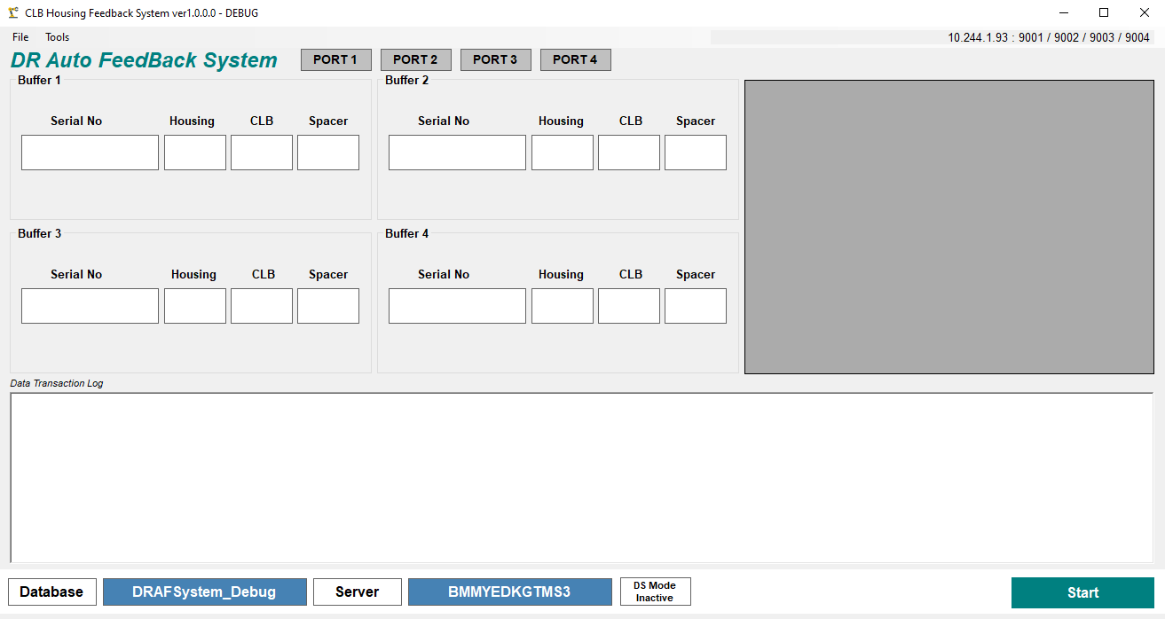

DataGridView to display serial number with NG CLB height measurement

Start application as Server

Database connection information
DS Mode indication wether on or off

