NO.1 Overview
NO : | 1 | TITLE : | Overview

 | Department : |  |  |  | Overall System Architeture
 | PRODUCT DEVELOPMENT |  |  | PTD4
DR Auto Feedback System (DRAFT)
DR Auto Machine (PLC)
 | Database :
 | DRAFSystem_MY |  |  | 10.244.5.10 (Testing database)
There are a total of 3 background tasks. Each tasks is assign for each port.
Port 1 processed by BGT1
Port 2 processed by BGT2
Port 3 processed by BGT3
Background Tasks
(BGT)
Station 1 is the measurement of housing height and scanning of s/n while
DRSub 1 is the CLB height measurement. Raw data from Station 1 & DRSub 1 (s/n, housing, CLB) is sent through Port 1 to application. BGT1 then will process and calculate the spacer value if receive all raw data for 1 unit of DR. BGT1 will refer application setting to calculate using normal mode or DS mode. After calculate and spacer has obtained from the calculation, the application will directly send spacer value to PLC
BGT 1
(Port 1)
Station 6 will measure once again the CLB height after it is assembled with the housing and spacer. PLC will send the height measurement through Port 2. Then, BGT3 will store the raw data into the database. At the same time, the application also will judge the measurement result.
BGT 2
(Port 2)
At DR4 Station 5, PLC will request the judgement result. The application will send result to PLC (OK or NG) whether the measurement is out of specification or not.
BGT 3
(Port 3)
DR 2 Machine
STATION 5
STATION 6
STATION 1
STATION 2
SUB 1
STATION 3
STATION 4
SUB 2
 | Type of System :
 | Window application

 | Server Publish :
 | 10.244.10.210 (BMMY PRD Private Network)
PORT 1
 | Location using System :
 | DR Auto

 | Summary System :



PORT 2

.
.
.

DR 4 Machine
STATION 5

PORT 3

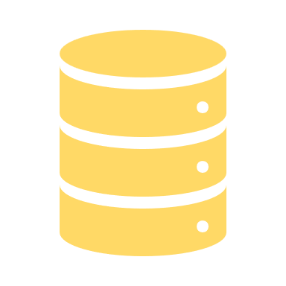

KMI Read Database

Replication Database
(10.244.5.71)

NO.3 Systemflow BGT1
NO : | 3 | TITLE : | System Flow

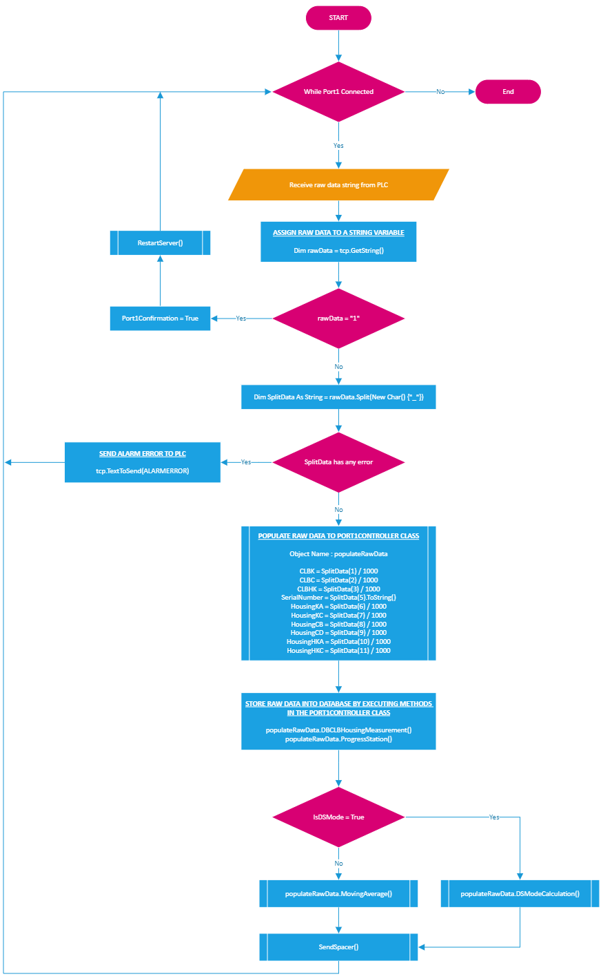
 |  |  |  | Sample Data receive from PLC :
 |  |  |  | DRSub_13564_13643_13555_ST1_ABC00001_10345_10456_10333_10345_10464_10234

 |  |  |  | Data | Splited Variable | Digit Restriction | Number of Digit | IsFixValue? | Explanation
 |  |  |  | DRSub | SplitData(0) | No | NULL | Yes | DRSub1 Station Name
 |  |  |  | 13564 | SplitData(1) | Yes | 5 | No | CLB K
 |  |  |  | 13643 | SplitData(2) | Yes | 5 | No | CLB C
 |  |  |  | 13555 | SplitData(3) | Yes | 5 | No | CLB HK
 |  |  |  | ST1 | SplitData(4) | No | NULL | Yes | ST1 Station Name
 |  |  |  | ABC00001 | SplitData(5) | No | NULL | No | Serial number
 |  |  |  | 10345 | SplitData(6) | Yes | 5 | No | HousingK A
 |  |  |  | 10456 | SplitData(7) | Yes | 5 | No | HousingK C
 |  |  |  | 10333 | SplitData(8) | Yes | 5 | No | HousingC B
 |  |  |  | 10345 | SplitData(9) | Yes | 5 | No | HousingC D
 |  |  |  | 10464 | SplitData(10) | Yes | 5 | No | HousingHK A
 |  |  |  | 10234 | SplitData(11) | Yes | 5 | No | HousingHK C

NO.4 Systemflow BGT2
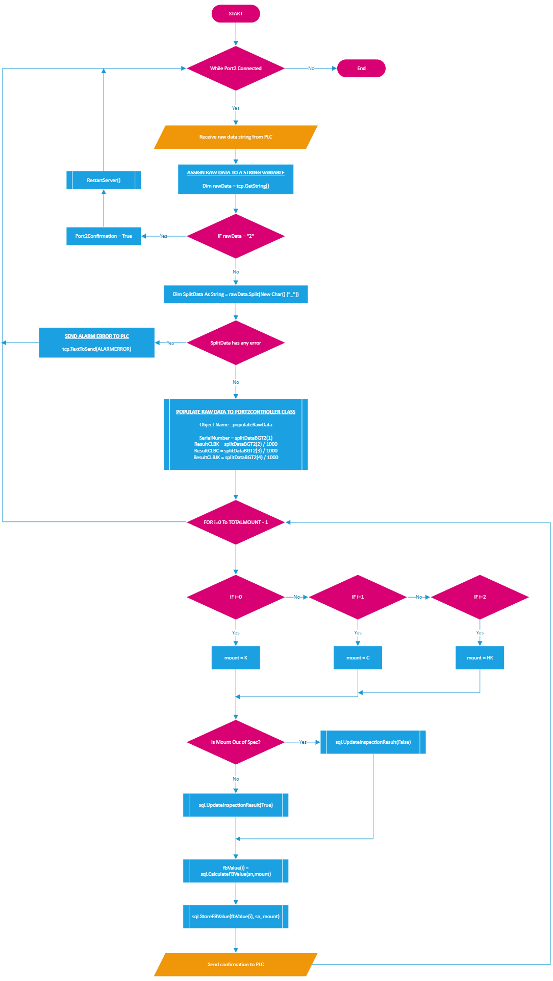
Sample Data receive from PLC :
ST6_ABC00001_13845_13856_13833

Data | Splited Variable | Digit Restriction | Number of Digit | IsFixValue? | Explanation
ST6 | SplitDataBGT2(0) | No | NULL | Yes | ST6 Station Name
ABC00001 | SplitDataBGT2(1) | No | NULL | No | Serial number
13845 | SplitDataBGT2(2) | Yes | 5 | No | CLB Inspection Result K
13856 | SplitDataBGT2(3) | Yes | 5 | No | CLB Inspection Result C
13833 | SplitDataBGT2(4) | Yes | 5 | No | CLB Inspection Result HK

NO.5 Database
NO : | 3 | TITLE : | Sample Database

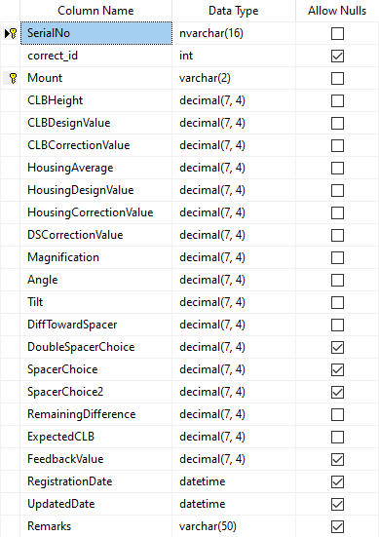
DBSpacerChoiceCalculation
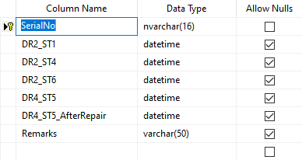
DBBarcodeProgressCLBHousing
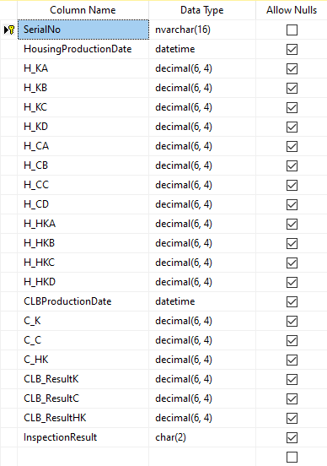
DBCLBHousingMeasurement

1:1

1:Many
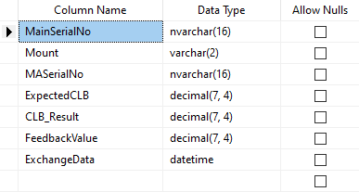
DBExchangeMovingAvgSNList

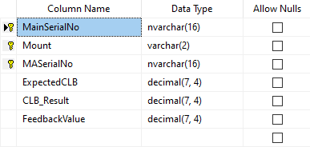
DBMovingAverageSNList
1:Many

Many:Many

1:1
1:Many

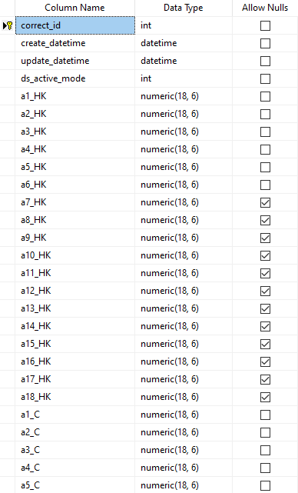
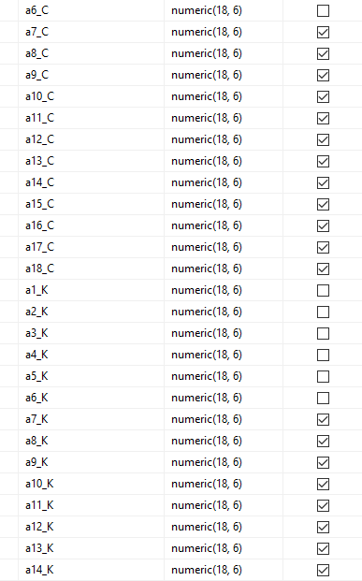
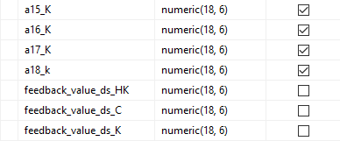
DS_Correct_Data_Table
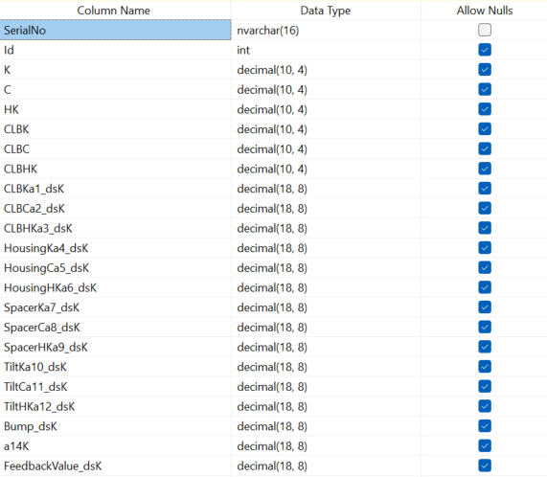
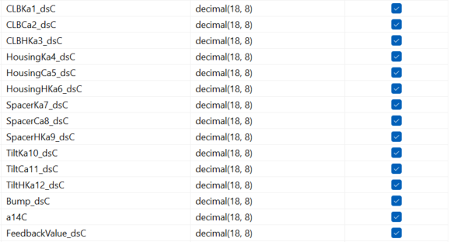
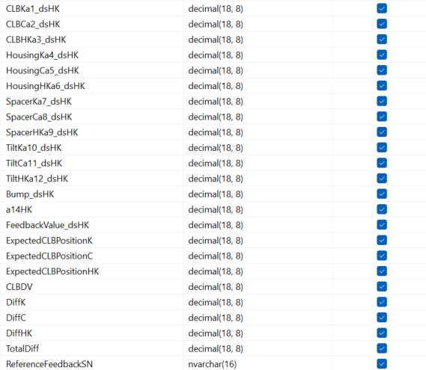
DSCalculationResult

(Obsolete) Systemflow
NO : | 2 | TITLE : | Sample System Flow

CREATE OBJECT
Detail (SN,station,line,PIC,Status,Remark,Model,P_Status)
Array_R_NGOutline ([SN],[Destination],[Occur_DateTime] ,[Origin_Process_Code],[Classification_I_Code],[Classification_II_Code],[Defect_Item_Code],[Occur_Location],[Location_Class] ,[Line],[Machine],[Note] ,[IssueBy])
Array_R_NGInline ([SN] ,[Destination],[Occur_DateTime],[Origin_Process_Code],[Classification_I_Code],[Classification_II_Code],[Defect_Item_Code],[Occur_Location],[Location_Class] ,[Fix_Flog] ,[Fix_Datetime],[Fix_Action] ,[Fix_Object],[Station_Fix] ,[Doing_Person],[Cause] ,[Line] ,[Machine] ,[Note] ,[Note_Repairer] ,[IssueBy])
OPERATION
Insert, Update, Select

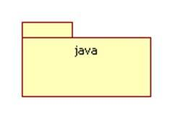
CLASS & OBJECT
[QIS CLASS & OBJECT]

[PROCESS NAME]
[OPERATION]
[DATABASE ACTION (INSERT/UPDATE/DELETE)]
[DECISION]
[INTERFACE SHOW]
[SET/GET DATA IN CLASS&OBJECT]
[SET/GET BRAINS DATA]
[SET/GET QIS DATA]
INPUT/OUTPUT

Receive data from PLC
START
Variable Declaration
Private portNo As String
Private connectionIP As IpAddress
Private streamR As StreamReader
Private streamW As StreamWriter
Private serverStatus As Boolean
Private serverTrying As Boolean

TABLE USE
- db_OutputQAInspV2 , DB_Line_Fix, Master_Classification_I, Master_Classification_II, Master_Defect_Item, Master_Origin_Process, Master_Cause, Master_Fix_Object, Master_Fix_Object, Master_Fix_Action
OPERATION
Insert, Update, Select
Variable Declaration
Private rawData As String
Private splitData As String()
Private station As String
Private serialNo(TOTALBUFFER) As String
Private housingMeasurement(TOTALBUFFER, 6) As Double
Private clbMeasurement(TOTALMOUNT) As Double
Private Const TOTALBUFFER As Integer = 4
Private snFlag(TOTALBUFFER) As Boolean = False
Private housingFlag(TOTALBUFFER) As Boolean = False
Private clbFlag(TOTALBUFFER) As Boolean = False
Private bufferFlag(TOTALBUFFER,3) As Boolean = False
Private objSQL AS New SQLController
Private objBuffer As Buffer
Private objRawDataTCP As new TCPController
Private objSpacerTCP new As TCPController
Private objJudgementTCP As new TCPController
Private objResultTCP As new TCPController
Private errorMessage As String
[BrainsLineFix]
SQL

Variable Declaration
Private objSQL As new SQLController
Private objMain As New MainForm
Private spacer(TOTALMOUNT) As double
Private Const CLBDESIGNVALUE As double = InitializeVariables('')
Private Const HOUSINGDESIGNVALUE As double
Private Const MAGNIFICATION As double
Private serialNo As String
Private housingMeasurement As double
Private clbMeasurement As double
Private clbCorrentionValue(TOTALMOUNT) As Double
Private housingAverage(TOTALMOUNT) As Double
Private housingCorrectionValue(TOTALMOUNT) As Double
Private Const TOTALPOINT As Double
SQL
[BRAINS]
TABLE USE
OPERATION
TCPController Class

WHILE TCP Connected
Create Constructor()
Buffer(sn As String, housing As double, clb As double)
this.serialNo = sn
this.housingMeasurement = housing
this.clbMeasurement = clb
End

IF rawData = "1"

Split string data between delimiter then assign splitted string into array variable rawData
splitData = rawData.Split(New Cher() {","})

Housing Average Value
housingAverage(i) = (housingMeasurement(0) + housingMeasurement(1))/TOTALPOINT
SendText("10/r", Port1)
 |  |  |  | R

Assign Variables
station = splitData(0)

RestartServer(1)
FOR i=0; i<TOTALMOUNT

Exit While
FOR i = 0 To TOTALBUFFER - 1
NO
Housing & CLB Correction Value
clbCorrectionValue(i) = clbMeasurement(i) - CLBDESIGNVALUE
housingCorrectionValue(i) = housingAverage(i) - HOUSINGDESIGNVALUE

YES

IF station = "ST1"
ELSEIF station = "SUB1"
NO
ELSEIF station = "ST4"
ELSE
NO
NO

YES
YES
YES

IF bufferFlag(TOTALBUFFER -1, 0) = TRUE
IF bufferFlag(TOTALBUFFER -1, 2) = TRUE
objSQL.ProgressStation(splitData(1), station)

IF objSQL.Success = False

NO
IF bufferFlag(i,0) = False
NO

YES
Display Error message
YES

IF bufferFlag(i,2) = False
NO

Display message
"Updated the progress station"

YES

Assign Variable
serialNo(i) = splitData(1)
bufferFlag(i,0) = True
bufferFlag(i,1) = True
housingMeasurement(i,0) = splitData(2)
housingMeasurement(i,1) = splitData(3)
housingMeasurement(i,2) = splitData(4)
housingMeasurement(i,3) = splitData(5)
housingMeasurement(i,4) = splitData(6)
housingMeasurement(i,5) = splitData(7)

Assign Variable
bufferFlag(i,2) = True
clbMeasurement(i,0) = splitData(1)
clbMeasurement(i,1) = splitData(2)
clbMeasurement(i,2) = splitData(3)

Exit FOR LOOP

Display message
rawData

FOR j = 0; j < TOTALBUFFER
NO
Exit FOR LOOP

YES

IF bufferFlag(j,1) = 1 AND bufferFlag(j,2) = 1
NO

YES

StoreRawData()

objBuffer(serialNo(j), housingMeasurement, clbMeasurement)

Clear Variable
serialNo(j) = ""
bufferFlag(j,0) = False - serialNo
bufferFlag(j,1) = False - Housing Flag
bufferFlag(j,2) = False - CLB Flag
housingMeasurement(j,0) = 0
housingMeasurement(j,1) = 0
housingMeasurement(j,2) = 0
housingMeasurement(j,3) = 0
housingMeasurement(j,4) = 0
housingMeasurement(j,5) = 0
clbMeasurement(j) = 0

IF j = TOTALBUFFER-1
YES

NO

Clear Variable
serialNo(j) = serialNo(j+1)
bufferFlag(j,0) = bufferFlag(j+1,0)
bufferFlag(j,1) = bufferFlag(j+1,1)
bufferFlag(j,2) = bufferFlag(j+1,2)
housingMeasurement(j,0) = housingMeasurement(j+1,0)
housingMeasurement(j,1) = housingMeasurement(j+1,1)
housingMeasurement(j,2) = housingMeasurement(j+1,2)
housingMeasurement(j,3) = housingMeasurement(j+1,3)
housingMeasurement(j,4) = housingMeasurement(j+1,4)
housingMeasurement(j,5) = housingMeasurement(j+1,5)
clbMeasurement(j) = clbMeasurement(j+1)

