Sample User Guide
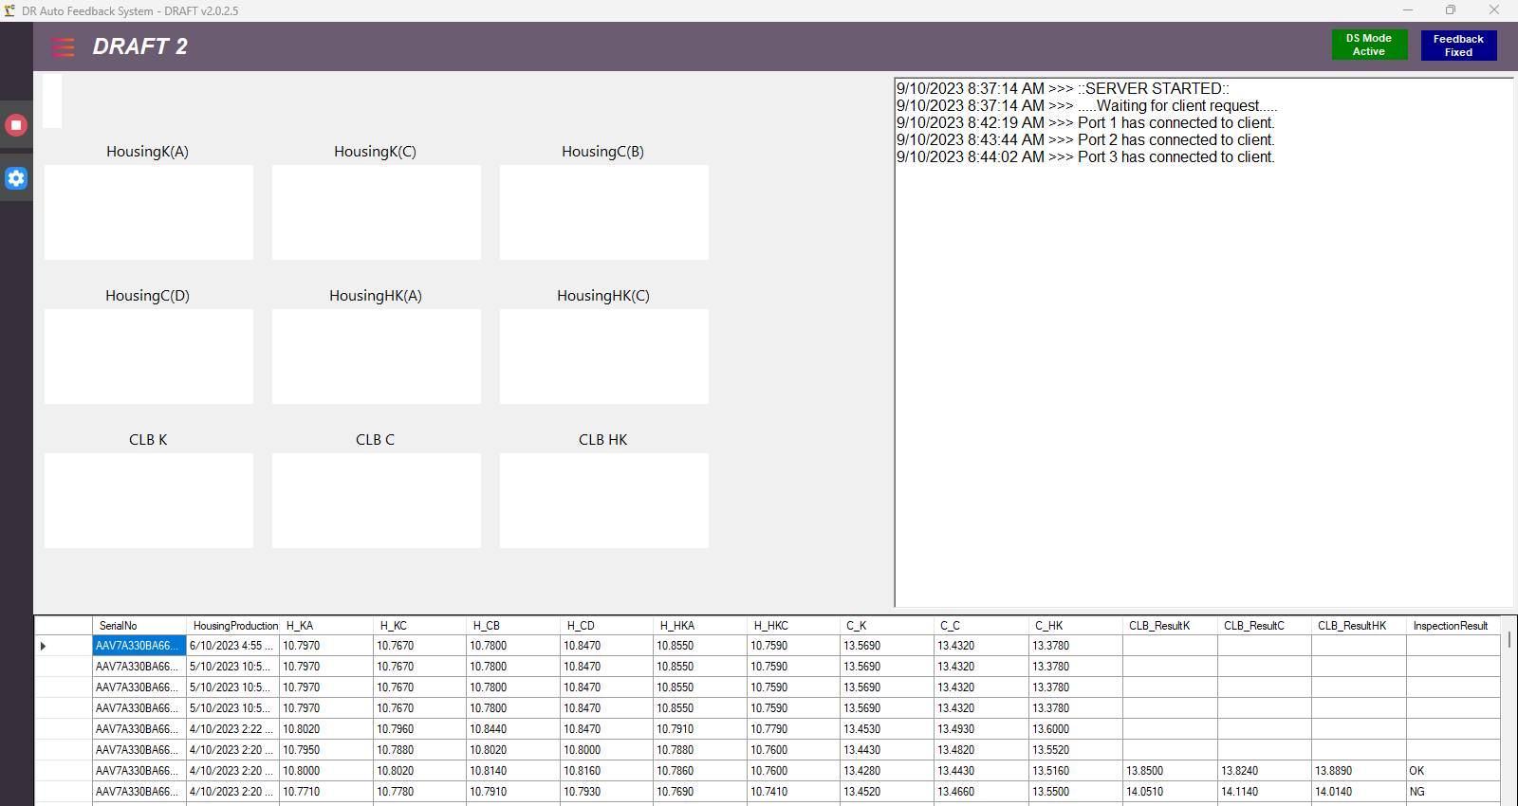
NO : | 1 | TITLE : | User Guide

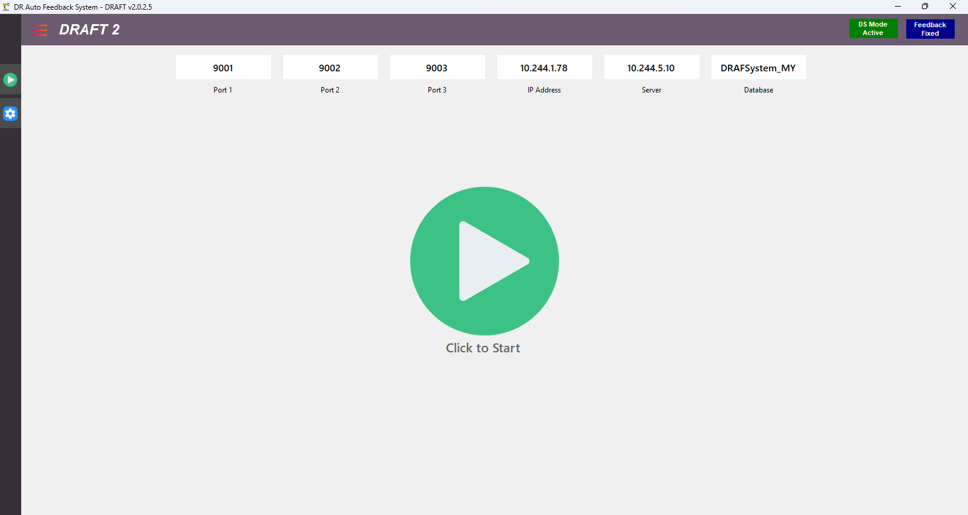
 |  |  |  | NO | ACTION | REMARKS
 |  |  |  | 1 | Click | To Start the application as Server
 |  |  |  | 2 | - | TCP Connection Information
5
 |  |  |  | 3 | - | Database Connection Information
 |  |  |  | 4 | Click | Go to Setting
2
3
 |  |  |  | 5 | Click | Alternate button to Stop application as Server
4
 |  |  |  | 6 | - | wait for client (PLC) to make connection with application
 |  |  |  | 7 | - | Example of if Port is already connected Server to Client
1
 |  |  |  | 8 | - | Interface changes after all Port are connected and ready to receive data

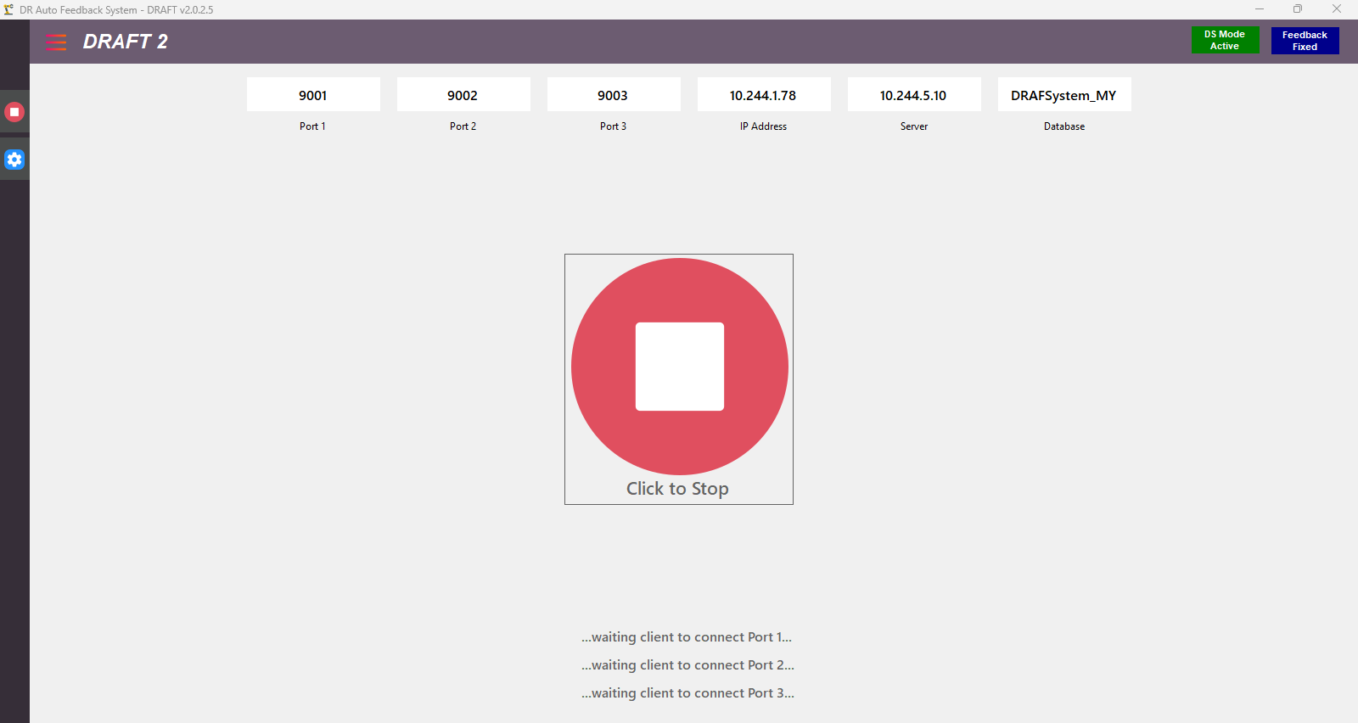

6

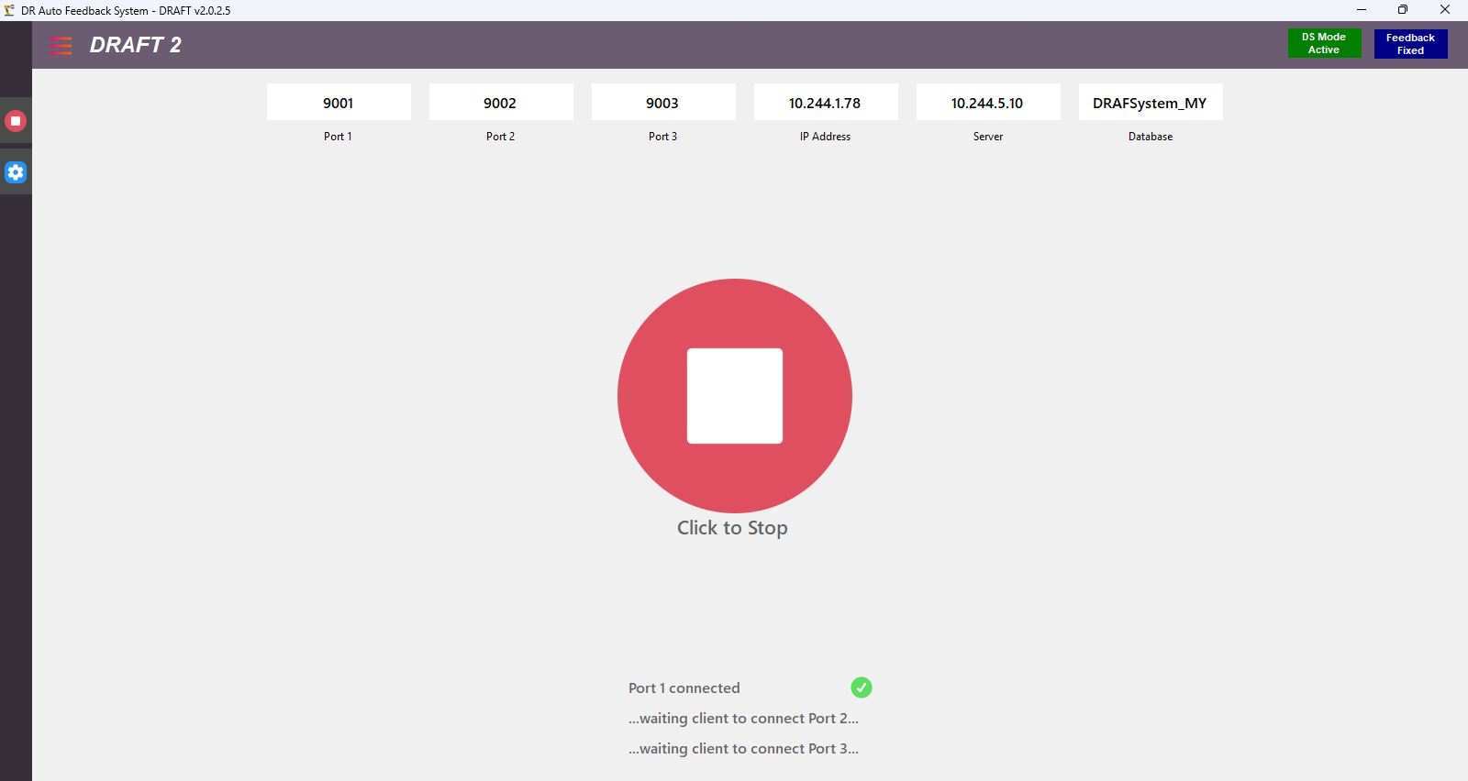

7

8

