sector_year
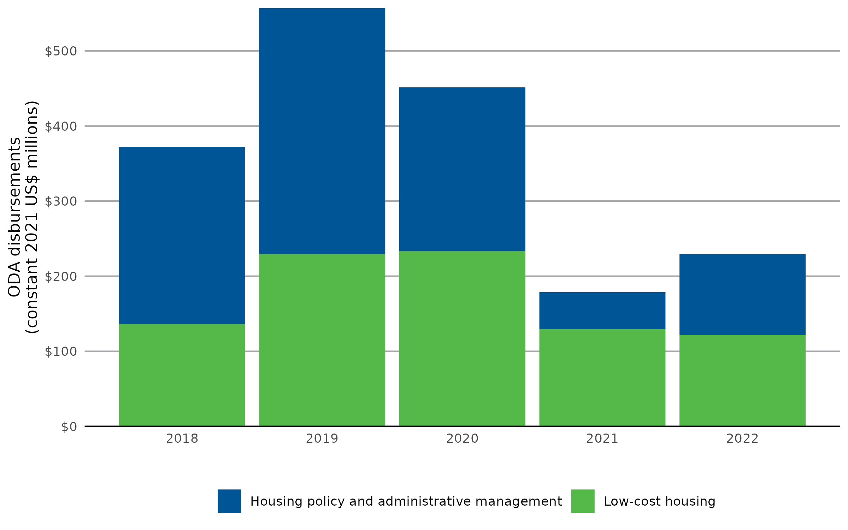
Disbursement year | Housing policy and administrative management (constant 2021 US$ millions) | Low-cost housing (constant 2021 US$ millions)
2018 | $235.59 | $136.42
2019 | $327.43 | $229.61
2020 | $217.96 | $233.53
2021 | $49.33 | $129.37
2022 | $107.75 | $121.79

sector_by_donor
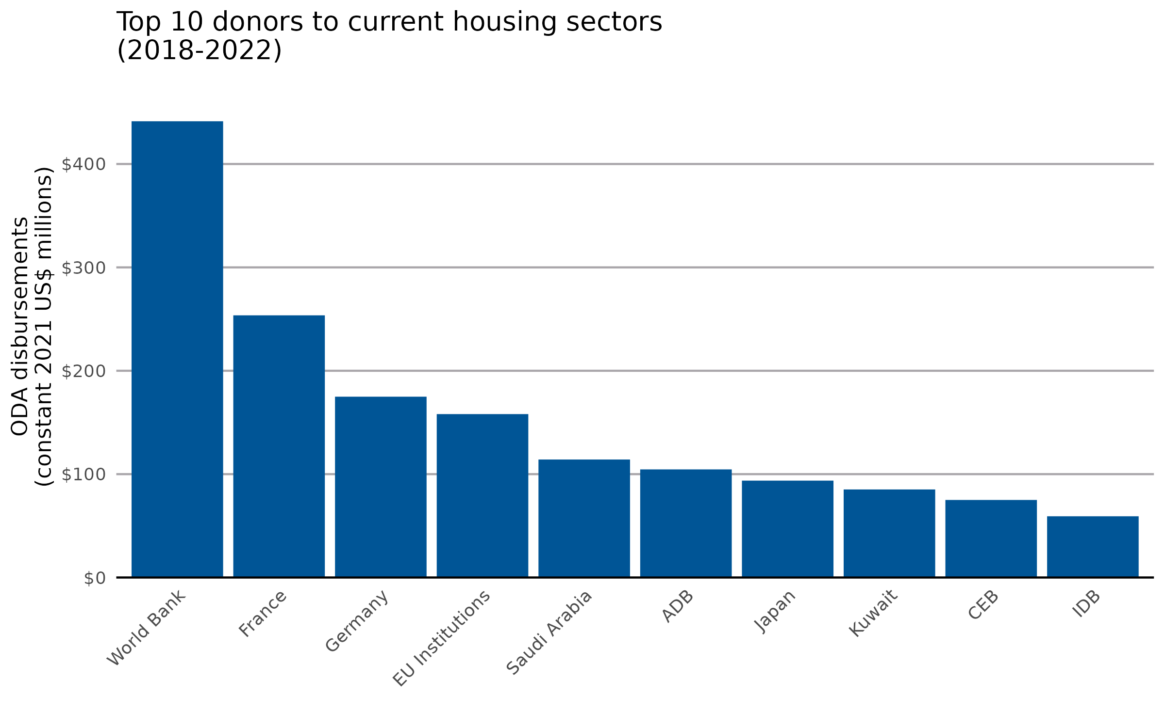
Donor name | ODA disbursements to current housing sectors (constant 2021 US$ millions, 2018-2022)
International Development Association | $441.34
France | $253.61
Germany | $174.92
EU Institutions | $158.08
Saudi Arabia | $114.14
Asian Development Bank | $104.58
Japan | $93.73
Kuwait | $85.18
Council of Europe Development Bank | $75.02
Inter-American Development Bank | $59.24
Central American Bank for Economic Integration | $36.24
United Kingdom | $29.14
United Arab Emirates | $26.73
Arab Fund (AFESD) | $21.25
Sweden | $17.52
Qatar | $16.77
Korea | $14.74
Switzerland | $9.27
Global Environment Facility | $7.26
Finland | $6.99
Spain | $6.52
Italy | $6.23
Türkiye | $5.18
New Zealand | $4.71
Canada | $4.40
Islamic Development Bank | $3.54
Luxembourg | $3.00
Croatia | $2.72
Green Climate Fund | $1.59
Portugal | $1.22
Norway | $1.10
Australia | $0.68
Belgium | $0.63
Slovak Republic | $0.33
Poland | $0.30
Hungary | $0.25
Liechtenstein | $0.21
OPEC Fund for International Development | $0.14
Estonia | $0.08
Romania | $0.06
Austria | $0.04
Czechia | $0.04
Ireland | $0.03
Greece | $0.03
Slovenia | $0.01
Denmark | $0.00
IFAD | $0.00
United States | $0.00
Caribbean Development Bank | $0.00
Development Bank of Latin America | $0.00

sector_by_recipient
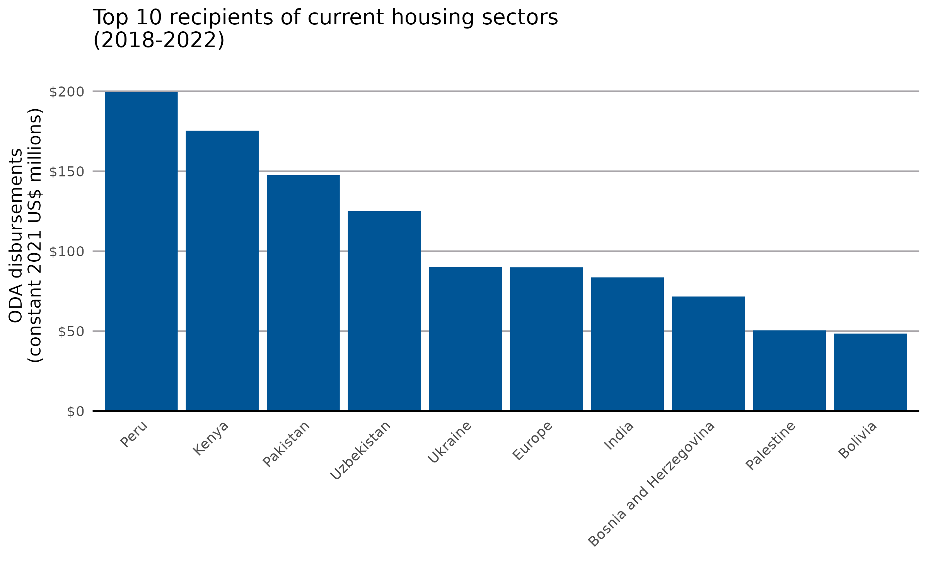
Recipient name | ODA disbursements to current housing sectors (constant 2021 US$ millions, 2018-2022)
Peru | $199.49
Kenya | $175.34
Pakistan | $147.56
Uzbekistan | $125.19
Ukraine | $90.21
Europe, regional | $89.99
India | $83.67
Bosnia and Herzegovina | $71.67
West Bank and Gaza Strip | $50.50
Bolivia | $48.47
Tunisia | $46.96
Ecuador | $41.90
Bilateral, unspecified | $40.11
El Salvador | $39.29
Mongolia | $36.45
Serbia | $34.17
Yemen | $30.84
Western Africa, regional | $27.82
Myanmar | $25.70
Bangladesh | $25.26
Djibouti | $23.00
Bhutan | $22.90
Namibia | $22.85
Iraq | $22.51
Sudan | $16.75
Mozambique | $15.99
South Africa | $14.98
South of Sahara, regional | $13.98
North Macedonia | $13.14
Uganda | $12.74
Georgia | $11.41
Haiti | $10.85
North of Sahara, regional | $10.85
Argentina | $10.33
Sri Lanka | $8.31
Mali | $8.13
Dominica | $7.92
Viet Nam | $7.50
Afghanistan | $6.94
Egypt | $5.64
Africa, regional | $5.46
Ghana | $5.45
Jordan | $5.20
Asia, regional | $4.25
Rwanda | $4.06
Indonesia | $4.02
Paraguay | $3.46
Nicaragua | $3.29
Tonga | $3.10
Malaysia | $3.05
Guatemala | $3.00
Syrian Arab Republic | $2.88
Fiji | $2.72
Mexico | $2.46
Philippines | $2.30
Moldova | $2.24
America, regional | $2.20
Kiribati | $1.76
Cambodia | $1.75
Honduras | $1.68
Cabo Verde | $1.57
Cameroon | $1.53
Morocco | $1.51
Senegal | $1.44
Burkina Faso | $1.32
Nepal | $1.30
Tanzania | $1.22
Central Asia, regional | $1.19
Caribbean & Central America, regional | $1.09
Brazil | $1.09
Burundi | $0.97
Côte d'Ivoire | $0.94
Central America, regional | $0.80
Comoros | $0.72
Colombia | $0.68
Zambia | $0.67
Dominican Republic | $0.65
Costa Rica | $0.63
Cuba | $0.60
Madagascar | $0.55
Democratic Republic of the Congo | $0.46
Zimbabwe | $0.40
South America, regional | $0.37
Lao People's Democratic Republic | $0.35
Niger | $0.33
Malawi | $0.30
Angola | $0.29
Nigeria | $0.29
Kyrgyzstan | $0.28
Panama | $0.26
Belarus | $0.25
Papua New Guinea | $0.25
Guyana | $0.25
China (People's Republic of) | $0.22
Türkiye | $0.22
Chad | $0.21
Tajikistan | $0.20
Suriname | $0.18
Samoa | $0.17
Kazakhstan | $0.16
Solomon Islands | $0.16
Mauritania | $0.13
Benin | $0.13
Ethiopia | $0.13
Montenegro | $0.13
Thailand | $0.11
Jamaica | $0.09
Lebanon | $0.06
Armenia | $0.04
Togo | $0.04
Far East Asia, regional | $0.03
Sierra Leone | $0.02
Kosovo | $0.02
Iran | $0.02
Vanuatu | $0.02
Tuvalu | $0.01
Venezuela | $0.01
Palau | $0.01
Liberia | $0.00
Albania | $0.00
Algeria | $0.00
Mauritius | $0.00
Grenada | $0.00
Marshall Islands | $0.00
Maldives | $0.00
Caribbean, regional | $0.00
Wallis and Futuna | $0.00
Belize | $0.00

