sector_year
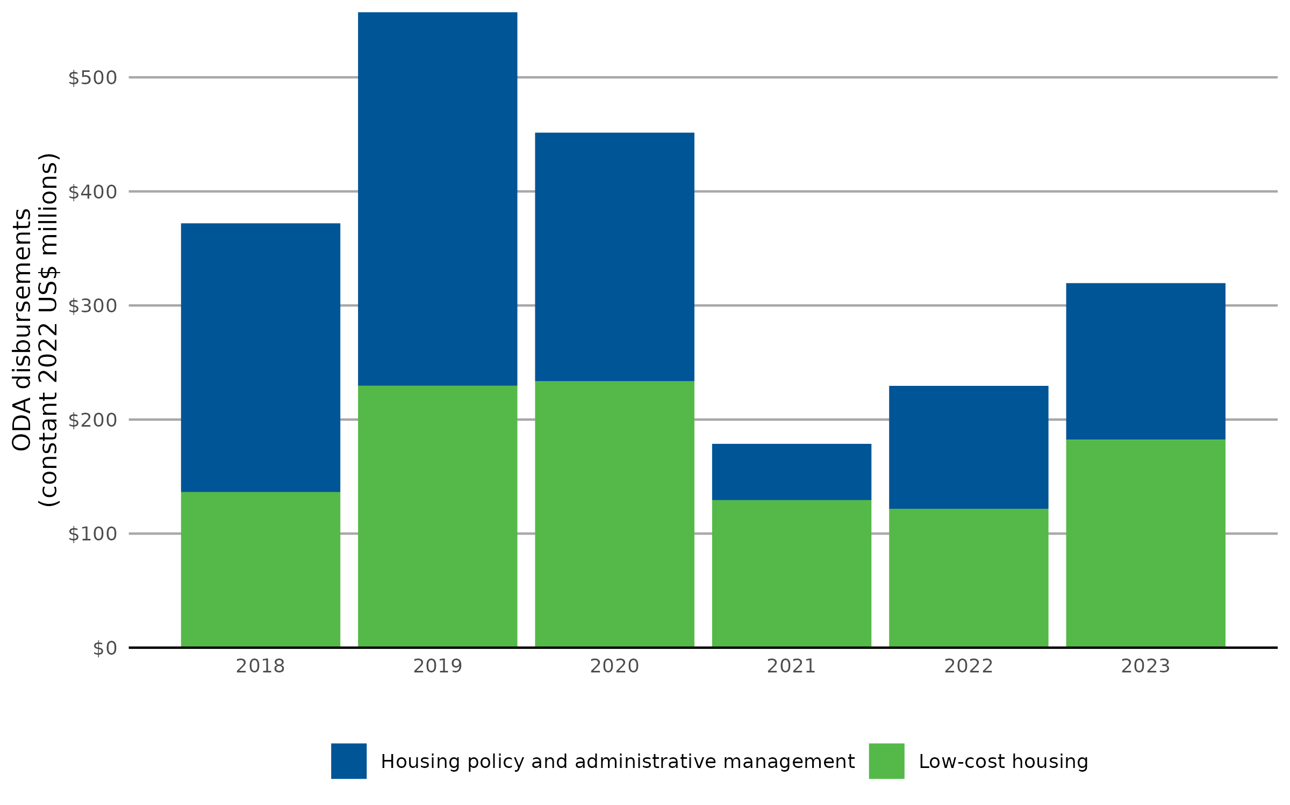
Year | Housing policy and administrative management (ODA disbursements, constant 2022 US$ millions) | Low-cost housing (ODA disbursements, constant 2022 US$ millions) | Note: 2023 values are estimates modeled from IATI. See next tab for confidence intervals.
2018 | $235.59 | $136.42
2019 | $327.43 | $229.61
2020 | $217.96 | $233.53
2021 | $49.33 | $129.37
2022 | $107.75 | $121.79
2023 | $137.31 | $182.28

sector_by_recipient
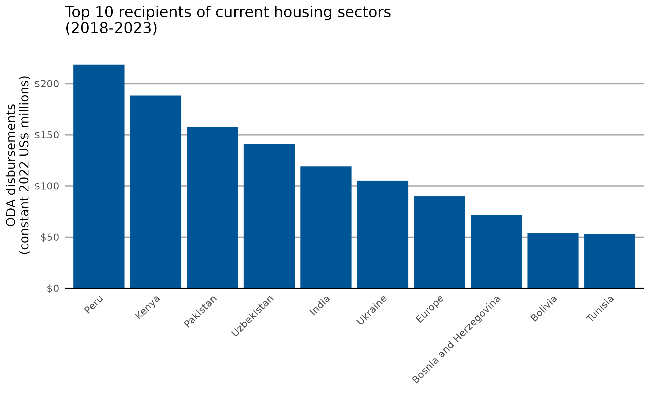
Recipient | ODA disbursements (constant 2022 US$ millions, 2018-2023) | Note: 2023 values are estimates modeled from IATI. See next tab for confidence intervals.
Peru | $218.73
Kenya | $188.54
Pakistan | $158.00
Uzbekistan | $140.90
India | $119.20
Ukraine | $105.19
Europe, regional | $89.99
Bosnia and Herzegovina | $71.67
Bolivia | $53.79
Tunisia | $53.02
West Bank and Gaza Strip | $50.50
El Salvador | $47.78
Ecuador | $45.27
Mongolia | $41.75
Bilateral, unspecified | $40.11
Serbia | $38.05
Yemen | $34.80
Bangladesh | $29.27
Western Africa, regional | $27.82
Djibouti | $26.88
Namibia | $26.27
Myanmar | $25.70
Haiti | $25.52
Bhutan | $25.13
Iraq | $25.08
South Africa | $20.89
Sudan | $18.73
Mozambique | $17.53
North Macedonia | $15.18
Uganda | $15.00
Cape Verde | $14.38
South of Sahara, regional | $13.98
Argentina | $13.39
Morocco | $13.32
Georgia | $12.55
Afghanistan | $12.47
Sri Lanka | $12.06
North of Sahara, regional | $10.85
Egypt | $9.81
Mali | $9.13
Dominica | $9.01
Lebanon | $8.43
Viet Nam | $7.50
Bosnia & Herzegovina | $7.14
Nicaragua | $6.62
Ghana | $6.48
Jordan | $5.91
Africa, regional | $5.46
Palestinian Territories | $5.25
Honduras | $5.05
Rwanda | $4.77
Indonesia | $4.71
Paraguay | $4.29
Asia, regional | $4.25
Moldova | $4.25
Malaysia | $3.94
Myanmar (Burma) | $3.91
Fiji | $3.89
Guatemala | $3.78
Tonga | $3.64
Kyrgyzstan | $3.21
Philippines | $3.04
Nepal | $2.94
Syrian Arab Republic | $2.88
Kiribati | $2.55
Mexico | $2.46
Vietnam | $2.40
Cambodia | $2.30
America, regional | $2.20
Cameroon | $2.04
Senegal | $2.02
Tanzania | $1.83
Guyana | $1.82
Burkina Faso | $1.80
Cabo Verde | $1.57
Burundi | $1.38
Armenia | $1.37
Brazil | $1.34
Central Asia, regional | $1.19
Zambia | $1.16
Comoros | $1.14
Dominican Republic | $1.10
Caribbean & Central America, regional | $1.09
Costa Rica | $1.07
Colombia | $1.06
Cuba | $1.05
Madagascar | $1.01
Kazakhstan | $0.99
Côte d'Ivoire | $0.94
Congo - Kinshasa | $0.86
Zimbabwe | $0.83
Central America, regional | $0.80
Somalia | $0.77
Chile | $0.74
Syria | $0.71
Malawi | $0.71
Mauritania | $0.68
Niger | $0.68
Nigeria | $0.67
Angola | $0.65
Belarus | $0.64
Montenegro | $0.63
Sierra Leone | $0.63
China | $0.62
Papua New Guinea | $0.60
Samoa | $0.59
Panama | $0.59
Albania | $0.59
Suriname | $0.55
Chad | $0.54
Tajikistan | $0.54
Wallis & Futuna | $0.51
Solomon Islands | $0.49
Seychelles | $0.48
Ethiopia | $0.47
Thailand | $0.47
Democratic Republic of the Congo | $0.46
Benin | $0.46
Grenada | $0.44
Uruguay | $0.43
Jamaica | $0.43
Côte d’Ivoire | $0.40
Montserrat | $0.38
Laos | $0.37
South America, regional | $0.37
Togo | $0.37
Trinidad & Tobago | $0.36
Lao People's Democratic Republic | $0.35
Algeria | $0.35
Iran | $0.35
Vanuatu | $0.34
Venezuela | $0.34
Turkey | $0.34
Tuvalu | $0.34
Azerbaijan | $0.34
Palau | $0.33
Liberia | $0.33
South Sudan | $0.32
Equatorial Guinea | $0.32
Mauritius | $0.32
North Korea | $0.32
Congo - Brazzaville | $0.32
Central African Republic | $0.32
Eswatini | $0.32
Timor-Leste | $0.32
São Tomé & Príncipe | $0.32
Marshall Islands | $0.32
Eritrea | $0.32
Canada | $0.32
Niue | $0.32
Belize | $0.32
Croatia | $0.32
Barbados | $0.32
Maldives | $0.32
China (People's Republic of) | $0.22
Türkiye | $0.22
Mayotte | $0.07
Far East Asia, regional | $0.03
Kosovo | $0.02
Caribbean, regional | $0.00
Wallis and Futuna | $0.00

sector_by_income
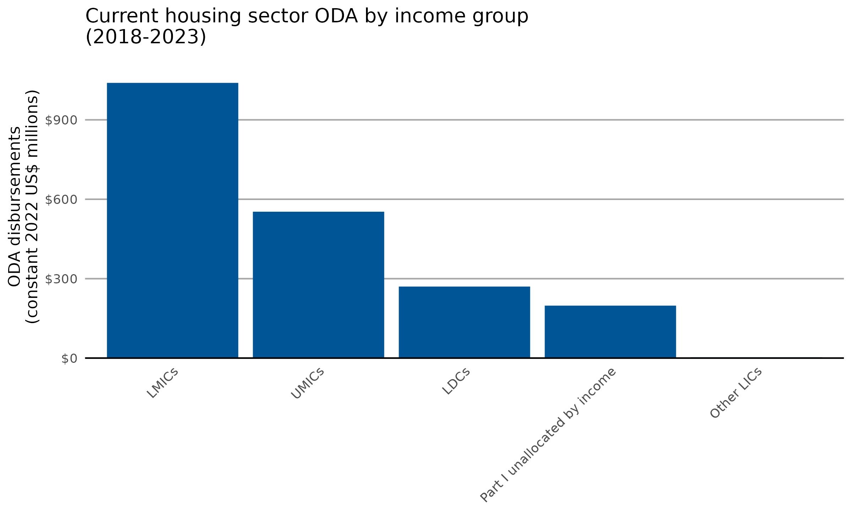
Recipient income group | ODA disbursements (constant 2022 US$ millions, 2018-2023) | Note: 2023 values are estimates modeled from IATI. See previous tab for confidence intervals.
Lower-middle income countries | $1,039.59
Upper-middle income countries | $552.90
Least-developed countries | $270.21
Part I unallocated by income | $198.15
Other low-income countries | $2.88

sector_by_donor_type
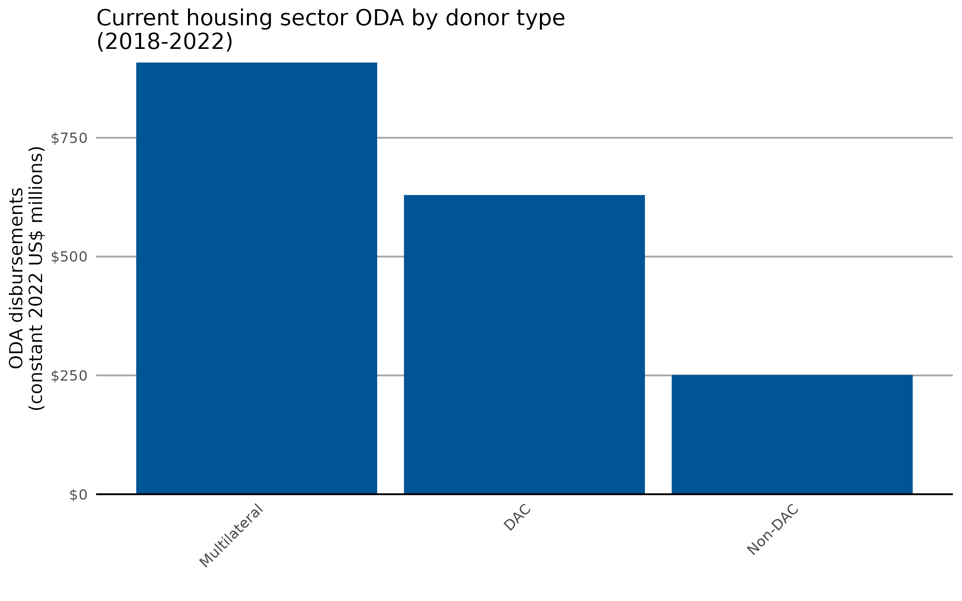
Donor type | ODA disbursements (constant 2022 US$ millions, 2018-2022)
Multilateral | $908.27
DAC | $629.51
Non-DAC | $251.00

sector_by_donor
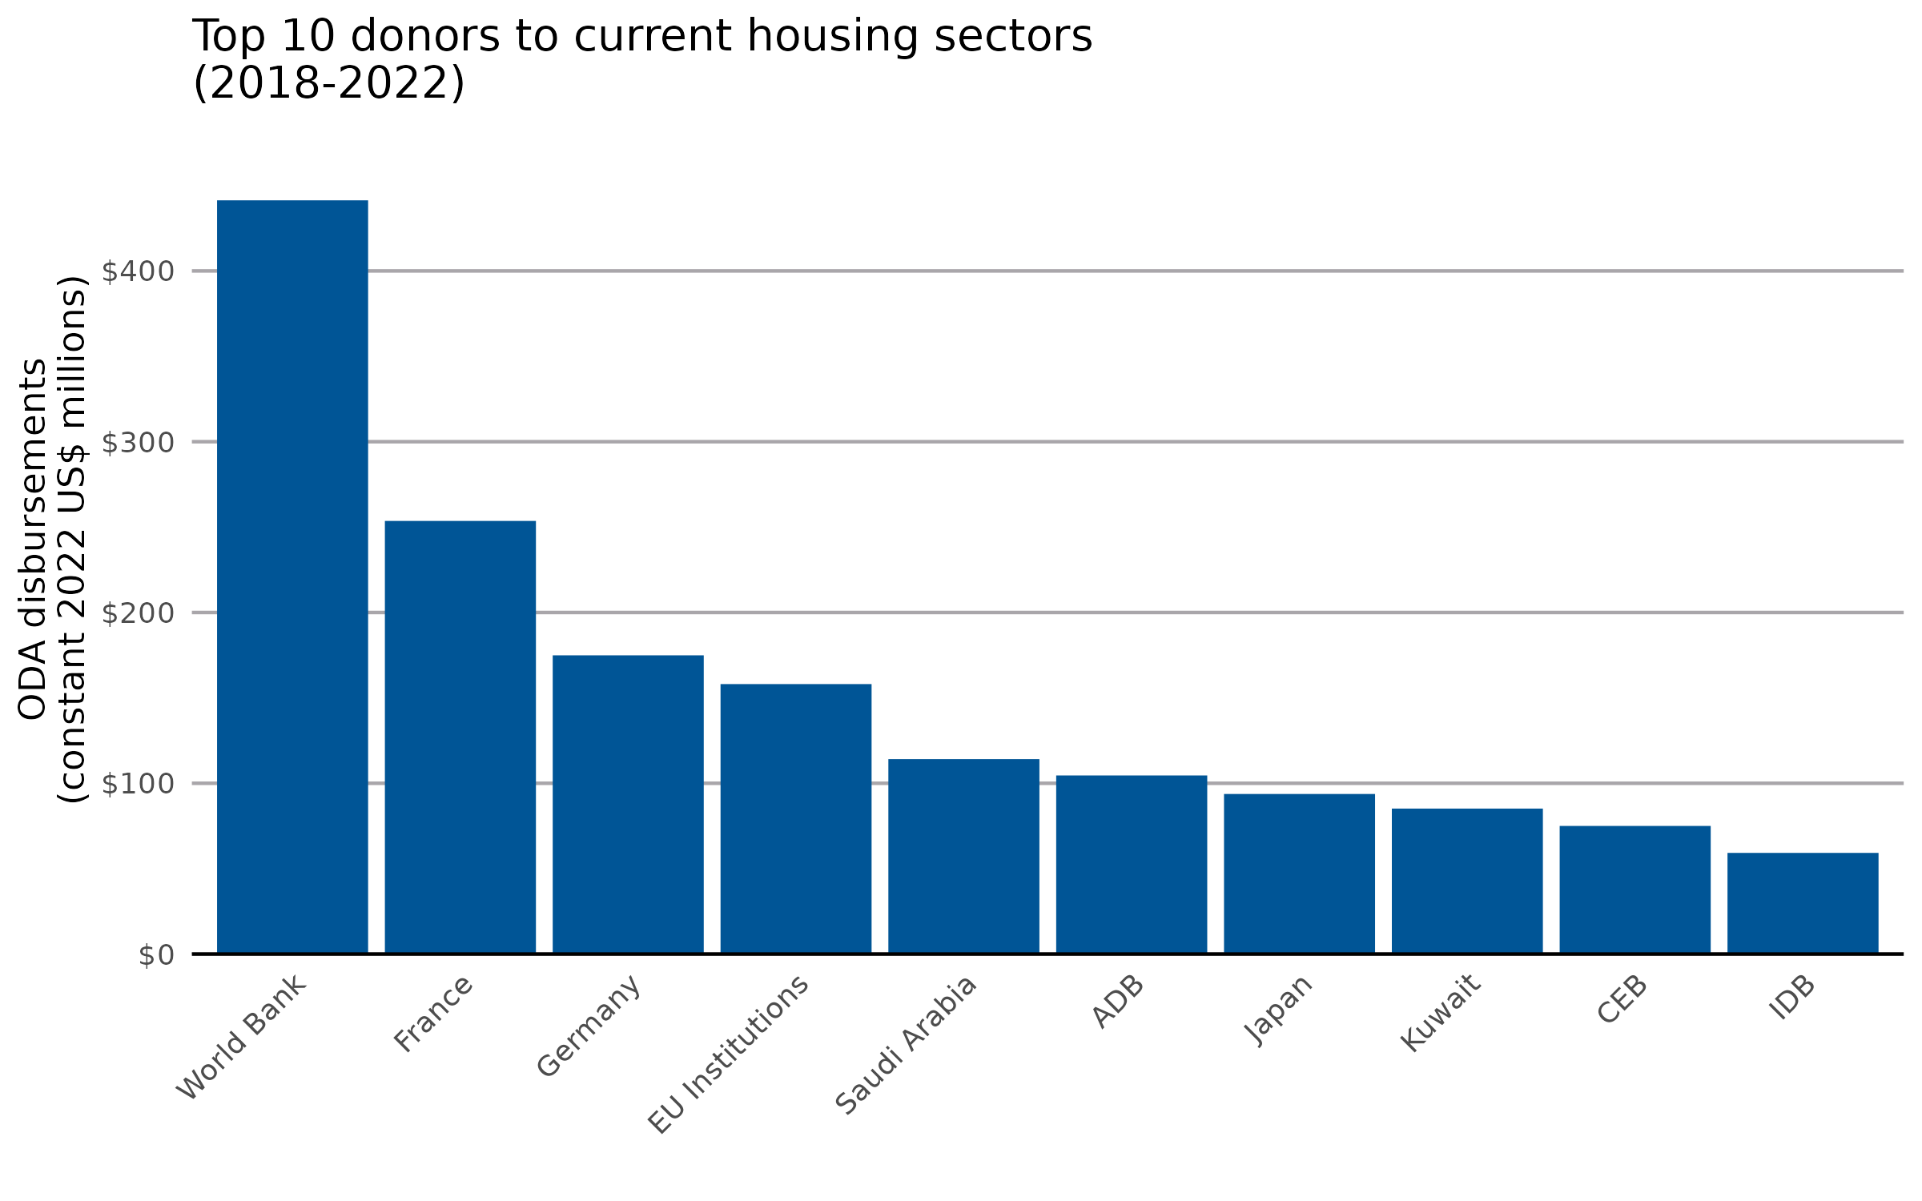
Donor | ODA disbursements (constant 2022 US$ millions, 2018-2022)
International Development Association | $441.34
France | $253.61
Germany | $174.92
EU Institutions | $158.08
Saudi Arabia | $114.14
Asian Development Bank | $104.58
Japan | $93.73
Kuwait | $85.18
Council of Europe Development Bank | $75.02
Inter-American Development Bank | $59.24
Central American Bank for Economic Integration | $36.24
United Kingdom | $29.14
United Arab Emirates | $26.73
Arab Fund (AFESD) | $21.25
Sweden | $17.52
Qatar | $16.77
Korea | $14.74
Switzerland | $9.27
Global Environment Facility | $7.26
Finland | $6.99
Spain | $6.52
Italy | $6.23
Türkiye | $5.18
New Zealand | $4.71
Canada | $4.40
Islamic Development Bank | $3.54
Luxembourg | $3.00
Croatia | $2.72
Green Climate Fund | $1.59
Portugal | $1.22
Norway | $1.10
Australia | $0.68
Belgium | $0.63
Slovak Republic | $0.33
Poland | $0.30
Hungary | $0.25
Liechtenstein | $0.21
OPEC Fund for International Development | $0.14
Estonia | $0.08
Romania | $0.06
Austria | $0.04
Czechia | $0.04
Ireland | $0.03
Greece | $0.03
Slovenia | $0.01
Denmark | $0.00
IFAD | $0.00
United States | $0.00
Caribbean Development Bank | $0.00
Development Bank of Latin America | $0.00

