sector_by_donor_type
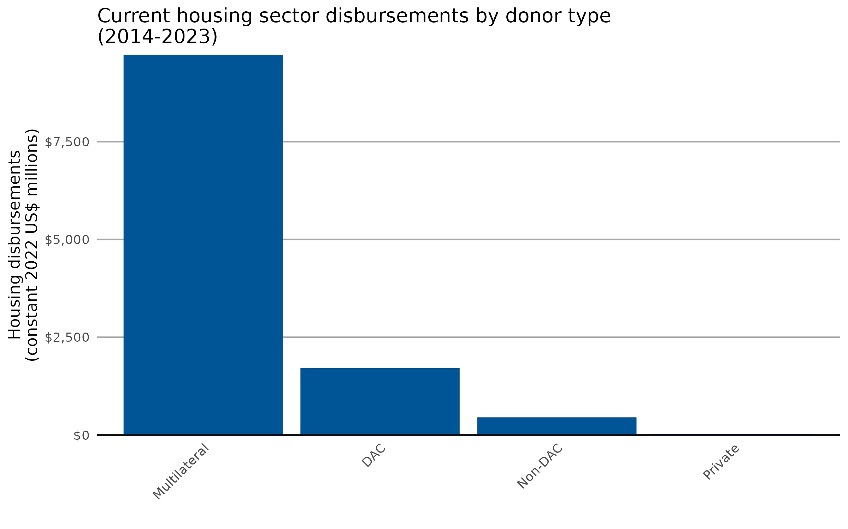
donor_type | value
Multilateral | 9714.621156
DAC | 1708.535457
Non-DAC | 452.73471
Private | 29.824956

sector_by_donor
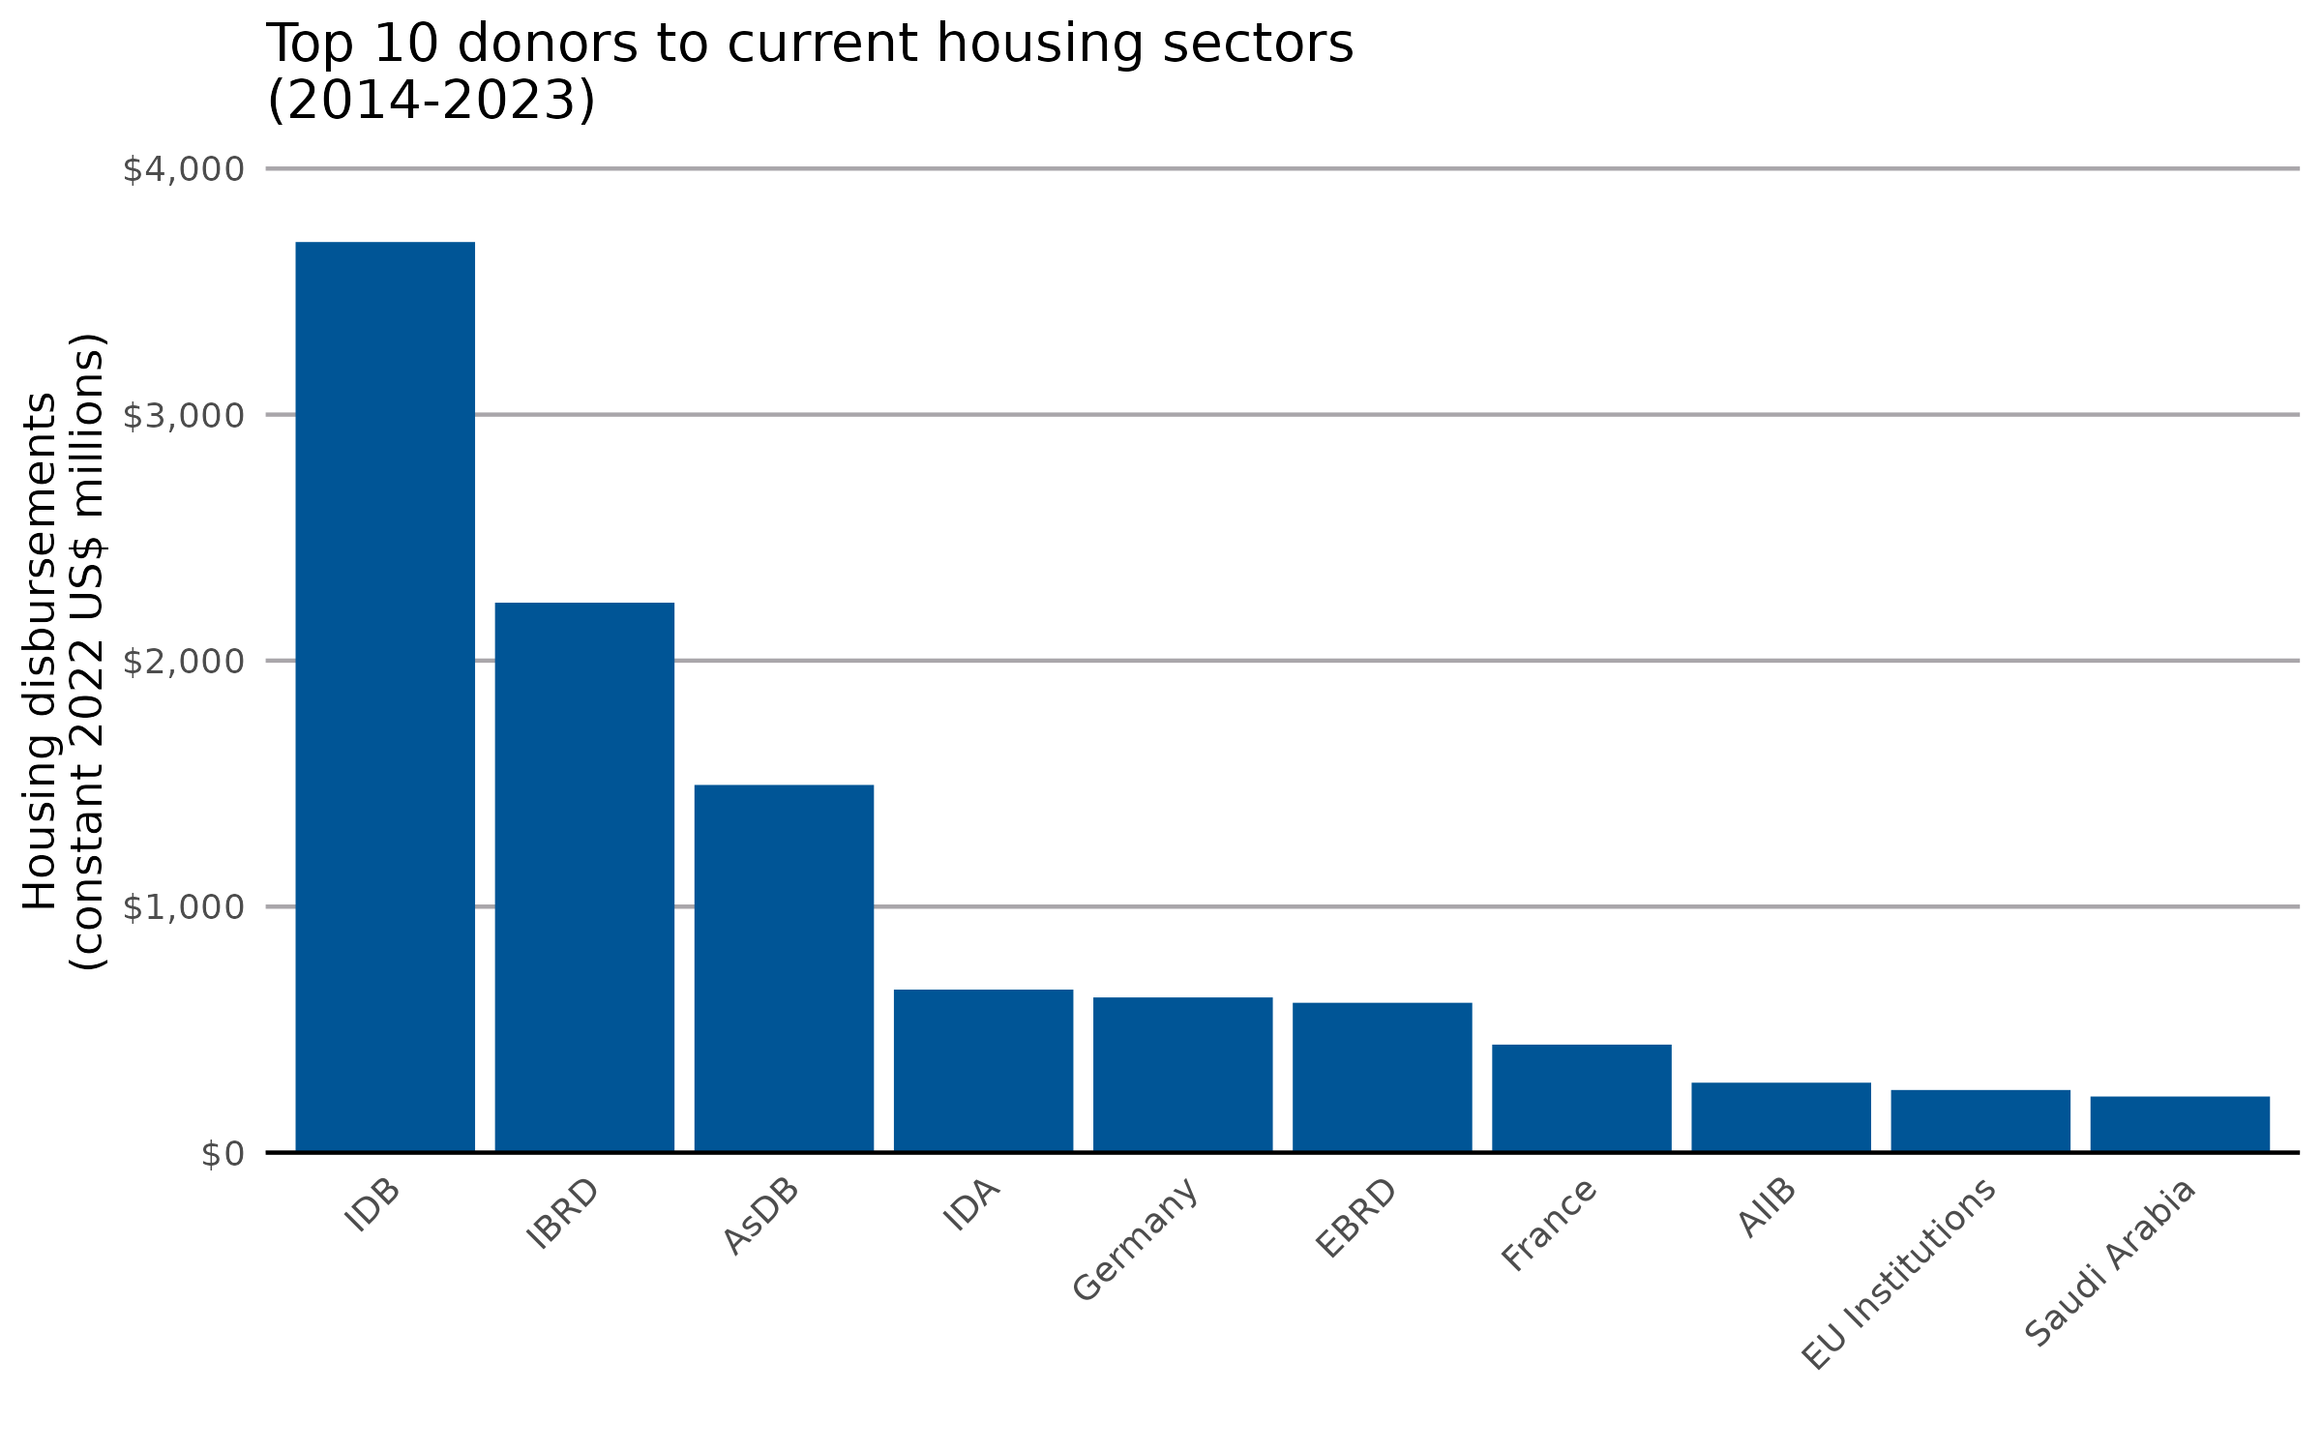
donor_name | value
Inter-American Development Bank [IDB] | 3701.463644
International Bank for Reconstruction and Development [IBRD] | 2235.443376
Asian Development Bank [AsDB] | 1494.63312
International Development Association [IDA] | 662.741417
Germany | 630.93975
European Bank for Reconstruction and Development [EBRD] | 609.169884
France | 439.156556
Asian Infrastructure Investment Bank [AIIB] | 284.408678
EU Institutions | 254.63142
Saudi Arabia | 228.198982
Arab Fund (AFESD) | 157.520635
Council of Europe Development Bank [CEB] | 151.580294
Japan | 116.469624
United Kingdom | 115.514327
Portugal | 111.174619
United Arab Emirates | 101.162009
Central American Bank for Economic Integration [CABEI] | 96.184906
Kuwait | 96.065075
United States | 53.172467
Canada | 45.659157
Korea | 42.460749
Sweden | 38.348322
Switzerland | 24.348191
Green Climate Fund [GCF] | 20.555179
Qatar | 18.502781
Italy | 14.681441
Spain | 14.22759
New Zealand | 13.20938
IDB Invest | 12.623959
Denmark | 12.338702
Ford Foundation | 9.916816
Finland | 9.423672
Norway | 9.226359
African Development Bank [AfDB] | 8.668864
Islamic Development Bank [IsDB] | 7.871286
OPEC Fund for International Development [OPEC Fund] | 7.790524
Global Environment Facility [GEF] | 7.410194
Belgium | 7.328791
Luxembourg | 6.32606
Türkiye | 5.530054
Charity Projects Ltd (Comic Relief) | 5.078191
Omidyar Network Fund, Inc. | 4.980933
Swedish Postcode Lottery | 4.905669
Croatia | 3.005065
Dutch Postcode Lottery | 2.345671
Australia | 1.96441
Climate Investment Funds [CIF] | 0.970497
Conrad N. Hilton Foundation | 0.906691
UNECE | 0.860672
Ireland | 0.693874
Poland | 0.462468
Citi Foundation | 0.450751
Open Society Foundations | 0.428504
Austria | 0.422677
Slovak Republic | 0.343844
Van Leer Foundation | 0.260116
Hungary | 0.25355
Czechia | 0.226156
Liechtenstein | 0.20949
People's Postcode Lottery | 0.137491
Rockefeller Foundation | 0.130786
Mastercard Foundation | 0.118868
Laudes Foundation | 0.105153
UNDP | 0.092607
Estonia | 0.082989
Romania | 0.061254
Slovenia | 0.048183
Oak Foundation | 0.042828
Greece | 0.031549
La Caixa Banking Foundation | 0.016488

sector_by_income
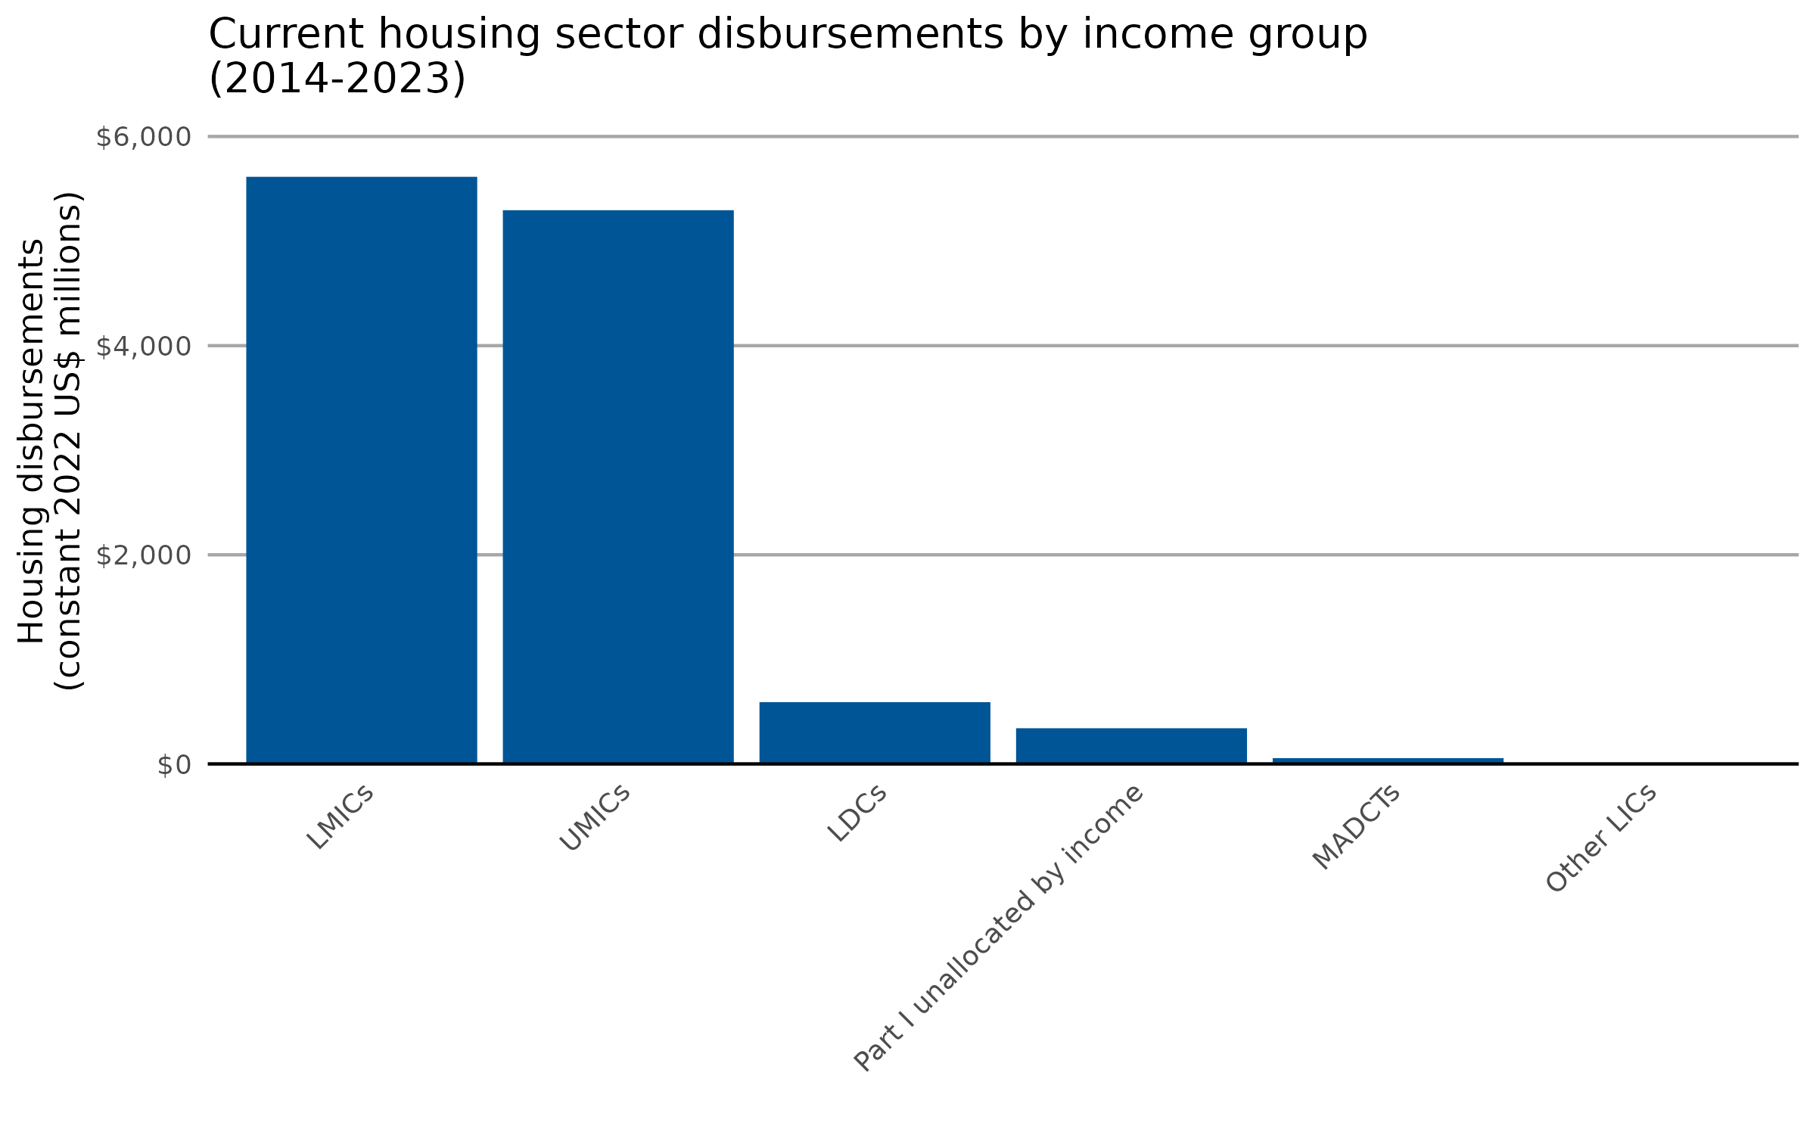
income_group_code | value
LMICs | 5614.461843
UMICs | 5294.95456
LDCs | 590.959026
Part I unallocated by income | 341.523139
MADCTs | 55.928279
Other LICs | 7.889432

sector_by_recipient
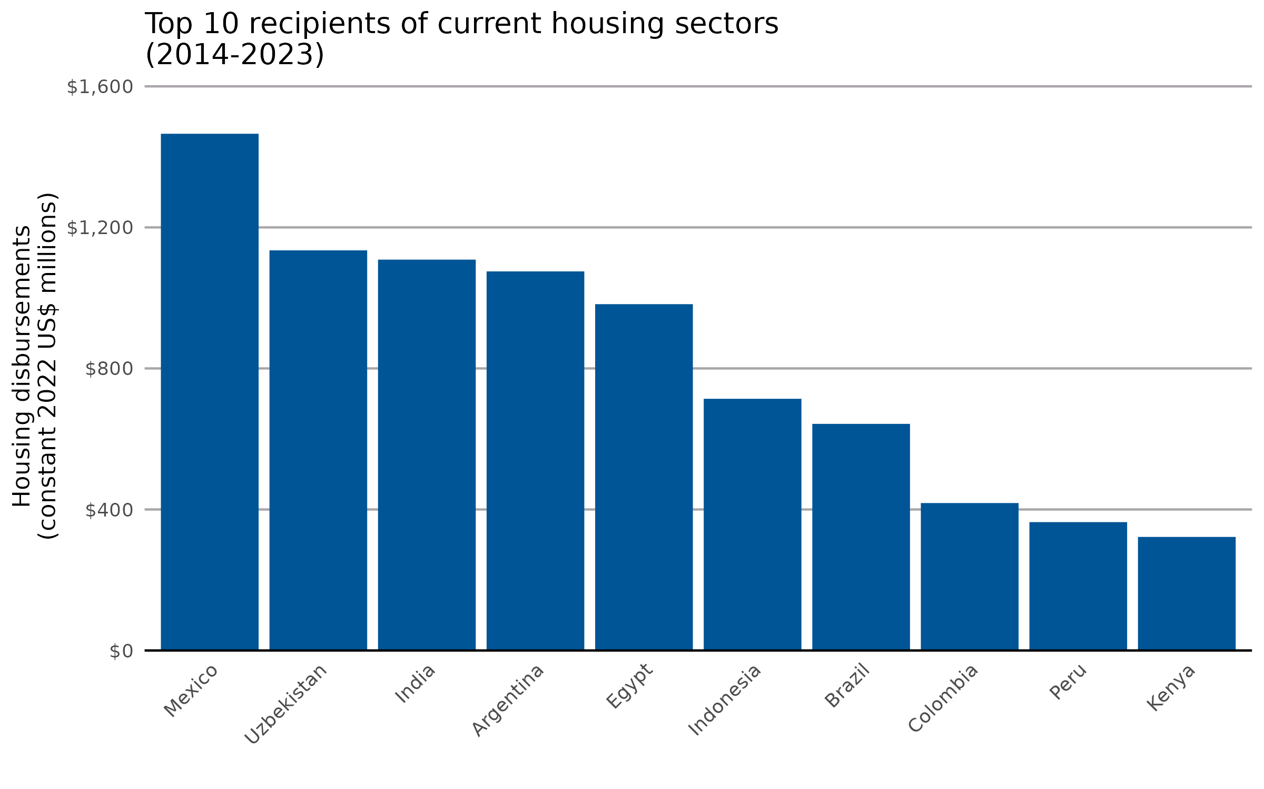
recipient_name | value
Mexico | 1465.551417
Uzbekistan | 1134.913901
India | 1108.583257
Argentina | 1075.195517
Egypt | 982.243278
Indonesia | 713.884797
Brazil | 642.729372
Colombia | 418.199534
Peru | 364.11573
Kenya | 322.101878
Ecuador | 212.215273
Ukraine | 211.507839
Pakistan | 202.186931
Haiti | 155.888539
Morocco | 153.312063
Iraq | 149.986749
Serbia | 129.577222
Lebanon | 124.160679
El Salvador | 115.812968
Developing countries unspecified | 113.021382
Cabo Verde | 111.347533
Bosnia and Herzegovina | 100.922846
Europe unspecified | 98.106736
Jordan | 91.368638
Sri Lanka | 90.622464
Nicaragua | 87.89065
Kazakhstan | 85.061879
Tunisia | 83.199899
Afghanistan | 75.838976
Mongolia | 71.396831
Palestinian Authority or West Bank and Gaza Strip | 69.457378
Western Africa unspecified | 64.395072
Bolivia | 60.447953
South Africa | 57.733125
Rwanda | 57.434602
Georgia | 57.022546
Uruguay | 53.00352
Türkiye | 51.230961
Myanmar | 43.365888
Yemen | 42.367468
Montenegro | 41.035015
North Macedonia | 39.826824
Viet Nam | 38.201167
Bangladesh | 37.945597
Paraguay | 36.472442
Djibouti | 32.535001
Namibia | 31.737368
Bhutan | 24.124964
Africa unspecified | 21.689463
Nepal | 20.765627
Honduras | 20.347247
Mozambique | 19.095225
Sudan | 16.826933
Sub-Saharan Africa unspecified | 16.573479
Moldova | 15.988328
Belarus | 15.092637
Uganda | 14.611138
China (People’s Republic of) | 14.108474
Armenia | 13.923985
Kyrgyzstan | 11.868535
Ghana | 10.919306
Northern Africa unspecified | 10.846415
Suriname | 8.972202
Mali | 8.951129
Dominica | 8.029161
Syrian Arab Republic | 7.884259
Tanzania | 7.297509
Fiji | 7.236837
Democratic Republic of the Congo | 7.186099
Dominican Republic | 6.367343
Philippines | 6.101454
Panama | 5.948505
Kiribati | 5.524039
Asia unspecified | 5.445497
Guatemala | 5.155401
Guyana | 3.984471
Senegal | 3.65633
Cambodia | 3.372977
Central America and the Caribbean unspecified | 3.300314
Tonga | 3.105564
Malaysia | 3.055237
Albania | 2.986917
America unspecified | 2.832543
Seychelles | 2.514855
Costa Rica | 2.479305
Cameroon | 2.305742
South America unspecified | 2.274084
Burkina Faso | 2.12812
Grenada | 1.972642
Zambia | 1.971916
Central Asia unspecified | 1.561248
Côte d’Ivoire | 1.345136
Madagascar | 1.289657
Burundi | 1.282522
Somalia | 1.176227
Samoa | 1.147537
Cuba | 1.134325
Comoros | 1.072285
Zimbabwe | 1.04887
Liberia | 0.960584
Malawi | 0.86721
Central America unspecified | 0.802861
Thailand | 0.740576
Southern Africa unspecified | 0.599364
Niger | 0.587628
Ethiopia | 0.578915
Chad | 0.546678
Nigeria | 0.529433
Lao People’s Democratic Republic | 0.495469
Vanuatu | 0.489149
Angola | 0.466428
Chile | 0.409904
Algeria | 0.401343
Papua New Guinea | 0.369072
Tajikistan | 0.305359
Solomon Islands | 0.296228
Venezuela | 0.199474
Iran | 0.172873
Benin | 0.152089
Azerbaijan | 0.146046
Mauritania | 0.134849
Jamaica | 0.108489
Sierra Leone | 0.080482
Togo | 0.041754
Kosovo | 0.040532
Far East Asia unspecified | 0.034537
Southern Asia unspecified | 0.033028
Tuvalu | 0.014839
South Sudan | 0.014149
Palau | 0.01353
Guinea-Bissau | 0.012956
Equatorial Guinea | 0.012371
Mauritius | 0.009071
States ex-Yugoslavia unspecified | 0.007006
Democratic People’s Republic of Korea | 0.005173
Middle East unspecified | 0.00011

sector_category_year
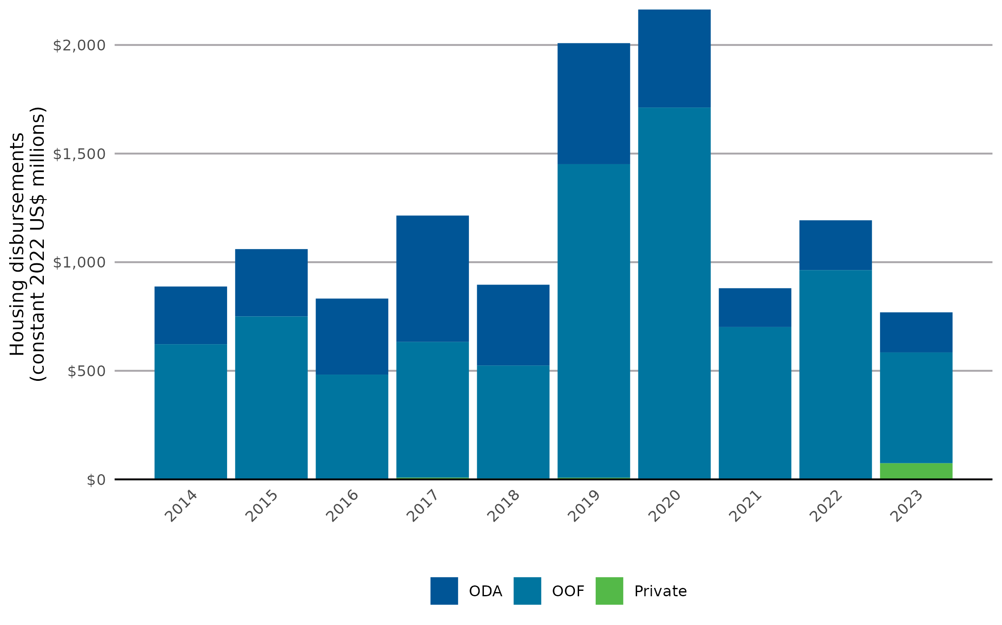
year | ODA | OOF | Private
2014 | 265.819998 | 621.503808 | 0.712874
2015 | 310.073139 | 749.409626 | 0.772996
2016 | 350.07006 | 480.405993 | 2.041958
2017 | 581.985478 | 624.933067 | 7.749542
2018 | 372.008704 | 519.807648 | 4.441862
2019 | 557.043863 | 1444.084605 | 7.268529
2020 | 451.49774 | 1708.340234 | 3.412551
2021 | 178.70199 | 698.930706 | 2.557163
2022 | 229.535336 | 962.571676 | 0.867481
2023 | 184.803379 | 509.648243 | 74.71603

sector_year
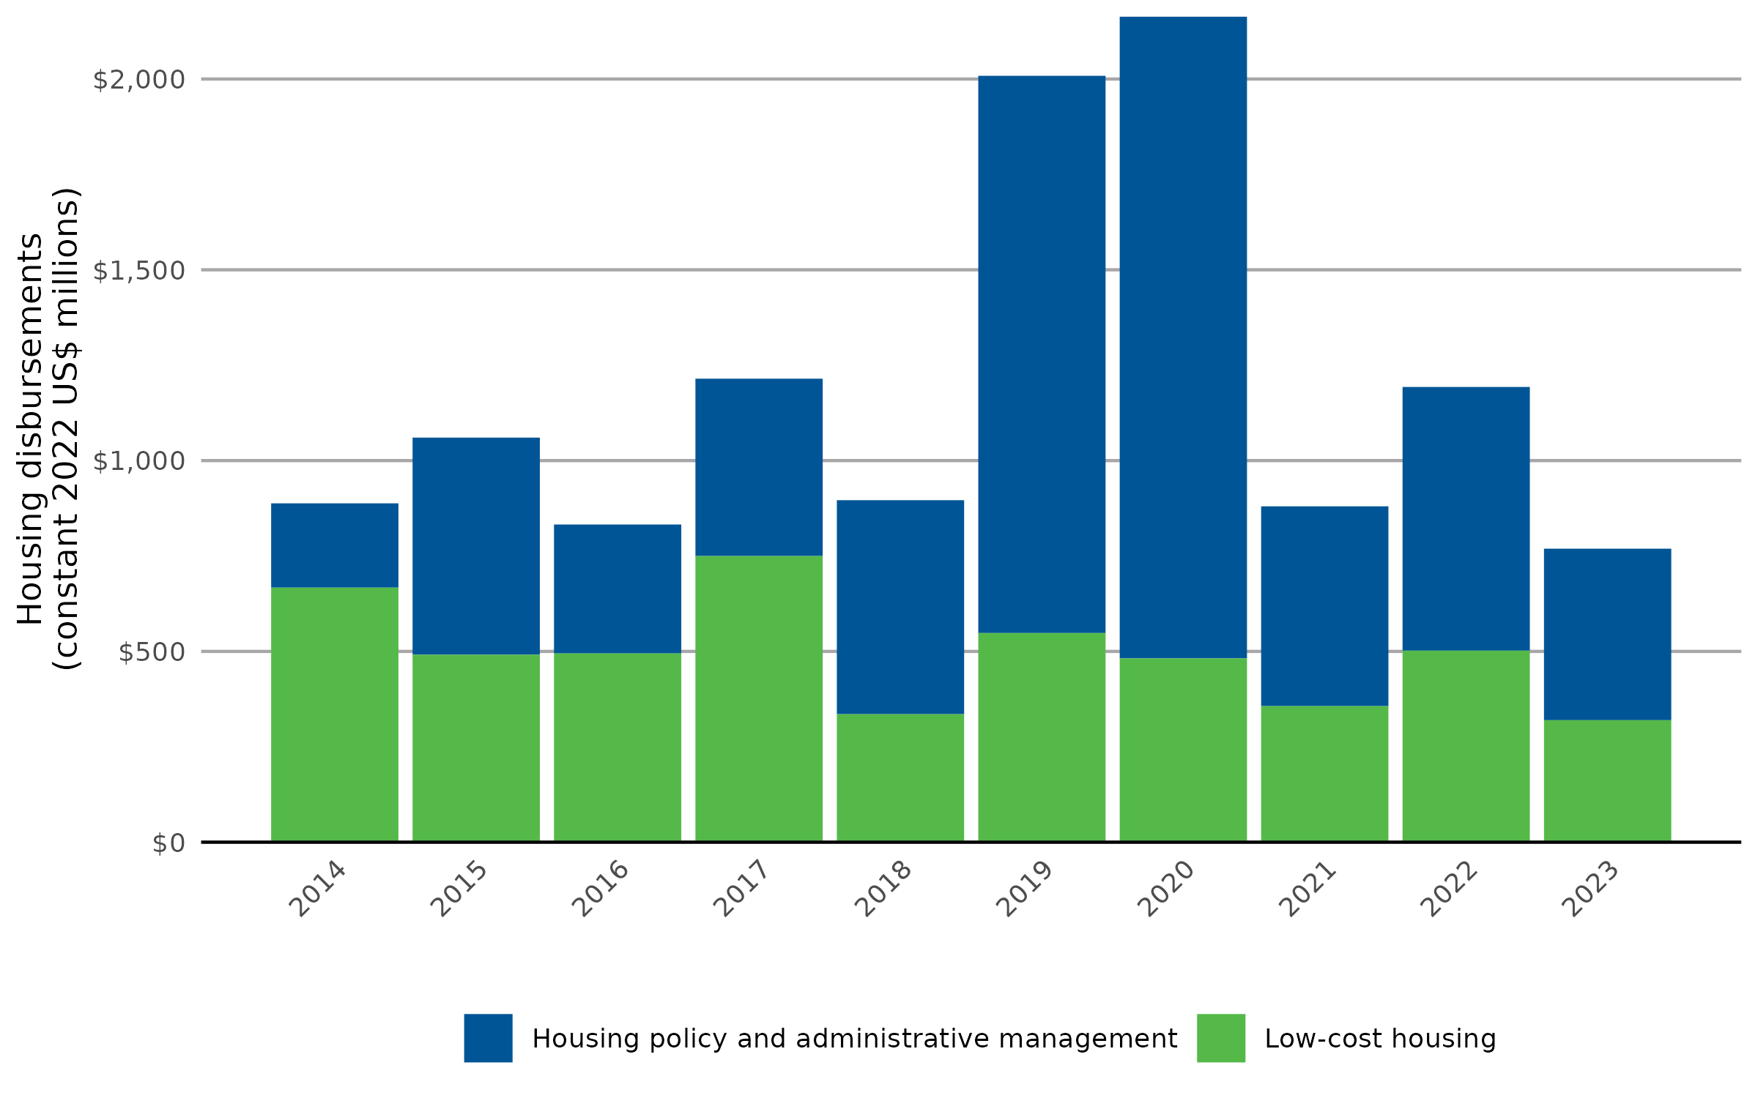
year | Housing policy and administrative management | Low-cost housing
2014 | 220.590817 | 667.445863
2015 | 569.004285 | 491.251476
2016 | 337.430898 | 495.087113
2017 | 464.40998 | 750.258107
2018 | 560.372002 | 335.886212
2019 | 1460.276904 | 548.120093
2020 | 1681.50942 | 481.741105
2021 | 523.584168 | 356.605691
2022 | 690.545155 | 502.429338
2023 | 449.375777 | 319.791875

